OpAmp
Twelve Rules for Operational Amplifiers |  |  |  |  | m > 1, b < 0 |  |  |  |  | m > 1, b = 0 |  |  |  |  | m >= 1, b > 0 |  |  |  |  | m > 1, b < 0 enhanced
Verson 1.1, 20180609, Marten Agren |  |  |  |  | mpbn |  |  |  | verified | mpbz |  |  |  | verified | mpbp |  |  |  | verified | mpbne |  |  |  | verified
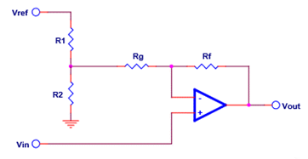
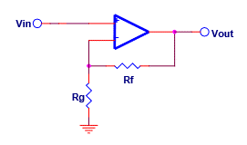
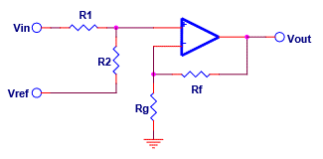
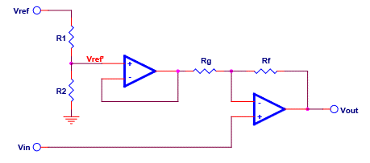

Transfer function: |  |  | y = mx + b

Signs for m and b determine the circuit

example | mpbn

Vinzs | 0.000 |  | zero-scale input voltage
Vinfs | 5.000 |  | full-scale input voltage
Voutzs | 0.000 |  | zero-scale output voltage |  |  | Param | Value | Actual |  |  | Param | Value | Actual |  |  | Param | Value | Actual |  |  | Param | Value | Actual
Voutfs | -5.000 |  | full-scale ouptput voltate |  |  | Vinzs | 0.000 |  |  |  | Vinzs | 0.000 |  |  |  | Vinzs | 0.000 |  |  |  | Vinzs | 0.000
 |  |  |  |  |  | Vinfs | 5.000 |  |  |  | Vinfs | 5.000 |  |  |  | Vinfs | 5.000 |  |  |  | Vinfs | 5.000
m | -1.000 |  | m = (Voutfs - Voutzs) / (Vinfs - Vinzs) |  |  | Voutzs | 0.000 | #N/A |  |  | Voutzs | 0.000 | #N/A |  |  | Voutzs | 0.000 | #N/A |  |  | Voutzs | 0.000 | #N/A
b | 0.000 |  | b=Vourzs-m * Vinzs |  |  | Voutfs | -5.000 | #N/A |  |  | Voutfs | -5.000 | #N/A |  |  | Voutfs | -5.000 | #N/A |  |  | Voutfs | -5.000 | #N/A
 |  |  |  |  |  | Vref | 5.000 |  |  |  |  |  |  |  |  | Vref | 5.000 |  |  |  | Vref | 5.000
The relevant circuit is highlighted in yellow |  |  |  |  |  | m | -1.000 | #N/A |  |  | m | -1.000 | #N/A |  |  | m | -1.000 | #N/A |  |  | m | -1.000 | #N/A
 |  |  |  |  |  | b | 0.000 | #N/A |  |  | b | 0.000 | #N/A |  |  | b | 0.000 | #N/A |  |  | b | 0.000 | #N/A
References | Designing Gain and Offset in Thirty Seconds |  |  |  |  | valid | #N/A |  |  |  | valid | #N/A |  |  |  | valid | #N/A |  |  |  | valid | #N/A
 | Op Amps for Everyone 5th Edition |  |  |  |  | R1 | 4,700 | 4,700 |  |  | Rf | 100,000 | 100,000 |  |  | R1 | 10,000 | 10,000 |  |  | R1 | 10,000 | 10,000
 |  |  |  |  |  | R2 | #N/A | #N/A |  |  | Rg | #N/A | 470,000 |  |  | R2 | #N/A | #N/A |  |  | R2 | #N/A | 2,200
 |  |  |  |  |  | Rf | 47,000 | 47,000 |  |  |  |  |  |  |  | Rf | 100,000 | 100,000 |  |  | Rf | 10,000 | 10,000
 |  |  |  |  |  | Rg | #N/A | #N/A |  |  |  |  |  |  |  | Rg | #N/A | #N/A |  |  | Rg | #N/A | 2,200
 |  |  |  |  |  |  |  |  |  |  |  |  |  |  |  |  |  |  |  |  | Vref' | #N/A | 0.902

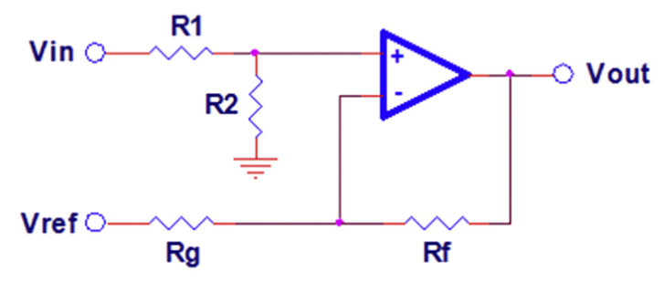
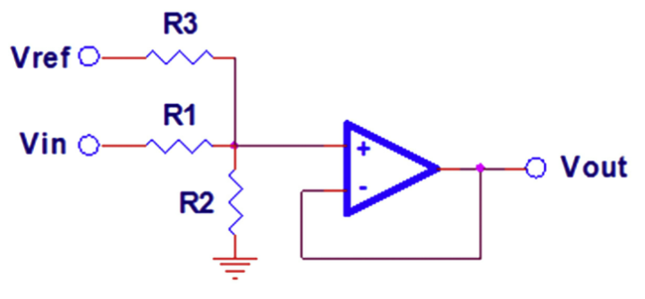
 |  |  |  |  | 1 >= m > 0, b < 0 |  |  |  |  | 1 > m > 0, b = 0 |  |  |  |  | 1 > m > 0, b > 0
Example | Vinzs | Vinfs | Voutzs | Voutfs | apbn |  |  |  | verified | apbz |  |  |  | verified | apbp |  |  |  | verified
mpbn | -1.000 | 1.000 | -3.000 | 1.000
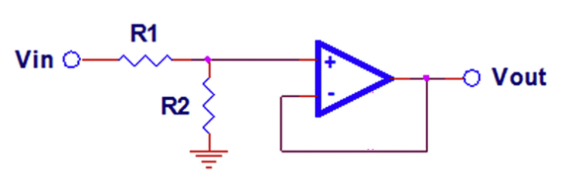
mpbz | -1.000 | 1.000 | -2.000 | 2.000
mpbp | -1.000 | 1.000 | -1.000 | 3.000
apbn | -1.000 | 1.000 | -0.600 | 0.400
apbz | -1.000 | 1.000 | -0.500 | 0.500
apbp | -1.000 | 1.000 | -0.400 | 0.600
anbn | -1.000 | 1.000 | 0.400 | -0.600
anbz | -1.000 | 1.000 | 0.500 | -0.500
anbp | -1.000 | 1.000 | 0.600 | -0.400
mnbn | -1.000 | 1.000 | 1.000 | -3.000
mnbz | -1.000 | 1.000 | 2.000 | -2.000 |  | Param | Value | Actual |  |  | Param | Value | Actual |  |  | Param | Value | Actual
mnbp | -1.000 | 1.000 | 3.000 | -1.000 |  | Vinzs | 0.000 |  |  |  | Vinzs | 0.000 |  |  |  | Vinzs | 0.000
 |  |  |  |  |  | Vinfs | 5.000 |  |  |  | Vinfs | 5.000 |  |  |  | Vinfs | 5.000
 |  |  |  |  |  | Voutzs | 0.000 | #N/A |  |  | Voutzs | 0.000 | #N/A |  |  | Voutzs | 0.000 | #N/A
 |  |  |  |  |  | Voutfs | -5.000 | #N/A |  |  | Voutfs | -5.000 | #N/A |  |  | Voutfs | -5.000 | #N/A
 |  |  |  |  |  | Vref | 5.000 |  |  |  |  |  |  |  |  | Vref | 5.000
 |  |  |  |  |  | m | -1.000 | #N/A |  |  | m | -1.000 | #N/A |  |  | m | -1.000 | #N/A
 |  |  |  |  |  | b | 0.000 | #N/A |  |  | b | 0.000 | #N/A |  |  | b | 0.000 | #N/A
 |  |  |  |  |  | valid | #N/A |  |  |  | valid | #N/A |  |  |  | valid | #N/A
 |  |  |  |  |  | R1 | 10,000 | 10,000 |  |  | R1 | 10,000 | 10,000 |  |  | R1 | 10,000 | 10,000
 |  |  |  |  |  | R2 | #N/A | #N/A |  |  | R2 | #N/A | #N/A |  |  | R2 | #N/A | #N/A
 |  |  |  |  |  | Rf | 10,000 | 10,000 |  |  |  |  |  |  |  | R3 | #N/A | #N/A
 |  |  |  |  |  | Rg | #N/A | #N/A

 |  |  |  |  | 0 > m > -1, b < 0 |  |  |  |  | 0 > m > -1, b = 0 |  |  |  |  | 0 > m > -1, b > 0
 |  |  |  |  | anbn |  |  |  | verified | anbz |  |  |  | verified | anbp |  |  |  | verified
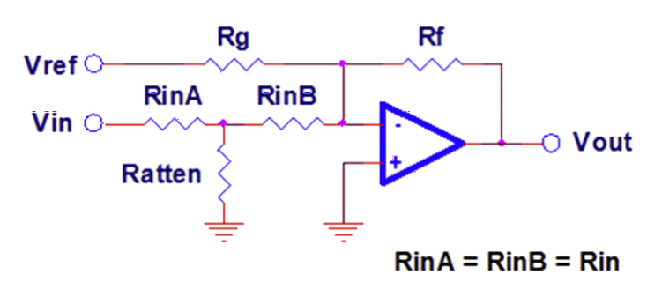
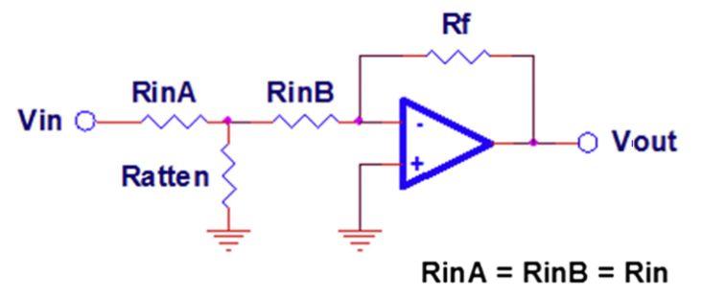
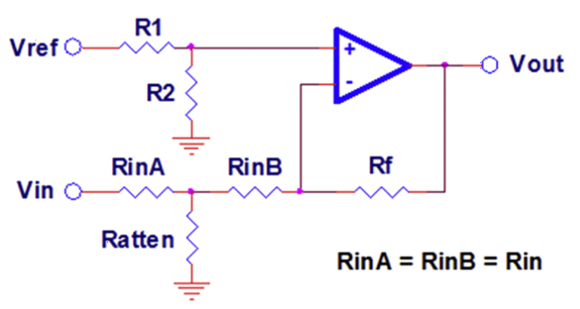

 |  |  |  |  |  | Param | Value | Actual |  |  | Param | Value | Actual |  |  | Param | Value | Actual
 |  |  |  |  |  | Vinzs | 0.000 |  |  |  | Vinzs | 0.000 |  |  |  | Vinzs | 0.000
 |  |  |  |  |  | Vinfs | 5.000 |  |  |  | Vinfs | 5.000 |  |  |  | Vinfs | 5.000
 |  |  |  |  |  | Voutzs | 0.000 | #N/A |  |  | Voutzs | 0.000 | #N/A |  |  | Voutzs | 0.050 | 0.056
 |  |  |  |  |  | Voutfs | -5.000 | #N/A |  |  | Voutfs | -5.000 | #N/A |  |  | Voutfs | -0.080 | -0.094
 |  |  |  |  |  | Vref | 5.000 |  |  |  |  |  |  |  |  | Vref | 12.000
 |  |  |  |  |  | m | -1.000 | #N/A |  |  | m | -1.000 | #N/A |  |  | m | -0.026 | -0.030
 |  |  |  |  |  | b | 0.000 | #N/A |  |  | b | 0.000 | #N/A |  |  | b | 0.050 | 0.056
 |  |  |  |  |  | valid | #N/A |  |  |  | valid | #N/A |  |  |  | valid | 1
 |  |  |  |  |  | Rf | 10,000 | 10,000 |  |  | Rf | 10,000 | 10,000 |  |  | Rf | 100,000 | 100,000
 |  |  |  |  |  | Rg | #N/A | #N/A |  |  | Rin | 5,000 | 5,000 |  |  | Rin | 50,000 | 47,000
 |  |  |  |  |  | Rin | 5,000 | 5,000 |  |  | Rattten | #N/A | #N/A |  |  | Rattten | 667 | 680
 |  |  |  |  |  | Rattten | #N/A | #N/A |  |  |  |  |  |  |  | R1 | 100,000 | 100,000
 |  |  |  |  |  |  |  |  |  |  |  |  |  |  |  | R2 | 140 | 150
 |  |  |  |  |  |  |  |  |  |  |  |  |  |  |  | Rp | 658.56 | 670.30

 |  |  |  |  | m <= -1, b < 0 |  |  |  |  | m <= -1, b = 0 |  |  |  |  | m <= -1, b > 0
 |  |  |  |  | mnbn |  |  |  | verified | mnbz |  |  |  | verified | mnbp |  |  |  | verified
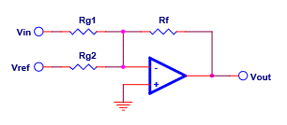
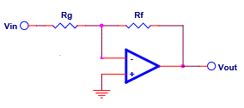
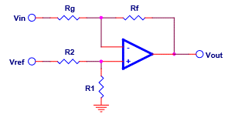

 |  |  |  |  |  | Param | Value | Actual |  |  | Param | Value | Actual |  |  | Param | Value | Actual
 |  |  |  |  |  | Vinzs | 0.000 |  |  |  | Vinzs | 0.000 |  |  |  | Vinzs | 0.000
 |  |  |  |  |  | Vinfs | 5.000 |  |  |  | Vinfs | 5.000 |  |  |  | Vinfs | 5.000
 |  |  |  |  |  | Voutzs | 0.000 | #N/A |  |  | Voutzs | 0.000 | 0.000 |  |  | Voutzs | 0.000 | #N/A
 |  |  |  |  |  | Voutfs | -5.000 | #N/A |  |  | Voutfs | -5.000 | -11.000 |  |  | Voutfs | -5.000 | #N/A
 |  |  |  |  |  | Vref | 5.000 |  |  |  |  |  |  |  |  | Vref | 5.000
 |  |  |  |  |  | m | -1.000 | #N/A |  |  | m | -1.000 | -2.200 |  |  | m | -1.000 | #N/A
 |  |  |  |  |  | b | 0.000 | #N/A |  |  | b | 0.000 | 0.000 |  |  | b | 0.000 | #N/A
 |  |  |  |  |  | valid | #N/A |  |  |  | valid | 1 |  |  |  | valid | #N/A
 |  |  |  |  |  | Rf | 33,000 | 33,000 |  |  | Rf | 33,000 | 33,000 |  |  | R1 | #N/A | #N/A
 |  |  |  |  |  | Rg1 | #N/A | #N/A |  |  | Rg | 33,000 | 15,000 |  |  | R2 | 47,000 | 47,000
 |  |  |  |  |  | Rg2 | #N/A | #N/A |  |  |  |  |  |  |  | Rf | 22,000 | 22,000
 |  |  |  |  |  |  |  |  |  |  |  |  |  |  |  | Rg | #N/A | #N/A

VCA
Input Stage |  |  |  |  | Linear Stage
mnbz |  |  |  | verified | mnbn |  |  |  | verified

 |  |  |  |  |  |  |  |  |  | Zero Offset Control

 |  |  |  |  |  |  |  |  |  | Vmax | 3 | full throttle
 |  |  |  |  |  |  |  |  |  | Vmin | -6 | complete silence
 |  |  |  |  |  |  |  |  |  | Vcc | 12
 |  |  |  |  |  |  |  |  |  | Vss | -12
 |  |  |  |  |  |  |  |  |  | range | 9
 |  |  |  |  |  |  |  |  |  | rest | 15
 |  |  |  |  |  |  |  |  |  | vr- | -6
 | Param | Value | Actual |  |  | Param | Value | Actual |  | vr+ | 9
 | Vinzs | 0.000 |  |  |  | Vinzs | 0.100 |  |  | pot | 10,000
 | Vinfs | 5.000 |  |  |  | Vinfs | -0.060 |  |  | r- | 6,667
 | Voutzs | 0.000 | 0.000 |  |  | Voutzs | -12.000 | -10.672 |  | r+ | 10,000
 | Voutfs | -0.200 | -0.235 |  |  | Voutfs | 0.000 | 0.387 |  | total | 26,667
 |  |  |  |  |  | Vref | 12.000 |  |  | ir | 0.90 | mA
 | m | -0.040 | -0.047 |  |  | m | -75.000 | -69.118
 | b | 0.000 | 0.000 |  |  | b | -4.500 | -3.760
 | valid | 1 |  |  |  | valid | 1
 | Rf | 4,700 | 4,700 |  |  | Rf | 47,000 | 47,000
 | Rg | 117,500 | 100,000 |  |  | Rg1 | 627 | 680
 |  |  |  |  |  | Rg2 | 125,333 | 150,000

 |  |  |  |  |  |  |  |  |  | cutoff | 10000
 |  |  |  |  |  |  |  |  |  | r | 47000
 |  |  |  |  |  |  |  |  |  | c | 2.20E-10 | 0.2
 |  |  |  |  |  |  |  |  |  | fc | 15,392

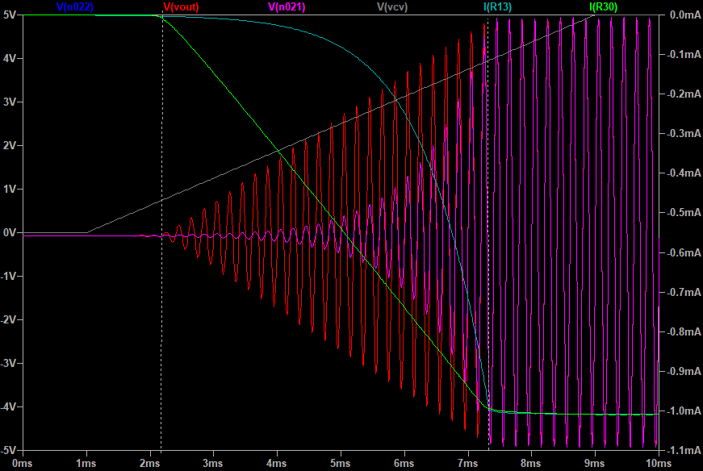

 |  |  |  |  |  |  |  |  |  |  |  | 1701
 |  |  |  |  |  |  |  |  |  |  |  | 1122
 |  |  |  |  |  |  |  |  |  |  |  | 1.5160427807
 |  |  |  |  |  |  |  |  |  |  |  | 909
 |  |  |  |  |  |  |  |  |  |  |  | 1363.5

