ila
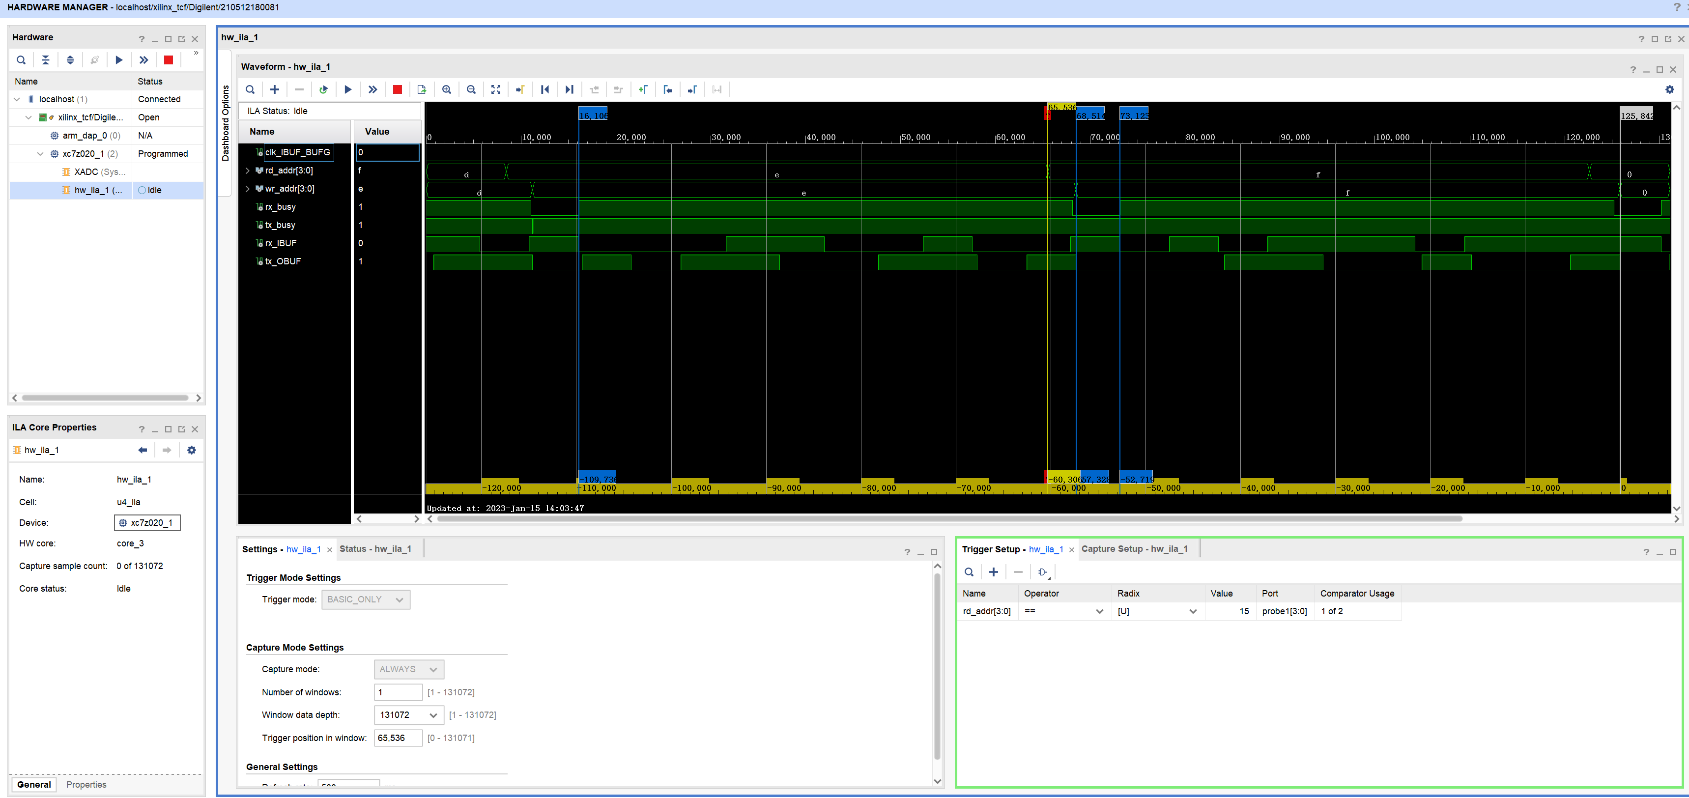
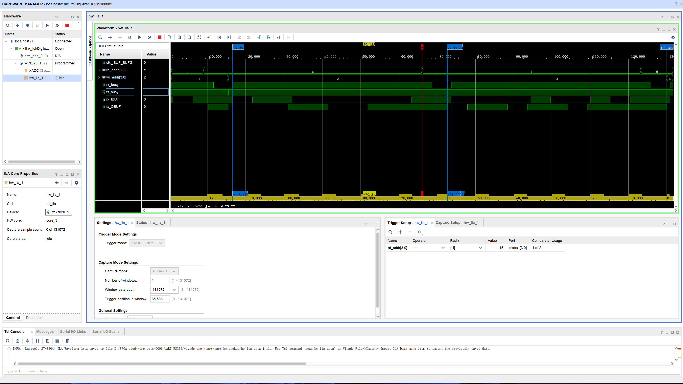
 | settings
 | baud rate | 9600
 | braud width us | 104.16666667
 | package length (baud) | 11
 | package width us | 1145.8333333

sample#1 | read |  | sample#2 (zoom in acurate measurement) | read
 | mark1 | 16106 |  | mark1 | 16059
 | mark2 | 73123 |  | mark2 | 73154
 | read duration (samples) | 57017 |  | read duration (samples) | 57095
 | read duration (us) | 1140.34 |  | read duration (us) | 1141.9
 | effectively baud rate | 9646.2458565 |  | effectively baud rate | 9633.0676942

 | write |  |  | write
 | mark3 | 68514 |  | mark3 | 72175
 | mark4 | 125842 |  | mark4 | 129465
 | write duration (samples) | 57328 |  | write duration (samples) | 57290
 | write duration (us) | 1146.56 |  | write duration (us) | 1145.8
 | effectively baud rate | 9593.9157131 |  | effectively baud rate | 9600.2792809

 | analysis |  |  | analysis
 | write_read_delta (us) per-package | 6.22 |  | write_read_delta (us) per-package | 3.9
 | write_read_delta (us) of 4500 package | 27990 |  | write_read_delta (us) of 4500 package | 17550
 | write_read_delta (buad) of 4500 package | 268.704 |  | write_read_delta (buad) of 4500 package | 168.48
 | write_read_delta (package) of 4500 package | 24.427636364 |  | write_read_delta (package) of 4500 package | 15.316363636
 | read buad rate/write buad rate -1 | 0.55% |  | read buad rate/write buad rate -1 | 0.34%

