Sheet1
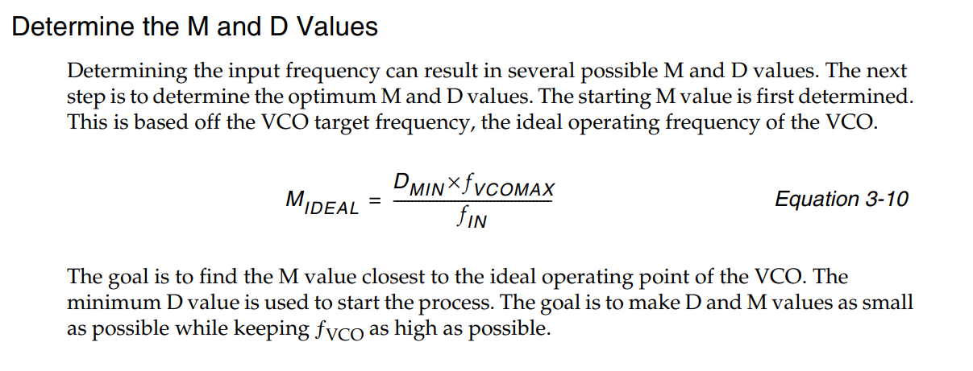
PLL config | Fvcomax | 1500 | (didn;t use 1866 Mhz in DS181, since not want to get too aggressive ) | PLL config | Fvcomax | 1500 | (didn;t use 1866 Mhz in DS181, since not want to get too aggressive )
 | Fvcomin | 800 |  |  | Fvcomin | 800
 | Fpfdmax | 500 |  |  | Fpfdmax | 500
 | Fpfdmin | 19 |  |  | Fpfdmin | 19

input clk | Fin(Mhz) | 50 |  | input clk | Fin(Mhz) | 50
expect output clk | Fout(Mhz) | 74.25 |  | expect output clk | Fout(Mhz) | 371.25

obtained parameters | Dmin | 1 |  | obtained parameters | Dmin | 1
 | Dmax | 2 |  |  | Dmax | 2
 | Mmin | 16 |  |  | Mmin | 16
 | Mmax | 60 |  |  | Mmax | 60
 | Mopt | 30 |  |  | Mopt | 30
 | Dopt = Dmin | 1 |  |  | Dopt = Dmin | 1
 | O | 20 |  |  | O | 4

actual output clk | Fout(Mhz) | 75 |  | actual output clk | Fout(Mhz) | 375

*O=Fin*Mopt/(fout*Dmin) fout = Fin*Mopt/(fout*O) |  |  |  | *O=Fin*Mopt/(fout*Dmin) fout = Fin*Mopt/(fout*O)

