Sheet1
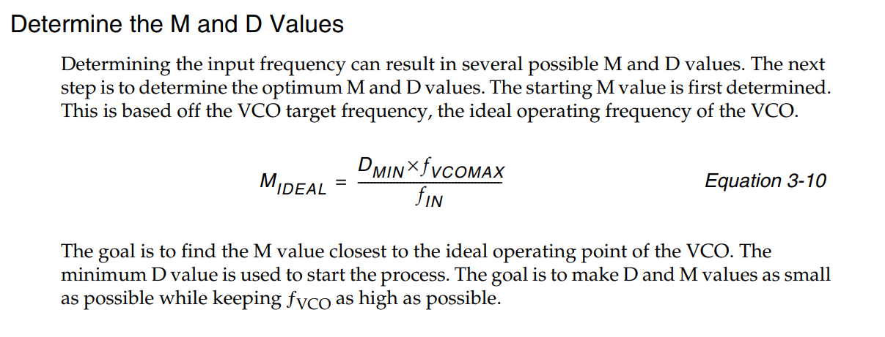
PLL config | Fvcomax | 1600 | (didn;t use 1866 Mhz in DS181, since not want to get too aggressive )
 | Fvcomin | 800
 | Fpfdmax | 500
 | Fpfdmin | 19

input clk | Fin(Mhz) | 50
expect output clk | Fout(Mhz) | 33.333

obtained parameters | Dmin | 1
 | Dmax | 2
 | Mmin | 16
 | Mmax | 64
 | Mopt | 32
 | Dopt = Dmin | 1
 | O | 48

actual output clk | Fout(Mhz) | 33.333333333

*O=Fin*Mopt/(fout*Dmin) fout = Fin*Mopt/(fout*O)

