Pourghasemi 2020
Estimated |  |  | Actual
Number of Cases | AVG | STD | Number of Cases | AVG | STD
200 |  |  | 200
600 |  |  | 400
1200 |  |  | 1100
2100 |  |  | 2000
3050 |  |  | 3000
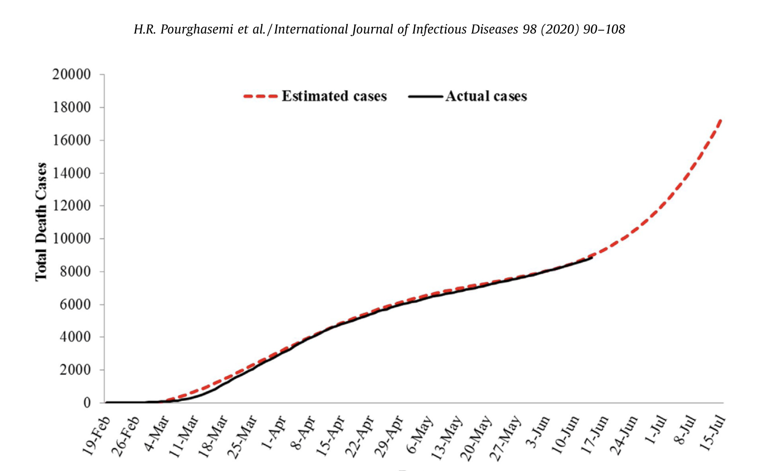
4000 |  |  | 4000
4700 |  |  | 4700
5500 |  |  | 5500
6000 |  |  | 5900
6300 |  |  | 6200
6800 |  |  | 6700
7100 |  |  | 7100
7800 |  |  | 7800
7950 |  |  | 7950
8300 |  |  | 8300

 | 4773.3333333 | 2769.6613168 |  | 4723.3333333 | 2797.7584565

Abbasimehr 2022
Estimated |  |  | Actual
Number of Cases | AVG | STD | Number of Cases | AVG | STD
2860 |  |  | 2860
2887 |  |  | 2895
2925 |  |  | 2925
2950 |  |  | 2950
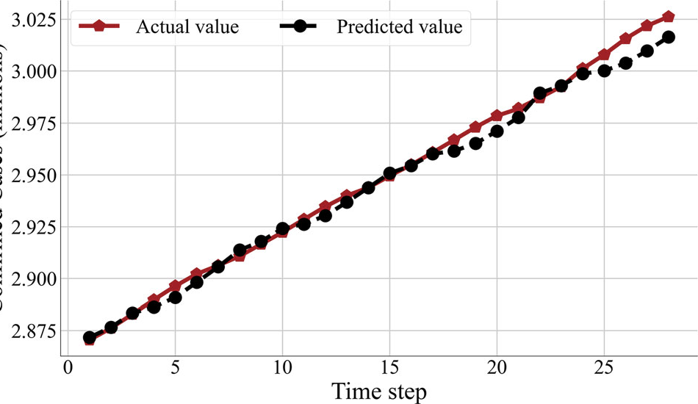
2970 |  |  | 2978
3000 |  |  | 3010
3015 |  |  | 3025

 | 2943.8571429 | 57.0889031 |  | 2949 | 60.210741013

PDF
s00521_021_06548_9.pdf

Alassafi 2022
Estimated |  |  | Actual
Number of Cases | AVG | STD | Number of Cases | AVG | STD
960 |  |  | 940
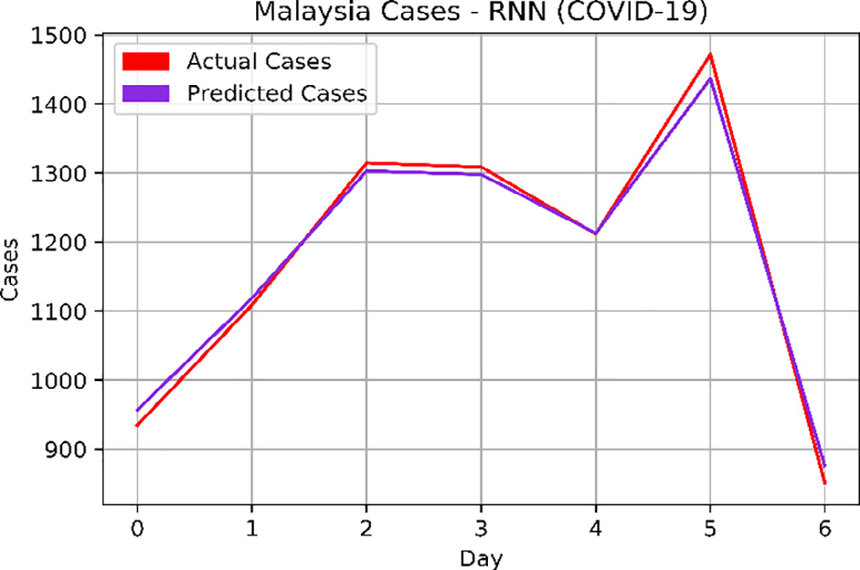
1110 |  |  | 1100
1300 |  |  | 1310
1300 |  |  | 1305
1210 |  |  | 1210
1440 |  |  | 1470
880 |  |  | 850

 | 1171.4285714 | 200.0357111 |  | 1169.2857143 | 219.70488865

PDF
1_s20_S0925231221015150_main

Doornik 2022
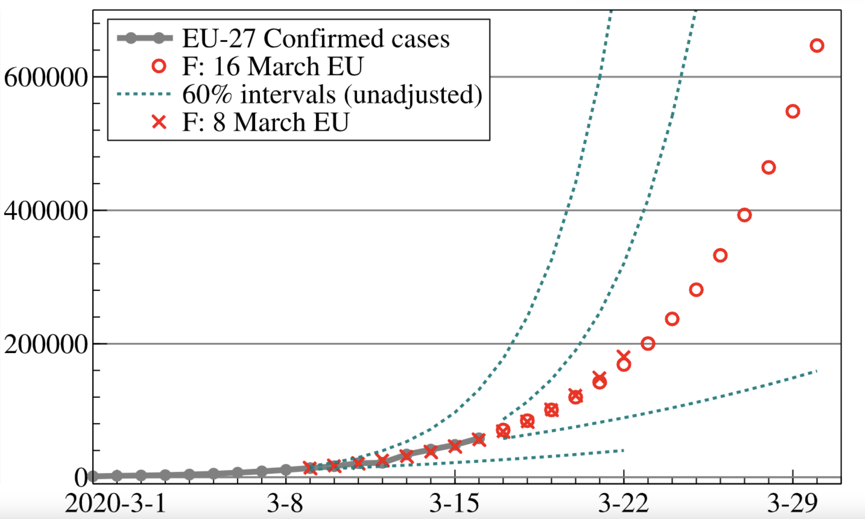
Actual |  |  | Estimated
Number of Cases | AVG | STD | Number of Cases | AVG | STD
15000 |  |  | 15000
20000 |  |  | 20000
30000 |  |  | 30000
35000 |  |  | 35000
39000 |  |  | 39000
42000 |  |  | 42000
50000 |  |  | 50000

 |  |  |  |  |  | 40000

 | 33000 | 12328.828006 |  | 33000 | 12328.828006

Fang 2022
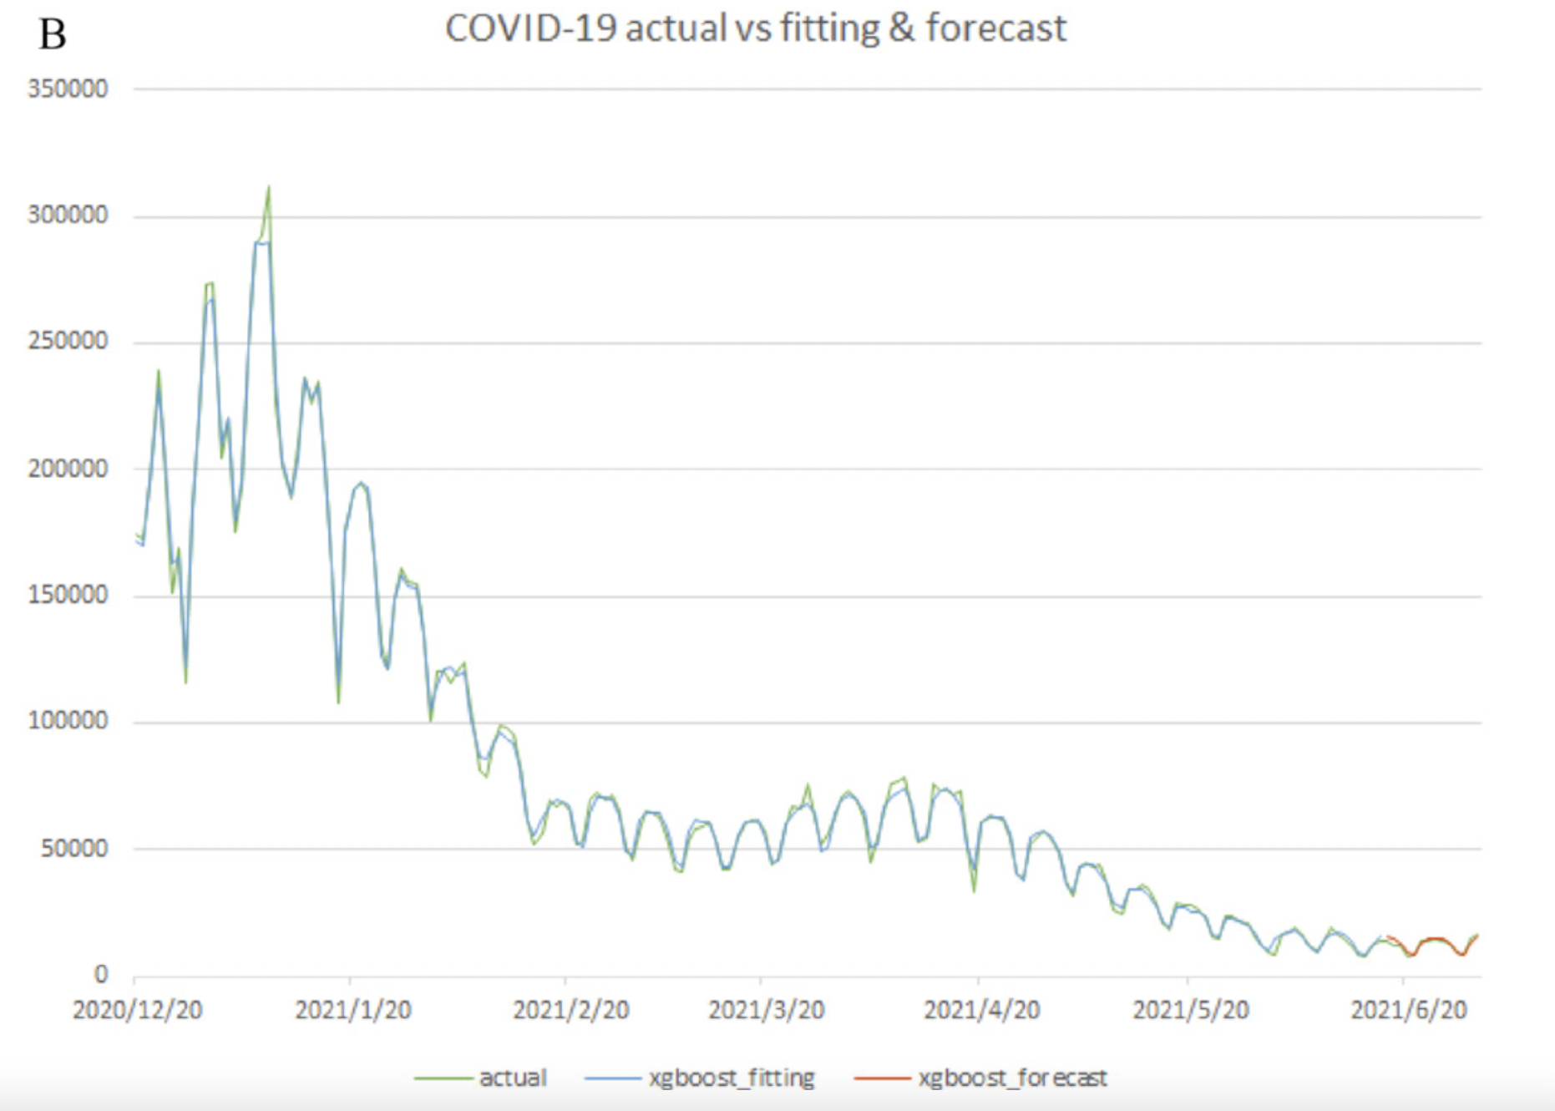
Estimated |  |  | Actual
Number of Cases | AVG | STD | Number of Cases | AVG | STD
149500 |  |  | 150000
152000 |  |  | 152000
70000 |  |  | 70000
60000 |  |  | 60000
50000 |  |  | 50000

 |  |  |  |  |  | 40000

 | 96300 | 50214.041861 |  | 96400 | 50346.797316

