Graphs
Company Name | EBIT margin | EBIT 1y growth | Div Yield % | Debt/Capital | P/NAV
Park Hotels | 0.134 | 0.0839 | 0.1000000001 | 0.5714 | 0.6018125
Host Hotels | 0.137 | 0.0183 | 0.066 | 0.4543 | 1.5032622334 | 9.54 | DONE ON PYTHON USING COMPARABLES DATA
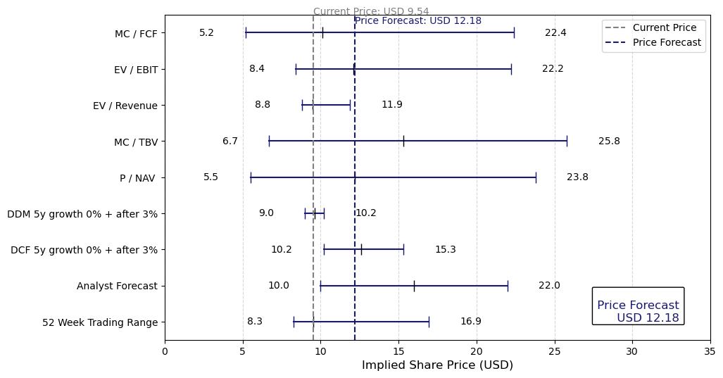
Xenia Hotels | 0.084 | -0.1076 | 0.057 | 0.5137 | 0.74353843963 | 12.18
DiamondRock Hospitality | 0.146 | 0.1051 | 0.054 | 0.4312 | 0.92728944718 | 28%
Sunstone Hotel Investors | 0.087 | -0.3348 | 0.043 | 0.2885 | 0.79096471298
Pebblebrook Hotel Trust | 0.058 | 0.3336 | 0.005 | 0.4837 | 0.34584059806

Comparable Analysis

