Overview
 | $24.92
USD
 |  |  | TIMELINE
Share price | 24.92
Fully diluted shares | 125 | (in millions) | 2020 | H Partners is a long-term shareholder of the Company, having first invested in Harley-Davidson
MC | 3,108
EV | 8,478 |  | 2021-12-16 | H Partners filed a Schedule 13D with the SEC and noted its concerns regarding certain features of the Company’s executive compensation structure, corporate governance practices and Board composition
TBV | 3,111
Assets | 12,382 |  | 2022-02-02 | FORM 8-K: Harley-Davidson, Inc. entered into a Cooperation Agreement with H Partners Management, LLC
Sales | 5,187 |  |  | H Partners owns 12,600,000 shares, 8.2%
Net Income | 445 |  |  | Jared Dourdeville as Board director, Nominang and Corporate Governance Committee, and the Human Resources Committee
 |  |  |  | agreeing not to (i) acquire ownership (beneficial or otherwise) in excess of 14.99% of the Company + ceasefire of not being involved
Business
Product | Harley-Davidson Motor Company (HDMC) (80%), LiveWire (0.5%), and Harley-Davidson Financial Services (HDFS) (20%) |  | 2024-07-23 | Rehan Jaffer, Managing Partner of H Partners, and other representatives of H Partners met with Harley-Davidson CEO Jochen Zeitz in Milwaukee, Wisconsin to discuss the Company’s deteriorating sales trends
Customers | Consumers, dealers, licensing for retailers (0.6%) |  |  | Mr. Zeitz acknowledged the weak sales trends but stated that he was pleased with the Company's strategy and execution, and blamed the Company’s weak sales trends almost exclusively on macroeconomic issues
Industry | Recreational Vehicles
Form | Corporation |  | 2024-09-21 | Mr. Zeitz informed Mr. Jaffer that he intended to retire as Harley-Davidson’s CEO in July 2025
Geography | HQ Wisconsin, most produced in the US, revenue US (74%), EMEA (11%), Asia Pacific, LatAm, Can (4%) |  |  | Mr. Zeitz indicated his intention to become the Company’s Executive Chairman upon transitioning from the CEO role
Status | founded in 1903, purchased the Harley-Davidson motorcycle business from AMF Incorporated, public in 1986
 |  |  | 2025-03-28 | the Board met to consider three CEO candidates, among other things. Although three of the four members of the CEO search committee voted to extend an offer to the CEO candidate brought forward by H Partners, the Board ultimately voted 4-4 on his candidacy.
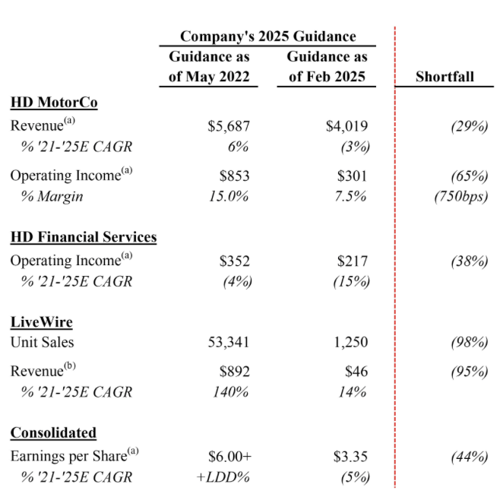
Breadth of Customers | ok
Breadth of Suppliers | ok |  | 2025-04-01 | H Partners director demands changes through a letter to board

Forces analysis |  |  | 2025-04-05 | H Partners director resigns
Bargaining power of customers | weak
Bargaining power of suppliers | weak |  | 2025-04-08 | Mr. Jaffer and Mr. Dourdeville had a call with Mr. Alstead and Mr. Golston. Mr. Alstead told Mr. Jaffer and Mr. Dourdeville that the Board believed that the current path was correct and had decided to move forward with Mr. Zeitz as CEO and Chair, Mr. Linebarger as Presiding Director, and with Ms. Levinson as Director for the time being, and that all three would stand for re-election at the Annual Meeting.
Threat of substitutes | strong
Threat of new entrants | weak |  | 2025-04-15 | SCHEDULE 14A: PROXY STATEMENT OF H PARTNERS MANAGEMENT, LLC
 |  |  |  | H Partners owns 11,300,000 shares, 9.1%
Moat | no |  |  | (i) the Company’s poor performance, execution, governance and executive compensation practices
 |  |  |  | (ii) the Company’s cultural misalignment with key stakeholders under the current leadership
Market Growth Assessment | bad |  |  | (iii) Company’s Chairman and Chief Executive Officer, Jochen Zeitz, accountable for his repeated strategic execution failures
 |  |  |  | Presiding Director Norman Thomas Linebarger and Sara Levinson, appear to be entrenched and exerting undue influence over the Board
Shareholder friendliness |  |  |  | H Partners has experience utilizing such a withhold-type proxy contest as a referendum on failed leadership and as a tool to drive significant board reconstitution
Highest paid employee | Zeit CEO 9M |  |  | vote against the election of certain of the Company’s directors
Highest paid director | 0.3M
Ownership | 1.44M (0.7 CEO Zeit), 0.9% |  | 2025-04-21 | Harley-Davidson launched this website: https://www.voteharleydavidson.com
Related party transactions | 0.2M from supplier Waste Management
Repurchases | Costly repurchases |  | 2025-05-14 | 3pm CDT
Dividends | 0.69 USD, increase of 0.03 yoy |  |  | WITHHOLD on the re-election of Jochen Zeitz, as Chief Executive Officer of the Company and Chairman of the Board, Norman Thomas Linebarger, as Presiding Director, and Sara Levinson, as the Company’s longest-tenured director
 |  |  |  | Importantly, the Company has a director resignation policy in place for uncontested elections. According to the policy, if an incumbent director is not elected, such incumbent director must tender their resignation to the Chairman of the Board promptly following certification of the shareholder vote.
 |  |  |  | BLUE proxy card
 |  |  |  | VOTE DID NOT PASS, Zeit and board remain

