Fragments Clusters
SMILES | Cluster | ID Molecola | Real Label | Image | TOT FRAGS | TOP CLUSTER ID | TOP CLUSTER NUM | % ON THE TOT
Oc1ccccc1 | 14 | 15 | 1 | 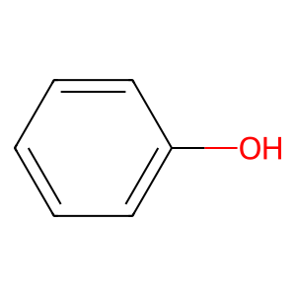
Oc1ccccc1 | 14 | 15 | 1
Oc1ccccc1 | 14 | 17 | 1
Oc1ccccc1 | 14 | 17 | 1
Oc1ccccc1 | 14 | 28 | 0
Oc1ccccc1 | 14 | 28 | 0
Oc1ccccc1 | 14 | 41 | 1
Oc1ccccc1 | 14 | 62 | 1
Oc1ccccc1 | 14 | 97 | 1
Oc1ccccc1 | 14 | 97 | 1
Oc1ccccc1 | 14 | 99 | 1
Oc1ccccc1 | 14 | 100 | 1
Oc1ccccc1 | 14 | 124 | 1
Oc1ccccc1 | 14 | 124 | 1
Oc1ccccc1 | 14 | 124 | 1
Oc1ccccc1 | 14 | 124 | 1
Oc1ccccc1 | 14 | 139 | 1
Oc1ccccc1 | 14 | 139 | 1
Oc1ccccc1 | 14 | 139 | 1
Oc1ccccc1 | 14 | 143 | 1
Oc1ccccc1 | 14 | 148 | 0
Oc1ccsc1 | 14 | 149 | 1 | 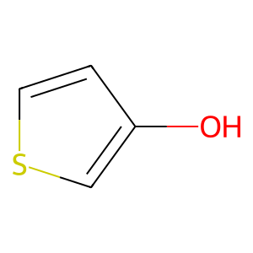
Oc1ccccc1 | 14 | 150 | 1
Oc1ccccc1 | 14 | 154 | 0
Oc1ccccc1 | 14 | 154 | 0
Oc1ccccc1 | 14 | 154 | 0
Oc1ccccc1 | 14 | 157 | 1
Oc1ccccc1 | 14 | 157 | 1
Oc1ccccc1 | 14 | 157 | 1
Oc1ccccc1 | 14 | 162 | 0
Oc1ccccc1 | 14 | 181 | 1
Oc1ccccc1 | 14 | 181 | 1
Oc1ccccc1 | 14 | 181 | 1
Oc1ccccc1 | 14 | 181 | 1
Oc1ccccc1 | 14 | 181 | 1
Oc1ccccc1 | 14 | 181 | 1
Oc1ccccc1 | 14 | 181 | 1
Oc1ccccc1 | 14 | 181 | 1
Oc1ccccc1 | 14 | 181 | 1
Oc1ccccc1 | 14 | 181 | 1
Oc1ccccc1 | 14 | 182 | 1
Oc1ccccc1 | 14 | 195 | 1
Oc1ccccc1 | 14 | 195 | 1
Oc1ccccc1 | 14 | 195 | 1
Oc1ccccc1 | 14 | 195 | 1
Oc1ccccc1 | 14 | 195 | 1
Oc1ccccc1 | 14 | 195 | 1
Oc1ccccc1 | 14 | 195 | 1
Oc1ccccc1 | 14 | 195 | 1
Oc1ccccc1 | 14 | 195 | 1
Oc1ccccc1 | 14 | 195 | 1
Oc1ccccc1 | 14 | 195 | 1
Oc1ccccc1 | 14 | 195 | 1
Oc1ccccc1 | 14 | 203 | 1
Oc1ccccc1 | 14 | 203 | 1
Oc1ccccc1 | 14 | 203 | 1
Oc1ccccc1 | 14 | 203 | 1
Oc1ccccc1 | 14 | 203 | 1
Oc1ccccc1 | 14 | 203 | 1
Oc1ccccc1 | 14 | 203 | 1
Oc1ccccc1 | 14 | 231 | 1
Oc1ccccc1 | 14 | 270 | 1
Oc1ccccc1 | 14 | 277 | 1
Oc1ccccc1 | 14 | 277 | 1
Oc1ccccc1 | 14 | 277 | 1
Oc1ccccc1 | 14 | 277 | 1
Oc1ccccc1 | 14 | 277 | 1
Oc1ccccc1 | 14 | 292 | 0
Oc1ccccc1 | 14 | 292 | 0
Oc1ccncc1 | 14 | 296 | 1 | 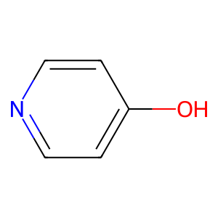
Oc1ccccc1 | 14 | 321 | 0
Oc1ccccc1 | 14 | 321 | 0
Oc1ccccc1 | 14 | 380 | 1
Oc1ccccc1 | 14 | 380 | 1
Oc1ccccc1 | 14 | 383 | 1
Oc1ccccc1 | 14 | 383 | 1
Oc1ccccc1 | 14 | 383 | 1
Oc1ccccc1 | 14 | 383 | 1
Oc1ccccc1 | 14 | 383 | 1
Oc1ccccc1 | 14 | 383 | 1
Oc1ccccc1 | 14 | 383 | 1
Oc1ccccc1 | 14 | 383 | 1
Oc1ccccc1 | 14 | 383 | 1
Oc1ccccc1 | 14 | 383 | 1
Oc1ccccc1 | 14 | 393 | 1
Oc1ccccc1 | 14 | 393 | 1
Oc1ccccc1 | 14 | 418 | 1
Oc1ccccc1 | 14 | 477 | 1
Oc1ccccc1 | 14 | 509 | 1
Oc1ccccc1 | 14 | 515 | 0
Oc1ccccc1 | 14 | 515 | 0
Oc1ccccc1 | 14 | 520 | 0
Oc1ccccc1 | 14 | 520 | 0
Oc1ccccc1 | 14 | 520 | 0
Oc1ccccc1 | 14 | 522 | 1
Oc1ccccc1 | 14 | 522 | 1
Oc1ccccc1 | 14 | 522 | 1
Clc1ccsc1 | 14 | 534 | 1
Oc1ccccc1 | 14 | 553 | 0
Oc1ccccc1 | 14 | 576 | 1
Oc1ccccc1 | 14 | 576 | 1
Oc1ccccc1 | 14 | 576 | 1
Oc1ccccc1 | 14 | 576 | 1
Oc1ccccc1 | 14 | 576 | 1
Oc1ccccc1 | 14 | 576 | 1
Oc1ccccc1 | 14 | 586 | 1
Oc1ccccc1 | 14 | 586 | 1
Oc1ccccc1 | 14 | 586 | 1
Oc1ccccc1 | 14 | 590 | 1
Oc1ccccc1 | 14 | 590 | 1
Oc1ccccc1 | 14 | 591 | 1
Oc1ccccc1 | 14 | 591 | 1
Oc1ccccc1 | 14 | 591 | 1
Oc1ccccc1 | 14 | 591 | 1
Oc1ccccc1 | 14 | 616 | 1
Oc1ccccc1 | 14 | 633 | 1
Oc1ccccc1 | 14 | 633 | 1
Oc1ccccc1 | 14 | 649 | 0
Oc1ccccc1 | 14 | 649 | 0
Oc1ccccc1 | 14 | 688 | 0
Oc1ccccc1 | 14 | 688 | 0
Oc1ccccc1 | 14 | 695 | 1
Oc1ccccc1 | 14 | 695 | 1
Oc1ccccc1 | 14 | 695 | 1
Oc1ccccc1 | 14 | 695 | 1
Oc1ccccc1 | 14 | 697 | 1
Oc1ccccc1 | 14 | 712 | 0
Oc1ccccc1 | 14 | 734 | 1

