Fragments Clusters
SMILES | Cluster | Image | ID CLUSTER | Non Unique fragments | MAX CLUSTER ID | NUM FRAGS |  |  | FRAG TOT
C1CNCN1CC | 23 | 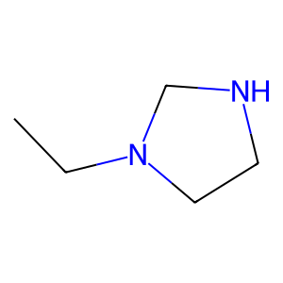 | 18 | 1215 | 18 | 1215 |  |  | 2950
C1=CNCCN1CC | 23 | 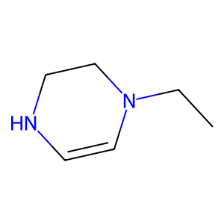 | 5 | 497 | 5 | 497
C1=CN=CNC1CN | 76 | 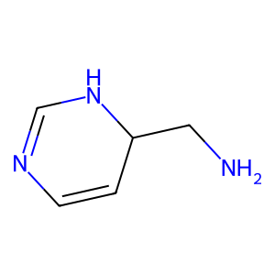 | 59 | 198 | 59 | 198 | --------> | E' un ANELLO AROMATICO
C1=CN=CNC1C=O | 76 | 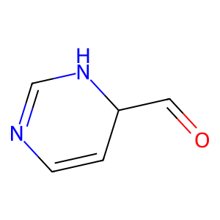 | 4 | 84
CCO | 18 | 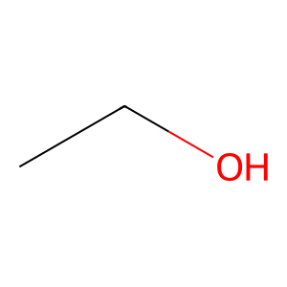 | 91 | 74
CCO | 18 |  | 1 | 70
CCO | 18 |  | 39 | 60
POP | 4 | 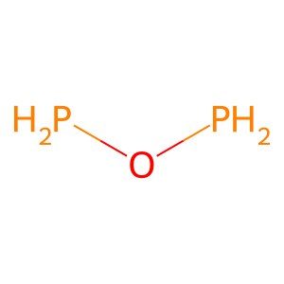 | 62 | 52
CC=O | 18 | 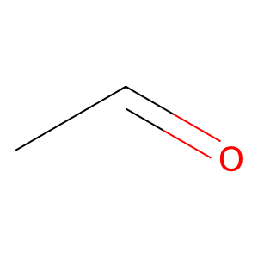 | 8 | 51
CCO | 18 |  | 73 | 49
CC=O | 18 |  | 56 | 46
CCO | 18 |  | 24 | 28
C1CCOC1CO | 27 | 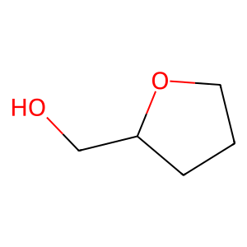 | 102 | 22
C1CCOC1CO | 27 |  | 14 | 21
CNC1CC1 | 45 | 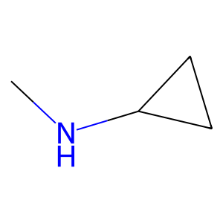 | 22 | 20
C1=CNN=C1C1=CC=NN=C1 | 69 | 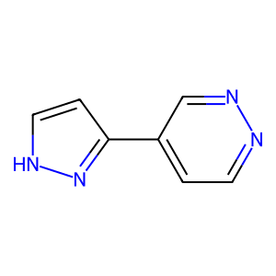 | 85 | 18
CCCC | 5 | 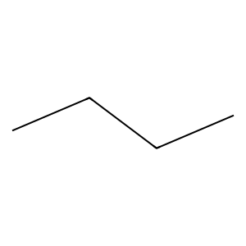 | 27 | 16
CC=O | 18 |  | 3 | 15
CC=O | 18 |  | 28 | 14
CCCC | 5 |  | 42 | 13
CC=O | 18 |  | 72 | 13
CCCC | 5 |  | 88 | 13
CCCC | 5 |  | 117 | 13
CC=O | 18 |  | 6 | 12
CC=O | 18 |  | 7 | 12
CCCC | 5 |  | 15 | 11
CC=O | 18 |  | 51 | 11
CCCC | 5 |  | 79 | 11
CCCC | 5 |  | 0 | 10
CC=O | 18 |  | 2 | 10
CC=O | 18 |  | 66 | 10
CCCC | 5 |  | 30 | 9
CC=O | 18 |  | 17 | 8
CCCC | 5 |  | 21 | 8
CCCC | 5 |  | 55 | 8
CC=O | 18 |  | 101 | 8
CC=O | 18 |  | 53 | 7
CCCC | 5 |  | 82 | 7
CC=O | 18 |  | 35 | 6
CCCC | 5 |  | 45 | 6
C1=CCCCC1CC | 21 | 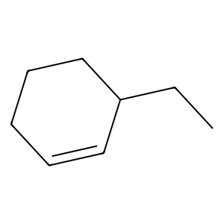 | 20 | 5
C1=CCCCC1C=O | 21 | 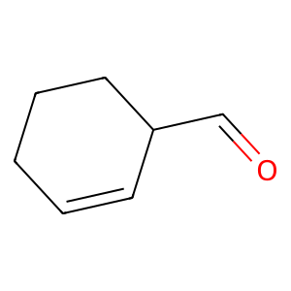 | 36 | 5
CCC | 18 | 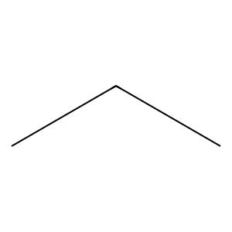 | 37 | 5
CCC | 18 |  | 41 | 5
C1CCC1CC | 79 | 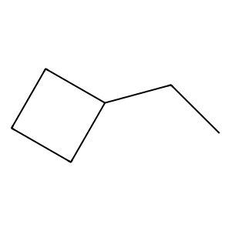 | 49 | 5
C1CCNC1CN | 20 | 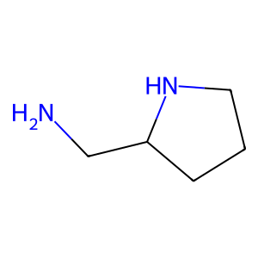 | 61 | 5
C1=CCSC=CC1C1=CC=CC=C1 | 57 | 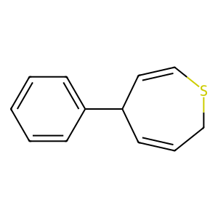 | 110 | 5
C1=CCSC=CC1C1=CC=CC=C1 | 57 |  | 9 | 4
CNCC | 5 | 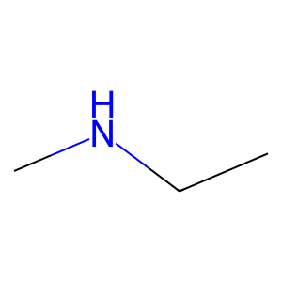 | 12 | 4
CC=O | 18 |  | 13 | 4
CCO | 18 |  | 44 | 4
CC=O | 18 |  | 52 | 4
CC=O | 18 |  | 58 | 4
CCC | 18 |  | 68 | 4
CC=O | 18 |  | 74 | 4
CC=O | 18 |  | 96 | 4
CCO | 18 |  | 100 | 4
CCC | 18 |  | 107 | 4
CCC | 18 |  | 10 | 3
CCC | 18 |  | 16 | 3
CCO | 18 |  | 26 | 3
C1=CCC=CC1CC | 100 | 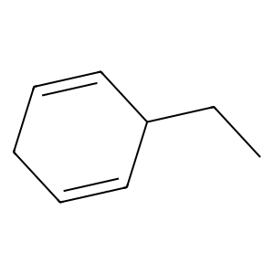 | 29 | 3
C1=CCC=CC1C=O | 110 | 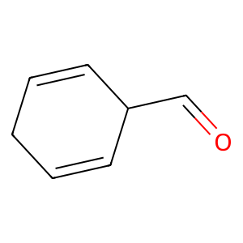 | 32 | 3
C1=CCC=CC1CC | 100 |  | 33 | 3
CCC | 4 |  | 47 | 3
CCO | 4 |  | 50 | 3
CCC | 18 |  | 54 | 3
CCC | 18 |  | 60 | 3
CCC | 18 |  | 81 | 3
CCC | 18 |  | 84 | 3
C1=CCC=CC1C=O | 110 |  | 86 | 3
C1CCCC1C=C | 3 | 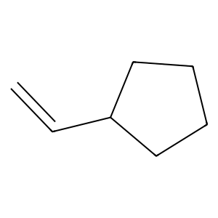 | 90 | 3
C1CCCCC1CO | 3 | 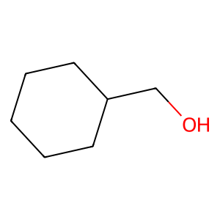 | 99 | 3
CC=O | 18 |  | 111 | 3
CCO | 18 |  | 11 | 2
C1CCCCC1CO | 14 |  | 19 | 2
CCC | 18 |  | 23 | 2
CC=O | 18 |  | 25 | 2
CCO | 18 |  | 31 | 2
CC=O | 18 |  | 38 | 2
CCO | 18 |  | 40 | 2
COCO | 1 | 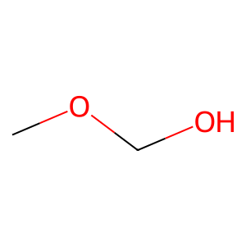 | 43 | 2
CCCO | 5 | 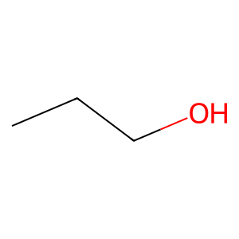 | 46 | 2
C1CCOCC1CO | 59 | 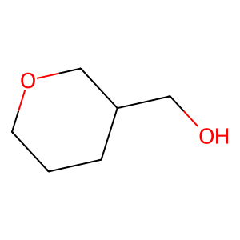 | 48 | 2
C1CCOCC1CO | 59 |  | 57 | 2
C1CCOCC1CO | 59 |  | 67 | 2
CC=O | 18 |  | 76 | 2
CCC | 4 |  | 83 | 2
CCO | 4 |  | 87 | 2
CC=O | 18 |  | 89 | 2
CCO | 18 |  | 92 | 2
C1CCOCC1CO | 59 |  | 93 | 2
C1CCOCC1CO | 59 |  | 98 | 2
C1CCOCC1CO | 59 |  | 109 | 2
C1=CC=CC=C1CO | 73 | 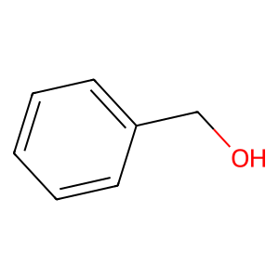 | 34 | 1
COCO | 1 |  | 63 | 1
C1=CC=CC=C1CO | 73 |  | 64 | 1
CCCC | 5 |  | 65 | 1
CC=O | 18 |  | 69 | 1
CC=O | 18 |  | 70 | 1
CCCC | 5 |  | 71 | 1
CC=O | 18 |  | 75 | 1
CCCC | 5 |  | 77 | 1
COCO | 1 |  | 78 | 1
SOS | 4 | 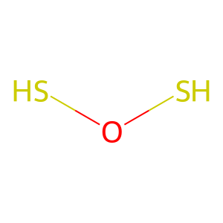 | 80 | 1
C1=CC=CC=C1CO | 91 |  | 94 | 1
C1=COC=CC1C=O | 61 | 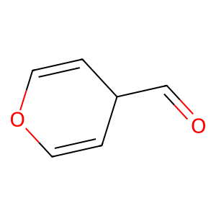 | 95 | 1
C1=CC=CC=C1CO | 39 |  | 97 | 1
CCCC | 5 |  | 103 | 1
CC=O | 18 |  | 104 | 1
CC=O | 18 |  | 105 | 1
CCCC | 5 |  | 106 | 1
CC=O | 18 |  | 108 | 1
CCCC | 5 |  | 112 | 1
CCCC | 5 |  | 113 | 1
CC=O | 18 |  | 114 | 1
CC=O | 18 |  | 115 | 1
CCCC | 5 |  | 116 | 1
CC=O | 18 |  | 118 | 1
CCCC | 5 |  | 119 | 1
CC=C | 18 | 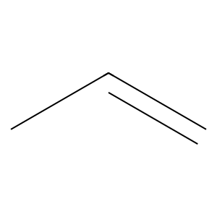
CCC | 18
C1=CCCCC1CC | 102
C1=CC=CC=C1CO | 39
CCCC | 5
C1=CC=CC=C1CO | 39
CCCC | 5
CCO | 18
CCO | 18
CC=O | 18
CCC | 18
CC=O | 18
C1CCOC1C=O | 22 | 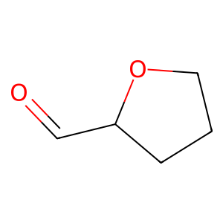
CCC | 18
CCC | 18
CCS | 18 | 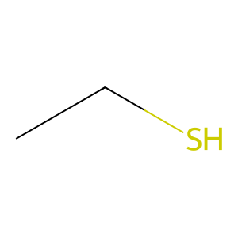
CCCC | 5
CC=O | 18
CC=O | 18
CCCC | 5
CC=O | 18
CCCC | 5
CCCC | 5
CCO | 18
C1=CC=CC=CCCOCCCCCCCCCCCCCCCC=CC=C1C=O | 51 | 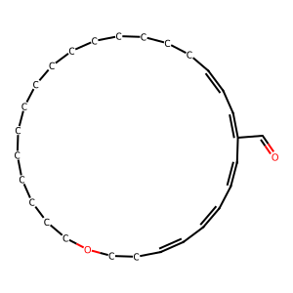
C1=CC=CC=CCCOCCCCCCCCCCCCCCCC=CC=C1CC | 51 | 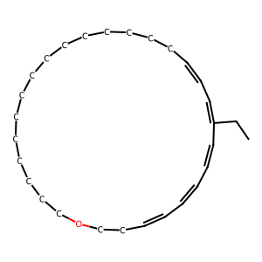
C1=CC=CC=CCCOCCCCCCCCCCCCCCCC=CC=C1CO | 51 | 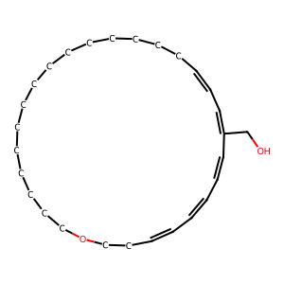
C1=CC=CC=CCCOCCCCCCCCCCCCCCCC=CC=C1CC | 51
C1=CC=CC=CCCOCCCCCCCCCCCCCCCC=CC=C1CO | 51
C1=CC=CC=CCCOCCCCCCCCCCCCCCCC=CC=C1CO | 51
C1=CC=CC=CCCOCCCCCCCCCCCCCCCC=CC=C1CO | 51
C1=CC=CC=CCCOCCCCCCCCCCCCCCCC=CC=C1CO | 51
C1=CC=CC=CCCOCCCCCCCCCCCCCCCC=CC=C1CO | 51
C1=CC=CC=CCCOCCCCCCCCCCCCCCCC=CC=C1CO | 51
C1=CC=CC=CCCOCCCCCCCCCCCCCCCC=CC=C1CO | 51
CCC=C | 5 | 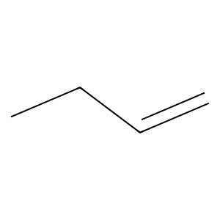
CCCC | 5
CCCC | 5
CC=O | 18
CC=O | 18
CCCC | 5
CC=O | 18
CCCC | 5
CCC | 18
C1CCOCC1C=O | 49 | 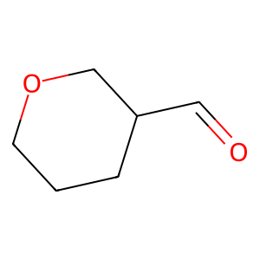
C1CCOC1C=O | 22
C1CCOC1CO | 22
C1=CCCCC1CO | 101 | 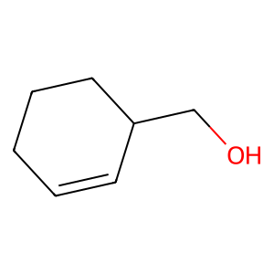
C1=CCCCC1C=O | 72
C1=CCCCC1CC | 102
C1CCOC1C=O | 22
C1CCCCC1CC | 79 | 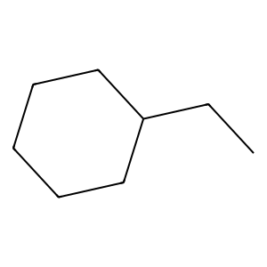
C1CCCOCCC1C | 26 | 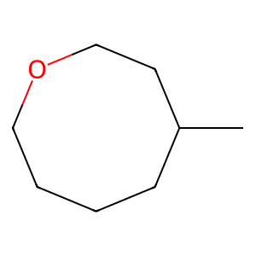
CC=O | 18
C1=CC=CC=C1CO | 91
C1CCCCC1CO | 56
C1CCOC1C=O | 2
C1CCCCC1CO | 56
CCC | 18
CC=O | 18
CCN | 18 | 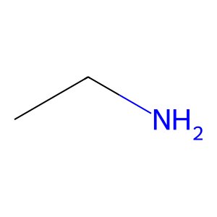
CC=O | 18
CCO | 18
C1=CNC=C1C1=CC=CC=C1 | 7 | 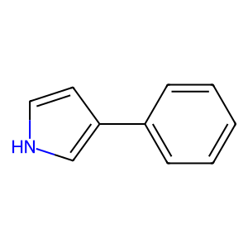
CC=O | 18
CCO | 18
CCCO | 5
NCN | 18 | 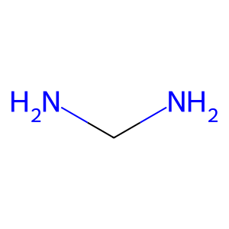
NCN | 18
CC=O | 18
CCO | 18
C1=CCCC1C1=CC=CC=C1 | 12 | 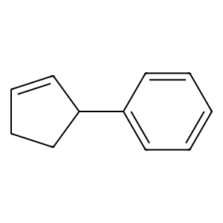
C1=CN=CN=C1CN | 113 | 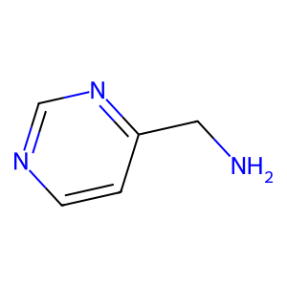
CCC1=CC=CC=C1 | 91 | 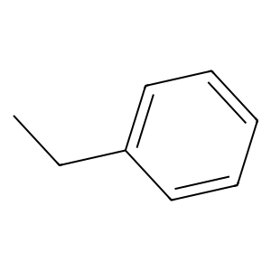
POP | 4
POP | 4
POP | 4
POP | 4
C1CCOC1CO | 27
C1CCOC1CO | 27
CCC | 18
CC=O | 18
C1CCNC1CO | 20 | 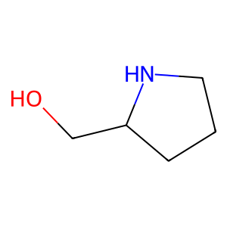
CC=O | 18
CCO | 18
CCCC | 5
CC=O | 18
CC=O | 18
CCCC | 5
CC=O | 18
CCCC | 5
CCCC | 5
POP | 4
CCCN | 5 | 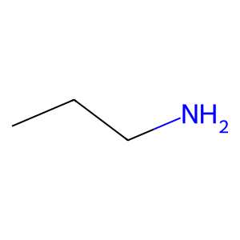
CC=O | 18
CCCC | 5
C1CCCC1C=C | 3
C1CCCCC1CO | 3
C1CCCC1CC | 8 | 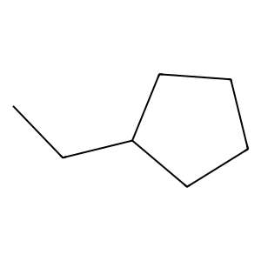
CCC | 18
CC=O | 18
CCO | 18
CC=O | 18
CCO | 18
COCO | 1
CCC | 18
CCC | 18
CCC | 18
CCC | 18
CC=C | 18
CCC | 18
CCC | 18
CC=O | 18
CCC | 18
C=CCC | 5 | 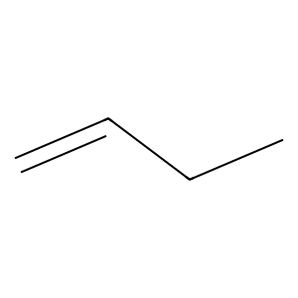
CCC | 18
CC=O | 18
C1CCCCC1C=O | 87 | 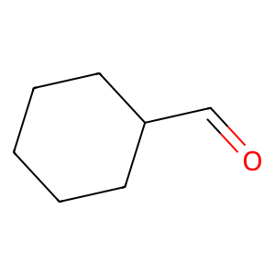
C1CCCCC1CO | 88
CCC | 18
CCO | 18
CCN | 18
CC=O | 18
CCCS | 5 | 
CC=O | 18
CCO | 18
C1=COCCC1C=O | 72 | 
C1=CC=CC=C1CO | 91
CCCO | 5
C1CCOCC1CO | 59
C1CCOCC1CO | 59
CCO | 18
CCCO | 5
C1CCOC1CO | 22
CCN | 18
C1=CCCCC1CO | 101
CCO | 18
CC=O | 18
CCO | 18
CC=O | 18
CCO | 18
CCCC | 5
CC=O | 18
CC=O | 18
CCCC | 5
CC=O | 18
CCCC | 5
CCC | 18
CCO | 18
CCCO | 5
C1CCCCC1CC | 62
CCC | 18
CCCO | 5
C1CCOCC1CO | 59
C1CCOCC1CO | 59
C1CCOCC1CO | 59
CCCC | 5
CC=O | 18
CC=O | 18
CCCC | 5
CC=O | 18
CCCC | 5
CCCC | 5
CC=O | 18
CC=O | 18
CCCC | 5
CC=O | 18
CCCC | 5
CCCC | 5
CC=O | 18
CCCC | 5
CC=O | 18
CCCC | 5
CCCC | 5
CC=O | 18
CC=O | 18
CCCC | 5
POP | 4
CCCC | 5
CC=O | 18
CCCC | 5
CC=O | 18
CCCC | 5
C1=CCCCC1CC | 21
C1=CCCCC1CC | 24
C1=CCCCC1C=O | 42
CCC | 18
CCC | 18
C1CCCC1C=C | 85
C1CCCCC1CC | 62
CCC | 18
CC=O | 18
CCCO | 5
C1CCOCC1CO | 59
C1CCOCC1CO | 59
C1CCOCC1CO | 59
CCCO | 5
C1CCOCC1CO | 59
CCCO | 5
C1CCOCC1CO | 59
C1CCOCC1CO | 59
C1CCOCC1CO | 59
C1CCOCC1CC | 59 | 
C1CCOCC1CO | 59
C1CCOCC1CO | 59
C1CCOCC1CO | 59
CC1CCCCC1 | 85 | 
NNN | 18 | 
CC=O | 18
CCO | 18
CC=O | 18
CCO | 18
CC=O | 18
CCC1=CC=CC=C1 | 91
CCC1=CC=CC=C1 | 91
C1=CC=NC=C1CC | 107 | 
C1=CC=CC=C1CCl | 91 | 
CCCC | 5
CCO | 18
CCO | 18
CCO | 18
CCO | 18
C1=CCOC1CC | 6 | 
C1=CCOC1C=O | 6 | 
CC=C | 18
CCC | 18
CCO | 18
C1CCCCC1CO | 88
C1CCCCC1CO | 88
CCC | 18
CCC | 18
C1CCCCC1CC | 62
CCO | 18
CCCO | 5
CC=O | 18
CCO | 18
C1CCCC1CO | 56 | 
C1CCCC1CF | 8 | 
CCO | 18
C1=CCCC1C1=CC=CC=C1 | 12
CCCC | 5
CC=O | 18
CC=O | 18
CCCC | 5
CC=O | 18
CCCC | 5
C1CCCCC1CC | 62
C1CCCCC1CO | 3
C1=CCCCC1CC | 102
C1CCCC1CO | 14
C1CCCC1CO | 14
CCC | 18
C1CCOCC1C=O | 49
C1CCCOCC1C=O | 117 | 
C1CCCOCCC1CO | 56 | 
C1CCCCC1CO | 56
C1=CCCCC1CO | 101
C1=CCCCC1C=O | 72
C1CCCCC1CC | 8
C1CCOC1C=O | 2
C1CCCCC1CC | 79
C1CCCOCCC1C | 17
C1=CCCCC1CC | 30
C1CCCC1CO | 3
C1CCOCC1CC | 17
CCCO | 5
C1=CCCCC1CO | 30
C1=CCCCC1C=O | 30
C1CCOCC1C1CO1 | 54 | 
C1=COC=CC1CC | 61 | 
C1=COC=CC1C=O | 61
C1=CC=CC=C1CO | 39
C1=CC=CC=C1CO | 39
CCCO | 5
C1CCOCC1CO | 59
C1CCOCC1CO | 59
C1CCOCC1CO | 59
COCO | 1
C1=CC=CC=C1CO | 66
CC=O | 18
C1=CCCCC1CC | 30
CCCO | 5
C1=CCCCC1CO | 30
CCC | 18
CCC | 18
C1=CC=CC=C1CC | 66 | 
C1=CC=CC=C1CCl | 66
C1=CC=CC=C1CO | 73
C1=CC=CC=C1CO | 91
C1=CC=CC=C1CF | 73 | 
COCC | 5 | 
CC=O | 18
POP | 4
CCC | 18
CCC | 18
CC=O | 18
CC=O | 18
CC=O | 18
CCC | 18
CCC | 18
CCC | 18
CCC | 18
CCC | 18
CCC | 18
C1COCOC1CC | 9 | 
CCC | 18
CCC1=CC=CC=C1 | 91
C1COCOC1CC | 9
CCC | 18
CCO | 18
CCO | 18
CCO | 18
CCO | 18
CCCO | 5
CCCC | 5
CC=O | 18
CC=O | 18
CCCC | 5
CCCC | 5
CC=O | 18
CCO | 18
CCC1=CC=CC=C1 | 91
C1=CC=CC=C1CCl | 91
CC=C | 18
CCC=O | 5 | 
CCC | 18
CCC | 18
CCC | 18
CCC | 18
COCO | 1
C1=CC=CC=C1CC | 39
C1=CCOC1C=O | 2
C1CCCCC1CC | 8
CCC | 18
CC=O | 18
CCC | 18
CCC | 18
C1CCCOCC1C=O | 82
C1CCCOCC1CC | 17 | 
CCC | 18
CCC | 18
CCC | 5
CCO | 4
CCCO | 5
C1CCOCC1CO | 59
C1CCOCC1CO | 59
C1CCOCC1CO | 59
CC1CCOCC1 | 17 | 
CC=O | 18
C1=CC=CC=C1CF | 91
C1=CNC=C1C1=CC=CC=C1 | 7
C1CNCCN1CN | 67 | 
CC=O | 18
CCC1=CC=NC=C1 | 15 | 
CCCO | 5
C1CCCCC1C=C | 8 | 
C1CCCC1CC | 62
CCC | 18
CCO | 4
CCCC | 5
CCCC | 5
COCC | 5
C1CCCCC1CO | 56
C1CCCCC1CO | 56
CCCO | 5
CCC1=CC=CC=C1 | 91
C1CCOCC1CO | 59
C1CCOCC1CO | 59
C1CCOCC1CO | 59
COCO | 1
CC=O | 18
C1=CC=CC=C1CO | 39
C1=CC=CC=C1CO | 39
C1=CC=CC=C1CO | 39
C1CCOCC1CO | 59
C1CCOCC1CO | 59
C1CCOCC1CO | 59
COCO | 1
C1=CC=CC=C1CO | 91
CNCC | 5
CC=O | 18
C1=CC=CC=C1CCl | 73
CC=O | 18
CC=O | 18
CCN | 18
CCC1CCCCC1 | 79 | 
CCC=C | 5
C1=CCNC1CC | 68 | 
CCC=O | 5
C1=CNC=C1CC | 89 | 
CCCO | 5
C1CCOCC1CO | 59
C1CCOCC1CO | 59
C1CCOCC1CO | 59
C1=CNC=C1CC | 46
C1=CCCC1C=O | 42 | 
CC=O | 18
CCO | 18
CC=O | 18
CCO | 18
C1=CNC=C1CC | 89
C1=CCNC1C=O | 68 | 
CCCC | 5
CC=O | 18
C1CCCCC1CC | 8
C1=CCCCC1CC | 24
C1CCCCC1CC | 8
C1CCCCC1CC | 8
C1CCCCC1CC | 8
C1=CCCCC1CC | 24
CCC | 18
CCC | 18
CCCC | 5
CC=O | 18
CCCO | 5
CC=O | 18
CCCC | 5
CC=C | 18
CCC | 18
CC=O | 18
CCO | 18
CC=O | 18
CCO | 18
C1CCCCC1CC | 8
C1CCCCC1CO | 14
CCC | 18
CCC | 18
C1CCCCC1CC | 8
CCCC | 5
CC=O | 18
CCCO | 5
CCCO | 5
CCCO | 5
CCC | 18
CCC | 18
C1CCCCC1CC | 62
CC=O | 18
CCC1=CC=CC=C1 | 91
C1=CCCC1CC | 24 | 
C1=CCCC1C=O | 42
C1=CCCC1CC | 24
C1=CCCC1C1=CNCCCC1 | 77 | 
C1CCOCC1CC | 59
C1=CC=CC=C1CO | 73
C1=COC=CC1C=O | 55
C1=COC=CC1CO | 90 | 
C1=CC=CC=C1CO | 73
C1=CC=CC=C1CO | 73
C1CCOCC1CO | 59
C1CCOCC1CO | 59
C1CCOCC1CO | 59
C1CCOCC1CO | 59
C1CCOCC1CO | 59
C1CCOCC1CO | 59
CCCC | 5
CCO | 18
CC=O | 18
CCO | 18
CCCC | 5
CC=O | 18
CC=O | 18
CCCC | 5
CC=O | 18
CCCC | 5
COCO | 1
CC=O | 18
C1=CCCCC1CC | 102
C1CCCCC1CC | 62
CCC | 18
CCC | 18
CCC | 18
CCC | 18
C1=CC=CC=C1CO | 73
COCO | 1
CCO | 18
CCC | 4
CCC | 4
CCC | 4
C1=CC=CC=C1CO | 73
CCC | 18
CC=O | 18
C1=CSC=C1CC | 98 | 
C1=CSC=C1CO | 98 | 
CCCC | 5
C1=CC=CC=C1CO | 91
CNC1=CNC=N1 | 16 | 
C1=CC=NC=C1CN | 111 | 
C1=CC=NC=C1C1=CC=CC=C1 | 86 | 
CC=O | 18
CCO | 18
CC=O | 18
C1=CC=CC=C1CO | 39
C1=CC=CC=C1CO | 39
C1=CC=CC=C1CO | 39
C1=CCCCC1CO | 24
C1=CCCCC1CO | 24
CCCC | 5
CC=O | 18
CC=O | 18
CCCC | 5
CC=O | 18
CCCC | 5
C1=COC=CC1C=O | 55
C1CCOCC1CO | 56
C1CCOCC1CO | 56
C1CCOCC1CO | 56
C1=CC=CC=C1CO | 73
C1=CC=CC=C1CO | 73
CCCO | 5
C1CCOCC1CO | 59
C1CCOCC1CO | 59
C1CCOCC1CO | 59
C1=CC=CC=C1CO | 73
CCC | 18
CCC | 18
CCC | 18
CCC | 18
CCC | 18
CCC | 18
CCC | 18
CCC | 18
CCC | 18
CCC | 18
CCC | 18
CCC | 18
CC=O | 18
CCN | 18
CCC | 18
CCO | 18
CC=O | 18
CCO | 18
CCC | 18
CC=O | 18
C1=CC=CC=C1CF | 73
C1=CC=CC=C1CO | 73
CCC | 18
CC=O | 18
COCO | 1
COCO | 1
COCO | 1
C1CCNC1C1CO1 | 43 | 
C1=CCCCC1CC | 21
CCC | 18
CCCO | 5
CCCC | 5
CC=O | 18
CC=O | 18
CCCC | 5
CC=O | 18
CCCC | 5
CCCC | 5
CC=O | 18
CC=O | 18
CCCC | 5
CC=O | 18
CCCC | 5
CCO | 18
C1=CC=CC=C1CCl | 91
CCC1CCNCC1 | 79 | 
C1=CC=NC=C1C1=CC=CC=C1 | 86
CCCC | 5
CC=O | 18
CC=O | 18
CCCC | 5
POP | 4
CCO | 18
POP | 4
POP | 4
C1=CC=CC=C1CCl | 91
CCC1=CC=NC=C1 | 15
CC=O | 18
CCO | 18
C1CCOCC1CO | 59
C1CCOCC1CO | 59
C1CCOCC1CO | 59
C1CCCCC1CC | 62
C1CCCCC1C=O | 117
C1CCCCC1CC | 62
C1CCCCC1CC | 62
C1CCCCC1CC | 88
CCC | 18
CCC | 18
C1CCCCC1CC | 88
C1CCCCC1CC | 88
C1=COC=CC1C=O | 55
CCCO | 5
C1CCOCC1CO | 59
C1CCOCC1CO | 59
C1CCOCC1CO | 59
C1=CC=CC=C1CO | 66
C1=CC=CC=C1CO | 66
C1=CC=CC=C1CO | 66
C1=CC=CC=C1CO | 73
C1=CC=CC=C1CO | 73
C1=COCCC1CO | 101 | 
C1=CC=CC=C1CO | 66
C1=CC=CC=C1CO | 66
C1=CC=CC=C1CO | 66
C1=CC=CC=C1CO | 73
C1=CC=CC=C1CO | 73
COCO | 1
COCO | 1
COCO | 1
C1=CC=CC=C1CO | 39
C=CCC | 5
CCC | 18
CCC | 18
CCO | 18
CCO | 18
CCC | 18
C1CCCCC1C=O | 117
C1CCCCC1CO | 56
C1CCCCC1CO | 56
C1CCCCC1CC | 8
C1CCCCC1CC | 62
CCCC | 5
CC=O | 18
CC=O | 18
CCCC | 5
CC=O | 18
CCCC | 5
CCCO | 5
CCO | 18
CCO | 18
CCO | 18
CCO | 18
CCCO | 5
C1CCOCC1C=C | 49 | 
C1CCCCC1CO | 14
C1CCCCC1CO | 14
C1CCCCC1CC | 62
C1CCCC1CC | 62
C1CCOC1CC | 22 | 
CC=O | 18
CCO | 18
CCC1=CC=CC=C1 | 91
CCC1=CC=CC=C1 | 91
CCN | 18
CC=O | 18
CCC1CCNCC1 | 79
C1=CC=NC=C1CC | 107
C1=CC=CC=C1CCl | 73
CCC#N | 5 | 
C1CNCCN1C=O | 35 | 
C1CNCCN1C=O | 35
C1=CNC=C1C1=CC=CC=C1 | 7
CC=O | 18
CC=O | 18
CCO | 18
CC=O | 18
C1=CC=CC=C1CO | 39
C1=CC=CC=C1CO | 39
C1=CC=CC=C1CO | 39
C1=CCOCCCOCC=C1C=O | 81 | 
C1=CC=CC=C1CO | 39
C1=CC=CC=C1CO | 39
C1=CC=CC=C1CO | 39
C1=CC=CC=C1CO | 39
C1=CC=CC=C1CO | 39
C1=CC=CC=C1CO | 39
C1=CCOCCCOCC=C1C=O | 81
C1=CCOCCCOCC=C1CO | 81 | 
C1=CC=CC=C1CO | 39
C1=CC=CC=C1CO | 39
C1=CC=CC=C1CO | 39
CCCC | 5
CC=O | 18
CC=O | 18
CCCC | 5
CC=O | 18
CCCC | 5
CC=O | 18
C1=COCCC1C=O | 42
C1=CC=CC=C1CO | 73
C1=CC=CC=C1CO | 73
C1=CC=CC=C1CO | 39
C1=CC=CC=C1CO | 39
SOS | 4
C1=CC=CC=C1CO | 39
C1=CC=CC=C1CO | 39
C1=CC=CC=C1CO | 39
CCCC | 5
CC=O | 18
CC=O | 18
CCCC | 5
CC=O | 18
CCCC | 5
CNCN | 5 | 
CC=O | 18
C1CCOCC1CC | 59
C1CCOCC1CO | 59
C1CCOCC1CO | 59
C1CCOCC1CO | 59
CC=O | 18
CCCO | 5
C1CCOCC1CO | 59
C1CCOCC1CO | 59
C1CCOCC1CO | 59
C1CCNC1C1CCNC1 | 20 | 
CC=O | 18
C1=CC=CC=C1CCl | 91
NNC1=NN=CN1 | 63 | 
CCCC | 5
CCC | 18
CCC | 18
CCC | 18
CCC | 18
CC=O | 18
CCCO | 5
C1CCOC1CO | 27
C1CCOC1CO | 27
CCC1=CC=CC=C1 | 91
CCC | 18
CCC | 18
CCC | 18
CCCO | 5
CCC | 18
CCC | 18
C1CCCCC1CO | 56
C1CCCCC1CC | 8
CCCC | 5
CC=O | 18
CCCC | 5
CC=O | 18
CCCC | 5
C1=CCCC1CC | 21
C1CCCCC1CO | 3
C1=CCCCC1CC | 102
CCC | 18
CC=O | 18
CCC | 18
CCC | 18
CCO | 18
CCCO | 5
C1CCOC1CO | 22
C1CCOCC1CO | 59
C1CCOCC1CO | 59
C1CCOCC1CO | 59
CCC | 18
CCO | 18
CCCC | 5
CC=O | 18
COCO | 1
COCO | 1
C1=CNCC1CN | 58 | 
CCO | 18
CC=O | 18
COCO | 1
CCC | 18
CC=O | 18
CCCC | 5
C1=CNC=C1C1=CC=CC=C1 | 7
CC=O | 18
CCCO | 5
C1=CC=CC=C1CF | 91
CSCS | 1 | 
CCN | 18
CC=O | 18
CCO | 18
CC=O | 18
CCO | 18
CCO | 18
C1CCOCC1CO | 56
C1CCOCC1CO | 56
CCO | 18
POP | 4
POP | 4
COCO | 1
C1=COC=CC1C=O | 55
C1=COC=CC1CC | 90
CCC1=CC=CC=C1 | 91
NCN | 18
NCN | 18
CC=N | 18 | 
CCN | 18
CCN | 18
CC=O | 18
CCCC | 5
CC=O | 18
CCCC | 5
CC=O | 18
CCCC | 5
C1CCCCC1CC | 62
C1=CC=CC=C1CO | 91
CCCO | 5
CCC1=CC=NC=C1 | 15
C1CCCC1CO | 14
CCCC | 5
CC=O | 18
CC=O | 18
CCCC | 5
POP | 4
CCCN | 5
C1CCCCC1C=C | 85
CCC | 18
CC=O | 18
CC=O | 18
CCO | 18
CC=O | 18
CC=O | 18
CCO | 18
C1CCCCC1CC | 8
C1=CCOC1C=O | 2
CCCC | 5
CC=O | 18
CCO | 18
CC=O | 18
CCCC | 5
C1=CCCCC1CC | 21
CCC | 18
CCCO | 5
C1CCCCC1CO | 14
C1CCCCC1CC | 62
CC1CCCC1 | 85 | 
CCO | 4
CNC1CCNCC1 | 45 | 
CCC1=CC=CC=C1 | 91
C1CCCC1C1=CCCC1 | 116 | 
CCN | 18
CC=O | 18
CCS | 18
CC=O | 18
CC=O | 18
CCO | 18
CCCC | 5
CC=O | 18
POP | 4
CC=O | 18
CCCC | 5
CCC | 18
CCCO | 5
CCC | 18
C1=CCCCC1C=O | 72
C1CCCCC1CO | 14
C1CCCCC1CC | 62
C1CCCCC1CC | 62
CCCC | 5
CC=O | 18
CC=O | 18
CCCC | 5
CC=O | 18
CCCC | 5
C1CCCCCC1C=C | 85 | 
C1CCOC1C=O | 22
CCN | 18
CC=O | 18
CC=O | 18
CCO | 18
C1CCCC1C=C | 3
CCCC | 5
CC=O | 18
CC=O | 18
CCCC | 5
CC=O | 18
CCCC | 5
CCCC | 5
CCO | 18
CCCO | 5
CC=O | 18
CCCC | 5
CCCC | 5
CC=O | 18
CCO | 18
CC=O | 18
CCCC | 5
CC=C | 18
CCC | 18
CCC | 18
CCO | 18
CCO | 18
CCC | 18
C1CCCOCC1C=O | 117
C1CCCCC1CO | 56
C1CCCCC1CO | 56
C1CCCCC1CC | 8
C1CCCCC1CC | 62
CC=C | 18
CCC | 18
C1CCCC1CC | 62
C1=CCCCC1CC | 21
CCC | 18
CCC | 18
C1CCCCC1CO | 14
C1=CCCC=C1CC | 10 | 
C1=CCCCC1CC | 24
C1CCCCC1CC | 62
CCC | 18
CCCO | 5
C1=CCCCC1CC | 24
CCCC | 5
CC=O | 18
CC=O | 18
CCCC | 5
CC=O | 18
CCCC | 5
C1=CC=CC=C1CC | 39
C1=CC=CC=C1CO | 39
C1=CC=CC=C1CC | 39
CCN | 18
CC=O | 18
CC=O | 18
CCCN | 5
CC=O | 18
CCC1=CC=CC=C1 | 91
C1=CCNCC1C1=CC=CC=C1 | 52 | 
CCCC | 5
CC=O | 18
CCO | 18
CC=O | 18
CCCC | 5
C1=CN=CN=C1CN | 93
CC=O | 18
CCO | 18
CC=O | 18
CCO | 18
C1CCOC1CO | 22
CCC | 18
CCC | 18
C1CCOCC1C=O | 49
C1=CCCCC1CO | 24
C1=CCCCC1C=O | 42
C1CCCCC1CC | 62
C1CCOCC1CC | 59
CCC1=COC=C1 | 15 | 
C1CCOCC1C=O | 87
C1CCOCC1C1CO1 | 59
CC=O | 18
CCO | 18
C1=CC=CC=C1CO | 39
C1=CC=CC=C1CO | 39
CC=O | 18
C1=CC=CC=C1CO | 39
C1=CC=CC=C1CO | 39
C1=CC=CC=C1CO | 39
C1CCOCC1CO | 59
C1CCOCC1CO | 59
C1CCOCC1CO | 59
CCC | 18
CCC | 18
CCC | 18
CCC | 18
C1=CCCCC1C=O | 44
CC=O | 18
CCC | 18
CCC | 18
C1=CCCCC1CO | 105
CCC | 18
CCC | 18
CCC | 18
CCC | 18
C1=CCCCC1C=O | 44
C1=CCCCC1CC | 102
CCC | 18
CCC | 18
CC=O | 18
CCO | 18
CCC | 18
CCC | 18
CCCC | 5
CC=O | 18
CC=O | 18
CCCC | 5
CC=O | 18
CCCC | 5
COCO | 1
C1=CCCC1CC | 102
C1=CCCC1C=O | 72
COC1CCCC1 | 3 | 
CCCC | 5
CCO | 18
CCO | 18
CCO | 18
CCO | 18
C1=CCOC1CC | 6
C1=CCOC1C=O | 6
CCCC | 5
CNC1CCNC1 | 45 | 
C1=CCCC1C=O | 72
CCC | 18
CCO | 18
CC=O | 18
CCCN | 5
CC=O | 18
CCO | 18
COCO | 1
CC=O | 18
CCC | 18
CCC | 18
CNC1CCNCC1 | 45
CCC | 18
CCC | 18
C1=CCCCCC1CC | 102 | 
C1CCCC1CC | 79
CCCC | 5
SOS | 4
CCCO | 5
C1CCOCC1CO | 59
C1CCOCC1CO | 59
C1CCOCC1CO | 59
CCC | 18
CCO | 18
C1=CC=CC=C1CO | 73
C1=CC=CC=C1CO | 73
C1=CCOCC1C=O | 19 | 
CCCC | 5
CCO | 18
CCCO | 5
C1CCOCC1CO | 59
C1CCOCC1CO | 59
C1CCOCC1CO | 59
CC=O | 18
CCO | 18
CCCC | 5
C1=CC=NC=C1CO | 111 | 
C1=CC=CC=C1CCl | 91
CNC1COCCN1 | 83 | 
COCO | 1
CCO | 18
CCC | 18
CCC | 18
CCO | 18
COCO | 1
C1CCOC1CC | 27
C1CCOC1CC | 27
COCO | 1
COCO | 1
C1=CC=CC=C1C1=COCO1 | 31 | 
CNCN | 5
CCC | 18
CNC1=CC=CC=C1 | 50 | 
C1=CNCC1C1=CC=CC=C1 | 52 | 
CCCC | 5
CCO | 18
CCO | 18
CCO | 18
C1=CCOC1CC | 6
C1=CCOC1C=O | 6
CCCC | 5
CC=O | 18
CCO | 18
CC=O | 18
CCCC | 5
C1CCNCC1CC | 33 | 
C1CCNCC1CN | 33 | 
CCO | 18
CCC1=CC=CC=C1 | 91
C1CCNC1CN | 47
C1CCNC1CN | 47
C1=CNCC1CN | 58
C1=CNCC1C1=CC=CC=C1 | 12
C1=CNCC1C1=CC=CC=C1 | 52
NOCO | 1 | 
CC=O | 18
C1CNC1C=O | 35 | 
CC=O | 18
CCC | 18
CCC | 18
CC=O | 18
CCN | 18
CC=O | 18
CCC1=COC=C1 | 15
CCCC | 5
CCO | 18
CC=O | 18
COCO | 1
COCO | 1
C1=CNCC1CN | 58
CCO | 18
CC=O | 18
COCO | 1
CCC | 18
CC=O | 18
CCCC | 5
C1=CNC=C1C1=CC=CC=C1 | 7
CCCC | 5
CC=O | 18
CC=O | 18
CCCC | 5
CC=O | 18
CCCC | 5
C1=CCCCC1C=O | 72
CCCO | 5
CCO | 18
CCCO | 5
C1CCOCC1CO | 59
C1CCOCC1CO | 59
C1CCOCC1CO | 59
C1=CCCCC1C1=COC=C1 | 29 | 
CC1CCCCC1 | 85
CCCC | 5
CC=O | 18
POP | 4
CCO | 18
CCCO | 5
CC=O | 18
CCCC | 5
CCC | 18
CC=O | 18
C1=CCCC1CC | 102
CCC | 18
CC=O | 18
CCO | 18
C1CCCCC1CC | 62
CCCC | 5
CC=O | 18
POP | 4
CCCC | 5
CC=O | 18
CCO | 18
C1=COCCC1CO | 99
C1=COCCC1CO | 99
CC=O | 18
CCO | 18
C1CCOCC1CO | 59
C1CCOCC1CO | 59
C1CCOCC1CO | 59
CNCN | 5
COCO | 1
COCO | 1
COCO | 1
COCO | 1
C1=CC=CCC=C1C=O | 103 | 
C1CCOCC1CC | 59
CCC#N | 5
CCC1=CC=CC=C1 | 91
C1CCOCC1CO | 59
C1CCOCC1CO | 59
C1CCOCC1CO | 59
C1CCOCC1CO | 59
C1CCOCC1CO | 59
C1CCOCC1CO | 59
CCCC | 5
CC=O | 18
CC=O | 18
CCCC | 5
CC=O | 18
CCCC | 5
CCC | 18
CC=O | 18
CCC | 18
CCO | 18
C1CCCCC1CO | 88
C1CCCCC1CO | 88
CCC | 18
CCC | 18
C1CCCCC1CC | 62
CCC | 18
CCC | 18
C1=CCCCC1CC | 24
C1=CCCCC1C=O | 42
C1=CCCCC1CC | 24
C1=CC=CC=C1CO | 53
C1=CC=CC=C1CCl | 53
C1=CC=CC=C1CC | 53
CCC=O | 5
C1=CC=CC=C1CO | 53
C1=CCNC=C1C=O | 13 | 
C1=CCNC=C1C=O | 13
CCCC | 5
CC=O | 18
CC=O | 18
CCCC | 5
CC=O | 18
CCCC | 5
CC=C | 18
CCC | 18
C1=CCCCC1C=O | 72
C1=CCCCC1CC | 102
C1CCCCC1CC | 62
CCC=C | 5
CCO | 18
CCO | 18
CCO | 18
CCCC | 5
CCCC | 5
CCO | 18
CC=O | 18
CCN | 18
CC=O | 18
CCO | 18
CC=O | 18
CC=O | 18
CCO | 18
C1CCCC1CO | 56
CC=O | 18
CCO | 18
CCCC | 5
CC=O | 18
CCC | 18
CCO | 18
CCC | 18
CCO | 18
CCC | 18
CC=O | 18
CCO | 18
C1CCOCC1CC | 17
C1CCOCC1CC | 17
CCC | 18
CCO | 18
CCCC | 5
CCC | 18
CCO | 18
C1CCOC1CC | 22
C1CCOC1CC | 22
C=CCC | 5
C1CCNCC1C1CO1 | 43 | 
CCC | 18
CCC | 18
C1CCCC1C=O | 82 | 
C1CCCC1CC | 8
CCCO | 5
C1CCOCC1CO | 59
C1CCOCC1CO | 59
C1CCOCC1CO | 59
CCCC | 5
CC=O | 18
CCO | 18
CC=O | 18
CCCC | 5
CCC | 18
CCO | 18
CCN | 18
CC=O | 18
CC=O | 18
CC=N | 18
CCN | 18
CC=O | 18
CCCN | 5
CC=O | 18
CCO | 18
CCCC | 5
CC=O | 18
CCC=O | 5
COCC | 5
CC=O | 18
CCC1=CC=CC=C1 | 91
CCO | 18
CCC1=CC=CC=C1 | 91
C1COCN1C=O | 112 | 
C1=CNCC1C=O | 109 | 
C1=CCCC1C1=CC=CC=C1 | 29
C1CCCCC1CC | 62
CC=O | 18
CCO | 18
C1=CCCCC1CC | 102
C1CCCCC1CC | 8
C1CCCCC1C=O | 117
CCC | 18
CCC | 18
C1CCCCC1CC | 8
CCC | 18
CCO | 18
C=CCC | 5
CCCC | 5
SSCS | 1 | 
CCC | 18
CCC | 18
C1CCCCC1CC | 62
CCC=O | 5
CCC=O | 5
COCO | 1
C1CCCCC1C=O | 3
CCO | 5
CCC1CC1 | 79 | 
CC1=COCC1 | 97 | 
C1=CCOC=C1C=O | 13 | 
C1CCOCC1CO | 56
C1CCOCC1CO | 56
C1CCOCC1CO | 56
C1=CC=CC=C1C1=COC=C1 | 86 | 
CCCC | 5
CC=O | 18
CC=O | 18
CCCC | 5
POP | 4
C1CCCCC1CO | 28
POP | 4
POP | 4
C1CCCCC1CO | 28
C1CCCCC1CO | 28
C1CCCCC1CO | 28
CCCC | 5
CC=O | 18
CC=O | 18
CCCC | 5
CC=O | 18
CCCC | 5
CCCO | 5
CCO | 18
C1CCOC1CO | 22
C1CCOC1CO | 22
CNCN | 5
CCC1=CC=CC=C1 | 91
C1=CCCCC1C1=CC=CC=C1 | 29 | 
COCO | 1
CCC1=CC=CC=C1 | 91
CNC1CCNC1 | 45
CCC | 18
CC=O | 18
C1=CCOCC1CC | 37 | 
C1=CCOCC1C=O | 37
CCC1=COC=C1 | 15
C1CCCCC1CO | 28
C1CCCCC1CO | 28
C1CCCCC1C=O | 44
CCC | 18
CCC | 18
C1CCOC1C=O | 27
C1CCOC1CC | 27
CC1=CCCCC1 | 10 | 
C1CCOC1C1CO1 | 54 | 
CCCC | 5
CC=O | 18
CC=O | 18
CCCC | 5
CC=O | 18
CCCC | 5
CCC | 18
CC=O | 18
CCC1=CNC=N1 | 16 | 
CC=O | 18
CC=O | 18
CCO | 18
CCCC | 5
CCO | 18
CCO | 18
CCO | 18
CCO | 18
CCO | 18
C1=CCOC1CC | 6
C1=CCOC1C=O | 6
CCCC | 5
CCC | 18
CCCC | 5
CCCC | 5
CC=O | 18
CC=O | 18
CCCC | 5
CC=O | 18
CCCC | 5
CCCC | 5
CC=O | 18
CCCC | 5
CC=O | 18
CCCC | 5
CCC | 18
CCCO | 5
CCCO | 5
C1CCOCC1CO | 59
C1CCOCC1CO | 59
C1CCOCC1CO | 59
CCCC | 5
CC=O | 18
C1CNC1C=O | 78
CCCC | 5
CCCC | 5
CC=O | 18
C1CNCCN1CN | 67
C1=CC=CC=C1C1=COCO1 | 31
C1=NCCC1CC | 60 | 
C1=NCCC1CN | 60 | 
C1=NCCC1CC | 60
CCCO | 5
C1=CC=CC=C1CO | 73
C1=CC=CC=C1CO | 73
CCCO | 5
C1CCOCC1CO | 59
C1CCOCC1CO | 59
C1CCOCC1CO | 59
C1=COCCC1CO | 101
C1CCOCC1CO | 59
C1CCOCC1CO | 59
C1CCOCC1CO | 59
C1=CC=CC=C1CO | 91
C1=CC=CC=C1CO | 73
C1=CC=CC=C1CO | 73
C1=CC=CC=C1CO | 91
C1=CC=CC=C1CO | 73
C1=CC=CC=C1CO | 73
C1=CC=CC=C1CO | 91
C1=CC=CC=C1CO | 91
C1=CC=CC=C1CO | 73
C1=CC=CC=C1CO | 73
CCN | 18
CCC1=CC=CC=C1 | 91
CC=O | 18
C1CCNC1CO | 47
CC=O | 18
CCO | 18
COCO | 1
CCN | 18
C1CNC1C=O | 35
CC=O | 18
CCC1=CC=CC=C1 | 91
CCC1=CC=CC=C1 | 91
C1=NN=NN1CN | 106 | 
CCN | 18
CC=O | 18
CCC1=CC=CC=C1 | 91
CC=O | 18
CCO | 18
CC=O | 18
CCO | 18
C1=CCOCC1CC | 37
C1=CCOCC1CC | 37
C1=CCOCC1C=O | 37
CCC | 4
CCO | 4
CCO | 18
C1CCCCC1CO | 56
C1=CCCCC1C=O | 42
C1=CCCCC1C=O | 42
C1=CCCCC1CC | 24
C1CCCCC1CC | 8
C1CCCCC1C1CO1 | 40 | 
CC=O | 18
C1=CC=CC=C1CCl | 91
CCF | 4 | 
CCF | 4
CCF | 4
CCC | 18
CCC | 18
C1=CC=CC=C1CO | 39
C1=CC=CC=C1CO | 39
CCC | 18
CCC | 18
C1CCOC1C=O | 22
C1=CCCCC1CO | 101
C1CCOC1C | 9 | 
C1=CC=CC=C1CC | 91
CCO | 18
NNC1CCCNCC1 | 118 | 
CCC | 4
CC=O | 18
CC=O | 18
CC=O | 18
CC=O | 18
CCO | 18
CCC1=CC=CC=C1 | 91
C1=CNC=C1C1=CC=CC=C1 | 7
C1CCCCC1C | 41
CC1CCCCC1 | 41
CC1CCCCC1 | 41
CCCC | 5
CCCC | 5
CC=C | 18
CCC | 18
C1CCCCC1CC | 8
C1=CCCCC1C=O | 72
CC=O | 18
SCS | 18 | 
C1CCCCC1CC | 8
C1CCCCC1C=C | 8
CCC | 18
CCC=O | 5
C1CCCCC1CC | 8
CCC | 18
CCC=O | 5
COCO | 1
CCN | 18
CC=O | 18
C1CCOC1CO | 27
NCN | 18
NCN | 18
CCCO | 5
CC=C | 18
CCC | 18
C1CCCCC1C=O | 82
C1CCCCC1C=O | 117
C1CCCCC1CC | 62
C1CCCCC1CC | 8
CCCC | 5
CC=O | 18
CCCC | 5
CC=O | 18
CCCC | 5
CSCS | 1
CCC=O | 5
CC=O | 18
CCN | 18
CC=O | 18
CC=O | 18
CCCl | 18 | 
CCCl | 18
CCO | 18
SCS | 4
C1CCCCC1CC | 62
CC=O | 18
CCO | 18
C1CCOCC1CO | 59
C1CCOCC1CO | 59
C1CCOCC1CO | 59
C1CCCC1CO | 3
CCC | 18
CC=O | 18
C1CCCCC1CC | 8
CCC | 18
CC=O | 18
CCC | 18
CCC | 18
C1=CCCCC1CC | 24
C1CCCC1CO | 14
CCC | 18
CCC | 18
CC=O | 18
CCO | 18
C1=CCCCC1CC | 24
CCCC | 5
C1CCOCC1C=O | 49
CCC | 18
CCC | 18
CC=O | 18
CCN | 18
C1=CC=CC=C1CO | 91
C1CNC1C=O | 35
CC=O | 18
CCO | 18
CC=O | 18
CCO | 18
CCO | 18
CC=O | 18
CCO | 18
CCCC | 5
CC=O | 18
CC=O | 18
CCCC | 5
CC=O | 18
CCCC | 5
C1CCOCC1CC | 17
CCC1=COC=C1 | 15
C1CCOCC1C=O | 82
C1CCCCC1CO | 14
C1CCOC1C=O | 2
CCC=C | 5
C1CCOCC1CO | 56
C1CCOCC1CO | 56
C1CCOCC1CO | 56
C1CCOCC1CO | 59
C1CCOCC1CO | 59
C1CCOCC1CO | 59
COCO | 1
SNS | 4 | 
COC1CCCCC1 | 3 | 
C1=CN=CN=C1C1=NNC=N1 | 71 | 
CCCC | 5
CC=O | 18
CC=O | 18
CCCC | 5
CC=O | 18
CCCC | 5
CCCC | 5
CC=O | 18
CC=O | 18
CCCC | 5
CCCC | 5
CCCC | 5
CCCO | 5
CCC1=NN=NN1 | 75 | 
C1=CCCCC1C=C | 21 | 
CCC | 18
CCO | 18
CCC | 18
CCC | 18
CCCN | 5
CC=O | 18
CCO | 18
C1CNC1C=O | 35
CCCO | 5
CCCC | 5
CC=O | 18
CC=O | 18
CCCC | 5
CC=O | 18
CCCC | 5
C1CCCCC1C=C | 85
CCC | 18
CC=O | 18
C1CCCCCCC1CC | 28 | 
C1CCCCCCC1CO | 28 | 
C1=CCCCC1CC | 102
CCC | 18
CC=O | 18
C1CCCCCCC1CO | 28
CCC | 18
CCC | 18
C1CCCCC1C=C | 8
CC=O | 18
CCC | 18
CCC | 18
CCC | 18
CCC | 18
C1CCCC1C=O | 117
CCC | 18
CCC | 18
CC=O | 18
CCC | 18
CCCO | 5
C1CCOCC1CO | 59
C1CCOCC1CO | 59
C1CCOCC1CO | 59
C1CCCCC1CC | 62
C1CCCCC1C=O | 117
CCCC | 5
CC=O | 18
CC=O | 18
CCCC | 5
CC=O | 18
CCCC | 5
CCCC | 5
CC=O | 18
CC=O | 18
CCCC | 5
CC=O | 18
CCCC | 5
CCCC | 5
CC=O | 18
CC=O | 18
CCCC | 5
CC=O | 18
CCCC | 5
C1=CNCSC1CC | 70 | 
CC=O | 18
CCO | 18
CCC=O | 5
CC=O | 18
CCC1=CSC=C1 | 84 | 
CCC | 18
CCC | 18
C1CCCCC1CO | 14
C1CCCCC1CC | 62
C1=CCCCC1CC | 24
C1=CCCCC1C=O | 42
C1CCCCC1CC | 62
C1CCOC1C=O | 2
C1CCCCC1CC | 8
C1CCCCC1CC | 8
C1=CCC=CC1CC | 36
C1=CCC=CC1CC | 36
C1=CCC=CC1C=O | 36
CCC | 4
CCO | 4
CCC | 18
CCC | 18
CCC | 18
CCC | 18
C1=CCC=CC1CC | 36
C1=CCC=CC1C=O | 36
CCCC | 5
CCO | 18
CCC1=CC=CC=C1 | 91
CCC1=CC=CC=C1 | 91
CCCC | 5
CCO | 18
CCO | 18
CCO | 18
CC=O | 18
CCO | 18
CCCC | 5
CC=O | 18
CC=O | 18
CCCC | 5
CC=O | 18
CCCC | 5
CCC | 18
CCO | 18
CCC=O | 5
NCN | 18
NCN | 18
CCC | 18
CCC | 18
CC=O | 18
CC=O | 18
CCO | 18
CC=O | 18
CC=O | 18
CCC1=CC=CC=C1 | 91
POP | 4
POP | 4
CC=C | 18
CCC | 18
CC=O | 18
CCO | 18
C1CCCCC1CC | 62
C1CCCCC1CC | 62
CCC | 18
CCC | 18
C1CCCC1CO | 88
CCC=O | 5
C1CCCC1CC | 88
CCCN | 5
POP | 4
POP | 4
C1=CNCN=C1CN | 92 | 
C1=CNCN=C1C=O | 92 | 
C1CCOC1CO | 27
C1CCOC1CO | 27
CCC | 18
CCC | 18
CCCO | 5
C1CCOCC1CO | 59
C1CCOCC1CO | 59
C1CCOCC1CO | 59
CCCO | 5
CCC | 18
CCC | 18
CC=O | 18
C1=CCNC1C=O | 68
C1=CCNC1C=O | 68
CCC | 18
CCC | 18
C1=CCNC1C1=CCCCC1 | 119 | 
CCC | 18
CCC | 18
CC=O | 18
CCO | 18
C1=CCCCC1CC | 102
C1CCCCC1CC | 88
C1CCCCC1CO | 88
C1CCCCC1CO | 88
CCC | 18
CCCO | 5
C1=CCCCC1CC | 102
CCCC | 5
CC=O | 18
POP | 4
CC=O | 18
CCCC | 5
CCCC | 5
CC=O | 18
CC=O | 18
CCCC | 5
CC=O | 18
CCCC | 5
SCS | 18
CC=O | 18
CCN | 18
CC=O | 18
CCO | 18
CC=O | 18
CCO | 18
CCC | 18
CC=O | 18
C1=CC=CC=C1CI | 53 | 
CCC | 18
CC=O | 18
C1=CC=CC=C1CI | 53
CC=O | 18
NCN | 18
CC=O | 18
NCN | 18
CCO | 18
CCO | 18
CCO | 18
CCO | 18
CCCO | 5
C1=CC=CC=C1CI | 53
CCC | 18
CCC | 18
C1=CNCCNCCNCCNCCNCC1C=O | 96 | 
CC=O | 18
C1=CC=CC=C1CO | 91
CC=O | 18
CC=O | 18
C1CCNC1C=O | 20 | 
CC=O | 18
CCO | 18
C1=CNCCNCCNCCNCCNCC1C=O | 96
CCCO | 5
C1=CNCCNCCNCCNCCNCC1C=O | 96
C1=CNCCNCCNCCNCCNCC1C=O | 96
C1=CNC=C1C1=CC=CC=C1 | 7
CC=O | 18
CCO | 18
CCC1=CC=CC=C1 | 91
CCC1=CC=CC=C1 | 91
CCC1=CC=CC=C1 | 91
CNC1=CNC=C1 | 50 | 
CCCC | 5
CC=O | 18
CC=O | 18
CCCC | 5
CC=O | 18
CCCC | 5
CCCC | 5
CC=O | 18
CC=O | 18
CCCC | 5
CC=O | 18
CCCC | 5
COCC | 5
CC=O | 18
CCC | 18
CCC | 18
CCC | 18
CCO | 18
CCCC | 5
CC=O | 18
CC=O | 18
CCCC | 5
CC=O | 18
CCCC | 5
CCC | 18
CC=O | 18
C1CCCCC1CO | 56
C1CCCC1CC | 62
C1=CCOC=C1C=O | 13
C1CCCCC1CO | 56
C1=CCCCC1CC | 102
CCCO | 5
C1CCOCC1CO | 59
C1CCOCC1CO | 59
C1CCOCC1CO | 59
CCCC | 5
CC=O | 18
POP | 4
CCCN | 5
CCCC | 5
CCC | 18
CCC | 18
C1CCCCC1CO | 14
C1CCCCC1CC | 62
C1=CCCCC1CC | 24
C1=CCCCC1C=O | 42
CCC | 18
CC=O | 18
CCO | 18
CCCO | 5
C1CCCCC1CC | 8
C1=CN=CN=C1CN | 93
PNP | 4 | 
POP | 4
C1CCOC1CO | 27
C1CCOC1CO | 27
CCCO | 5
CCCO | 5
CCCO | 5
C1CCOCC1CO | 59
C1CCOCC1CO | 59
C1CCOCC1CO | 59
C1CCOCC1CO | 59
C1CCOCC1CO | 59
C1CCOCC1CO | 59
C1CCOCC1CO | 59
C1CCOCC1CO | 59
CCCC | 5
CC=O | 18
CC=O | 18
CCCC | 5
CC=O | 18
CCCC | 5
CCCC | 5
CC=O | 18
CC=O | 18
CCCC | 5
CC=O | 18
CCCC | 5
NCN | 18
NCN | 18
C1=CNCNC1C=O | 74 | 
C1=CNCNC1CN | 74 | 
C1=CNCNC1C=O | 74
C1=CNCNC1CN | 74
CCCC | 5
CC=O | 18
CCO | 18
CC=O | 18
CCCC | 5
CCC | 18
CC=O | 18
CCCO | 5
C1CCOCC1CO | 59
C1CCOCC1CO | 59
CCO | 18
CC=O | 18
C1=CC=CC=C1CO | 91
C1CCOC1CO | 22
CCC | 18
CCC | 18
CCN | 18
CCO | 18
CC=O | 18
CC=O | 18
CC=O | 18
CC=O | 18
CCO | 18
CC=O | 18
CCO | 18
CCC | 18
CCC | 18
CCC | 18
CCC | 18
CCCN | 5
CCC1=CC=CC=C1 | 91
C1=CC=CC=C1CO | 73
C1=CC=CC=C1CO | 73
C1=CCC=CC1CC | 100
C1=CCC=CC1CC | 100
C1=CCC=CC1C=O | 110
CCC | 4
CCO | 4
CCC | 18
CCC | 18
CCC | 18
CCC | 18
C1=CCC=CC1C=O | 110
C1CCCC1C=C | 3
CC=O | 18
CCO | 18
C1CCCCC1CO | 56
C1CCCCC1CO | 56
CCC | 18
CC=O | 18
CCO | 18
CC=O | 18
CCO | 18
CC1CCCCC1 | 85
COCO | 1
C1=CC=CC=C1CO | 73
C1=CC=CC=C1CO | 39
C1=CC=CC=C1CO | 39
COCO | 1
CCO | 18
CC=O | 18
CCO | 18
CCCO | 5
C1=CCCCC1CO | 30
CC=O | 18
CCC1=CC=CC=C1 | 91
C1CCOCC1CO | 59
C1CCOCC1CO | 59
C1CCOCC1CO | 59
C1=CC=CC=C1CO | 39
C1=CC=CC=C1CO | 39
C1=CC=CC=C1CO | 39
CC=N | 18
CCN | 18
CC=O | 18
CCC1=CC=CC=C1 | 91
C1=CC=CC=C1C1=CC=CC=C1 | 7
COCO | 1
CCCO | 5
COCO | 1
CCCO | 5
C1CCOCC1CO | 59
C1CCOCC1CO | 59
C1CCOCC1CO | 59
CCC | 18
CCC | 18
CC=O | 18
CCC | 4
CCC | 4
CC=O | 18
CCC | 18
CCC | 18
CCC | 18
CCC | 18
CCC=C | 5
CC=O | 18
C1=CC=CC=C1CC | 91
CC=O | 18
C1=CSC=C1CCl | 84
CNC1CCCCC1 | 45
CC=O | 18
CCO | 18
C1=CC=NC=C1CCl | 111
CC=C | 18
CCC | 18
C1CCCCC1CC | 62
C1CCCCC1CO | 14
C1CCCCC1C=C | 85
C1=CC=NC=C1CCl | 107
C1CCNC1C1CCNCC1 | 20
COCO | 1
C1CCOCC1CO | 59
CCCO | 5
SOS | 4
C1CCOCC1CC | 59
SOS | 4
C1CCOCC1CO | 59
SOS | 4
C1=CCNCC1CC | 48
C1=CCNCC1C=N | 48
CCCC | 5
CC=O | 18
POP | 4
C1CCCCC1CO | 28
C1CCCCC1CO | 28
C1CCCCC1CO | 28
POP | 4
POP | 4
C1CCCCC1CO | 28
CC=O | 18
CCCC | 5
CCCC | 5
CC=O | 18
POP | 4
CCCN | 5
CC=O | 18
CCCC | 5
CCCC | 5
CC=O | 18
C1CCCCC1CC | 62
C1CCCCC1CC | 62
CCC | 18
CCCC | 5
CCC | 18
CCC | 18
C1CCOCC1CC | 59
CCC1=CC=CC=C1 | 91
C1=COC=CC1C=O | 55
C1CCOCC1CO | 59
C1CCOCC1CO | 59
C1CCOCC1CO | 59
C1CCOCC1CO | 59
C1CCOCC1CO | 59
C1CCOCC1CO | 59
C1=COC=CC1C1=CC=CC=C1 | 104
CCCC | 5
CC=O | 18
CCCC | 5
CC=O | 18
CCCC | 5
CCCO | 5
C1=CC=CC=C1CO | 91
C1CCOCC1CO | 59
C1CCOCC1CO | 59
C1CCOCC1CO | 59
CCCC | 5
CC=O | 18
CC=O | 18
CCCC | 5
CC=O | 18
CCCC | 5
CCCC | 5
CC=O | 18
CC=O | 18
CCCC | 5
CC=O | 18
CCCC | 5
CCCC | 5
CC=O | 18
CC=O | 18
CCCC | 5
CC=O | 18
CCCC | 5
CCC | 18
NCN | 18
NCN | 18
C1=CSC=CN1C1=CC=CC=C1 | 38
C1=CSC=CN1C1=CC=CC=C1 | 38
CCCC | 5
CC=O | 18
CC=O | 18
CCCC | 5
CC=O | 18
CCCC | 5
COCO | 1
C1=CCCCC1CC | 24
COCO | 1
C1=CCCCC1CC | 24
COCO | 1
CCCO | 5
C1CCOCC1CO | 59
C1CCOCC1CO | 59
C1CCOCC1CO | 59
CCC | 4
C1CCCCC1CC | 62
C1=CCCCC1C=O | 42
CCCC | 5
CCN | 18
CC=O | 18
C1CCOCC1CC | 59
C1CCOCC1CO | 59
C1CCOCC1CO | 59
C1CCOCC1CO | 59
CCCO | 5
C1=CCCCC1CO | 30
C1=CCCCC1CO | 30
C1=CCCCC1CO | 30
CCCC | 5
CC=O | 18
C1CCCCC1CC | 8
C1=CCCCC1CC | 24
C1CCCCC1CC | 8
C1CCCCC1CC | 8
C1CCCCC1CC | 8
C1=CCCCC1CC | 24
CCC | 18
CCC | 18
CCCC | 5
CC=O | 18
CC=O | 18
CCCC | 5
CC=O | 18
CCCC | 5
CCC | 18
CC=O | 18
C1CCOCC1CO | 59
C1CCOCC1CO | 59
CCCO | 5
C1CCCCC1CC | 8
C1CCCCC1CC | 62
C1CCCCC1CO | 56
CCC | 4
CCC | 18
CCC | 18
CCCO | 5
C1CCOCC1CO | 59
C1CCOCC1CO | 59
C1CCOCC1CO | 59
C1CCCCC1CC | 8
CCC | 18
CCC | 18
C1CCOCC1CO | 59
C1CCOCC1CO | 59
C1CCOCC1CO | 59
CCCC | 5
CC=O | 18
CC=O | 18
CCCC | 5
CC=O | 18
CCCC | 5
C1CCCC1C=C | 85
C1CCCC1C=O | 117
C1CCCCC1C=O | 82
CCC | 18
CCC | 18
C1=CCCCC1CO | 24
C1=CCCCC1C=O | 42
CC1CCCCC1 | 85
CC1CCOCC1 | 41
C1CCCCC1C | 8
CC=O | 18
C1=CC=CC=C1CO | 73
C1=COC=CC1C=O | 55
C1=COC=CC1CO | 90
C1=CC=CC=C1CO | 73
C1=CC=CC=C1CO | 73
C1CCOCC1CO | 59
C1CCOCC1CO | 59
C1CCOCC1CO | 59
C1=CC=CC=C1CO | 39
C1=CC=CC=C1CO | 39
C1=CC=CC=C1CO | 39
C1=CCC=CC1C=O | 55
C1CCCCC1CO | 14
C1CCCCC1C=O | 117
C1=CNCCC1CO | 34
C1=[NH+]CCCC1CO | 14
C1=CCC=CC1C | 95
CC1=CCC[NH+]=C1 | 94
CC1=CNC=C1 | 46
CCCC | 5
CNCN | 5
CCC1=CSC=C1 | 84
C1=CC=CC=C1C1=CC=CC=C1 | 7
CC=O | 18
CCO | 18
CCCS | 5
CCC1CCNCC1 | 79
CCCC | 5
CC=O | 18
CC=O | 18
CCCC | 5
CC=O | 18
CCCC | 5
COCO | 1
CCO | 5
C1CCCCC1C=O | 44
C1=CC=CC=C1CO | 73
C1=CC=CC=C1CO | 73
C1=COCCC1C=O | 42
C1=COCCC1CO | 99
C1=CC=CC=C1CO | 73
CC1CCOC1 | 26
C1CCCCC1C | 28
CC1CCCCC1 | 85
CCCC | 5
CC=O | 18
CC=O | 18
CCCC | 5
CC=O | 18
CCCC | 5
CCCC | 5
CNCC | 5
COCO | 1
COCO | 1
COCO | 1
CCC | 18
CCC | 18
C1=CC=CC=C1CO | 39
CCC | 18
CCC | 18
C1=CC=CC=C1CO | 39
C1=COC=CC1C=O | 55
CCCO | 5
C1CCOCC1CO | 59
C1CCOCC1CO | 59
C1CCOCC1CO | 59
C1=CC=CC=C1CO | 91
C1=CC=CC=C1CO | 39
C1=CC=CC=C1CO | 39
C1=CC=CC=C1CO | 39
C1=CNCC1C=O | 109
C1=CC=CC=C1CBr | 91
C=NNO | 1
C1=CNCC1C1=CC=CC=C1 | 52
CCCC | 5
CC=O | 18
CCCO | 5
CCCO | 5
C1=CCNC=C1C=O | 11
CNC1COCCN1 | 83
C1=CCNC=C1C1=CC=CC=C1 | 114
CCC | 18
CCC | 18
C1CCOC1C=O | 2
CCCO | 5
C1=CCCCC1CO | 24
CCCC | 5
CCCC | 5
CCCC | 5
CCCC | 5
CCCC | 5
CCCC | 5
CCCC | 5
CC=O | 18
CC=O | 18
CCCC | 5
CC=O | 18
CCCC | 5
CCC | 18
CCC | 18
C1CCCC1C=O | 82
C1CCCC1CC | 8
C1CCCC1C1CC1 | 8
C1CCCCC1C=C | 85
C1=CCCCC1CC | 24
C1=CCCCC1CC | 24
C1=CCCCC1CO | 24
CCC | 18
CCC | 18
CC=O | 18
CCO | 18
CCC | 18
CCC | 18
CCC | 18
CCC | 18
CCN | 18
CC=O | 18
CCO | 18
CCC | 18
CC=O | 18
CC=O | 18
CCC | 18
CCC | 18
C1=CCCCC1CC | 102
C1CCCC1CO | 56
CCC | 18
CC=O | 18
C1CCCC1CC | 8
C1CCOCC1C1CO1 | 54
CC=C | 18
CCC | 18
C1=COCCC1CO | 101
COCO | 1
COCO | 1
C1=COCCC1C=O | 72
C1CCCC1C=C | 85
C1CCCC1CO | 14
C1CCOCC1CC | 17
C1CCOCC1C=O | 82
CC=O | 18
CCO | 18
CC1CCCCC1 | 85
CC1CCCCC1 | 41
CCCC | 5
CC=O | 18
CC=O | 18
CCCC | 5
CC=O | 18
CCCC | 5
CCCC | 5
CCCC | 5
COCO | 1
C1CCCCC1CC | 62
CC=O | 18
CCO | 18
C1=CCCCC1CC | 102
C1CCCCC1CC | 8
C1CCCCC1CO | 56
CC=O | 18
C1=CC=CC=C1CO | 91
CCC | 18
CCC | 18
C1CCCCC1CC | 8
C1CCCCC1CC | 62
CCCC | 5
CC=O | 18
CC=O | 18
CCCC | 5
CC=O | 18
CCCC | 5
CCC | 18
CCN | 18
CC=O | 18
CC=O | 18
CCN | 18
CC=O | 18
CCO | 18
CC=O | 18
CCC | 18
CC=O | 18
CCC | 18
CC=O | 18
CCO | 18
CC=O | 18
CCO | 18
CCC | 18
CCC=O | 5
C1CCCC1CC | 62
CCC=O | 5
CCCC | 5
CC=O | 18
CC=O | 18
CCCC | 5
CC=O | 18
CCCC | 5
C1CCNCC1CC | 79
C1CCCCC1CO | 3
C1CCCCC1CC | 62
C1CCCC1CC | 62
C1CCOC1CC | 22
CCC | 18
C1CCCC1C=O | 117
CC=O | 18
CCO | 18
CCCO | 5
C1CCOCC1CO | 59
C1CCOCC1CO | 59
C1CCOCC1CO | 59
CCCC | 5
CCC | 18
CCO | 18
CCO | 18
CCCO | 5
C1CCOC1CC | 22
C1CCOC1C=O | 22
C1CCCC1CO | 56
C1CCCC1CO | 56
CCC | 4
CCC | 4
CCC | 4
C1CCOCOC1C=O | 2
C1CCOC1C=O | 22
C1CCOC1CO | 22
COCC | 5
C1=CC=CC=C1CN | 66
COCC | 5
COCC | 5
COCO | 1
C1=CCNCC1CN | 58
C1=CCOC1C=O | 6
C1=CC=CC=C1C1=COCO1 | 115
CCC | 18
CCC | 18
C1CCCCC1CC | 8
C1CCCCC1CO | 3
CCC | 18
CCC | 18
CCC | 18
CCC | 18
C1CCCCC1C | 8
CC1CCOOC1 | 26
CCC | 18
CC=O | 18
CCC | 18
C1CCOC1C=O | 2
C1CCCCC1CC | 62
CCC1=COC=C1 | 15
CC1=CCCCC1 | 10
COCO | 1
C1=COC=CC1C=O | 61
C1=CC=CC=C1CO | 39
COCO | 1
CCCO | 5
C1CCOCC1CO | 59
C1CCOCC1CO | 59
C1CCOCC1CO | 59
C1=CC=CC=C1CO | 73
CCCC | 5
CC=O | 18
CC=O | 18
CCCC | 5
CC=O | 18
CCCC | 5
C1CCCCC1C=C | 85
CCC | 4
CCC | 18
CCC | 18
C1CCCCC1C | 85
CC1CCCC1 | 8
CCCO | 5
C1CCOCC1CO | 59
C1CCOCC1CO | 59
C1CCOCC1CO | 59
C1=CC=CC=C1C1=CC=NC=C1 | 7
CCC | 18
CCC | 18
CCC | 18
CCC | 18
C1=CCCCC1C=O | 72
CC=O | 18
CCO | 18
C1CCOCC1CO | 56
C1CCOCC1CO | 56
C1CCOCC1CO | 56
C1CCOCC1CO | 59
C1CCOCC1CO | 59
C1CCOCC1CO | 59
C1=COC=CC1C=O | 61
C1=CC=CC=C1CO | 91
C1=CC=CC=C1CO | 73
C1=COCC1C1=COCC1 | 64
CCCC | 5
CC=O | 18
CCO | 18
CC=O | 18
CCCC | 5
CCCC | 5
CCC | 18
C1=CC=COCCCNCCNC=C1C=O | 11
CC=O | 18
CCC | 18
CCC | 18
NCN | 18
NCN | 18
CCC | 18
CCC | 18
C1=CCOCCCNCCNC=CC1C=O | 65
CCCC | 5
CC=O | 18
CC=O | 18
CCCC | 5
CC=O | 18
CCCC | 5
CCC | 18
CC=O | 18
CC=O | 18
CCC | 18
CCC | 18
CC=O | 18
CCC | 4
CCC | 4
CCC | 18
CC=O | 18
C1=CCCC1C1CO1 | 40
CCCC | 5
CC=O | 18
CC=O | 18
CCCC | 5
CC=O | 18
CCCC | 5
CC=C | 18
CCC | 18
C1CCCOCC1CC | 62
C1CCCOCC1C=O | 117
CCCC | 5
CC=O | 18
CC=O | 18
CCCC | 5
CC=O | 18
CCCC | 5
CCCC | 5
CC=O | 18
CC=O | 18
CCCC | 5
CC=O | 18
CCCC | 5
CCCC | 5
CC=O | 18
CCC | 18
CCS | 18
CCC | 18
CCC | 18
CC=O | 18
CCN | 18
CCN | 18
CC=O | 18
CCC1=CC=CC=C1 | 91
CC=O | 18
CC=O | 18
CC=O | 18
CC=O | 18
CC=O | 18
CCC | 18
CCN | 18
CC=O | 18
CCC | 18
CCC | 18
CCC | 18
CCC | 18
C1=CNC=C1C1=CC=CC=C1 | 7
COCO | 1
CC=O | 18
CCC1=CC=CC=C1 | 91
CCC1=COC=C1 | 15
CCCC | 5
CC=O | 18
CC=O | 18
CCCC | 5
CC=O | 18
CCCC | 5
CCC | 18
CCO | 18
CCC | 4
CCO | 4
CCCO | 5
C1CCCCC1CO | 14
CCCC | 5
CC=O | 18
CCCC | 5
POP | 4
C1=CCCC=CC1CC | 102
CCC | 18
CCC | 18
C1CCCC1CC | 79
CCCC | 5
CC=O | 18
CC=O | 18
CCCC | 5
CCC | 18
CCC | 18
C1=CCCC1CO | 101
CCC | 18
CCC | 18
C1CCCCC1CO | 56
C1=CCOCC1CO | 19
CCC | 4
CCC | 4
CCO | 4
C1CCCCC1CC | 8
C1CCCCC1CC | 62
CCCC | 5
CCC | 18
CCI | 18
CCC | 18
CC=O | 18
CCC | 18
CCC | 18
C1=CCCC1CC | 102
C1CCCCC1CC | 62
C1CCOCC1CO | 56
C1CCOCC1CO | 56
C1CCOCC1CO | 56
CCC=O | 5
CCCC | 5
CC=O | 18
CC=O | 18
CCCC | 5
CC=O | 18
CCCC | 5
CCC | 18
CCC | 18
CC=O | 18
CCC1=CC=CC=C1 | 91
CCC | 18
CC=O | 18
CCO | 18
CC=O | 18
CNC1=CC=CC=C1 | 50
C1=COCC1C=O | 72
C1=CC=CC=C1CO | 73
C1=CC=CC=C1CO | 73
CCCO | 5
C1CCOCC1CO | 59
C1CCOCC1CO | 59
C1CCOCC1CO | 59
CCC | 18
CCC | 18
CCC | 18
CCC | 18
CC=O | 18
CCC | 18
CCC | 18
CCC | 18
CCN | 18
CC=O | 18
C1=CC=CC=C1CCl | 91
CC=O | 18
CCO | 18
CCCC | 5
CC=O | 18
POP | 4
CC=O | 18
CCCC | 5
CCCC | 5
CC=O | 18
CCO | 18
CCCCl | 5
CCC=C | 5
C1CCOC1C=O | 27
CC=O | 18
CCO | 18
CCO | 18
CC=O | 18
CCO | 18
CCC=C | 5
COCO | 1
C1=CC=CC=C1CO | 39
CC=O | 18
C1=CC=CC=C1CO | 39
C1=CC=CC=C1CO | 39
C1=CC=CC=C1CO | 39
C1CCOCC1CO | 59
C1CCOCC1CO | 59
C1CCOCC1CO | 59
CCCC | 5
C1=CCOC1C=O | 6
CCCC | 5
C1=CCOC1C=O | 6
C1=CCOC1C1=CCCC=C1 | 6
CCC#N | 5
CCCO | 5
C1CCOCC1CO | 59
C1CCOCC1CO | 59
C1CCOCC1CO | 59
C1CCOCC1CO | 59
C1CCOCC1CO | 59
C1CCOCC1CO | 59
C1=CC=CC=C1CO | 91
CC=C | 18
CCC | 18
CC=O | 18
CCCO | 5
CC=O | 18
CCC | 4
CCC | 4
CCO | 4
CC=O | 18
CCCO | 5
CC1CO1 | 9
CC=O | 18
CCC1=CNC=N1 | 16
C1=CC=CC=C1CCl | 73
C1=CC=CC=C1CCl | 73
C1=CC=NC=C1CBr | 107
C1CCOCC1CC | 59
C1CCCCC1CC | 8
C1CCCCC1CO | 14
C1CCCC1CC | 8
C1=CCOC1C=O | 2
C1CCCC1CO | 56
C1CCCCC1CO | 56
C1CCOCC1CO | 59
C1CCOCC1CO | 59
C1CCOCC1CO | 59
CCCO | 5
CCC1=COC=C1 | 15
C1CCOCC1CO | 59
C1CCOCC1CO | 59
C1CCOCC1CO | 59
COCO | 1
CC=O | 18
C1CCOCC1CC | 59
CCC | 18
CC=O | 18
C1CCOCC1CO | 59
C1CCOCC1CO | 59
CC=C | 18
CCC | 18
CCC | 18
CCC | 18
C1CCCCC1CC | 8
C1CCCCC1CC | 62
C1CCCCC1C=O | 117
C1CCCCC1CC | 8
C1CCCCC1C1CC1 | 85
C1=CCOC=C1C=O | 32
C1=CC=CC=C1CO | 91
C1=CCOC=C1CO | 32
C1=CCOC=C1CO | 32
CCCC | 5
CC=O | 18
CC=O | 18
CCCC | 5
CC=O | 18
CCCC | 5
CCCC | 5
CC=O | 18
C1CCCC1CO | 56
C1CCCC1CO | 56
CC=O | 18
CCO | 18
CSCS | 1
CC=O | 18
CC=O | 18
CCC | 18
CC=O | 18
CCCN | 5
CC=O | 18
CCC1=CC=CC=C1 | 91
CC=O | 18
CCN | 18
CC=O | 18
CCC | 18
CCC | 18
COCO | 1
CC=O | 18
CCC | 18
CCC | 18
CC=O | 18
C1=CNCC1C1=CC=CC=C1 | 12
CC1CCNC1 | 33
CCCC | 5
CC=O | 18
CC=O | 18
CCCC | 5
CC=O | 18
CCCC | 5
CCCC | 5
CC=O | 18
CC=O | 18
CCCC | 5
CC=O | 18
CCCC | 5
C1=CCCCC1CC | 102
C1CCCCC1CC | 62
C1CCCCC1CC | 62
C1CCCCC1CC | 8
C1CCCCC1CO | 14
CCC | 18
CCC | 18
C1CCCCC1CC | 8
C1=CCCCC1CC | 102
CCCC | 5
CC=O | 18
CC=O | 18
CCCC | 5
CC=O | 18
CCCC | 5
CCCC | 5
CC=O | 18
CC=O | 18
CCCC | 5
CC=O | 18
CCCC | 5
CCCC | 5
CC=O | 18
POP | 4
CC=O | 18
CCCC | 5
CCCC | 5
CC=O | 18
CC=O | 18
CCO | 18
CC=O | 18
CC=O | 18
CCO | 18
CCC | 18
C1=CCCCC1CC | 24
CCC | 18
CCC | 18
CC=O | 18
CCC1=CC=CC=C1 | 91
C1CCCCC1CO | 56
C1=CCCCC1CC | 24
NCN | 18
NCN | 18
C=CCC | 5
CC=O | 18
C1=CC=CC=C1CC | 39
C1=CC=CC=C1CC | 39
C1=CCCC1C=O | 72
C1=CCCC1CC | 102
CCC | 18
CCC | 18
C1CNCCNCCNCCNCCNCCNCCN1C=O | 0
C1CNCCNCCNCCNCCNCCNCCN1C=O | 0
C1CNCCNCCNCCNCCNCCNCCN1C=O | 0
CC=O | 18
CCO | 18
C1CNCCNCCNCCNCCNCCNCCN1C=O | 0
C1CNCCNCCNCCNCCNCCNCCN1C=O | 0
C1CNCCNCCNCCNCCNCCNCCN1C=O | 0
C1=CC=CC=C1CO | 91
C1CNCCNCCNCCNCCNCCNCCN1C=O | 0
C1CNCCNCCNCCNCCNCCNCCN1C1CCNC1 | 0
C1CNCCNCCNCCNCCNCCNCCN1C1CCNC1 | 0
C1CNCCNCCNCCNCCNCCNCCN1C1CCNC1 | 0
COCO | 1
C1=CNC=CC1CO | 80
CC=O | 18
CCC | 18
CCC | 18
CCC | 4
CCCl | 4
CCCl | 4
C1=CNC=CC1C=O | 110
COCO | 1
C1=CON=C1CC | 15
C1=CC=CC=C1CN | 91
CCN | 18
CCO | 18
CCN | 18
CC=O | 18
CCO | 18
CC=O | 18
CCO | 18
CC=C | 18
CCC | 18
CCO | 18
COCO | 1
COCO | 1
C1=CCNC=C1CN | 25
C1=CCNC=C1C=O | 25
CNCC | 5
CCC | 18
CC=O | 18
C1=CC=CC=C1CCl | 73
C1=CC=CC=C1CCl | 73
CCC1=CNN=C1 | 108
C1=CC=CC=C1C1=CC=CC=C1 | 7
CCCC | 5
CC=O | 18
CC=O | 18
CCCC | 5
CC=O | 18
CCCC | 5

