Fragments Clusters
SMILES | Cluster | Image | Unique_SMILES | Unique:Cluster | TOT FRAGS | TOP CLUSTER ID | TOP CLUSTER NUM | UNIQUE TOP CLUSTER NUM | % ON THE TOT
C1CNCN1CC | 21 | 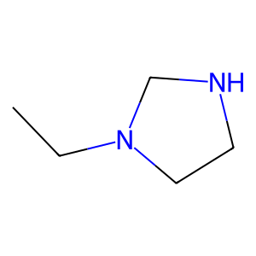 | C1CNCN1CC | 21 | 2950 | 1 | 1329 | 29 | 45.050847458 | --------------------- | ---------->
C1=CNCCN1CC | 21 | 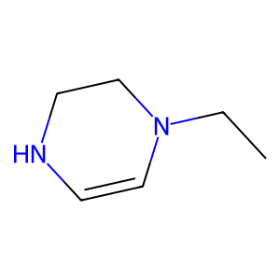 | C1=CNCCN1CC | 21 |  | 3 | 596 | 33 | 20.203389831 | --------------------- | ---------->
C1=CN=CNC1CN | 33 | 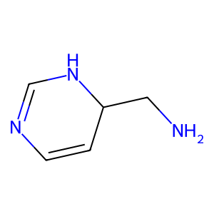 | C1=CN=CNC1CN | 33 |  | 24 | 211 | 7 | 7.1525423729 | --------------------- | ---------->
C1=CN=CNC1C=O | 33 | 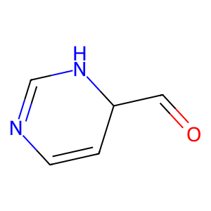 | C1=CN=CNC1C=O | 33 |  | 12 | 146 | 12 | 4.9491525424 | --------------------- | ---------->
CCO | 1 | 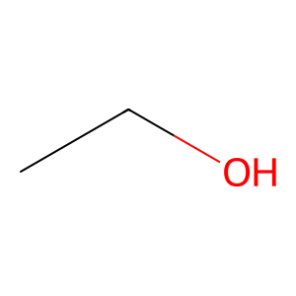 | CCO | 1 |  | 23 | 80 | 11 | 2.7118644068 | --------------------- | ---------->
CCO | 1 |  | POP | 12 |  | 14 | 76 | 14 | 2.5762711864 | --------------------- | ---------->
CCO | 1 |  | CC=O | 1 |  | 8 | 57 | 10 | 1.9322033898 | --------------------- | ---------->
POP | 12 | 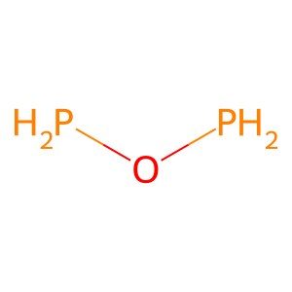 | C1CCOC1CO | 14 |  | 20 | 54 | 7 | 1.8305084746
CC=O | 1 | 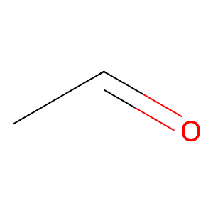 | CNC1CC1 | 5 |  | 26 | 51 | 11 | 1.7288135593
CCO | 1 |  | C1=CNN=C1C1=CC=NN=C1 | 30 |  | 9 | 34 | 10
CC=O | 1 |  | CCCC | 3 |  | 18 | 30 | 12
CCO | 1 |  | C1=CCCCC1CC | 3 |  | 19 | 29 | 10
C1CCOC1CO | 14 | 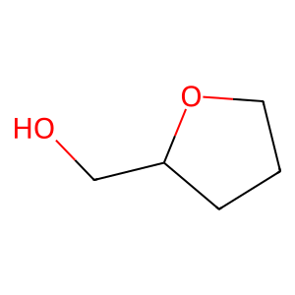 | C1=CCCCC1C=O | 3 |  | 5 | 28 | 21
C1CCOC1CO | 14 |  | CCC | 1 |  | 13 | 24 | 9
CNC1CC1 | 5 | 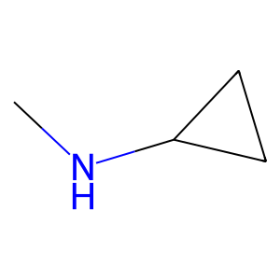 | C1CCC1CC | 5 |  | 15 | 16 | 6
C1=CNN=C1C1=CC=NN=C1 | 30 | 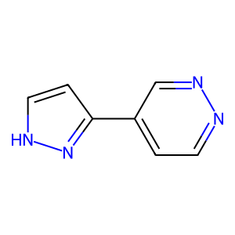 | C1CCNC1CN | 5 |  | 10 | 14 | 5
CCCC | 3 | 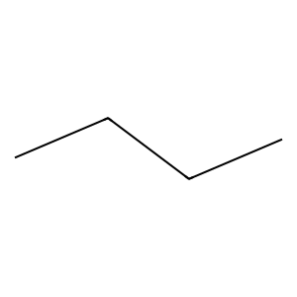 | C1=CCSC=CC1C1=CC=CC=C1 | 29 |  | 49 | 13 | 4
CC=O | 1 |  | CNCC | 3 |  | 48 | 11 | 3
CC=O | 1 |  | C1=CCC=CC1CC | 49 |  | 36 | 10 | 2
CCCC | 3 |  | C1=CCC=CC1C=O | 11 |  | 43 | 10 | 4
CC=O | 1 |  | CCC | 12 |  | 2 | 9 | 5
CCCC | 3 |  | CCO | 12 |  | 25 | 9 | 4
CCCC | 3 |  | C1CCCC1C=C | 3 |  | 0 | 7 | 5
CC=O | 1 |  | C1CCCCC1CO | 3 |  | 11 | 7 | 4
CC=O | 1 |  | C1CCCCC1CO | 1 |  | 28 | 7 | 4
CCCC | 3 |  | COCO | 3 |  | 42 | 7 | 5
CC=O | 1 |  | CCCO | 3 |  | 6 | 6 | 3
CCCC | 3 |  | C1CCOCC1CO | 24 |  | 51 | 6 | 5
CCCC | 3 |  | C1=CC=CC=C1CO | 8 |  | 4 | 5 | 3
CC=O | 1 |  | SOS | 12 |  | 27 | 5 | 3
CC=O | 1 |  | C1=CC=CC=C1CO | 26 |  | 44 | 5 | 2
CCCC | 3 |  | C1=COC=CC1C=O | 44 |  | 16 | 4 | 3
CC=O | 1 |  | C1=CC=CC=C1CO | 12 |  | 22 | 4 | 3
CCCC | 3 |  | CC=C | 1 |  | 31 | 4 | 1
CCCC | 3 |  | C1=CCCCC1CC | 1 |  | 34 | 4 | 3
CC=O | 1 |  | C1CCOC1C=O | 18 |  | 40 | 4 | 2
CC=O | 1 |  | CCS | 1 |  | 41 | 4 | 3
CCCC | 3 |  | C1=CC=CC=CCCOCCCCCCCCCCCCCCCC=CC=C1C=O | 48 |  | 7 | 3 | 3
CC=O | 1 |  | C1=CC=CC=CCCOCCCCCCCCCCCCCCCC=CC=C1CC | 48 |  | 17 | 3 | 2
CCCC | 3 |  | C1=CC=CC=CCCOCCCCCCCCCCCCCCCC=CC=C1CO | 48 |  | 29 | 3 | 2
C1=CCCCC1CC | 3 | 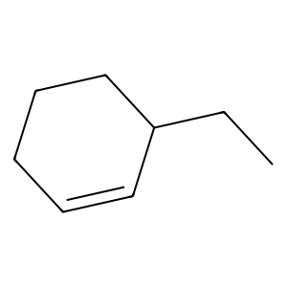 | CCC=C | 3 |  | 32 | 3 | 3
C1=CCCCC1C=O | 3 | 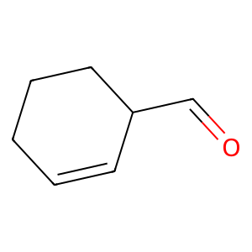 | C1CCOCC1C=O | 15 |  | 39 | 3 | 2
CCC | 1 | 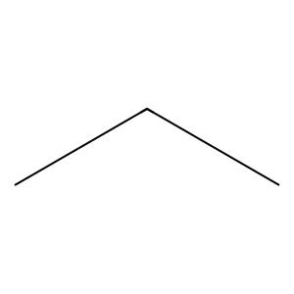 | C1CCOC1CO | 18 |  | 45 | 3 | 3
CCC | 1 |  | C1=CCCCC1CO | 25 |  | 21 | 2 | 2
C1CCC1CC | 5 | 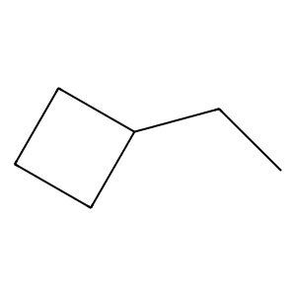 | C1=CCCCC1C=O | 9 |  | 33 | 2 | 2
C1CCNC1CN | 5 | 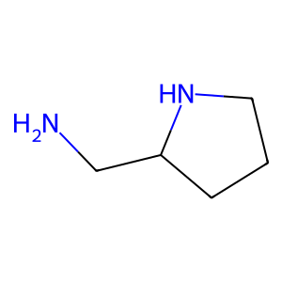 | C1CCCCC1CC | 5 |  | 35 | 2 | 2
C1=CCSC=CC1C1=CC=CC=C1 | 29 | 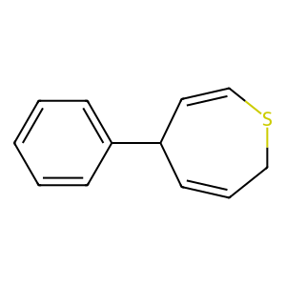 | C1CCCOCCC1C | 18 |  | 38 | 2 | 2
C1=CCSC=CC1C1=CC=CC=C1 | 29 |  | C1CCCCC1CO | 14 |  | 46 | 2 | 2
CNCC | 3 | 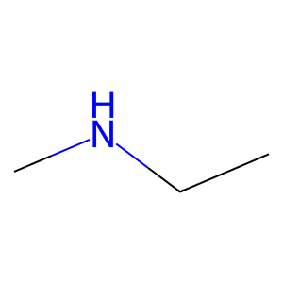 | C1CCOC1C=O | 15 |  | 47 | 2 | 1
CC=O | 1 |  | CCN | 1 |  | 30 | 1 | 1
CCO | 1 |  | C1=CNC=C1C1=CC=CC=C1 | 26 |  | 37 | 1 | 1
CC=O | 1 |  | NCN | 1 |  | 50 | 1 | 1
CC=O | 1 |  | C1=CCCC1C1=CC=CC=C1 | 26 |  | 52 | 0 | 0
CCC | 1 |  | C1=CN=CN=C1CN | 38
CC=O | 1 |  | CCC1=CC=CC=C1 | 20
CC=O | 1 |  | C1CCNC1CO | 5
CCO | 1 |  | CCCN | 3
CCC | 1 |  | C1CCCC1CC | 23
CCC | 1 |  | C=CCC | 3
CCC | 1 |  | C1CCCCC1C=O | 11
CCO | 1 |  | C1CCCCC1CO | 24
C1=CCC=CC1CC | 49 | 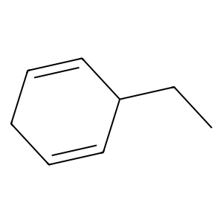 | CCCS | 3
C1=CCC=CC1C=O | 11 | 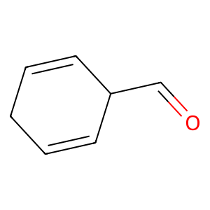 | C1=COCCC1C=O | 9
C1=CCC=CC1CC | 49 |  | C1CCCCC1CC | 1
CCC | 12 |  | C1=CCCCC1CC | 23
CCO | 12 |  | C1=CCCCC1C=O | 19
CCC | 1 |  | C1CCCC1C=C | 1
CCC | 1 |  | C1CCOCC1CC | 24
CCC | 1 |  | CC1CCCCC1 | 1
CCC | 1 |  | NNN | 1
C1=CCC=CC1C=O | 11 |  | C1=CC=NC=C1CC | 42
C1CCCC1C=C | 3 | 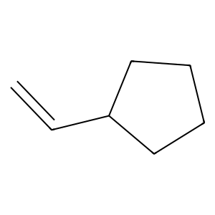 | C1=CC=CC=C1CCl | 26
C1CCCCC1CO | 3 | 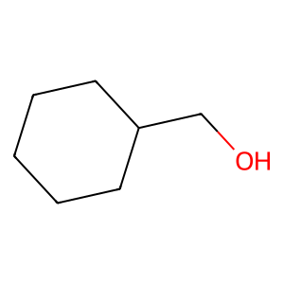 | C1=CCOC1CC | 10
CC=O | 1 |  | C1=CCOC1C=O | 10
CCO | 1 |  | C1CCCC1CO | 14
C1CCCCC1CO | 1 |  | C1CCCC1CF | 23
CCC | 1 |  | C1CCCC1CO | 1
CC=O | 1 |  | C1CCCOCC1C=O | 9
CCO | 1 |  | C1CCCOCCC1CO | 14
CC=O | 1 |  | C1CCCCC1CC | 23
CCO | 1 |  | C1CCCOCCC1C | 14
COCO | 3 | 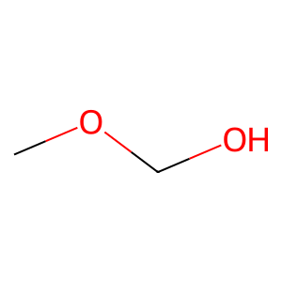 | C1=CCCCC1CC | 49
CCCO | 3 | 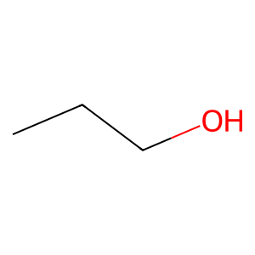 | C1CCCC1CO | 3
C1CCOCC1CO | 24 | 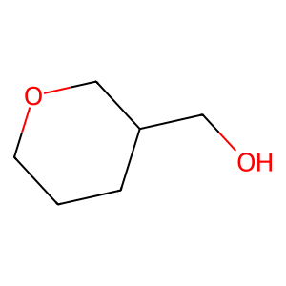 | C1CCOCC1CC | 14
C1CCOCC1CO | 24 |  | C1=CCCCC1CO | 49
C1CCOCC1CO | 24 |  | C1=CCCCC1C=O | 49
CC=O | 1 |  | C1CCOCC1C1CO1 | 14
CCC | 12 |  | C1=COC=CC1CC | 44
CCO | 12 |  | C1=CC=CC=C1CO | 43
CC=O | 1 |  | C1=CC=CC=C1CC | 43
CCO | 1 |  | C1=CC=CC=C1CCl | 43
C1CCOCC1CO | 24 |  | C1=CC=CC=C1CF | 8
C1CCOCC1CO | 24 |  | COCC | 3
C1CCOCC1CO | 24 |  | C1COCOC1CC | 18
C1=CC=CC=C1CO | 8 | 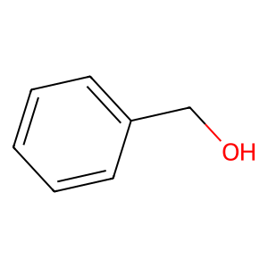 | CCC=O | 3
COCO | 3 |  | C1=CC=CC=C1CC | 12
C1=CC=CC=C1CO | 8 |  | C1=CCOC1C=O | 15
CCCC | 3 |  | C1CCCOCC1C=O | 19
CC=O | 1 |  | C1CCCOCC1CC | 14
CC=O | 1 |  | CCC | 3
CCCC | 3 |  | CC1CCOCC1 | 14
CC=O | 1 |  | C1=CC=CC=C1CF | 26
CCCC | 3 |  | C1CNCCN1CN | 5
COCO | 3 |  | CCC1=CC=NC=C1 | 20
SOS | 12 | 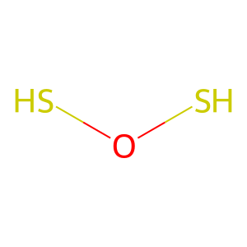 | C1CCCCC1C=C | 23
C1=CC=CC=C1CO | 26 |  | C1CCCC1CC | 1
C1=COC=CC1C=O | 44 | 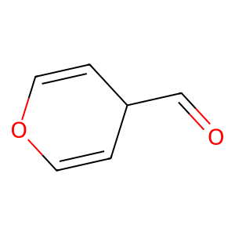 | C1=CC=CC=C1CCl | 8
C1=CC=CC=C1CO | 12 |  | CCC1CCCCC1 | 5
CCCC | 3 |  | C1=CCNC1CC | 27
CC=O | 1 |  | C1=CNC=C1CC | 12
CC=O | 1 |  | C1=CNC=C1CC | 46
CCCC | 3 |  | C1=CCCC1C=O | 19
CC=O | 1 |  | C1=CCNC1C=O | 27
CCCC | 3 |  | C1=CCCC1CC | 23
CCCC | 3 |  | C1=CCCC1C1=CNCCCC1 | 37
CC=O | 1 |  | C1=COC=CC1C=O | 19
CC=O | 1 |  | C1=COC=CC1CO | 34
CCCC | 3 |  | C1=CSC=C1CC | 8
CC=O | 1 |  | C1=CSC=C1CO | 8
CCCC | 3 |  | CNC1=CNC=N1 | 0
CC=C | 1 | 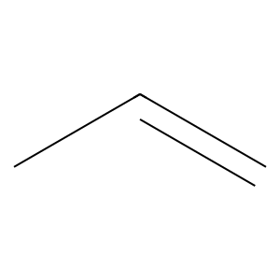 | C1=CC=NC=C1CN | 8
CCC | 1 |  | C1=CC=NC=C1C1=CC=CC=C1 | 8
C1=CCCCC1CC | 1 |  | C1=CCCCC1CO | 23
C1=CC=CC=C1CO | 12 |  | C1CCOCC1CO | 14
CCCC | 3 |  | C1CCNC1C1CO1 | 22
C1=CC=CC=C1CO | 12 |  | CCC1CCNCC1 | 5
CCCC | 3 |  | C1CCCCC1C=O | 9
CCO | 1 |  | C1CCCCC1CC | 24
CCO | 1 |  | C1=COCCC1CO | 25
CC=O | 1 |  | C1CCOCC1C=C | 15
CCC | 1 |  | C1CCOC1CC | 18
CC=O | 1 |  | CCC#N | 3
C1CCOC1C=O | 18 | 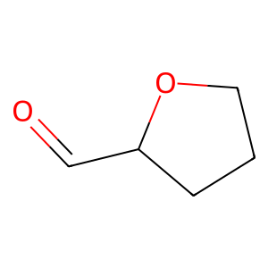 | C1CNCCN1C=O | 9
CCC | 1 |  | C1=CCOCCCOCC=C1C=O | 39
CCC | 1 |  | C1=CCOCCCOCC=C1CO | 39
CCS | 1 | 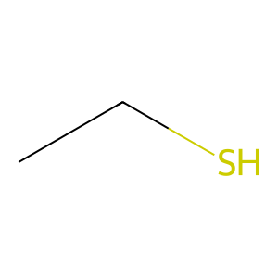 | C1=COCCC1C=O | 19
CCCC | 3 |  | CNCN | 3
CC=O | 1 |  | C1CCNC1C1CCNC1 | 5
CC=O | 1 |  | NNC1=NN=CN1 | 0
CCCC | 3 |  | C1=CCCC1CC | 3
CC=O | 1 |  | C1=CNCC1CN | 2
CCCC | 3 |  | CSCS | 3
CCCC | 3 |  | C1=COC=CC1CC | 34
CCO | 1 |  | CC=N | 1
C1=CC=CC=CCCOCCCCCCCCCCCCCCCC=CC=C1C=O | 48 | 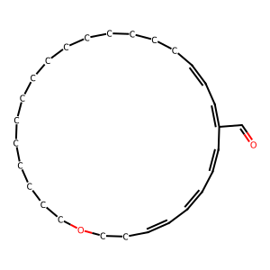 | C1CCCCC1C=C | 1
C1=CC=CC=CCCOCCCCCCCCCCCCCCCC=CC=C1CC | 48 | 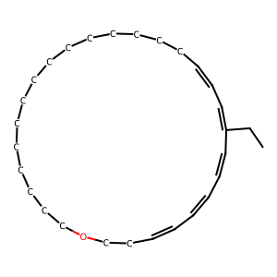 | CC1CCCC1 | 1
C1=CC=CC=CCCOCCCCCCCCCCCCCCCC=CC=C1CO | 48 | 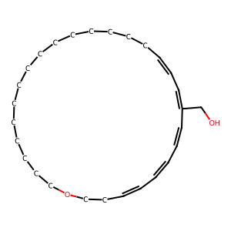 | CNC1CCNCC1 | 5
C1=CC=CC=CCCOCCCCCCCCCCCCCCCC=CC=C1CC | 48 |  | C1CCCC1C1=CCCC1 | 3
C1=CC=CC=CCCOCCCCCCCCCCCCCCCC=CC=C1CO | 48 |  | C1CCCCCC1C=C | 1
C1=CC=CC=CCCOCCCCCCCCCCCCCCCC=CC=C1CO | 48 |  | C1=CCCC=C1CC | 16
C1=CC=CC=CCCOCCCCCCCCCCCCCCCC=CC=C1CO | 48 |  | C1=CCNCC1C1=CC=CC=C1 | 2
C1=CC=CC=CCCOCCCCCCCCCCCCCCCC=CC=C1CO | 48 |  | C1=CN=CN=C1CN | 17
C1=CC=CC=CCCOCCCCCCCCCCCCCCCC=CC=C1CO | 48 |  | CCC1=COC=C1 | 20
C1=CC=CC=CCCOCCCCCCCCCCCCCCCC=CC=C1CO | 48 |  | C1CCOCC1C=O | 11
C1=CC=CC=CCCOCCCCCCCCCCCCCCCC=CC=C1CO | 48 |  | C1CCOCC1C1CO1 | 24
CCC=C | 3 | 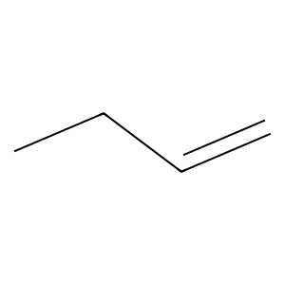 | C1=CCCCC1C=O | 13
CCCC | 3 |  | C1=CCCCC1CO | 13
CCCC | 3 |  | C1=CCCC1CC | 1
CC=O | 1 |  | C1=CCCC1C=O | 9
CC=O | 1 |  | COC1CCCC1 | 3
CCCC | 3 |  | CNC1CCNC1 | 5
CC=O | 1 |  | C1=CCCCCC1CC | 1
CCCC | 3 |  | C1CCCC1CC | 5
CCC | 1 |  | C1=CCOCC1C=O | 10
C1CCOCC1C=O | 15 | 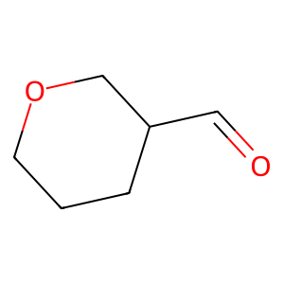 | C1=CC=NC=C1CO | 8
C1CCOC1C=O | 18 |  | CNC1COCCN1 | 22
C1CCOC1CO | 18 |  | C1CCOC1CC | 14
C1=CCCCC1CO | 25 | 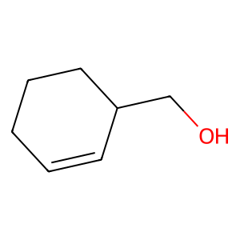 | C1=CC=CC=C1C1=COCO1 | 26
C1=CCCCC1C=O | 9 |  | CNC1=CC=CC=C1 | 0
C1=CCCCC1CC | 1 |  | C1=CNCC1C1=CC=CC=C1 | 2
C1CCOC1C=O | 18 |  | C1CCNCC1CC | 51
C1CCCCC1CC | 5 | 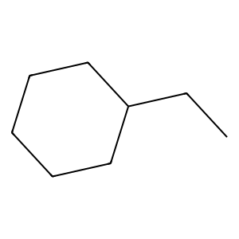 | C1CCNCC1CN | 51
C1CCCOCCC1C | 18 | 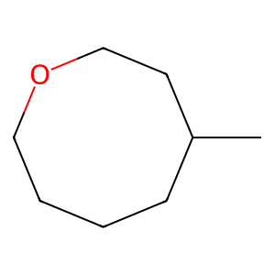 | C1CCNC1CN | 51
CC=O | 1 |  | C1=CNCC1C1=CC=CC=C1 | 26
C1=CC=CC=C1CO | 26 |  | NOCO | 3
C1CCCCC1CO | 14 |  | C1CNC1C=O | 9
C1CCOC1C=O | 15 |  | C1=CCCCC1C1=COC=C1 | 32
C1CCCCC1CO | 14 |  | C1=COCCC1CO | 14
CCC | 1 |  | C1=CC=CCC=C1C=O | 45
CC=O | 1 |  | C1=CC=CC=C1CO | 28
CCN | 1 | 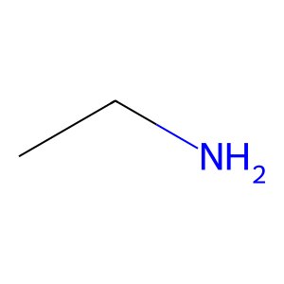 | C1=CC=CC=C1CCl | 28
CC=O | 1 |  | C1=CC=CC=C1CC | 28
CCO | 1 |  | C1=CCNC=C1C=O | 40
C1=CNC=C1C1=CC=CC=C1 | 26 | 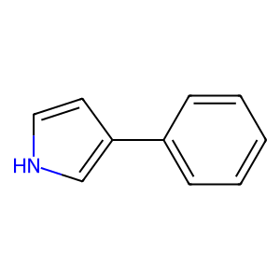 | C1CCNCC1C1CO1 | 22
CC=O | 1 |  | C1CCCC1C=O | 19
CCO | 1 |  | C1COCN1C=O | 15
CCCO | 3 |  | C1=CNCC1C=O | 9
NCN | 1 | 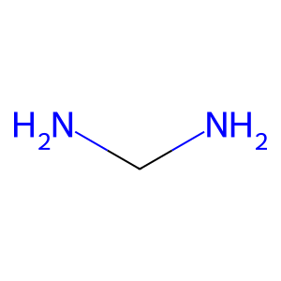 | C1=CCCC1C1=CC=CC=C1 | 32
NCN | 1 |  | SSCS | 3
CC=O | 1 |  | C1CCCCC1C=O | 3
CCO | 1 |  | CCO | 3
C1=CCCC1C1=CC=CC=C1 | 26 | 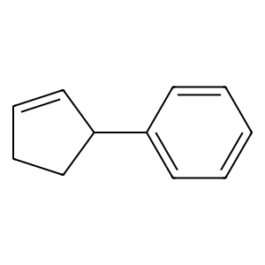 | CCC1CC1 | 5
C1=CN=CN=C1CN | 38 | 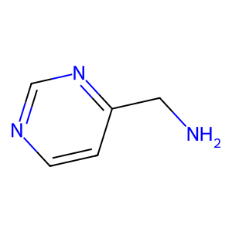 | CC1=COCC1 | 41
CCC1=CC=CC=C1 | 20 | 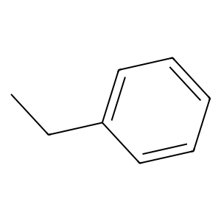 | C1=CCOC=C1C=O | 40
POP | 12 |  | C1=CC=CC=C1C1=COC=C1 | 8
POP | 12 |  | C1CCCCC1CO | 13
POP | 12 |  | C1=CCCCC1C1=CC=CC=C1 | 32
POP | 12 |  | C1=CCOCC1CC | 6
C1CCOC1CO | 14 |  | C1=CCOCC1C=O | 6
C1CCOC1CO | 14 |  | C1CCCCC1C=O | 13
CCC | 1 |  | C1CCOC1C=O | 14
CC=O | 1 |  | CC1=CCCCC1 | 16
C1CCNC1CO | 5 | 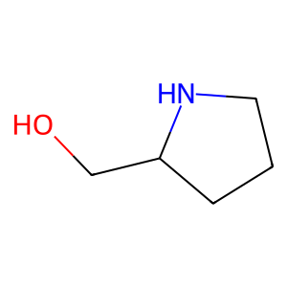 | C1CCOC1C1CO1 | 14
CC=O | 1 |  | CCC1=CNC=N1 | 0
CCO | 1 |  | C1CNC1C=O | 19
CCCC | 3 |  | C1=NCCC1CC | 1
CC=O | 1 |  | C1=NCCC1CN | 1
CC=O | 1 |  | C1CCNC1CO | 51
CCCC | 3 |  | C1=NN=NN1CN | 17
CC=O | 1 |  | C1CCCCC1C1CO1 | 18
CCCC | 3 |  | CCF | 12
CCCC | 3 |  | C1CCOC1C | 18
POP | 12 |  | C1=CC=CC=C1CC | 20
CCCN | 3 | 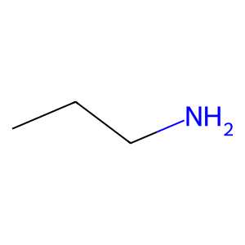 | NNC1CCCNCC1 | 5
CC=O | 1 |  | C1CCCCC1C | 3
CCCC | 3 |  | CC1CCCCC1 | 3
C1CCCC1C=C | 3 |  | SCS | 1
C1CCCCC1CO | 3 |  | C1CCCCC1C=O | 19
C1CCCC1CC | 23 | 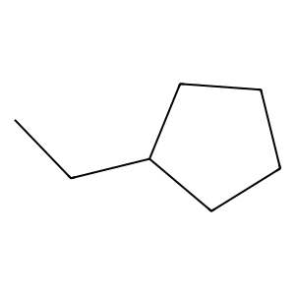 | CCCl | 1
CCC | 1 |  | SCS | 12
CC=O | 1 |  | C1CCOCC1C=O | 19
CCO | 1 |  | SNS | 12
CC=O | 1 |  | COC1CCCCC1 | 3
CCO | 1 |  | C1=CN=CN=C1C1=NNC=N1 | 38
COCO | 3 |  | CCC1=NN=NN1 | 20
CCC | 1 |  | C1=CCCCC1C=C | 3
CCC | 1 |  | C1CCCCCCC1CC | 13
CCC | 1 |  | C1CCCCCCC1CO | 13
CCC | 1 |  | C1CCCC1C=O | 9
CC=C | 1 |  | C1=CNCSC1CC | 7
CCC | 1 |  | CCC1=CSC=C1 | 42
CCC | 1 |  | C1=CCC=CC1CC | 13
CC=O | 1 |  | C1=CCC=CC1C=O | 13
CCC | 1 |  | C1CCCC1CO | 24
C=CCC | 3 | 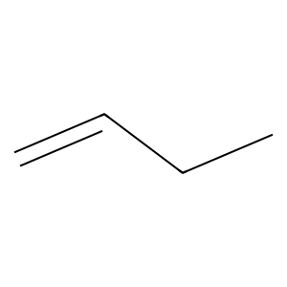 | C1CCCC1CC | 24
CCC | 1 |  | C1=CNCN=C1CN | 7
CC=O | 1 |  | C1=CNCN=C1C=O | 7
C1CCCCC1C=O | 11 | 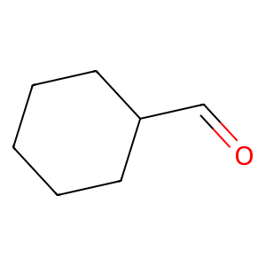 | C1=CCNC1C1=CCCCC1 | 27
C1CCCCC1CO | 24 |  | C1=CC=CC=C1CI | 28
CCC | 1 |  | C1=CNCCNCCNCCNCCNCC1C=O | 31
CCO | 1 |  | C1CCNC1C=O | 5
CCN | 1 |  | CNC1=CNC=C1 | 0
CC=O | 1 |  | PNP | 12
CCCS | 3 |  | C1=CNCNC1C=O | 4
CC=O | 1 |  | C1=CNCNC1CN | 4
CCO | 1 |  | C1=CC=CC=C1C1=CC=CC=C1 | 26
C1=COCCC1C=O | 9 |  | C1=CSC=C1CCl | 42
C1=CC=CC=C1CO | 26 |  | CNC1CCCCC1 | 5
CCCO | 3 |  | C1=CC=NC=C1CCl | 8
C1CCOCC1CO | 24 |  | C1=CC=NC=C1CCl | 42
C1CCOCC1CO | 24 |  | C1CCNC1C1CCNCC1 | 5
CCO | 1 |  | C1=CCNCC1CC | 5
CCCO | 3 |  | C1=CCNCC1C=N | 5
C1CCOC1CO | 18 |  | C1=COC=CC1C1=CC=CC=C1 | 34
CCN | 1 |  | C1=CSC=CN1C1=CC=CC=C1 | 47
C1=CCCCC1CO | 25 |  | CC1CCOCC1 | 3
CCO | 1 |  | C1CCCCC1C | 23
CC=O | 1 |  | C1=CCC=CC1C=O | 19
CCO | 1 |  | C1=CNCCC1CO | 5
CC=O | 1 |  | C1=[NH+]CCCC1CO | 25
CCO | 1 |  | C1=CCC=CC1C | 23
CCCC | 3 |  | CC1=CCC[NH+]=C1 | 16
CC=O | 1 |  | CC1=CNC=C1 | 46
CC=O | 1 |  | CC1CCOC1 | 18
CCCC | 3 |  | C1CCCCC1C | 13
CC=O | 1 |  | C1=CC=CC=C1CBr | 26
CCCC | 3 |  | C=NNO | 3
CCC | 1 |  | C1=CCNC=C1C=O | 45
CCO | 1 |  | C1=CCNC=C1C1=CC=CC=C1 | 2
CCCO | 3 |  | C1CCCC1C1CC1 | 23
C1CCCCC1CC | 1 |  | C1CCNCC1CC | 5
CCC | 1 |  | C1CCOCOC1C=O | 15
CCCO | 3 |  | C1=CC=CC=C1CN | 43
C1CCOCC1CO | 24 |  | C1=CCNCC1CN | 2
C1CCOCC1CO | 24 |  | C1=CC=CC=C1C1=COCO1 | 29
C1CCOCC1CO | 24 |  | CC1CCOOC1 | 18
CCCC | 3 |  | C1CCCCC1C | 1
CC=O | 1 |  | CC1CCCC1 | 23
CC=O | 1 |  | C1=CC=CC=C1C1=CC=NC=C1 | 26
CCCC | 3 |  | C1=COCC1C1=COCC1 | 50
CC=O | 1 |  | C1=CC=COCCCNCCNC=C1C=O | 45
CCCC | 3 |  | C1=CCOCCCNCCNC=CC1C=O | 6
CCCC | 3 |  | C1=CCCC1C1CO1 | 18
CC=O | 1 |  | C1CCCOCC1CC | 18
CC=O | 1 |  | C1=CCCC=CC1CC | 1
CCCC | 3 |  | C1=CCCC1CO | 25
CC=O | 1 |  | C1=CCOCC1CO | 10
CCCC | 3 |  | CCI | 1
CCCC | 3 |  | C1=COCC1C=O | 9
CC=O | 1 |  | CCCCl | 3
CCCC | 3 |  | C1=CCOC1C1=CCCC=C1 | 10
CC=O | 1 |  | CC1CO1 | 18
CCCC | 3 |  | C1=CC=NC=C1CBr | 42
CCCC | 3 |  | C1CCCCC1C1CC1 | 1
CC=O | 1 |  | C1=CCOC=C1C=O | 41
CC=O | 1 |  | C1=CCOC=C1CO | 41
CCCC | 3 |  | CC1CCNC1 | 51
POP | 12 |  | C1CNCCNCCNCCNCCNCCNCCN1C=O | 36
CCCC | 3 |  | C1CNCCNCCNCCNCCNCCNCCN1C1CCNC1 | 36
CC=O | 1 |  | C1=CNC=CC1CO | 4
CCCC | 3 |  | CCCl | 12
CC=O | 1 |  | C1=CNC=CC1C=O | 11
CCCC | 3 |  | C1=CON=C1CC | 20
C1=CCCCC1CC | 3 |  | C1=CC=CC=C1CN | 26
C1=CCCCC1CC | 23 |  | C1=CCNC=C1CN | 35
C1=CCCCC1C=O | 19 |  | C1=CCNC=C1C=O | 35
CCC | 1 |  | CCC1=CNN=C1 | 20
CCC | 1
C1CCCC1C=C | 1
C1CCCCC1CC | 1
CCC | 1
CC=O | 1
CCCO | 3
C1CCOCC1CO | 24
C1CCOCC1CO | 24
C1CCOCC1CO | 24
CCCO | 3
C1CCOCC1CO | 24
CCCO | 3
C1CCOCC1CO | 24
C1CCOCC1CO | 24
C1CCOCC1CO | 24
C1CCOCC1CC | 24 | 
C1CCOCC1CO | 24
C1CCOCC1CO | 24
C1CCOCC1CO | 24
CC1CCCCC1 | 1 | 
NNN | 1 | 
CC=O | 1
CCO | 1
CC=O | 1
CCO | 1
CC=O | 1
CCC1=CC=CC=C1 | 20
CCC1=CC=CC=C1 | 20
C1=CC=NC=C1CC | 42 | 
C1=CC=CC=C1CCl | 26 | 
CCCC | 3
CCO | 1
CCO | 1
CCO | 1
CCO | 1
C1=CCOC1CC | 10 | 
C1=CCOC1C=O | 10 | 
CC=C | 1
CCC | 1
CCO | 1
C1CCCCC1CO | 24
C1CCCCC1CO | 24
CCC | 1
CCC | 1
C1CCCCC1CC | 1
CCO | 1
CCCO | 3
CC=O | 1
CCO | 1
C1CCCC1CO | 14 | 
C1CCCC1CF | 23 | 
CCO | 1
C1=CCCC1C1=CC=CC=C1 | 26
CCCC | 3
CC=O | 1
CC=O | 1
CCCC | 3
CC=O | 1
CCCC | 3
C1CCCCC1CC | 1
C1CCCCC1CO | 3
C1=CCCCC1CC | 1
C1CCCC1CO | 1
C1CCCC1CO | 1
CCC | 1
C1CCOCC1C=O | 15
C1CCCOCC1C=O | 9 | 
C1CCCOCCC1CO | 14 | 
C1CCCCC1CO | 14
C1=CCCCC1CO | 25
C1=CCCCC1C=O | 9
C1CCCCC1CC | 23
C1CCOC1C=O | 15
C1CCCCC1CC | 5
C1CCCOCCC1C | 14
C1=CCCCC1CC | 49
C1CCCC1CO | 3
C1CCOCC1CC | 14
CCCO | 3
C1=CCCCC1CO | 49
C1=CCCCC1C=O | 49
C1CCOCC1C1CO1 | 14 | 
C1=COC=CC1CC | 44 | 
C1=COC=CC1C=O | 44
C1=CC=CC=C1CO | 12
C1=CC=CC=C1CO | 12
CCCO | 3
C1CCOCC1CO | 24
C1CCOCC1CO | 24
C1CCOCC1CO | 24
COCO | 3
C1=CC=CC=C1CO | 43
CC=O | 1
C1=CCCCC1CC | 49
CCCO | 3
C1=CCCCC1CO | 49
CCC | 1
CCC | 1
C1=CC=CC=C1CC | 43 | 
C1=CC=CC=C1CCl | 43
C1=CC=CC=C1CO | 8
C1=CC=CC=C1CO | 26
C1=CC=CC=C1CF | 8 | 
COCC | 3 | 
CC=O | 1
POP | 12
CCC | 1
CCC | 1
CC=O | 1
CC=O | 1
CC=O | 1
CCC | 1
CCC | 1
CCC | 1
CCC | 1
CCC | 1
CCC | 1
C1COCOC1CC | 18 | 
CCC | 1
CCC1=CC=CC=C1 | 20
C1COCOC1CC | 18
CCC | 1
CCO | 1
CCO | 1
CCO | 1
CCO | 1
CCCO | 3
CCCC | 3
CC=O | 1
CC=O | 1
CCCC | 3
CCCC | 3
CC=O | 1
CCO | 1
CCC1=CC=CC=C1 | 20
C1=CC=CC=C1CCl | 26
CC=C | 1
CCC=O | 3 | 
CCC | 1
CCC | 1
CCC | 1
CCC | 1
COCO | 3
C1=CC=CC=C1CC | 12
C1=CCOC1C=O | 15
C1CCCCC1CC | 23
CCC | 1
CC=O | 1
CCC | 1
CCC | 1
C1CCCOCC1C=O | 19
C1CCCOCC1CC | 14 | 
CCC | 1
CCC | 1
CCC | 3
CCO | 12
CCCO | 3
C1CCOCC1CO | 24
C1CCOCC1CO | 24
C1CCOCC1CO | 24
CC1CCOCC1 | 14 | 
CC=O | 1
C1=CC=CC=C1CF | 26
C1=CNC=C1C1=CC=CC=C1 | 26
C1CNCCN1CN | 5 | 
CC=O | 1
CCC1=CC=NC=C1 | 20 | 
CCCO | 3
C1CCCCC1C=C | 23 | 
C1CCCC1CC | 1
CCC | 1
CCO | 12
CCCC | 3
CCCC | 3
COCC | 3
C1CCCCC1CO | 14
C1CCCCC1CO | 14
CCCO | 3
CCC1=CC=CC=C1 | 20
C1CCOCC1CO | 24
C1CCOCC1CO | 24
C1CCOCC1CO | 24
COCO | 3
CC=O | 1
C1=CC=CC=C1CO | 12
C1=CC=CC=C1CO | 12
C1=CC=CC=C1CO | 12
C1CCOCC1CO | 24
C1CCOCC1CO | 24
C1CCOCC1CO | 24
COCO | 3
C1=CC=CC=C1CO | 26
CNCC | 3
CC=O | 1
C1=CC=CC=C1CCl | 8
CC=O | 1
CC=O | 1
CCN | 1
CCC1CCCCC1 | 5 | 
CCC=C | 3
C1=CCNC1CC | 27 | 
CCC=O | 3
C1=CNC=C1CC | 12 | 
CCCO | 3
C1CCOCC1CO | 24
C1CCOCC1CO | 24
C1CCOCC1CO | 24
C1=CNC=C1CC | 46
C1=CCCC1C=O | 19 | 
CC=O | 1
CCO | 1
CC=O | 1
CCO | 1
C1=CNC=C1CC | 12
C1=CCNC1C=O | 27 | 
CCCC | 3
CC=O | 1
C1CCCCC1CC | 23
C1=CCCCC1CC | 23
C1CCCCC1CC | 23
C1CCCCC1CC | 23
C1CCCCC1CC | 23
C1=CCCCC1CC | 23
CCC | 1
CCC | 1
CCCC | 3
CC=O | 1
CCCO | 3
CC=O | 1
CCCC | 3
CC=C | 1
CCC | 1
CC=O | 1
CCO | 1
CC=O | 1
CCO | 1
C1CCCCC1CC | 23
C1CCCCC1CO | 1
CCC | 1
CCC | 1
C1CCCCC1CC | 23
CCCC | 3
CC=O | 1
CCCO | 3
CCCO | 3
CCCO | 3
CCC | 1
CCC | 1
C1CCCCC1CC | 1
CC=O | 1
CCC1=CC=CC=C1 | 20
C1=CCCC1CC | 23 | 
C1=CCCC1C=O | 19
C1=CCCC1CC | 23
C1=CCCC1C1=CNCCCC1 | 37 | 
C1CCOCC1CC | 24
C1=CC=CC=C1CO | 8
C1=COC=CC1C=O | 19
C1=COC=CC1CO | 34 | 
C1=CC=CC=C1CO | 8
C1=CC=CC=C1CO | 8
C1CCOCC1CO | 24
C1CCOCC1CO | 24
C1CCOCC1CO | 24
C1CCOCC1CO | 24
C1CCOCC1CO | 24
C1CCOCC1CO | 24
CCCC | 3
CCO | 1
CC=O | 1
CCO | 1
CCCC | 3
CC=O | 1
CC=O | 1
CCCC | 3
CC=O | 1
CCCC | 3
COCO | 3
CC=O | 1
C1=CCCCC1CC | 1
C1CCCCC1CC | 1
CCC | 1
CCC | 1
CCC | 1
CCC | 1
C1=CC=CC=C1CO | 8
COCO | 3
CCO | 1
CCC | 12
CCC | 12
CCC | 12
C1=CC=CC=C1CO | 8
CCC | 1
CC=O | 1
C1=CSC=C1CC | 8 | 
C1=CSC=C1CO | 8 | 
CCCC | 3
C1=CC=CC=C1CO | 26
CNC1=CNC=N1 | 0 | 
C1=CC=NC=C1CN | 8 | 
C1=CC=NC=C1C1=CC=CC=C1 | 8 | 
CC=O | 1
CCO | 1
CC=O | 1
C1=CC=CC=C1CO | 12
C1=CC=CC=C1CO | 12
C1=CC=CC=C1CO | 12
C1=CCCCC1CO | 23
C1=CCCCC1CO | 23
CCCC | 3
CC=O | 1
CC=O | 1
CCCC | 3
CC=O | 1
CCCC | 3
C1=COC=CC1C=O | 19
C1CCOCC1CO | 14
C1CCOCC1CO | 14
C1CCOCC1CO | 14
C1=CC=CC=C1CO | 8
C1=CC=CC=C1CO | 8
CCCO | 3
C1CCOCC1CO | 24
C1CCOCC1CO | 24
C1CCOCC1CO | 24
C1=CC=CC=C1CO | 8
CCC | 1
CCC | 1
CCC | 1
CCC | 1
CCC | 1
CCC | 1
CCC | 1
CCC | 1
CCC | 1
CCC | 1
CCC | 1
CCC | 1
CC=O | 1
CCN | 1
CCC | 1
CCO | 1
CC=O | 1
CCO | 1
CCC | 1
CC=O | 1
C1=CC=CC=C1CF | 8
C1=CC=CC=C1CO | 8
CCC | 1
CC=O | 1
COCO | 3
COCO | 3
COCO | 3
C1CCNC1C1CO1 | 22 | 
C1=CCCCC1CC | 3
CCC | 1
CCCO | 3
CCCC | 3
CC=O | 1
CC=O | 1
CCCC | 3
CC=O | 1
CCCC | 3
CCCC | 3
CC=O | 1
CC=O | 1
CCCC | 3
CC=O | 1
CCCC | 3
CCO | 1
C1=CC=CC=C1CCl | 26
CCC1CCNCC1 | 5 | 
C1=CC=NC=C1C1=CC=CC=C1 | 8
CCCC | 3
CC=O | 1
CC=O | 1
CCCC | 3
POP | 12
CCO | 1
POP | 12
POP | 12
C1=CC=CC=C1CCl | 26
CCC1=CC=NC=C1 | 20
CC=O | 1
CCO | 1
C1CCOCC1CO | 24
C1CCOCC1CO | 24
C1CCOCC1CO | 24
C1CCCCC1CC | 1
C1CCCCC1C=O | 9
C1CCCCC1CC | 1
C1CCCCC1CC | 1
C1CCCCC1CC | 24
CCC | 1
CCC | 1
C1CCCCC1CC | 24
C1CCCCC1CC | 24
C1=COC=CC1C=O | 19
CCCO | 3
C1CCOCC1CO | 24
C1CCOCC1CO | 24
C1CCOCC1CO | 24
C1=CC=CC=C1CO | 43
C1=CC=CC=C1CO | 43
C1=CC=CC=C1CO | 43
C1=CC=CC=C1CO | 8
C1=CC=CC=C1CO | 8
C1=COCCC1CO | 25 | 
C1=CC=CC=C1CO | 43
C1=CC=CC=C1CO | 43
C1=CC=CC=C1CO | 43
C1=CC=CC=C1CO | 8
C1=CC=CC=C1CO | 8
COCO | 3
COCO | 3
COCO | 3
C1=CC=CC=C1CO | 12
C=CCC | 3
CCC | 1
CCC | 1
CCO | 1
CCO | 1
CCC | 1
C1CCCCC1C=O | 9
C1CCCCC1CO | 14
C1CCCCC1CO | 14
C1CCCCC1CC | 23
C1CCCCC1CC | 1
CCCC | 3
CC=O | 1
CC=O | 1
CCCC | 3
CC=O | 1
CCCC | 3
CCCO | 3
CCO | 1
CCO | 1
CCO | 1
CCO | 1
CCCO | 3
C1CCOCC1C=C | 15 | 
C1CCCCC1CO | 1
C1CCCCC1CO | 1
C1CCCCC1CC | 1
C1CCCC1CC | 1
C1CCOC1CC | 18 | 
CC=O | 1
CCO | 1
CCC1=CC=CC=C1 | 20
CCC1=CC=CC=C1 | 20
CCN | 1
CC=O | 1
CCC1CCNCC1 | 5
C1=CC=NC=C1CC | 42
C1=CC=CC=C1CCl | 8
CCC#N | 3 | 
C1CNCCN1C=O | 9 | 
C1CNCCN1C=O | 9
C1=CNC=C1C1=CC=CC=C1 | 26
CC=O | 1
CC=O | 1
CCO | 1
CC=O | 1
C1=CC=CC=C1CO | 12
C1=CC=CC=C1CO | 12
C1=CC=CC=C1CO | 12
C1=CCOCCCOCC=C1C=O | 39 | 
C1=CC=CC=C1CO | 12
C1=CC=CC=C1CO | 12
C1=CC=CC=C1CO | 12
C1=CC=CC=C1CO | 12
C1=CC=CC=C1CO | 12
C1=CC=CC=C1CO | 12
C1=CCOCCCOCC=C1C=O | 39
C1=CCOCCCOCC=C1CO | 39 | 
C1=CC=CC=C1CO | 12
C1=CC=CC=C1CO | 12
C1=CC=CC=C1CO | 12
CCCC | 3
CC=O | 1
CC=O | 1
CCCC | 3
CC=O | 1
CCCC | 3
CC=O | 1
C1=COCCC1C=O | 19
C1=CC=CC=C1CO | 8
C1=CC=CC=C1CO | 8
C1=CC=CC=C1CO | 12
C1=CC=CC=C1CO | 12
SOS | 12
C1=CC=CC=C1CO | 12
C1=CC=CC=C1CO | 12
C1=CC=CC=C1CO | 12
CCCC | 3
CC=O | 1
CC=O | 1
CCCC | 3
CC=O | 1
CCCC | 3
CNCN | 3 | 
CC=O | 1
C1CCOCC1CC | 24
C1CCOCC1CO | 24
C1CCOCC1CO | 24
C1CCOCC1CO | 24
CC=O | 1
CCCO | 3
C1CCOCC1CO | 24
C1CCOCC1CO | 24
C1CCOCC1CO | 24
C1CCNC1C1CCNC1 | 5 | 
CC=O | 1
C1=CC=CC=C1CCl | 26
NNC1=NN=CN1 | 0 | 
CCCC | 3
CCC | 1
CCC | 1
CCC | 1
CCC | 1
CC=O | 1
CCCO | 3
C1CCOC1CO | 14
C1CCOC1CO | 14
CCC1=CC=CC=C1 | 20
CCC | 1
CCC | 1
CCC | 1
CCCO | 3
CCC | 1
CCC | 1
C1CCCCC1CO | 14
C1CCCCC1CC | 23
CCCC | 3
CC=O | 1
CCCC | 3
CC=O | 1
CCCC | 3
C1=CCCC1CC | 3
C1CCCCC1CO | 3
C1=CCCCC1CC | 1
CCC | 1
CC=O | 1
CCC | 1
CCC | 1
CCO | 1
CCCO | 3
C1CCOC1CO | 18
C1CCOCC1CO | 24
C1CCOCC1CO | 24
C1CCOCC1CO | 24
CCC | 1
CCO | 1
CCCC | 3
CC=O | 1
COCO | 3
COCO | 3
C1=CNCC1CN | 2 | 
CCO | 1
CC=O | 1
COCO | 3
CCC | 1
CC=O | 1
CCCC | 3
C1=CNC=C1C1=CC=CC=C1 | 26
CC=O | 1
CCCO | 3
C1=CC=CC=C1CF | 26
CSCS | 3 | 
CCN | 1
CC=O | 1
CCO | 1
CC=O | 1
CCO | 1
CCO | 1
C1CCOCC1CO | 14
C1CCOCC1CO | 14
CCO | 1
POP | 12
POP | 12
COCO | 3
C1=COC=CC1C=O | 19
C1=COC=CC1CC | 34
CCC1=CC=CC=C1 | 20
NCN | 1
NCN | 1
CC=N | 1 | 
CCN | 1
CCN | 1
CC=O | 1
CCCC | 3
CC=O | 1
CCCC | 3
CC=O | 1
CCCC | 3
C1CCCCC1CC | 1
C1=CC=CC=C1CO | 26
CCCO | 3
CCC1=CC=NC=C1 | 20
C1CCCC1CO | 1
CCCC | 3
CC=O | 1
CC=O | 1
CCCC | 3
POP | 12
CCCN | 3
C1CCCCC1C=C | 1
CCC | 1
CC=O | 1
CC=O | 1
CCO | 1
CC=O | 1
CC=O | 1
CCO | 1
C1CCCCC1CC | 23
C1=CCOC1C=O | 15
CCCC | 3
CC=O | 1
CCO | 1
CC=O | 1
CCCC | 3
C1=CCCCC1CC | 3
CCC | 1
CCCO | 3
C1CCCCC1CO | 1
C1CCCCC1CC | 1
CC1CCCC1 | 1 | 
CCO | 12
CNC1CCNCC1 | 5 | 
CCC1=CC=CC=C1 | 20
C1CCCC1C1=CCCC1 | 3 | 
CCN | 1
CC=O | 1
CCS | 1
CC=O | 1
CC=O | 1
CCO | 1
CCCC | 3
CC=O | 1
POP | 12
CC=O | 1
CCCC | 3
CCC | 1
CCCO | 3
CCC | 1
C1=CCCCC1C=O | 9
C1CCCCC1CO | 1
C1CCCCC1CC | 1
C1CCCCC1CC | 1
CCCC | 3
CC=O | 1
CC=O | 1
CCCC | 3
CC=O | 1
CCCC | 3
C1CCCCCC1C=C | 1 | 
C1CCOC1C=O | 18
CCN | 1
CC=O | 1
CC=O | 1
CCO | 1
C1CCCC1C=C | 3
CCCC | 3
CC=O | 1
CC=O | 1
CCCC | 3
CC=O | 1
CCCC | 3
CCCC | 3
CCO | 1
CCCO | 3
CC=O | 1
CCCC | 3
CCCC | 3
CC=O | 1
CCO | 1
CC=O | 1
CCCC | 3
CC=C | 1
CCC | 1
CCC | 1
CCO | 1
CCO | 1
CCC | 1
C1CCCOCC1C=O | 9
C1CCCCC1CO | 14
C1CCCCC1CO | 14
C1CCCCC1CC | 23
C1CCCCC1CC | 1
CC=C | 1
CCC | 1
C1CCCC1CC | 1
C1=CCCCC1CC | 3
CCC | 1
CCC | 1
C1CCCCC1CO | 1
C1=CCCC=C1CC | 16 | 
C1=CCCCC1CC | 23
C1CCCCC1CC | 1
CCC | 1
CCCO | 3
C1=CCCCC1CC | 23
CCCC | 3
CC=O | 1
CC=O | 1
CCCC | 3
CC=O | 1
CCCC | 3
C1=CC=CC=C1CC | 12
C1=CC=CC=C1CO | 12
C1=CC=CC=C1CC | 12
CCN | 1
CC=O | 1
CC=O | 1
CCCN | 3
CC=O | 1
CCC1=CC=CC=C1 | 20
C1=CCNCC1C1=CC=CC=C1 | 2 | 
CCCC | 3
CC=O | 1
CCO | 1
CC=O | 1
CCCC | 3
C1=CN=CN=C1CN | 17
CC=O | 1
CCO | 1
CC=O | 1
CCO | 1
C1CCOC1CO | 18
CCC | 1
CCC | 1
C1CCOCC1C=O | 15
C1=CCCCC1CO | 23
C1=CCCCC1C=O | 19
C1CCCCC1CC | 1
C1CCOCC1CC | 24
CCC1=COC=C1 | 20 | 
C1CCOCC1C=O | 11
C1CCOCC1C1CO1 | 24
CC=O | 1
CCO | 1
C1=CC=CC=C1CO | 12
C1=CC=CC=C1CO | 12
CC=O | 1
C1=CC=CC=C1CO | 12
C1=CC=CC=C1CO | 12
C1=CC=CC=C1CO | 12
C1CCOCC1CO | 24
C1CCOCC1CO | 24
C1CCOCC1CO | 24
CCC | 1
CCC | 1
CCC | 1
CCC | 1
C1=CCCCC1C=O | 13
CC=O | 1
CCC | 1
CCC | 1
C1=CCCCC1CO | 13
CCC | 1
CCC | 1
CCC | 1
CCC | 1
C1=CCCCC1C=O | 13
C1=CCCCC1CC | 1
CCC | 1
CCC | 1
CC=O | 1
CCO | 1
CCC | 1
CCC | 1
CCCC | 3
CC=O | 1
CC=O | 1
CCCC | 3
CC=O | 1
CCCC | 3
COCO | 3
C1=CCCC1CC | 1
C1=CCCC1C=O | 9
COC1CCCC1 | 3 | 
CCCC | 3
CCO | 1
CCO | 1
CCO | 1
CCO | 1
C1=CCOC1CC | 10
C1=CCOC1C=O | 10
CCCC | 3
CNC1CCNC1 | 5 | 
C1=CCCC1C=O | 9
CCC | 1
CCO | 1
CC=O | 1
CCCN | 3
CC=O | 1
CCO | 1
COCO | 3
CC=O | 1
CCC | 1
CCC | 1
CNC1CCNCC1 | 5
CCC | 1
CCC | 1
C1=CCCCCC1CC | 1 | 
C1CCCC1CC | 5
CCCC | 3
SOS | 12
CCCO | 3
C1CCOCC1CO | 24
C1CCOCC1CO | 24
C1CCOCC1CO | 24
CCC | 1
CCO | 1
C1=CC=CC=C1CO | 8
C1=CC=CC=C1CO | 8
C1=CCOCC1C=O | 10 | 
CCCC | 3
CCO | 1
CCCO | 3
C1CCOCC1CO | 24
C1CCOCC1CO | 24
C1CCOCC1CO | 24
CC=O | 1
CCO | 1
CCCC | 3
C1=CC=NC=C1CO | 8 | 
C1=CC=CC=C1CCl | 26
CNC1COCCN1 | 22 | 
COCO | 3
CCO | 1
CCC | 1
CCC | 1
CCO | 1
COCO | 3
C1CCOC1CC | 14
C1CCOC1CC | 14
COCO | 3
COCO | 3
C1=CC=CC=C1C1=COCO1 | 26 | 
CNCN | 3
CCC | 1
CNC1=CC=CC=C1 | 0 | 
C1=CNCC1C1=CC=CC=C1 | 2 | 
CCCC | 3
CCO | 1
CCO | 1
CCO | 1
C1=CCOC1CC | 10
C1=CCOC1C=O | 10
CCCC | 3
CC=O | 1
CCO | 1
CC=O | 1
CCCC | 3
C1CCNCC1CC | 51 | 
C1CCNCC1CN | 51 | 
CCO | 1
CCC1=CC=CC=C1 | 20
C1CCNC1CN | 51
C1CCNC1CN | 51
C1=CNCC1CN | 2
C1=CNCC1C1=CC=CC=C1 | 26
C1=CNCC1C1=CC=CC=C1 | 2
NOCO | 3 | 
CC=O | 1
C1CNC1C=O | 9 | 
CC=O | 1
CCC | 1
CCC | 1
CC=O | 1
CCN | 1
CC=O | 1
CCC1=COC=C1 | 20
CCCC | 3
CCO | 1
CC=O | 1
COCO | 3
COCO | 3
C1=CNCC1CN | 2
CCO | 1
CC=O | 1
COCO | 3
CCC | 1
CC=O | 1
CCCC | 3
C1=CNC=C1C1=CC=CC=C1 | 26
CCCC | 3
CC=O | 1
CC=O | 1
CCCC | 3
CC=O | 1
CCCC | 3
C1=CCCCC1C=O | 9
CCCO | 3
CCO | 1
CCCO | 3
C1CCOCC1CO | 24
C1CCOCC1CO | 24
C1CCOCC1CO | 24
C1=CCCCC1C1=COC=C1 | 32 | 
CC1CCCCC1 | 1
CCCC | 3
CC=O | 1
POP | 12
CCO | 1
CCCO | 3
CC=O | 1
CCCC | 3
CCC | 1
CC=O | 1
C1=CCCC1CC | 1
CCC | 1
CC=O | 1
CCO | 1
C1CCCCC1CC | 1
CCCC | 3
CC=O | 1
POP | 12
CCCC | 3
CC=O | 1
CCO | 1
C1=COCCC1CO | 14
C1=COCCC1CO | 14
CC=O | 1
CCO | 1
C1CCOCC1CO | 24
C1CCOCC1CO | 24
C1CCOCC1CO | 24
CNCN | 3
COCO | 3
COCO | 3
COCO | 3
COCO | 3
C1=CC=CCC=C1C=O | 45 | 
C1CCOCC1CC | 24
CCC#N | 3
CCC1=CC=CC=C1 | 20
C1CCOCC1CO | 24
C1CCOCC1CO | 24
C1CCOCC1CO | 24
C1CCOCC1CO | 24
C1CCOCC1CO | 24
C1CCOCC1CO | 24
CCCC | 3
CC=O | 1
CC=O | 1
CCCC | 3
CC=O | 1
CCCC | 3
CCC | 1
CC=O | 1
CCC | 1
CCO | 1
C1CCCCC1CO | 24
C1CCCCC1CO | 24
CCC | 1
CCC | 1
C1CCCCC1CC | 1
CCC | 1
CCC | 1
C1=CCCCC1CC | 23
C1=CCCCC1C=O | 19
C1=CCCCC1CC | 23
C1=CC=CC=C1CO | 28
C1=CC=CC=C1CCl | 28
C1=CC=CC=C1CC | 28
CCC=O | 3
C1=CC=CC=C1CO | 28
C1=CCNC=C1C=O | 40 | 
C1=CCNC=C1C=O | 40
CCCC | 3
CC=O | 1
CC=O | 1
CCCC | 3
CC=O | 1
CCCC | 3
CC=C | 1
CCC | 1
C1=CCCCC1C=O | 9
C1=CCCCC1CC | 1
C1CCCCC1CC | 1
CCC=C | 3
CCO | 1
CCO | 1
CCO | 1
CCCC | 3
CCCC | 3
CCO | 1
CC=O | 1
CCN | 1
CC=O | 1
CCO | 1
CC=O | 1
CC=O | 1
CCO | 1
C1CCCC1CO | 14
CC=O | 1
CCO | 1
CCCC | 3
CC=O | 1
CCC | 1
CCO | 1
CCC | 1
CCO | 1
CCC | 1
CC=O | 1
CCO | 1
C1CCOCC1CC | 14
C1CCOCC1CC | 14
CCC | 1
CCO | 1
CCCC | 3
CCC | 1
CCO | 1
C1CCOC1CC | 18
C1CCOC1CC | 18
C=CCC | 3
C1CCNCC1C1CO1 | 22 | 
CCC | 1
CCC | 1
C1CCCC1C=O | 19 | 
C1CCCC1CC | 23
CCCO | 3
C1CCOCC1CO | 24
C1CCOCC1CO | 24
C1CCOCC1CO | 24
CCCC | 3
CC=O | 1
CCO | 1
CC=O | 1
CCCC | 3
CCC | 1
CCO | 1
CCN | 1
CC=O | 1
CC=O | 1
CC=N | 1
CCN | 1
CC=O | 1
CCCN | 3
CC=O | 1
CCO | 1
CCCC | 3
CC=O | 1
CCC=O | 3
COCC | 3
CC=O | 1
CCC1=CC=CC=C1 | 20
CCO | 1
CCC1=CC=CC=C1 | 20
C1COCN1C=O | 15 | 
C1=CNCC1C=O | 9 | 
C1=CCCC1C1=CC=CC=C1 | 32
C1CCCCC1CC | 1
CC=O | 1
CCO | 1
C1=CCCCC1CC | 1
C1CCCCC1CC | 23
C1CCCCC1C=O | 9
CCC | 1
CCC | 1
C1CCCCC1CC | 23
CCC | 1
CCO | 1
C=CCC | 3
CCCC | 3
SSCS | 3 | 
CCC | 1
CCC | 1
C1CCCCC1CC | 1
CCC=O | 3
CCC=O | 3
COCO | 3
C1CCCCC1C=O | 3
CCO | 3
CCC1CC1 | 5 | 
CC1=COCC1 | 41 | 
C1=CCOC=C1C=O | 40 | 
C1CCOCC1CO | 14
C1CCOCC1CO | 14
C1CCOCC1CO | 14
C1=CC=CC=C1C1=COC=C1 | 8 | 
CCCC | 3
CC=O | 1
CC=O | 1
CCCC | 3
POP | 12
C1CCCCC1CO | 13
POP | 12
POP | 12
C1CCCCC1CO | 13
C1CCCCC1CO | 13
C1CCCCC1CO | 13
CCCC | 3
CC=O | 1
CC=O | 1
CCCC | 3
CC=O | 1
CCCC | 3
CCCO | 3
CCO | 1
C1CCOC1CO | 18
C1CCOC1CO | 18
CNCN | 3
CCC1=CC=CC=C1 | 20
C1=CCCCC1C1=CC=CC=C1 | 32 | 
COCO | 3
CCC1=CC=CC=C1 | 20
CNC1CCNC1 | 5
CCC | 1
CC=O | 1
C1=CCOCC1CC | 6 | 
C1=CCOCC1C=O | 6
CCC1=COC=C1 | 20
C1CCCCC1CO | 13
C1CCCCC1CO | 13
C1CCCCC1C=O | 13
CCC | 1
CCC | 1
C1CCOC1C=O | 14
C1CCOC1CC | 14
CC1=CCCCC1 | 16 | 
C1CCOC1C1CO1 | 14 | 
CCCC | 3
CC=O | 1
CC=O | 1
CCCC | 3
CC=O | 1
CCCC | 3
CCC | 1
CC=O | 1
CCC1=CNC=N1 | 0 | 
CC=O | 1
CC=O | 1
CCO | 1
CCCC | 3
CCO | 1
CCO | 1
CCO | 1
CCO | 1
CCO | 1
C1=CCOC1CC | 10
C1=CCOC1C=O | 10
CCCC | 3
CCC | 1
CCCC | 3
CCCC | 3
CC=O | 1
CC=O | 1
CCCC | 3
CC=O | 1
CCCC | 3
CCCC | 3
CC=O | 1
CCCC | 3
CC=O | 1
CCCC | 3
CCC | 1
CCCO | 3
CCCO | 3
C1CCOCC1CO | 24
C1CCOCC1CO | 24
C1CCOCC1CO | 24
CCCC | 3
CC=O | 1
C1CNC1C=O | 19
CCCC | 3
CCCC | 3
CC=O | 1
C1CNCCN1CN | 5
C1=CC=CC=C1C1=COCO1 | 26
C1=NCCC1CC | 1 | 
C1=NCCC1CN | 1 | 
C1=NCCC1CC | 1
CCCO | 3
C1=CC=CC=C1CO | 8
C1=CC=CC=C1CO | 8
CCCO | 3
C1CCOCC1CO | 24
C1CCOCC1CO | 24
C1CCOCC1CO | 24
C1=COCCC1CO | 25
C1CCOCC1CO | 24
C1CCOCC1CO | 24
C1CCOCC1CO | 24
C1=CC=CC=C1CO | 26
C1=CC=CC=C1CO | 8
C1=CC=CC=C1CO | 8
C1=CC=CC=C1CO | 26
C1=CC=CC=C1CO | 8
C1=CC=CC=C1CO | 8
C1=CC=CC=C1CO | 26
C1=CC=CC=C1CO | 26
C1=CC=CC=C1CO | 8
C1=CC=CC=C1CO | 8
CCN | 1
CCC1=CC=CC=C1 | 20
CC=O | 1
C1CCNC1CO | 51
CC=O | 1
CCO | 1
COCO | 3
CCN | 1
C1CNC1C=O | 9
CC=O | 1
CCC1=CC=CC=C1 | 20
CCC1=CC=CC=C1 | 20
C1=NN=NN1CN | 17 | 
CCN | 1
CC=O | 1
CCC1=CC=CC=C1 | 20
CC=O | 1
CCO | 1
CC=O | 1
CCO | 1
C1=CCOCC1CC | 6
C1=CCOCC1CC | 6
C1=CCOCC1C=O | 6
CCC | 12
CCO | 12
CCO | 1
C1CCCCC1CO | 14
C1=CCCCC1C=O | 19
C1=CCCCC1C=O | 19
C1=CCCCC1CC | 23
C1CCCCC1CC | 23
C1CCCCC1C1CO1 | 18 | 
CC=O | 1
C1=CC=CC=C1CCl | 26
CCF | 12 | 
CCF | 12
CCF | 12
CCC | 1
CCC | 1
C1=CC=CC=C1CO | 12
C1=CC=CC=C1CO | 12
CCC | 1
CCC | 1
C1CCOC1C=O | 18
C1=CCCCC1CO | 25
C1CCOC1C | 18 | 
C1=CC=CC=C1CC | 20
CCO | 1
NNC1CCCNCC1 | 5 | 
CCC | 12
CC=O | 1
CC=O | 1
CC=O | 1
CC=O | 1
CCO | 1
CCC1=CC=CC=C1 | 20
C1=CNC=C1C1=CC=CC=C1 | 26
C1CCCCC1C | 3
CC1CCCCC1 | 3
CC1CCCCC1 | 3
CCCC | 3
CCCC | 3
CC=C | 1
CCC | 1
C1CCCCC1CC | 23
C1=CCCCC1C=O | 9
CC=O | 1
SCS | 1 | 
C1CCCCC1CC | 23
C1CCCCC1C=C | 23
CCC | 1
CCC=O | 3
C1CCCCC1CC | 23
CCC | 1
CCC=O | 3
COCO | 3
CCN | 1
CC=O | 1
C1CCOC1CO | 14
NCN | 1
NCN | 1
CCCO | 3
CC=C | 1
CCC | 1
C1CCCCC1C=O | 19
C1CCCCC1C=O | 9
C1CCCCC1CC | 1
C1CCCCC1CC | 23
CCCC | 3
CC=O | 1
CCCC | 3
CC=O | 1
CCCC | 3
CSCS | 3
CCC=O | 3
CC=O | 1
CCN | 1
CC=O | 1
CC=O | 1
CCCl | 1 | 
CCCl | 1
CCO | 1
SCS | 12
C1CCCCC1CC | 1
CC=O | 1
CCO | 1
C1CCOCC1CO | 24
C1CCOCC1CO | 24
C1CCOCC1CO | 24
C1CCCC1CO | 3
CCC | 1
CC=O | 1
C1CCCCC1CC | 23
CCC | 1
CC=O | 1
CCC | 1
CCC | 1
C1=CCCCC1CC | 23
C1CCCC1CO | 1
CCC | 1
CCC | 1
CC=O | 1
CCO | 1
C1=CCCCC1CC | 23
CCCC | 3
C1CCOCC1C=O | 15
CCC | 1
CCC | 1
CC=O | 1
CCN | 1
C1=CC=CC=C1CO | 26
C1CNC1C=O | 9
CC=O | 1
CCO | 1
CC=O | 1
CCO | 1
CCO | 1
CC=O | 1
CCO | 1
CCCC | 3
CC=O | 1
CC=O | 1
CCCC | 3
CC=O | 1
CCCC | 3
C1CCOCC1CC | 14
CCC1=COC=C1 | 20
C1CCOCC1C=O | 19
C1CCCCC1CO | 1
C1CCOC1C=O | 15
CCC=C | 3
C1CCOCC1CO | 14
C1CCOCC1CO | 14
C1CCOCC1CO | 14
C1CCOCC1CO | 24
C1CCOCC1CO | 24
C1CCOCC1CO | 24
COCO | 3
SNS | 12 | 
COC1CCCCC1 | 3 | 
C1=CN=CN=C1C1=NNC=N1 | 38 | 
CCCC | 3
CC=O | 1
CC=O | 1
CCCC | 3
CC=O | 1
CCCC | 3
CCCC | 3
CC=O | 1
CC=O | 1
CCCC | 3
CCCC | 3
CCCC | 3
CCCO | 3
CCC1=NN=NN1 | 20 | 
C1=CCCCC1C=C | 3 | 
CCC | 1
CCO | 1
CCC | 1
CCC | 1
CCCN | 3
CC=O | 1
CCO | 1
C1CNC1C=O | 9
CCCO | 3
CCCC | 3
CC=O | 1
CC=O | 1
CCCC | 3
CC=O | 1
CCCC | 3
C1CCCCC1C=C | 1
CCC | 1
CC=O | 1
C1CCCCCCC1CC | 13 | 
C1CCCCCCC1CO | 13 | 
C1=CCCCC1CC | 1
CCC | 1
CC=O | 1
C1CCCCCCC1CO | 13
CCC | 1
CCC | 1
C1CCCCC1C=C | 23
CC=O | 1
CCC | 1
CCC | 1
CCC | 1
CCC | 1
C1CCCC1C=O | 9
CCC | 1
CCC | 1
CC=O | 1
CCC | 1
CCCO | 3
C1CCOCC1CO | 24
C1CCOCC1CO | 24
C1CCOCC1CO | 24
C1CCCCC1CC | 1
C1CCCCC1C=O | 9
CCCC | 3
CC=O | 1
CC=O | 1
CCCC | 3
CC=O | 1
CCCC | 3
CCCC | 3
CC=O | 1
CC=O | 1
CCCC | 3
CC=O | 1
CCCC | 3
CCCC | 3
CC=O | 1
CC=O | 1
CCCC | 3
CC=O | 1
CCCC | 3
C1=CNCSC1CC | 7 | 
CC=O | 1
CCO | 1
CCC=O | 3
CC=O | 1
CCC1=CSC=C1 | 42 | 
CCC | 1
CCC | 1
C1CCCCC1CO | 1
C1CCCCC1CC | 1
C1=CCCCC1CC | 23
C1=CCCCC1C=O | 19
C1CCCCC1CC | 1
C1CCOC1C=O | 15
C1CCCCC1CC | 23
C1CCCCC1CC | 23
C1=CCC=CC1CC | 13
C1=CCC=CC1CC | 13
C1=CCC=CC1C=O | 13
CCC | 12
CCO | 12
CCC | 1
CCC | 1
CCC | 1
CCC | 1
C1=CCC=CC1CC | 13
C1=CCC=CC1C=O | 13
CCCC | 3
CCO | 1
CCC1=CC=CC=C1 | 20
CCC1=CC=CC=C1 | 20
CCCC | 3
CCO | 1
CCO | 1
CCO | 1
CC=O | 1
CCO | 1
CCCC | 3
CC=O | 1
CC=O | 1
CCCC | 3
CC=O | 1
CCCC | 3
CCC | 1
CCO | 1
CCC=O | 3
NCN | 1
NCN | 1
CCC | 1
CCC | 1
CC=O | 1
CC=O | 1
CCO | 1
CC=O | 1
CC=O | 1
CCC1=CC=CC=C1 | 20
POP | 12
POP | 12
CC=C | 1
CCC | 1
CC=O | 1
CCO | 1
C1CCCCC1CC | 1
C1CCCCC1CC | 1
CCC | 1
CCC | 1
C1CCCC1CO | 24
CCC=O | 3
C1CCCC1CC | 24
CCCN | 3
POP | 12
POP | 12
C1=CNCN=C1CN | 7 | 
C1=CNCN=C1C=O | 7 | 
C1CCOC1CO | 14
C1CCOC1CO | 14
CCC | 1
CCC | 1
CCCO | 3
C1CCOCC1CO | 24
C1CCOCC1CO | 24
C1CCOCC1CO | 24
CCCO | 3
CCC | 1
CCC | 1
CC=O | 1
C1=CCNC1C=O | 27
C1=CCNC1C=O | 27
CCC | 1
CCC | 1
C1=CCNC1C1=CCCCC1 | 27 | 
CCC | 1
CCC | 1
CC=O | 1
CCO | 1
C1=CCCCC1CC | 1
C1CCCCC1CC | 24
C1CCCCC1CO | 24
C1CCCCC1CO | 24
CCC | 1
CCCO | 3
C1=CCCCC1CC | 1
CCCC | 3
CC=O | 1
POP | 12
CC=O | 1
CCCC | 3
CCCC | 3
CC=O | 1
CC=O | 1
CCCC | 3
CC=O | 1
CCCC | 3
SCS | 1
CC=O | 1
CCN | 1
CC=O | 1
CCO | 1
CC=O | 1
CCO | 1
CCC | 1
CC=O | 1
C1=CC=CC=C1CI | 28 | 
CCC | 1
CC=O | 1
C1=CC=CC=C1CI | 28
CC=O | 1
NCN | 1
CC=O | 1
NCN | 1
CCO | 1
CCO | 1
CCO | 1
CCO | 1
CCCO | 3
C1=CC=CC=C1CI | 28
CCC | 1
CCC | 1
C1=CNCCNCCNCCNCCNCC1C=O | 31 | 
CC=O | 1
C1=CC=CC=C1CO | 26
CC=O | 1
CC=O | 1
C1CCNC1C=O | 5 | 
CC=O | 1
CCO | 1
C1=CNCCNCCNCCNCCNCC1C=O | 31
CCCO | 3
C1=CNCCNCCNCCNCCNCC1C=O | 31
C1=CNCCNCCNCCNCCNCC1C=O | 31
C1=CNC=C1C1=CC=CC=C1 | 26
CC=O | 1
CCO | 1
CCC1=CC=CC=C1 | 20
CCC1=CC=CC=C1 | 20
CCC1=CC=CC=C1 | 20
CNC1=CNC=C1 | 0 | 
CCCC | 3
CC=O | 1
CC=O | 1
CCCC | 3
CC=O | 1
CCCC | 3
CCCC | 3
CC=O | 1
CC=O | 1
CCCC | 3
CC=O | 1
CCCC | 3
COCC | 3
CC=O | 1
CCC | 1
CCC | 1
CCC | 1
CCO | 1
CCCC | 3
CC=O | 1
CC=O | 1
CCCC | 3
CC=O | 1
CCCC | 3
CCC | 1
CC=O | 1
C1CCCCC1CO | 14
C1CCCC1CC | 1
C1=CCOC=C1C=O | 40
C1CCCCC1CO | 14
C1=CCCCC1CC | 1
CCCO | 3
C1CCOCC1CO | 24
C1CCOCC1CO | 24
C1CCOCC1CO | 24
CCCC | 3
CC=O | 1
POP | 12
CCCN | 3
CCCC | 3
CCC | 1
CCC | 1
C1CCCCC1CO | 1
C1CCCCC1CC | 1
C1=CCCCC1CC | 23
C1=CCCCC1C=O | 19
CCC | 1
CC=O | 1
CCO | 1
CCCO | 3
C1CCCCC1CC | 23
C1=CN=CN=C1CN | 17
PNP | 12 | 
POP | 12
C1CCOC1CO | 14
C1CCOC1CO | 14
CCCO | 3
CCCO | 3
CCCO | 3
C1CCOCC1CO | 24
C1CCOCC1CO | 24
C1CCOCC1CO | 24
C1CCOCC1CO | 24
C1CCOCC1CO | 24
C1CCOCC1CO | 24
C1CCOCC1CO | 24
C1CCOCC1CO | 24
CCCC | 3
CC=O | 1
CC=O | 1
CCCC | 3
CC=O | 1
CCCC | 3
CCCC | 3
CC=O | 1
CC=O | 1
CCCC | 3
CC=O | 1
CCCC | 3
NCN | 1
NCN | 1
C1=CNCNC1C=O | 4 | 
C1=CNCNC1CN | 4 | 
C1=CNCNC1C=O | 4
C1=CNCNC1CN | 4
CCCC | 3
CC=O | 1
CCO | 1
CC=O | 1
CCCC | 3
CCC | 1
CC=O | 1
CCCO | 3
C1CCOCC1CO | 24
C1CCOCC1CO | 24
CCO | 1
CC=O | 1
C1=CC=CC=C1CO | 26
C1CCOC1CO | 18
CCC | 1
CCC | 1
CCN | 1
CCO | 1
CC=O | 1
CC=O | 1
CC=O | 1
CC=O | 1
CCO | 1
CC=O | 1
CCO | 1
CCC | 1
CCC | 1
CCC | 1
CCC | 1
CCCN | 3
CCC1=CC=CC=C1 | 20
C1=CC=CC=C1CO | 8
C1=CC=CC=C1CO | 8
C1=CCC=CC1CC | 49
C1=CCC=CC1CC | 49
C1=CCC=CC1C=O | 11
CCC | 12
CCO | 12
CCC | 1
CCC | 1
CCC | 1
CCC | 1
C1=CCC=CC1C=O | 11
C1CCCC1C=C | 3
CC=O | 1
CCO | 1
C1CCCCC1CO | 14
C1CCCCC1CO | 14
CCC | 1
CC=O | 1
CCO | 1
CC=O | 1
CCO | 1
CC1CCCCC1 | 1
COCO | 3
C1=CC=CC=C1CO | 8
C1=CC=CC=C1CO | 12
C1=CC=CC=C1CO | 12
COCO | 3
CCO | 1
CC=O | 1
CCO | 1
CCCO | 3
C1=CCCCC1CO | 49
CC=O | 1
CCC1=CC=CC=C1 | 20
C1CCOCC1CO | 24
C1CCOCC1CO | 24
C1CCOCC1CO | 24
C1=CC=CC=C1CO | 12
C1=CC=CC=C1CO | 12
C1=CC=CC=C1CO | 12
CC=N | 1
CCN | 1
CC=O | 1
CCC1=CC=CC=C1 | 20
C1=CC=CC=C1C1=CC=CC=C1 | 26
COCO | 3
CCCO | 3
COCO | 3
CCCO | 3
C1CCOCC1CO | 24
C1CCOCC1CO | 24
C1CCOCC1CO | 24
CCC | 1
CCC | 1
CC=O | 1
CCC | 12
CCC | 12
CC=O | 1
CCC | 1
CCC | 1
CCC | 1
CCC | 1
CCC=C | 3
CC=O | 1
C1=CC=CC=C1CC | 20
CC=O | 1
C1=CSC=C1CCl | 42
CNC1CCCCC1 | 5
CC=O | 1
CCO | 1
C1=CC=NC=C1CCl | 8
CC=C | 1
CCC | 1
C1CCCCC1CC | 1
C1CCCCC1CO | 1
C1CCCCC1C=C | 1
C1=CC=NC=C1CCl | 42
C1CCNC1C1CCNCC1 | 5
COCO | 3
C1CCOCC1CO | 24
CCCO | 3
SOS | 12
C1CCOCC1CC | 24
SOS | 12
C1CCOCC1CO | 24
SOS | 12
C1=CCNCC1CC | 5
C1=CCNCC1C=N | 5
CCCC | 3
CC=O | 1
POP | 12
C1CCCCC1CO | 13
C1CCCCC1CO | 13
C1CCCCC1CO | 13
POP | 12
POP | 12
C1CCCCC1CO | 13
CC=O | 1
CCCC | 3
CCCC | 3
CC=O | 1
POP | 12
CCCN | 3
CC=O | 1
CCCC | 3
CCCC | 3
CC=O | 1
C1CCCCC1CC | 1
C1CCCCC1CC | 1
CCC | 1
CCCC | 3
CCC | 1
CCC | 1
C1CCOCC1CC | 24
CCC1=CC=CC=C1 | 20
C1=COC=CC1C=O | 19
C1CCOCC1CO | 24
C1CCOCC1CO | 24
C1CCOCC1CO | 24
C1CCOCC1CO | 24
C1CCOCC1CO | 24
C1CCOCC1CO | 24
C1=COC=CC1C1=CC=CC=C1 | 34
CCCC | 3
CC=O | 1
CCCC | 3
CC=O | 1
CCCC | 3
CCCO | 3
C1=CC=CC=C1CO | 26
C1CCOCC1CO | 24
C1CCOCC1CO | 24
C1CCOCC1CO | 24
CCCC | 3
CC=O | 1
CC=O | 1
CCCC | 3
CC=O | 1
CCCC | 3
CCCC | 3
CC=O | 1
CC=O | 1
CCCC | 3
CC=O | 1
CCCC | 3
CCCC | 3
CC=O | 1
CC=O | 1
CCCC | 3
CC=O | 1
CCCC | 3
CCC | 1
NCN | 1
NCN | 1
C1=CSC=CN1C1=CC=CC=C1 | 47
C1=CSC=CN1C1=CC=CC=C1 | 47
CCCC | 3
CC=O | 1
CC=O | 1
CCCC | 3
CC=O | 1
CCCC | 3
COCO | 3
C1=CCCCC1CC | 23
COCO | 3
C1=CCCCC1CC | 23
COCO | 3
CCCO | 3
C1CCOCC1CO | 24
C1CCOCC1CO | 24
C1CCOCC1CO | 24
CCC | 12
C1CCCCC1CC | 1
C1=CCCCC1C=O | 19
CCCC | 3
CCN | 1
CC=O | 1
C1CCOCC1CC | 24
C1CCOCC1CO | 24
C1CCOCC1CO | 24
C1CCOCC1CO | 24
CCCO | 3
C1=CCCCC1CO | 49
C1=CCCCC1CO | 49
C1=CCCCC1CO | 49
CCCC | 3
CC=O | 1
C1CCCCC1CC | 23
C1=CCCCC1CC | 23
C1CCCCC1CC | 23
C1CCCCC1CC | 23
C1CCCCC1CC | 23
C1=CCCCC1CC | 23
CCC | 1
CCC | 1
CCCC | 3
CC=O | 1
CC=O | 1
CCCC | 3
CC=O | 1
CCCC | 3
CCC | 1
CC=O | 1
C1CCOCC1CO | 24
C1CCOCC1CO | 24
CCCO | 3
C1CCCCC1CC | 23
C1CCCCC1CC | 1
C1CCCCC1CO | 14
CCC | 12
CCC | 1
CCC | 1
CCCO | 3
C1CCOCC1CO | 24
C1CCOCC1CO | 24
C1CCOCC1CO | 24
C1CCCCC1CC | 23
CCC | 1
CCC | 1
C1CCOCC1CO | 24
C1CCOCC1CO | 24
C1CCOCC1CO | 24
CCCC | 3
CC=O | 1
CC=O | 1
CCCC | 3
CC=O | 1
CCCC | 3
C1CCCC1C=C | 1
C1CCCC1C=O | 9
C1CCCCC1C=O | 19
CCC | 1
CCC | 1
C1=CCCCC1CO | 23
C1=CCCCC1C=O | 19
CC1CCCCC1 | 1
CC1CCOCC1 | 3
C1CCCCC1C | 23
CC=O | 1
C1=CC=CC=C1CO | 8
C1=COC=CC1C=O | 19
C1=COC=CC1CO | 34
C1=CC=CC=C1CO | 8
C1=CC=CC=C1CO | 8
C1CCOCC1CO | 24
C1CCOCC1CO | 24
C1CCOCC1CO | 24
C1=CC=CC=C1CO | 12
C1=CC=CC=C1CO | 12
C1=CC=CC=C1CO | 12
C1=CCC=CC1C=O | 19
C1CCCCC1CO | 1
C1CCCCC1C=O | 9
C1=CNCCC1CO | 5
C1=[NH+]CCCC1CO | 25
C1=CCC=CC1C | 23
CC1=CCC[NH+]=C1 | 16
CC1=CNC=C1 | 46
CCCC | 3
CNCN | 3
CCC1=CSC=C1 | 42
C1=CC=CC=C1C1=CC=CC=C1 | 26
CC=O | 1
CCO | 1
CCCS | 3
CCC1CCNCC1 | 5
CCCC | 3
CC=O | 1
CC=O | 1
CCCC | 3
CC=O | 1
CCCC | 3
COCO | 3
CCO | 3
C1CCCCC1C=O | 13
C1=CC=CC=C1CO | 8
C1=CC=CC=C1CO | 8
C1=COCCC1C=O | 19
C1=COCCC1CO | 14
C1=CC=CC=C1CO | 8
CC1CCOC1 | 18
C1CCCCC1C | 13
CC1CCCCC1 | 1
CCCC | 3
CC=O | 1
CC=O | 1
CCCC | 3
CC=O | 1
CCCC | 3
CCCC | 3
CNCC | 3
COCO | 3
COCO | 3
COCO | 3
CCC | 1
CCC | 1
C1=CC=CC=C1CO | 12
CCC | 1
CCC | 1
C1=CC=CC=C1CO | 12
C1=COC=CC1C=O | 19
CCCO | 3
C1CCOCC1CO | 24
C1CCOCC1CO | 24
C1CCOCC1CO | 24
C1=CC=CC=C1CO | 26
C1=CC=CC=C1CO | 12
C1=CC=CC=C1CO | 12
C1=CC=CC=C1CO | 12
C1=CNCC1C=O | 9
C1=CC=CC=C1CBr | 26
C=NNO | 3
C1=CNCC1C1=CC=CC=C1 | 2
CCCC | 3
CC=O | 1
CCCO | 3
CCCO | 3
C1=CCNC=C1C=O | 45
CNC1COCCN1 | 22
C1=CCNC=C1C1=CC=CC=C1 | 2
CCC | 1
CCC | 1
C1CCOC1C=O | 15
CCCO | 3
C1=CCCCC1CO | 23
CCCC | 3
CCCC | 3
CCCC | 3
CCCC | 3
CCCC | 3
CCCC | 3
CCCC | 3
CC=O | 1
CC=O | 1
CCCC | 3
CC=O | 1
CCCC | 3
CCC | 1
CCC | 1
C1CCCC1C=O | 19
C1CCCC1CC | 23
C1CCCC1C1CC1 | 23
C1CCCCC1C=C | 1
C1=CCCCC1CC | 23
C1=CCCCC1CC | 23
C1=CCCCC1CO | 23
CCC | 1
CCC | 1
CC=O | 1
CCO | 1
CCC | 1
CCC | 1
CCC | 1
CCC | 1
CCN | 1
CC=O | 1
CCO | 1
CCC | 1
CC=O | 1
CC=O | 1
CCC | 1
CCC | 1
C1=CCCCC1CC | 1
C1CCCC1CO | 14
CCC | 1
CC=O | 1
C1CCCC1CC | 23
C1CCOCC1C1CO1 | 14
CC=C | 1
CCC | 1
C1=COCCC1CO | 25
COCO | 3
COCO | 3
C1=COCCC1C=O | 9
C1CCCC1C=C | 1
C1CCCC1CO | 1
C1CCOCC1CC | 14
C1CCOCC1C=O | 19
CC=O | 1
CCO | 1
CC1CCCCC1 | 1
CC1CCCCC1 | 3
CCCC | 3
CC=O | 1
CC=O | 1
CCCC | 3
CC=O | 1
CCCC | 3
CCCC | 3
CCCC | 3
COCO | 3
C1CCCCC1CC | 1
CC=O | 1
CCO | 1
C1=CCCCC1CC | 1
C1CCCCC1CC | 23
C1CCCCC1CO | 14
CC=O | 1
C1=CC=CC=C1CO | 26
CCC | 1
CCC | 1
C1CCCCC1CC | 23
C1CCCCC1CC | 1
CCCC | 3
CC=O | 1
CC=O | 1
CCCC | 3
CC=O | 1
CCCC | 3
CCC | 1
CCN | 1
CC=O | 1
CC=O | 1
CCN | 1
CC=O | 1
CCO | 1
CC=O | 1
CCC | 1
CC=O | 1
CCC | 1
CC=O | 1
CCO | 1
CC=O | 1
CCO | 1
CCC | 1
CCC=O | 3
C1CCCC1CC | 1
CCC=O | 3
CCCC | 3
CC=O | 1
CC=O | 1
CCCC | 3
CC=O | 1
CCCC | 3
C1CCNCC1CC | 5
C1CCCCC1CO | 3
C1CCCCC1CC | 1
C1CCCC1CC | 1
C1CCOC1CC | 18
CCC | 1
C1CCCC1C=O | 9
CC=O | 1
CCO | 1
CCCO | 3
C1CCOCC1CO | 24
C1CCOCC1CO | 24
C1CCOCC1CO | 24
CCCC | 3
CCC | 1
CCO | 1
CCO | 1
CCCO | 3
C1CCOC1CC | 18
C1CCOC1C=O | 18
C1CCCC1CO | 14
C1CCCC1CO | 14
CCC | 12
CCC | 12
CCC | 12
C1CCOCOC1C=O | 15
C1CCOC1C=O | 18
C1CCOC1CO | 18
COCC | 3
C1=CC=CC=C1CN | 43
COCC | 3
COCC | 3
COCO | 3
C1=CCNCC1CN | 2
C1=CCOC1C=O | 10
C1=CC=CC=C1C1=COCO1 | 29
CCC | 1
CCC | 1
C1CCCCC1CC | 23
C1CCCCC1CO | 3
CCC | 1
CCC | 1
CCC | 1
CCC | 1
C1CCCCC1C | 23
CC1CCOOC1 | 18
CCC | 1
CC=O | 1
CCC | 1
C1CCOC1C=O | 15
C1CCCCC1CC | 1
CCC1=COC=C1 | 20
CC1=CCCCC1 | 16
COCO | 3
C1=COC=CC1C=O | 44
C1=CC=CC=C1CO | 12
COCO | 3
CCCO | 3
C1CCOCC1CO | 24
C1CCOCC1CO | 24
C1CCOCC1CO | 24
C1=CC=CC=C1CO | 8
CCCC | 3
CC=O | 1
CC=O | 1
CCCC | 3
CC=O | 1
CCCC | 3
C1CCCCC1C=C | 1
CCC | 12
CCC | 1
CCC | 1
C1CCCCC1C | 1
CC1CCCC1 | 23
CCCO | 3
C1CCOCC1CO | 24
C1CCOCC1CO | 24
C1CCOCC1CO | 24
C1=CC=CC=C1C1=CC=NC=C1 | 26
CCC | 1
CCC | 1
CCC | 1
CCC | 1
C1=CCCCC1C=O | 9
CC=O | 1
CCO | 1
C1CCOCC1CO | 14
C1CCOCC1CO | 14
C1CCOCC1CO | 14
C1CCOCC1CO | 24
C1CCOCC1CO | 24
C1CCOCC1CO | 24
C1=COC=CC1C=O | 44
C1=CC=CC=C1CO | 26
C1=CC=CC=C1CO | 8
C1=COCC1C1=COCC1 | 50
CCCC | 3
CC=O | 1
CCO | 1
CC=O | 1
CCCC | 3
CCCC | 3
CCC | 1
C1=CC=COCCCNCCNC=C1C=O | 45
CC=O | 1
CCC | 1
CCC | 1
NCN | 1
NCN | 1
CCC | 1
CCC | 1
C1=CCOCCCNCCNC=CC1C=O | 6
CCCC | 3
CC=O | 1
CC=O | 1
CCCC | 3
CC=O | 1
CCCC | 3
CCC | 1
CC=O | 1
CC=O | 1
CCC | 1
CCC | 1
CC=O | 1
CCC | 12
CCC | 12
CCC | 1
CC=O | 1
C1=CCCC1C1CO1 | 18
CCCC | 3
CC=O | 1
CC=O | 1
CCCC | 3
CC=O | 1
CCCC | 3
CC=C | 1
CCC | 1
C1CCCOCC1CC | 18
C1CCCOCC1C=O | 9
CCCC | 3
CC=O | 1
CC=O | 1
CCCC | 3
CC=O | 1
CCCC | 3
CCCC | 3
CC=O | 1
CC=O | 1
CCCC | 3
CC=O | 1
CCCC | 3
CCCC | 3
CC=O | 1
CCC | 1
CCS | 1
CCC | 1
CCC | 1
CC=O | 1
CCN | 1
CCN | 1
CC=O | 1
CCC1=CC=CC=C1 | 20
CC=O | 1
CC=O | 1
CC=O | 1
CC=O | 1
CC=O | 1
CCC | 1
CCN | 1
CC=O | 1
CCC | 1
CCC | 1
CCC | 1
CCC | 1
C1=CNC=C1C1=CC=CC=C1 | 26
COCO | 3
CC=O | 1
CCC1=CC=CC=C1 | 20
CCC1=COC=C1 | 20
CCCC | 3
CC=O | 1
CC=O | 1
CCCC | 3
CC=O | 1
CCCC | 3
CCC | 1
CCO | 1
CCC | 12
CCO | 12
CCCO | 3
C1CCCCC1CO | 1
CCCC | 3
CC=O | 1
CCCC | 3
POP | 12
C1=CCCC=CC1CC | 1
CCC | 1
CCC | 1
C1CCCC1CC | 5
CCCC | 3
CC=O | 1
CC=O | 1
CCCC | 3
CCC | 1
CCC | 1
C1=CCCC1CO | 25
CCC | 1
CCC | 1
C1CCCCC1CO | 14
C1=CCOCC1CO | 10
CCC | 12
CCC | 12
CCO | 12
C1CCCCC1CC | 23
C1CCCCC1CC | 1
CCCC | 3
CCC | 1
CCI | 1
CCC | 1
CC=O | 1
CCC | 1
CCC | 1
C1=CCCC1CC | 1
C1CCCCC1CC | 1
C1CCOCC1CO | 14
C1CCOCC1CO | 14
C1CCOCC1CO | 14
CCC=O | 3
CCCC | 3
CC=O | 1
CC=O | 1
CCCC | 3
CC=O | 1
CCCC | 3
CCC | 1
CCC | 1
CC=O | 1
CCC1=CC=CC=C1 | 20
CCC | 1
CC=O | 1
CCO | 1
CC=O | 1
CNC1=CC=CC=C1 | 0
C1=COCC1C=O | 9
C1=CC=CC=C1CO | 8
C1=CC=CC=C1CO | 8
CCCO | 3
C1CCOCC1CO | 24
C1CCOCC1CO | 24
C1CCOCC1CO | 24
CCC | 1
CCC | 1
CCC | 1
CCC | 1
CC=O | 1
CCC | 1
CCC | 1
CCC | 1
CCN | 1
CC=O | 1
C1=CC=CC=C1CCl | 26
CC=O | 1
CCO | 1
CCCC | 3
CC=O | 1
POP | 12
CC=O | 1
CCCC | 3
CCCC | 3
CC=O | 1
CCO | 1
CCCCl | 3
CCC=C | 3
C1CCOC1C=O | 14
CC=O | 1
CCO | 1
CCO | 1
CC=O | 1
CCO | 1
CCC=C | 3
COCO | 3
C1=CC=CC=C1CO | 12
CC=O | 1
C1=CC=CC=C1CO | 12
C1=CC=CC=C1CO | 12
C1=CC=CC=C1CO | 12
C1CCOCC1CO | 24
C1CCOCC1CO | 24
C1CCOCC1CO | 24
CCCC | 3
C1=CCOC1C=O | 10
CCCC | 3
C1=CCOC1C=O | 10
C1=CCOC1C1=CCCC=C1 | 10
CCC#N | 3
CCCO | 3
C1CCOCC1CO | 24
C1CCOCC1CO | 24
C1CCOCC1CO | 24
C1CCOCC1CO | 24
C1CCOCC1CO | 24
C1CCOCC1CO | 24
C1=CC=CC=C1CO | 26
CC=C | 1
CCC | 1
CC=O | 1
CCCO | 3
CC=O | 1
CCC | 12
CCC | 12
CCO | 12
CC=O | 1
CCCO | 3
CC1CO1 | 18
CC=O | 1
CCC1=CNC=N1 | 0
C1=CC=CC=C1CCl | 8
C1=CC=CC=C1CCl | 8
C1=CC=NC=C1CBr | 42
C1CCOCC1CC | 24
C1CCCCC1CC | 23
C1CCCCC1CO | 1
C1CCCC1CC | 23
C1=CCOC1C=O | 15
C1CCCC1CO | 14
C1CCCCC1CO | 14
C1CCOCC1CO | 24
C1CCOCC1CO | 24
C1CCOCC1CO | 24
CCCO | 3
CCC1=COC=C1 | 20
C1CCOCC1CO | 24
C1CCOCC1CO | 24
C1CCOCC1CO | 24
COCO | 3
CC=O | 1
C1CCOCC1CC | 24
CCC | 1
CC=O | 1
C1CCOCC1CO | 24
C1CCOCC1CO | 24
CC=C | 1
CCC | 1
CCC | 1
CCC | 1
C1CCCCC1CC | 23
C1CCCCC1CC | 1
C1CCCCC1C=O | 9
C1CCCCC1CC | 23
C1CCCCC1C1CC1 | 1
C1=CCOC=C1C=O | 41
C1=CC=CC=C1CO | 26
C1=CCOC=C1CO | 41
C1=CCOC=C1CO | 41
CCCC | 3
CC=O | 1
CC=O | 1
CCCC | 3
CC=O | 1
CCCC | 3
CCCC | 3
CC=O | 1
C1CCCC1CO | 14
C1CCCC1CO | 14
CC=O | 1
CCO | 1
CSCS | 3
CC=O | 1
CC=O | 1
CCC | 1
CC=O | 1
CCCN | 3
CC=O | 1
CCC1=CC=CC=C1 | 20
CC=O | 1
CCN | 1
CC=O | 1
CCC | 1
CCC | 1
COCO | 3
CC=O | 1
CCC | 1
CCC | 1
CC=O | 1
C1=CNCC1C1=CC=CC=C1 | 26
CC1CCNC1 | 51
CCCC | 3
CC=O | 1
CC=O | 1
CCCC | 3
CC=O | 1
CCCC | 3
CCCC | 3
CC=O | 1
CC=O | 1
CCCC | 3
CC=O | 1
CCCC | 3
C1=CCCCC1CC | 1
C1CCCCC1CC | 1
C1CCCCC1CC | 1
C1CCCCC1CC | 23
C1CCCCC1CO | 1
CCC | 1
CCC | 1
C1CCCCC1CC | 23
C1=CCCCC1CC | 1
CCCC | 3
CC=O | 1
CC=O | 1
CCCC | 3
CC=O | 1
CCCC | 3
CCCC | 3
CC=O | 1
CC=O | 1
CCCC | 3
CC=O | 1
CCCC | 3
CCCC | 3
CC=O | 1
POP | 12
CC=O | 1
CCCC | 3
CCCC | 3
CC=O | 1
CC=O | 1
CCO | 1
CC=O | 1
CC=O | 1
CCO | 1
CCC | 1
C1=CCCCC1CC | 23
CCC | 1
CCC | 1
CC=O | 1
CCC1=CC=CC=C1 | 20
C1CCCCC1CO | 14
C1=CCCCC1CC | 23
NCN | 1
NCN | 1
C=CCC | 3
CC=O | 1
C1=CC=CC=C1CC | 12
C1=CC=CC=C1CC | 12
C1=CCCC1C=O | 9
C1=CCCC1CC | 1
CCC | 1
CCC | 1
C1CNCCNCCNCCNCCNCCNCCN1C=O | 36
C1CNCCNCCNCCNCCNCCNCCN1C=O | 36
C1CNCCNCCNCCNCCNCCNCCN1C=O | 36
CC=O | 1
CCO | 1
C1CNCCNCCNCCNCCNCCNCCN1C=O | 36
C1CNCCNCCNCCNCCNCCNCCN1C=O | 36
C1CNCCNCCNCCNCCNCCNCCN1C=O | 36
C1=CC=CC=C1CO | 26
C1CNCCNCCNCCNCCNCCNCCN1C=O | 36
C1CNCCNCCNCCNCCNCCNCCN1C1CCNC1 | 36
C1CNCCNCCNCCNCCNCCNCCN1C1CCNC1 | 36
C1CNCCNCCNCCNCCNCCNCCN1C1CCNC1 | 36
COCO | 3
C1=CNC=CC1CO | 4
CC=O | 1
CCC | 1
CCC | 1
CCC | 12
CCCl | 12
CCCl | 12
C1=CNC=CC1C=O | 11
COCO | 3
C1=CON=C1CC | 20
C1=CC=CC=C1CN | 26
CCN | 1
CCO | 1
CCN | 1
CC=O | 1
CCO | 1
CC=O | 1
CCO | 1
CC=C | 1
CCC | 1
CCO | 1
COCO | 3
COCO | 3
C1=CCNC=C1CN | 35
C1=CCNC=C1C=O | 35
CNCC | 3
CCC | 1
CC=O | 1
C1=CC=CC=C1CCl | 8
C1=CC=CC=C1CCl | 8
CCC1=CNN=C1 | 20
C1=CC=CC=C1C1=CC=CC=C1 | 26
CCCC | 3
CC=O | 1
CC=O | 1
CCCC | 3
CC=O | 1
CCCC | 3

