Fragments Clusters
SMILES | Cluster | ID Molecola | Real Label | Image
Cc1ccc(N)cc1 | 4 | 11 | 0 | 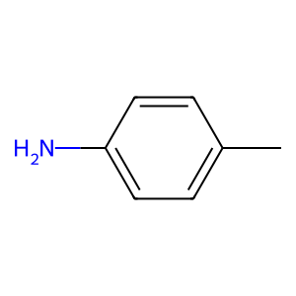
Clc1ccccc1 | 4 | 25 | 0 | 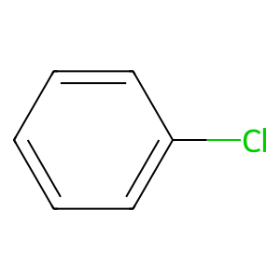
Cc1ccccc1 | 4 | 26 | 1 | 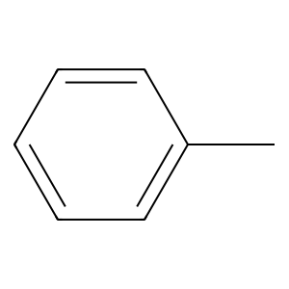
Oc1ccccc1 | 4 | 29 | 0 | 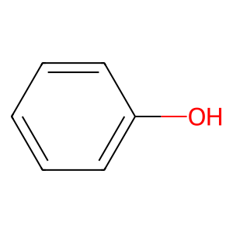
Fc1ccccc1 | 4 | 35 | 0 | 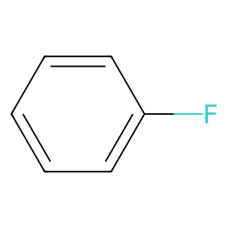
Cc1ccccc1 | 4 | 56 | 0
Cc1ccccc1 | 4 | 59 | 0
Clc1ccccc1 | 4 | 64 | 0
Nc1ccccc1 | 4 | 67 | 0 | 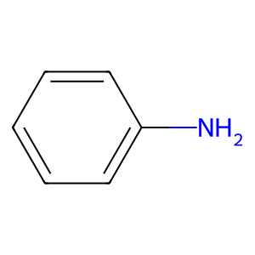
Cc1ccccc1 | 4 | 67 | 0
Cc1cccc(C)c1 | 4 | 70 | 0 | 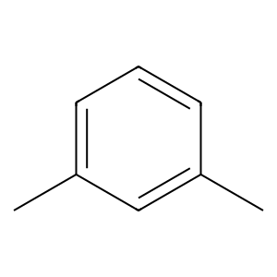
Fc1ccccc1 | 4 | 72 | 0
Clc1ccccc1 | 4 | 79 | 0
Oc1ccccc1 | 4 | 88 | 1
Cc1ccccc1 | 4 | 92 | 1
Fc1cccc(Cl)c1 | 4 | 98 | 0 | 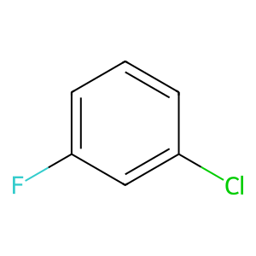
Cc1ccccc1 | 4 | 103 | 0
Cc1ccccc1 | 4 | 110 | 0
Fc1ccccc1 | 4 | 110 | 0
Fc1ccccc1 | 4 | 133 | 0
Nc1ccccc1 | 4 | 134 | 0
Cc1ccccc1 | 4 | 135 | 1
Cc1ccccc1Cl | 4 | 145 | 0 | 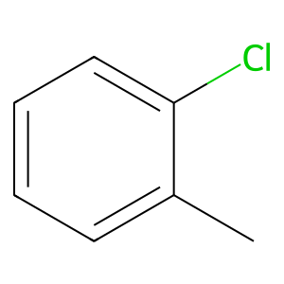
Cc1ccccc1 | 4 | 151 | 1
COc1ccc2ccccc2c1 | 4 | 164 | 0 | 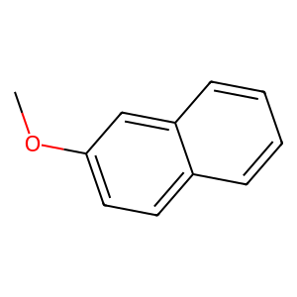
Cc1ccccc1 | 4 | 165 | 0
Cc1ccccc1 | 4 | 167 | 1
Cc1ccccc1 | 4 | 169 | 0
Clc1cccc(Cl)c1 | 4 | 171 | 0 | 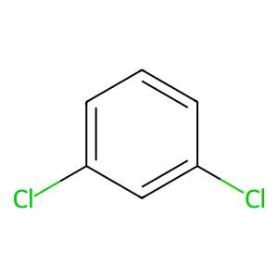
Nc1ccccc1 | 4 | 173 | 0
N#Cc1cccc(F)c1 | 4 | 188 | 1 | 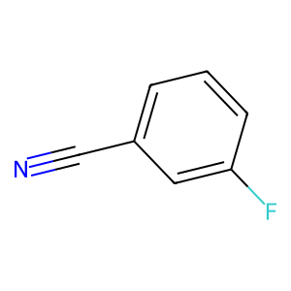
Fc1ccccc1 | 4 | 188 | 1
Cc1ccccc1 | 4 | 194 | 0
Fc1ccccc1 | 4 | 201 | 0
COc1ccccc1O | 4 | 209 | 1 | 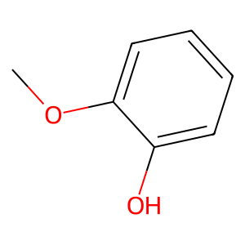
Clc1ccccc1 | 4 | 216 | 0
Cc1ccccc1 | 4 | 230 | 0
Fc1ccc(Cl)cc1F | 4 | 232 | 0 | 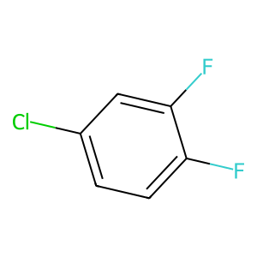
COc1ccccc1C | 4 | 233 | 0 | 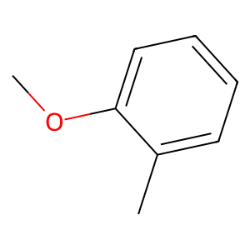
Fc1cc(F)cc(Br)c1 | 4 | 235 | 0 | 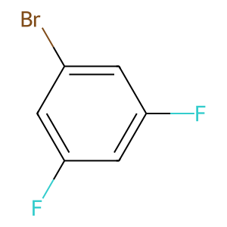
Cc1ccccc1 | 4 | 236 | 0
Cc1cccc(F)c1C | 4 | 247 | 0 | 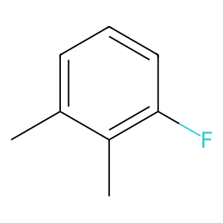
Clc1cccc(Cl)c1 | 4 | 250 | 0
COc1ccc(O)cc1 | 4 | 258 | 0 | 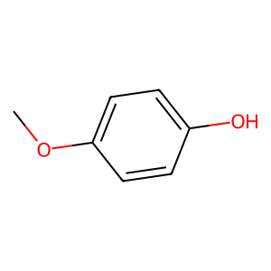
Nc1cccc(N)c1 | 4 | 264 | 0 | 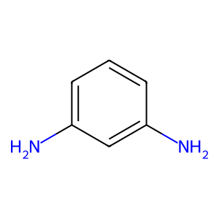
Clc1ccccc1 | 4 | 265 | 0
Oc1ccccc1 | 4 | 267 | 1
Cc1ccccc1N | 4 | 272 | 0 | 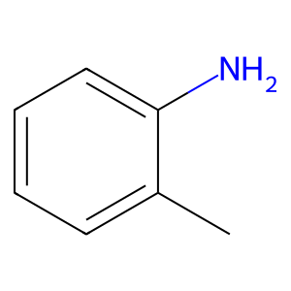
Cc1ccccc1N | 4 | 272 | 0
COc1ccc(N)c(OC)c1OC | 4 | 293 | 0 | 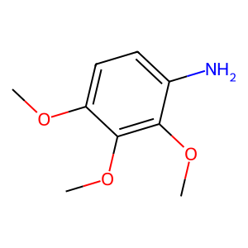
Oc1ccc(Cl)cc1 | 4 | 305 | 1 | 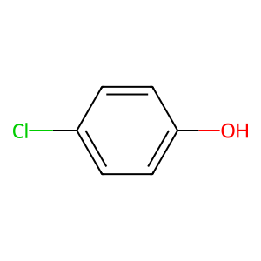
Oc1cccc2cccc(O)c12 | 4 | 331 | 0 | 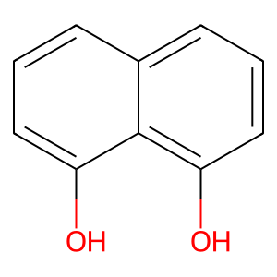
Clc1ccccc1 | 4 | 339 | 1
c1ccc2cnccc2c1 | 4 | 344 | 0 | 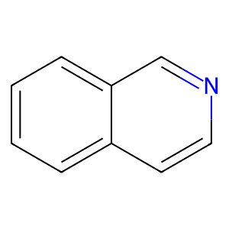
Clc1ccccc1 | 4 | 346 | 0
Brc1ccccc1 | 4 | 368 | 0 | 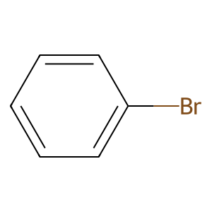
Cc1ccccc1 | 4 | 376 | 0
Brc1ccccc1 | 4 | 382 | 0
Oc1ccc(O)cc1 | 4 | 386 | 0 | 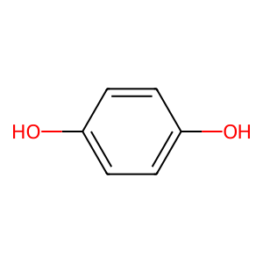
CCc1ccncc1 | 4 | 392 | 0 | 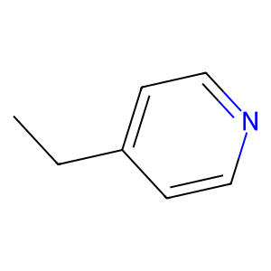
Nc1ccccc1CO | 4 | 394 | 0 | 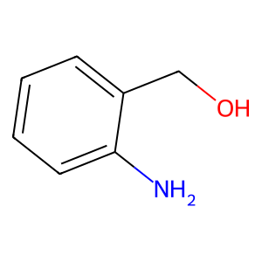
Clc1ccccc1 | 4 | 400 | 0
CCc1ccccc1 | 4 | 407 | 1 | 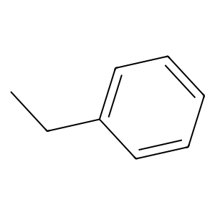
Cc1ccccc1 | 4 | 426 | 0
c1ccc2ccccc2c1 | 4 | 426 | 0 | 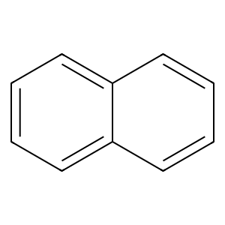
COc1ccccc1C | 4 | 427 | 0
Cc1ccccc1 | 4 | 438 | 0
c1ccc2ccccc2c1 | 4 | 439 | 0
Clc1ccccc1 | 4 | 440 | 0
Cc1ccccc1 | 4 | 443 | 0
Clc1ccccc1 | 4 | 443 | 0
COc1ccccc1O | 4 | 450 | 1
COc1ccccc1O | 4 | 450 | 1
COc1cccc(O)c1OC | 4 | 450 | 1 | 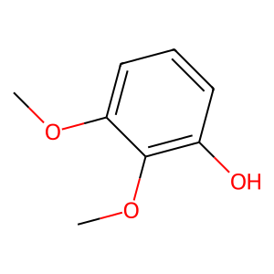
Cc1ccccc1 | 4 | 468 | 0
Clc1cccc(Br)c1 | 4 | 480 | 0 | 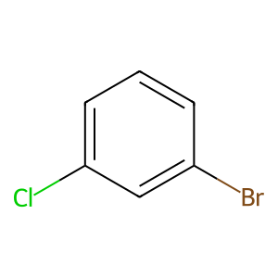
Clc1ccccc1 | 4 | 482 | 0
CC(C)c1ccccc1 | 4 | 487 | 0 | 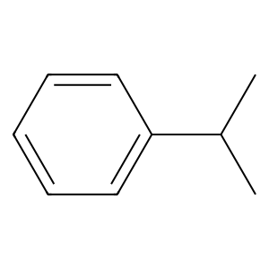
Cc1ccccc1 | 4 | 498 | 0
Cc1ccccc1 | 4 | 498 | 0
CCc1ccccc1 | 4 | 505 | 0
Fc1ccccc1 | 4 | 510 | 0
Cc1ccccc1 | 4 | 512 | 0
Fc1cccc(Cl)c1 | 4 | 517 | 0
Clc1ccccc1 | 4 | 519 | 0
COc1cccc(F)c1 | 4 | 535 | 0 | 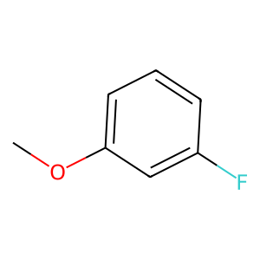
Cc1ccccc1 | 4 | 543 | 0
Clc1ccc(Cl)cc1 | 4 | 549 | 0 | 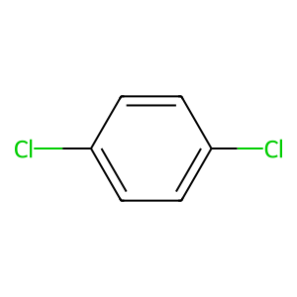
Brc1ccccc1 | 4 | 557 | 0
Brc1ccccc1 | 4 | 557 | 0
Cc1ccccc1 | 4 | 562 | 0
Fc1ccccc1 | 4 | 568 | 0
Cc1ccccc1 | 4 | 573 | 0
Nc1ccccc1 | 4 | 574 | 0
c1ccc2cnccc2c1 | 4 | 594 | 0
COc1cccc(O)c1 | 4 | 602 | 1 | 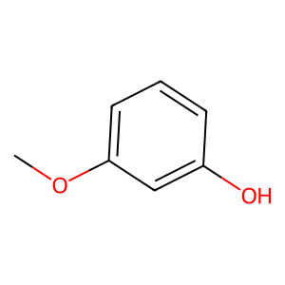
Oc1ccccc1 | 4 | 604 | 0
Fc1cccc(F)c1 | 4 | 631 | 0 | 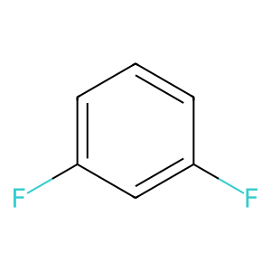
COc1ccccc1O | 4 | 639 | 1
Cc1ccccc1C | 4 | 642 | 0 | 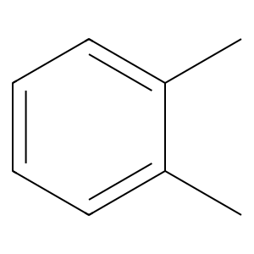
Oc1cccc2ccccc12 | 4 | 646 | 0 | 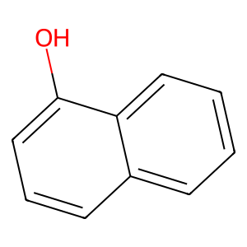
Cc1ccccc1 | 4 | 652 | 0
Nc1ccccc1 | 4 | 653 | 0
Clc1ccccc1 | 4 | 655 | 0
Clc1ccccc1 | 4 | 656 | 0
Brc1ccccc1 | 4 | 656 | 0
c1ccc2ccccc2c1 | 4 | 660 | 0
Clc1cccc(Cl)c1 | 4 | 663 | 0
Clc1cc(Cl)c(Br)c(Cl)c1 | 4 | 673 | 0 | 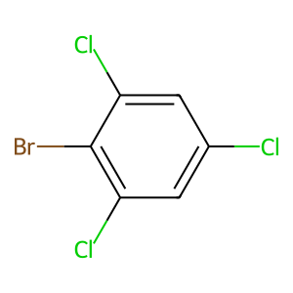
OCc1ccccc1 | 4 | 676 | 0 | 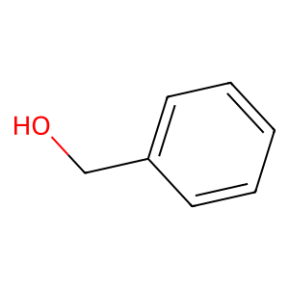
Cc1ccccc1 | 4 | 680 | 0
Cc1ccccc1 | 4 | 680 | 0
CCc1ccccc1 | 4 | 687 | 0
Cc1ccccc1 | 4 | 691 | 1
Nc1ccccc1 | 4 | 698 | 0
Fc1ccccc1 | 4 | 701 | 0
Clc1ccccc1 | 4 | 725 | 0
Clc1ccccc1 | 4 | 738 | 0
Cc1ccccc1 | 4 | 742 | 0
Cc1ccccc1 | 4 | 749 | 0

