Fragments Clusters
SMILES | Cluster | ID Molecola | Real Label | Image | TO+J1:N11T FRAGS |  | TOP CLUSTER ID | TOP CLUSTER NUM | % ON THE TOT
CC1CCCCC1 | 0 | 0 | 0 | 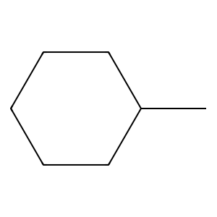 | 1396 | 1 | 3 | 206 | 14.756446991
OC1CCCCC1 | 0 | 0 | 0 | 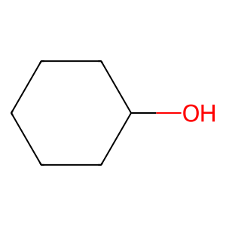 |  | 2 | 1 | 169 | 12.106017192
CC | 1 | 0 | 0 |  |  | 3 | 6 | 125 | 8.9541547278
CCO | 2 | 0 | 0 | 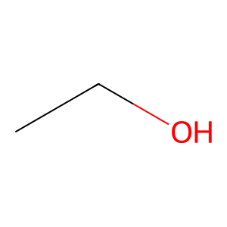 |  | 4 | 15 | 87 | 6.2320916905
C=O | 3 | 0 | 0 |  |  | 5 | 9 | 85 | 6.0888252149
CC1CCCCC1 | 0 | 0 | 0 |  |  | 6 | 14 | 77 | 5.5157593123
C=O | 3 | 0 | 0 |  |  | 7 | 2 | 76 | 5.4441260745
c1ccc2c(c1)OCO2 | 4 | 0 | 0 | 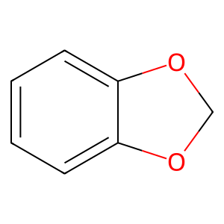 |  | 8 | 35 | 69 | 4.9426934097
CC | 1 | 5 | 0 |  |  | 9 | 0 | 65 | 4.6561604585
N=C=O | 5 | 5 | 0 | 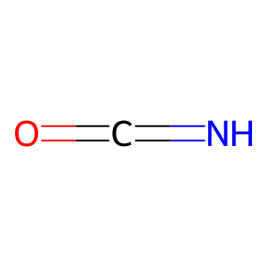 |  | 10 | 21 | 32 | 2.2922636103
CC1CC1 | 0 | 5 | 0 | 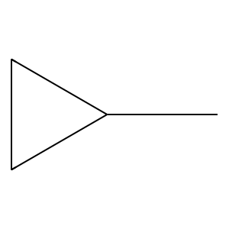 |  |  | 17 | 29 | 2.0773638968
Cc1ccccc1 | 6 | 11 | 0 | 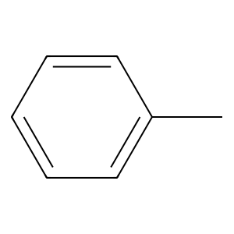 |  |  | 23 | 26
Nc1ccccc1 | 7 | 11 | 0 | 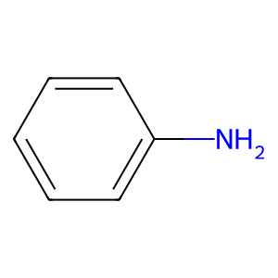 |  |  | 8 | 25
NC1CC1 | 0 | 11 | 0 | 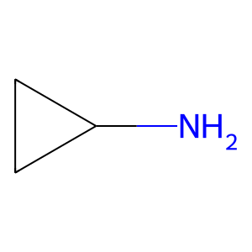 |  |  | 20 | 19
O=C1CCCCN1 | 8 | 13 | 1 | 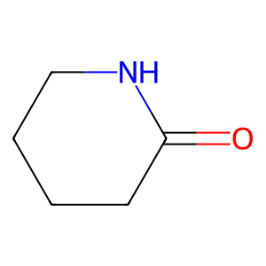 |  |  | 4 | 17
Clc1ccccc1 | 9 | 13 | 1 | 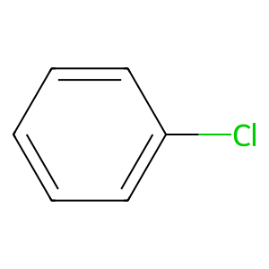 |  |  | 7 | 16
N=O | 10 | 13 | 1 | 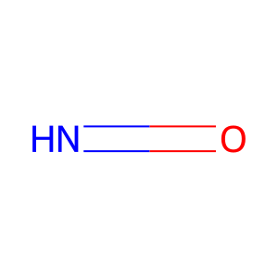 |  |  | 10 | 16
NO | 11 | 13 | 1 | 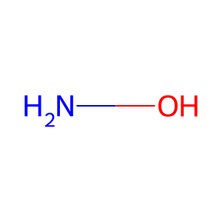 |  |  | 11 | 16
N=O | 10 | 18 | 0 |  |  |  | 18 | 16
NO | 11 | 18 | 0 |  |  |  | 13 | 14
NC1CC1 | 0 | 18 | 0 |  |  |  | 34 | 14
CCC | 2 | 20 | 0 | 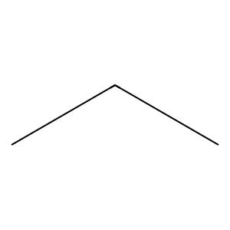 |  |  | 16 | 11
Nc1ncn[nH]1 | -1 | 20 | 0 | 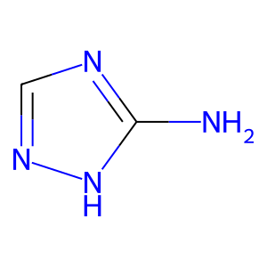 |  |  | 49 | 10
C=O | 3 | 21 | 0 |  |  |  | 29 | 9
CC1CCCCC1 | 0 | 21 | 0 |  |  |  | 27 | 6
Cc1cccnc1 | 6 | 21 | 0 | 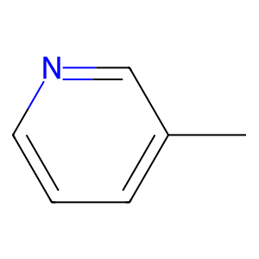 |  |  | 28 | 6
CC | 1 | 22 | 0 |  |  |  | 38 | 6
CC | 1 | 22 | 0 |  |  |  | 46 | 6
c1ccc2scnc2c1 | 6 | 22 | 0 | 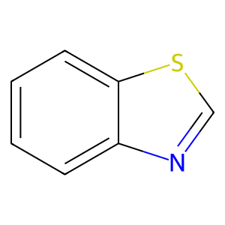 |  |  | 26 | 5
FC1=CCCC=C1 | 12 | 23 | 0 | 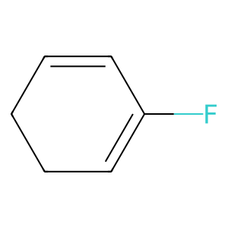 |  |  | 44 | 5
BrC1=CCCC=C1 | 12 | 23 | 0 | 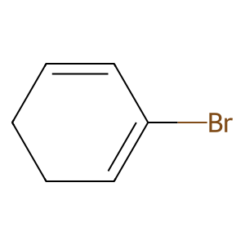 |  |  | 48 | 5
c1ccc2nsnc2c1 | 6 | 23 | 0 | 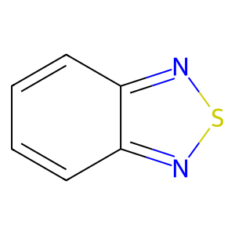 |  |  | 54 | 5
C=O | 3 | 24 | 0 |  |  |  | 12 | 4
CC1CNC1 | 0 | 24 | 0 | 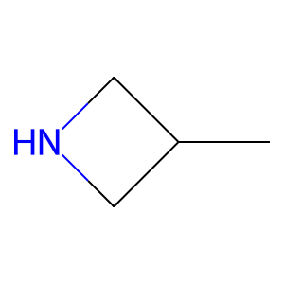 |  |  | 36 | 4
CN1CCOCC1 | 13 | 24 | 0 | 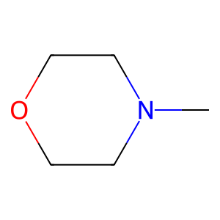 |  |  | 43 | 4
CC | 1 | 25 | 0 |  |  |  | 50 | 4
CC | 1 | 25 | 0 |  |  |  | 5 | 3
C=O | 3 | 25 | 0 |  |  |  | 19 | 3
Clc1ccccc1 | 9 | 25 | 0 |  |  |  | 24 | 3
C=O | 3 | 25 | 0 |  |  |  | 31 | 3
CO | 14 | 25 | 0 | 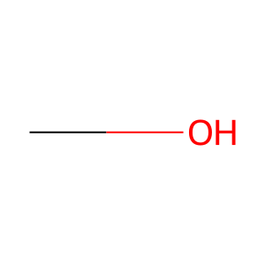 |  |  | 32 | 3
COC | 15 | 26 | 1 | 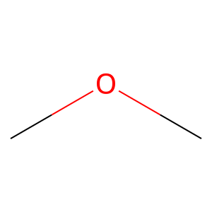 |  |  | 39 | 3
C=O | 3 | 26 | 1 |  |  |  | 40 | 3
Cc1ccccc1 | 6 | 26 | 1 |  |  |  | 47 | 3
Cc1cccnc1 | 6 | 26 | 1 |  |  |  | 55 | 3
CNC | 16 | 29 | 0 | 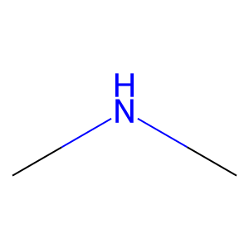 |  |  | 58 | 3
Oc1ccccc1 | 17 | 29 | 0 | 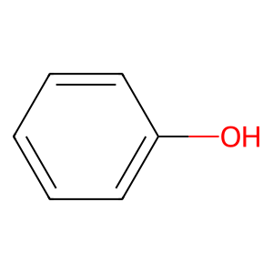 |  |  | 60 | 3
CNC | 16 | 30 | 0 |  |  |  | 22 | 2
CN1CCCCC1 | 13 | 30 | 0 | 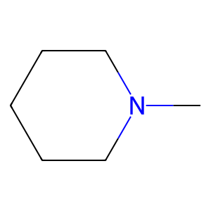 |  |  | 25 | 2
CC#N | 18 | 35 | 0 | 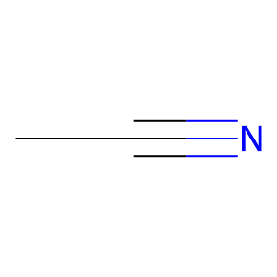 |  |  | 30 | 2
NC1=CCC=CO1 | -1 | 35 | 0 | 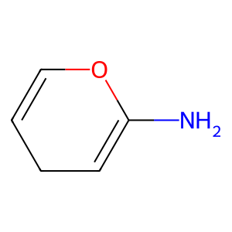 |  |  | 33 | 2
O=C1C=CCCO1 | 19 | 35 | 0 | 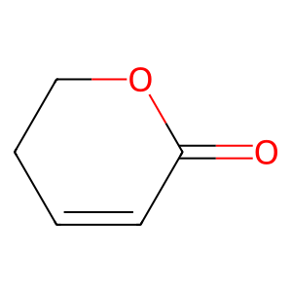 |  |  | 37 | 2
Fc1ccccc1 | 9 | 35 | 0 | 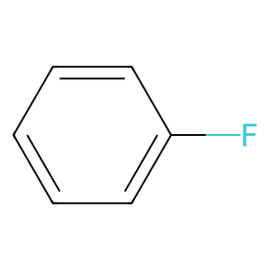 |  |  | 41 | 2
C1=Cc2ccccc2OC1 | 4 | 35 | 0 | 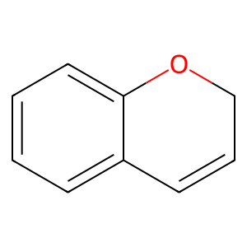 |  |  | 42 | 2
COC | 15 | 37 | 0 |  |  |  | 45 | 2
Nc1ncccn1 | 6 | 37 | 0 | 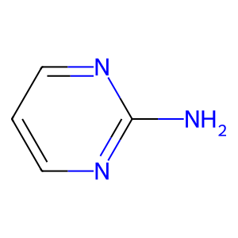 |  |  | 51 | 2
CC | 1 | 39 | 0 |  |  |  | 52 | 2
CC | 1 | 39 | 0 |  |  |  | 53 | 2
CC | 1 | 39 | 0 |  |  |  | 56 | 2
C=O | 3 | 39 | 0 |  |  |  | 57 | 2
C1CC2NCCC2CN1 | 0 | 39 | 0 | 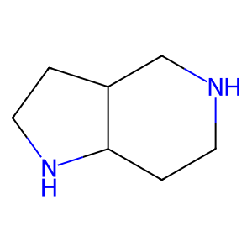 |  |  | 59 | 2
CCO | 2 | 44 | 0 |  |  |  | 61 | 2
C=O | 3 | 44 | 0 |  |  |  | 62 | 2
Cc1ncco1 | 6 | 44 | 0 | 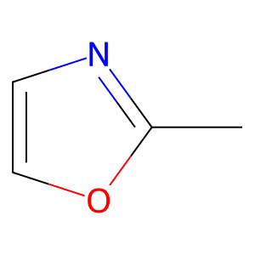 |  |  | 63 | 2
Cc1cocn1 | 6 | 44 | 0 | 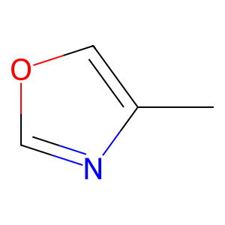 |  |  | 64 | 2
CCC | 2 | 46 | 1
O=C1CCCO1 | 20 | 46 | 1 | 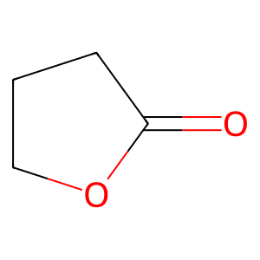
O=C1C=CCCC1 | 20 | 46 | 1 | 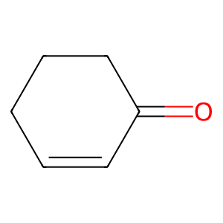
Oc1ccccc1 | 17 | 46 | 1
O=C1C=CCCC1 | 20 | 46 | 1
CNC | 16 | 48 | 0
C=O | 3 | 48 | 0
CC | 1 | 48 | 0
CCO | 2 | 48 | 0
O=S | 21 | 49 | 0 | 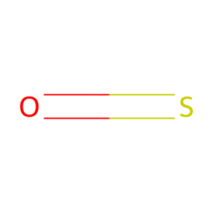
O=S | 21 | 49 | 0
SCl | 22 | 49 | 0 | 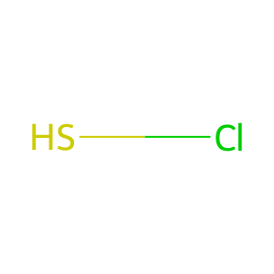
Clc1nccs1 | 6 | 49 | 0 | 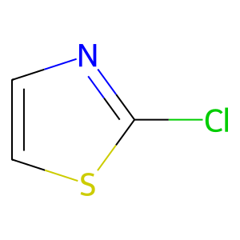
Clc1cscn1 | 6 | 49 | 0 | 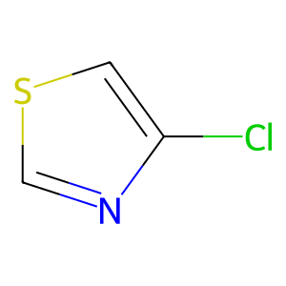
CCN | 2 | 51 | 0 | 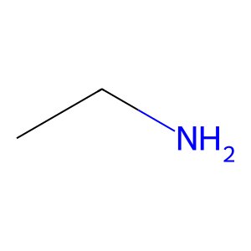
Cc1ncon1 | -1 | 51 | 0 | 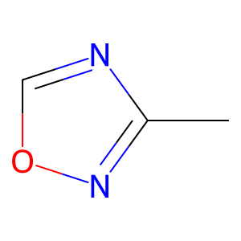
CC | 1 | 53 | 0
CC | 1 | 53 | 0
C=N | -1 | 53 | 0 | 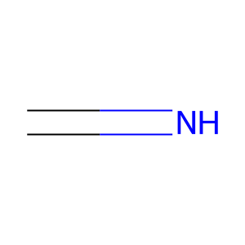
CN | 23 | 53 | 0 | 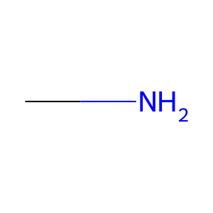
CC1CCCCC1 | 0 | 56 | 0
Cc1ccccc1 | 6 | 56 | 0
OC1CCCC1 | 0 | 56 | 0 | 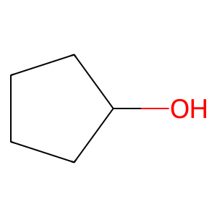
OC1CCCC1 | 0 | 56 | 0
COC | 15 | 59 | 0
Cc1ccccc1 | 6 | 59 | 0
CC | 1 | 60 | 0
CC | 1 | 60 | 0
CC | 1 | 60 | 0
C=O | 3 | 60 | 0
CCI | 2 | 60 | 0 | 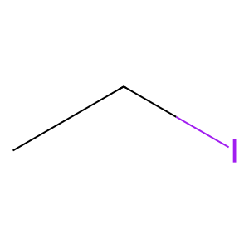
Cc1cccs1 | 6 | 64 | 0 | 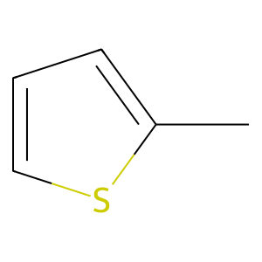
C=O | 3 | 64 | 0
Clc1ccccc1 | 9 | 64 | 0
Cc1cccs1 | 6 | 64 | 0
CC | 1 | 65 | 0
CC#N | 18 | 65 | 0
CCBr | 2 | 65 | 0 | 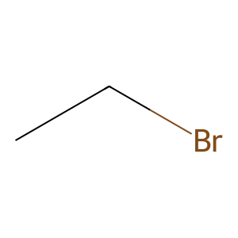
CC | 1 | 65 | 0
CC | 1 | 65 | 0
CC#N | 18 | 65 | 0
CN1CCCCC1 | 13 | 66 | 0
C=O | 3 | 66 | 0
CO | 14 | 66 | 0
Nc1ccccc1 | 7 | 67 | 0
Cc1ccccc1 | 6 | 67 | 0
CC | 1 | 69 | 1
CC | 1 | 69 | 1
NS | 24 | 69 | 1 | 
O=S | 21 | 69 | 1
O=S | 21 | 69 | 1
Cc1ccccc1 | 6 | 70 | 0
Nc1nncs1 | 25 | 70 | 0 | 
Cc1ccccc1 | 6 | 70 | 0
CN | 23 | 72 | 0
C=O | 3 | 72 | 0
CC1CCCCC1 | 0 | 72 | 0
C=O | 3 | 72 | 0
C=O | 3 | 72 | 0
Fc1ccccc1 | 9 | 72 | 0
O=S | 21 | 72 | 0
O=S | 21 | 72 | 0
Sc1ccccc1 | 17 | 72 | 0 | 
CN | 23 | 79 | 0
C=O | 3 | 79 | 0
Clc1ccccc1 | 9 | 79 | 0
C=O | 3 | 79 | 0
CO | 14 | 79 | 0
C=O | 3 | 80 | 0
CO | 14 | 80 | 0
c1ccc2c(c1)CCNC2 | 4 | 80 | 0 | 
CC | 1 | 81 | 0
CC | 1 | 81 | 0
C=O | 3 | 81 | 0
CO | 14 | 81 | 0
N=O | 10 | 81 | 0
NO | 11 | 81 | 0
C=O | 3 | 85 | 0
CCCl | 2 | 85 | 0 | 
Cc1cccs1 | 6 | 85 | 0
NC1CC1 | 0 | 85 | 0
COC | 15 | 88 | 1
C=O | 3 | 88 | 1
Oc1ccccc1 | 17 | 88 | 1
CC#N | 18 | 89 | 1
NC1CCCC1 | 0 | 89 | 1 | 
COC | 15 | 92 | 1
O=C1C=CCCO1 | 19 | 92 | 1
Cc1ccccc1 | 6 | 92 | 1
CC | 1 | 93 | 0
CC | 1 | 93 | 0
CC | 1 | 93 | 0
CC | 1 | 93 | 0
CC | 1 | 93 | 0
CCO | 2 | 93 | 0
CCO | 2 | 98 | 0
Fc1ccccc1 | 9 | 98 | 0
Clc1ccccc1 | 9 | 98 | 0
CN | 23 | 103 | 0
C=O | 3 | 103 | 0
Cc1ccccc1 | 6 | 103 | 0
C=NO | -1 | 103 | 0 | 
N=C=O | 5 | 104 | 0
c1ccc2c(c1)CCCO2 | 4 | 104 | 0 | 
C=C | 26 | 107 | 0 | 
C=O | 3 | 107 | 0
CO | 14 | 107 | 0
CCC | 2 | 107 | 0
C=O | 3 | 107 | 0
COC | 15 | 107 | 0
CCO | 2 | 109 | 0
O=C1COCCN1 | 27 | 109 | 0 | 
CO | 14 | 109 | 0
C=O | 3 | 109 | 0
CC1CCCC1 | 0 | 109 | 0 | 
C=O | 3 | 110 | 0
CO | 14 | 110 | 0
Cc1ccccc1 | 6 | 110 | 0
Fc1ccccc1 | 9 | 110 | 0
C=O | 3 | 112 | 0
CO | 14 | 112 | 0
CO | 14 | 112 | 0
C=O | 3 | 112 | 0
CO | 14 | 112 | 0
CO | 14 | 112 | 0
O=P | 28 | 112 | 0 | 
OP | 29 | 112 | 0 | 
OP | 29 | 112 | 0
CC1=NCNC=C1 | 30 | 113 | 0 | 
CC1=CC=NCN1 | -1 | 113 | 0 | 
CCN | 2 | 113 | 0
CC1=NNCC1 | -1 | 114 | 0 | 
Fc1ccccc1 | 9 | 114 | 0
Clc1cccnn1 | 6 | 118 | 0 | 
Cc1ccccc1 | 6 | 118 | 0
CC | 1 | 119 | 0
CC | 1 | 119 | 0
CC1CCCCC1 | 0 | 119 | 0
C=O | 3 | 119 | 0
CO | 14 | 119 | 0
Cc1cc[nH]n1 | 31 | 120 | 0 | 
Cc1ccsc1 | 32 | 120 | 0 | 
CC1=NCCN=C1 | -1 | 125 | 0 | 
Cc1ccccc1 | 6 | 125 | 0
c1ccc2nccnc2c1 | 6 | 125 | 0 | 
CC | 1 | 129 | 1
CO | 14 | 129 | 1
CN | 23 | 129 | 1
Cc1nccs1 | 6 | 129 | 1 | 
CC | 1 | 133 | 0
CC | 1 | 133 | 0
CC | 1 | 133 | 0
C=O | 3 | 133 | 0
Fc1ccccc1 | 9 | 133 | 0
C=O | 3 | 133 | 0
CO | 14 | 133 | 0
Nc1ccccc1 | 7 | 134 | 0
C=O | 3 | 134 | 0
CN1CCCC1 | 13 | 134 | 0 | 
CC1=CNCC1 | 33 | 135 | 1 | 
CC1=CCCN1 | -1 | 135 | 1 | 
Cc1ccccc1 | 6 | 135 | 1
C=O | 3 | 135 | 1
CO | 14 | 135 | 1
COC | 15 | 137 | 0
CC | 1 | 137 | 0
CO | 14 | 137 | 0
COC | 15 | 140 | 0
CC=O | 34 | 140 | 0 | 
CF | 35 | 144 | 0 | 
CF | 35 | 144 | 0
CF | 35 | 144 | 0
CC1CNCCS1 | 0 | 144 | 0 | 
Cc1ccccc1 | 6 | 145 | 0
O=C1NCCN1 | 8 | 145 | 0 | 
C=O | 3 | 145 | 0
CO | 14 | 145 | 0
O=C1CNCN1 | 8 | 145 | 0 | 
Clc1ccccc1 | 9 | 145 | 0
COC | 15 | 146 | 0
CC1CCCCC1 | 0 | 146 | 0
CC | 1 | 147 | 0
CC | 1 | 147 | 0
CS | 36 | 147 | 0 | 
O=S | 21 | 147 | 0
O=S | 21 | 147 | 0
C=O | 3 | 147 | 0
CO | 14 | 147 | 0
CN | 23 | 151 | 1
CN | 23 | 151 | 1
CN | 23 | 151 | 1
CN | 23 | 151 | 1
Cc1ccccc1 | 6 | 151 | 1
CCO | 2 | 153 | 0
CC | 1 | 153 | 0
CN | 23 | 153 | 0
COC | 15 | 155 | 0
C=O | 3 | 155 | 0
CC1CCCCC1 | 0 | 155 | 0
CC | 1 | 155 | 0
C=O | 3 | 155 | 0
COC | 15 | 155 | 0
OC1CCCCC1 | 0 | 155 | 0
CC1CCCCC1 | 0 | 155 | 0
NC1CCSC1 | 37 | 159 | 0 | 
NC1CCSC1 | 37 | 159 | 0
COC | 15 | 161 | 1
C=O | 3 | 161 | 1
CN | 23 | 161 | 1
C=O | 3 | 161 | 1
CO | 14 | 161 | 1
C=O | 3 | 161 | 1
CO | 14 | 161 | 1
COC | 15 | 163 | 0
OC1CCNCC1 | 0 | 163 | 0 | 
C=O | 3 | 163 | 0
Cc1ccco1 | 6 | 163 | 0 | 
COC | 15 | 163 | 0
COC | 15 | 163 | 0
C1CCC2CNCCC2C1 | 0 | 163 | 0 | 
COC | 15 | 164 | 0
CCN | 2 | 164 | 0
c1ccc2ccccc2c1 | 38 | 164 | 0 | 
CF | 35 | 165 | 0
CF | 35 | 165 | 0
CF | 35 | 165 | 0
Cc1ccccc1 | 6 | 165 | 0
C1CCC2(CC1)OCCO2 | -1 | 165 | 0 | 
CNC | 16 | 167 | 1
COC | 15 | 167 | 1
C=O | 3 | 167 | 1
Cc1ccccc1 | 6 | 167 | 1
CC1CCCN1 | 0 | 167 | 1 | 
Clc1ccccc1 | 9 | 167 | 1
Cc1ccccc1 | 6 | 169 | 0
CC1CCCNC1 | 0 | 169 | 0 | 
CCC | 2 | 171 | 0
O=c1ccnc[nH]1 | 39 | 171 | 0 | 
C=O | 3 | 171 | 0
Clc1ccccc1 | 9 | 171 | 0
Clc1ccccc1 | 9 | 171 | 0
C=C | 26 | 172 | 0
CC | 1 | 172 | 0
CCBr | 2 | 172 | 0
CCN | 2 | 173 | 0
CCN | 2 | 173 | 0
N=O | 10 | 173 | 0
NO | 11 | 173 | 0
Nc1ccccc1 | 7 | 173 | 0
CCC | 2 | 174 | 0
C=O | 3 | 174 | 0
C=O | 3 | 174 | 0
CO | 14 | 174 | 0
c1ccc2sccc2c1 | 6 | 174 | 0 | 
CC=O | 34 | 176 | 0
C=O | 3 | 176 | 0
CO | 14 | 176 | 0
Fc1ccccc1 | 9 | 176 | 0
Fc1ccccc1 | 9 | 176 | 0
CC#N | 18 | 188 | 1
Fc1ccccc1 | 9 | 188 | 1
C=O | 3 | 188 | 1
Fc1ccccc1 | 9 | 188 | 1
Cc1ccccc1 | 6 | 191 | 0
Fc1ccccc1 | 9 | 191 | 0
CCO | 2 | 191 | 0
Fc1ccccc1 | 9 | 191 | 0
Cc1ccccc1 | 6 | 192 | 0
Oc1ccccc1 | 17 | 192 | 0
c1ccc2[nH]ccc2c1 | 40 | 192 | 0 | 
CNC | 16 | 194 | 0
C=O | 3 | 194 | 0
Cc1ccccc1 | 6 | 194 | 0
CC | 1 | 196 | 0
CC | 1 | 196 | 0
CN | 23 | 196 | 0
C=O | 3 | 196 | 0
C=O | 3 | 196 | 0
CO | 14 | 196 | 0
CC | 1 | 196 | 0
CC | 1 | 196 | 0
Oc1ccccc1 | 17 | 198 | 0
Brc1nccs1 | 6 | 198 | 0 | 
CC1=CCCCC1 | 41 | 199 | 0 | 
CC#N | 18 | 199 | 0
CC | 1 | 199 | 0
CC | 1 | 199 | 0
C=O | 3 | 199 | 0
CF | 35 | 199 | 0
CF | 35 | 199 | 0
CF | 35 | 199 | 0
C=O | 3 | 200 | 0
CO | 14 | 200 | 0
CF | 35 | 200 | 0
CF | 35 | 200 | 0
CF | 35 | 200 | 0
CCN | 2 | 201 | 0
Fc1ccccc1 | 9 | 201 | 0
COC | 15 | 202 | 0
C=O | 3 | 202 | 0
CC | 1 | 202 | 0
CC | 1 | 202 | 0
CC | 1 | 202 | 0
CO | 14 | 202 | 0
CC | 1 | 202 | 0
CC | 1 | 202 | 0
CC | 1 | 205 | 0
CC | 1 | 205 | 0
OC1CCCCC1 | 0 | 205 | 0
CC1CCCCC1 | 0 | 205 | 0
CC | 1 | 205 | 0
C=O | 3 | 205 | 0
CO | 14 | 205 | 0
CC | 1 | 207 | 0
C=O | 3 | 207 | 0
CO | 14 | 207 | 0
O=C1COCCN1 | 27 | 207 | 0
c1cnc2c(c1)OCCN2 | -1 | 207 | 0 | 
COC | 15 | 209 | 1
Oc1ccccc1 | 17 | 209 | 1
COC | 15 | 209 | 1
Oc1ccccc1 | 17 | 209 | 1
CN1CCCC1 | 13 | 209 | 1
CCO | 2 | 210 | 0
C=O | 3 | 210 | 0
Cc1c[nH]cn1 | 42 | 210 | 0 | 
CC | 1 | 216 | 0
C=O | 3 | 216 | 0
Clc1ccccc1 | 9 | 216 | 0
CNC | 16 | 221 | 0
NS | 24 | 221 | 0
O=S | 21 | 221 | 0
O=S | 21 | 221 | 0
N=O | 10 | 226 | 1
NO | 11 | 226 | 1
CN1CCNCC1 | 13 | 226 | 1 | 
COC | 15 | 227 | 0
Cc1ccccn1 | 6 | 227 | 0 | 
CC#N | 18 | 228 | 0
O=C1CCCCN1 | 8 | 228 | 0
c1ccc2c(c1)CCCN2 | 4 | 228 | 0 | 
C=O | 3 | 230 | 0
CO | 14 | 230 | 0
C=O | 3 | 230 | 0
O=C1CNCCN1 | 8 | 230 | 0 | 
C=O | 3 | 230 | 0
Cc1ccccc1 | 6 | 230 | 0
Fc1ccccc1 | 9 | 232 | 0
Clc1ccccc1 | 9 | 232 | 0
CF | 35 | 232 | 0
CF | 35 | 232 | 0
CF | 35 | 232 | 0
Fc1ccccc1 | 9 | 232 | 0
COC | 15 | 233 | 0
CC | 1 | 233 | 0
C=O | 3 | 233 | 0
Cc1ccccc1 | 6 | 233 | 0
CO | 14 | 234 | 0
CF | 35 | 234 | 0
CF | 35 | 234 | 0
CF | 35 | 234 | 0
c1ccc2sccc2c1 | 6 | 234 | 0
CCO | 2 | 235 | 0
Fc1ccccc1 | 9 | 235 | 0
Brc1ccccc1 | 9 | 235 | 0 | 
Fc1ccccc1 | 9 | 235 | 0
CC | 1 | 236 | 0
CC | 1 | 236 | 0
CC | 1 | 236 | 0
C=O | 3 | 236 | 0
C=O | 3 | 236 | 0
Cc1ccccc1 | 6 | 236 | 0
C=O | 3 | 236 | 0
CO | 14 | 236 | 0
COC | 15 | 237 | 0
C=O | 3 | 237 | 0
CO | 14 | 237 | 0
O=C1CCCN1 | 8 | 237 | 0 | 
Cc1ccccc1 | 6 | 247 | 0
Fc1ccccc1 | 9 | 247 | 0
Cc1ccccc1 | 6 | 247 | 0
CC | 1 | 249 | 0
CC | 1 | 249 | 0
CC | 1 | 249 | 0
CC | 1 | 249 | 0
CC | 1 | 249 | 0
CC | 1 | 249 | 0
CC | 1 | 249 | 0
CC | 1 | 249 | 0
c1cc2[nH]c1CCNCCCNCCCNCC2 | 43 | 249 | 0 | 
c1cc2[nH]c1CCNCCCNCCCNCC2 | 43 | 249 | 0
c1cc2[nH]c1CCNCCCNCCCNCC2 | 43 | 249 | 0
c1cc2[nH]c1CCNCCCNCCCNCC2 | 43 | 249 | 0
CC | 1 | 250 | 0
CC | 1 | 250 | 0
O=C1NCCO1 | 27 | 250 | 0 | 
Clc1ccccc1 | 9 | 250 | 0
Clc1ccccc1 | 9 | 250 | 0
O=C1COCN1 | 27 | 250 | 0 | 
CCN | 2 | 255 | 0
C=O | 3 | 255 | 0
CC1CCNC1 | 0 | 255 | 0 | 
COC | 15 | 256 | 0
COC | 15 | 256 | 0
Brc1ccccc1 | 9 | 256 | 0
Nc1ccccc1 | 7 | 256 | 0
Brc1ccccc1 | 9 | 256 | 0
CCO | 2 | 258 | 0
COC | 15 | 258 | 0
Oc1ccccc1 | 17 | 258 | 0
CC | 1 | 258 | 0
CO | 14 | 258 | 0
CCN | 2 | 260 | 0
Cc1ccco1 | 6 | 260 | 0
CC#N | 18 | 261 | 0
FC1=CCCC=C1 | 12 | 261 | 0
COC | 15 | 262 | 0
C=O | 3 | 262 | 0
CO | 14 | 262 | 0
CNC | 16 | 264 | 0
C=O | 3 | 264 | 0
Nc1ccccc1 | 7 | 264 | 0
Nc1ccccc1 | 7 | 264 | 0
COC | 15 | 265 | 0
COC | 15 | 265 | 0
C=O | 3 | 265 | 0
Clc1ccccc1 | 9 | 265 | 0
COC | 15 | 265 | 0
CN | 23 | 266 | 0
CCO | 2 | 266 | 0
c1ccc2c(c1)OCO2 | 4 | 266 | 0
CC | 1 | 267 | 1
CN | 23 | 267 | 1
C=O | 3 | 267 | 1
Oc1ccccc1 | 17 | 267 | 1
C=O | 3 | 267 | 1
CO | 14 | 267 | 1
CCN | 2 | 268 | 0
C=O | 3 | 268 | 0
CO | 14 | 268 | 0
CC1CNCCN1 | 0 | 269 | 1 | 
O=C1CNCCN1 | 8 | 269 | 1
O=C1CNCCN1 | 8 | 269 | 1
CC1CCNCC1 | 0 | 271 | 0 | 
C=O | 3 | 271 | 0
CC1CCCN1 | 0 | 271 | 0
Cc1ccccc1 | 6 | 272 | 0
Nc1ccccc1 | 7 | 272 | 0
O=S | 21 | 272 | 0
O=S | 21 | 272 | 0
Nc1ccccc1 | 7 | 272 | 0
Cc1ccccc1 | 6 | 272 | 0
Cc1ccco1 | 6 | 275 | 0
CC1CCNCC1 | 0 | 275 | 0
CC | 1 | 279 | 0
C=O | 3 | 279 | 0
c1cnc2[nH]ccc2c1 | 6 | 279 | 0 | 
CCN | 2 | 280 | 0
Nc1cc[nH]n1 | 31 | 280 | 0 | 
CF | 35 | 280 | 0
CF | 35 | 280 | 0
CF | 35 | 280 | 0
CCC | 2 | 284 | 0
C=O | 3 | 284 | 0
Cc1cc[nH]n1 | 31 | 284 | 0
Cn1cccn1 | 44 | 284 | 0 | 
Cc1ccn[nH]1 | 45 | 284 | 0 | 
CNC | 16 | 291 | 0
Cc1ncco1 | 6 | 291 | 0
COC | 15 | 293 | 0
C=O | 3 | 293 | 0
COC | 15 | 293 | 0
COC | 15 | 293 | 0
COC | 15 | 293 | 0
Nc1ccccc1 | 7 | 293 | 0
C=O | 3 | 294 | 0
CCl | 46 | 294 | 0 | 
C=O | 3 | 294 | 0
CCl | 46 | 294 | 0
CCO | 2 | 298 | 0
C=O | 3 | 298 | 0
C=S | 47 | 298 | 0 | 
CC | 1 | 298 | 0
C=O | 3 | 298 | 0
CC | 1 | 298 | 0
C=O | 3 | 298 | 0
CC | 1 | 298 | 0
C=O | 3 | 298 | 0
CC | 1 | 298 | 0
C=O | 3 | 298 | 0
CC | 1 | 299 | 0
CC | 1 | 299 | 0
CO | 14 | 299 | 0
CCN | 2 | 299 | 0
C=CC | 48 | 301 | 0 | 
CN | 23 | 301 | 0
C=O | 3 | 301 | 0
CC | 1 | 301 | 0
C=O | 3 | 301 | 0
C1CCNCC1 | 49 | 301 | 0 | 
C1CCNCC1 | 49 | 301 | 0
C1CCNCC1 | 49 | 301 | 0
Oc1ccccc1 | 17 | 305 | 1
Clc1ccccc1 | 9 | 305 | 1
Nc1ccccn1 | 6 | 306 | 0 | 
c1cnc2[nH]ncc2c1 | 6 | 306 | 0 | 
C=CC | 48 | 307 | 0
C=O | 3 | 307 | 0
CCO | 2 | 307 | 0
COC | 15 | 322 | 0
COC | 15 | 322 | 0
C=CC | 48 | 325 | 0
C=O | 3 | 325 | 0
C=O | 3 | 325 | 0
CO | 14 | 325 | 0
c1ccc2c(c1)CCC2 | 4 | 325 | 0 | 
c1ccc2c(c1)CCC2 | 4 | 325 | 0
Cn1cccn1 | 44 | 329 | 0
Cc1ccccc1 | 6 | 329 | 0
Cc1ccco1 | 6 | 329 | 0
Cc1ccco1 | 6 | 329 | 0
C1CCNCC1 | 49 | 329 | 0
C1CCNCC1 | 49 | 329 | 0
O=C1C=CCCC1 | 20 | 331 | 0
OC1=CC=CCC1 | 50 | 331 | 0 | 
Oc1ccccc1 | 17 | 331 | 0
O=C1C=CCCC1 | 20 | 331 | 0
Oc1ccccc1 | 17 | 331 | 0
CCC | 2 | 334 | 1
C=O | 3 | 334 | 1
CCO | 2 | 334 | 1
CC=O | 34 | 336 | 0
Fc1cccnc1 | 6 | 336 | 0 | 
Fc1cccnc1 | 6 | 336 | 0
CCC | 2 | 338 | 1
C=O | 3 | 338 | 1
CCC | 2 | 338 | 1
O=C1C=CNCC1 | 51 | 338 | 1 | 
O=C1CCCCN1 | 8 | 339 | 1
O=C1CCCCN1 | 8 | 339 | 1
C=O | 3 | 339 | 1
Clc1ccccc1 | 9 | 339 | 1
c1ccc2c(c1)CCNC2 | 4 | 339 | 1
CN1CCSC1 | -1 | 340 | 1 | 
O=C1CSCN1 | 27 | 340 | 1 | 
CN1CCCCC1 | 13 | 340 | 1
C=O | 3 | 340 | 1
CO | 14 | 340 | 1
CC | 1 | 341 | 0
CC | 1 | 341 | 0
CC1CCCN1 | 0 | 341 | 0
CC | 1 | 344 | 0
C=O | 3 | 344 | 0
c1ccc2cnccc2c1 | 38 | 344 | 0 | 
Cc1cccs1 | 6 | 346 | 0
C=O | 3 | 346 | 0
Clc1ccccc1 | 9 | 346 | 0
Nc1cccs1 | 6 | 346 | 0 | 
C=O | 3 | 351 | 0
CO | 14 | 351 | 0
C=O | 3 | 351 | 0
CF | 35 | 351 | 0
CF | 35 | 351 | 0
COC | 15 | 352 | 0
C=O | 3 | 352 | 0
Cc1ccccc1 | 6 | 352 | 0
CCO | 2 | 357 | 1
CC | 1 | 357 | 1
CC | 1 | 357 | 1
CO | 14 | 357 | 1
OC1CCCC1 | 0 | 357 | 1
O=C1CCCC1 | 20 | 357 | 1 | 
C=O | 3 | 357 | 1
CO | 14 | 357 | 1
CN | 23 | 358 | 1
C=O | 3 | 358 | 1
CO | 14 | 358 | 1
C=O | 3 | 358 | 1
CO | 14 | 358 | 1
CC | 1 | 359 | 0
C=O | 3 | 359 | 0
CC | 1 | 359 | 0
C=O | 3 | 359 | 0
CC | 1 | 359 | 0
C=O | 3 | 359 | 0
CC | 1 | 359 | 0
C=O | 3 | 359 | 0
CC | 1 | 359 | 0
C=O | 3 | 359 | 0
CC | 1 | 359 | 0
C=O | 3 | 359 | 0
CC | 1 | 359 | 0
C=O | 3 | 359 | 0
CC | 1 | 359 | 0
C=O | 3 | 359 | 0
COC | 15 | 363 | 0
C=O | 3 | 363 | 0
CCBr | 2 | 363 | 0
CC1=CC=CCC1 | 50 | 364 | 1 | 
BrC1=CCCC=C1 | 12 | 364 | 1
OC1=CC=CCC1 | 50 | 364 | 1
c1ccc2ncccc2c1 | 6 | 364 | 1 | 
Brc1ccccc1 | 9 | 368 | 0
Cn1cccn1 | 44 | 368 | 0
C=O | 3 | 371 | 0
C=O | 3 | 371 | 0
C=O | 3 | 371 | 0
O=C1NCCN1 | 8 | 371 | 0
C=O | 3 | 371 | 0
O=C1CCCN1 | 8 | 371 | 0
O=C1CCCN1 | 8 | 371 | 0
COC | 15 | 375 | 0
CC=O | 34 | 375 | 0
COC | 15 | 375 | 0
Clc1ccccc1 | 9 | 375 | 0
CCO | 2 | 376 | 0
C=O | 3 | 376 | 0
Cc1ccccc1 | 6 | 376 | 0
Nc1cccs1 | 6 | 376 | 0
Nc1ccccc1 | 7 | 377 | 0
Cc1cncnc1 | 6 | 377 | 0 | 
CC=O | 34 | 378 | 0
Nc1nccs1 | 6 | 378 | 0 | 
Cn1ccnc1 | 52 | 381 | 0 | 
CC1CCNCC1 | 0 | 381 | 0
C=O | 3 | 382 | 0
CO | 14 | 382 | 0
CBr | 53 | 382 | 0 | 
CBr | 53 | 382 | 0
Brc1ccccc1 | 9 | 382 | 0
CNN | 54 | 386 | 0 | 
C=O | 3 | 386 | 0
Oc1ccccc1 | 17 | 386 | 0
Oc1ccccc1 | 17 | 386 | 0
C=C | 26 | 390 | 0
CC | 1 | 390 | 0
O=C1C=CCCC1 | 20 | 390 | 0
O=C1C=CCCC1 | 20 | 390 | 0
C1=CCc2ccccc2C1 | 4 | 390 | 0 | 
CC#N | 18 | 391 | 1
NS | 24 | 391 | 1
O=S | 21 | 391 | 1
O=S | 21 | 391 | 1
CC | 1 | 392 | 0
Cc1ccncc1 | 6 | 392 | 0 | 
Nc1ccn[nH]1 | 45 | 392 | 0 | 
Nc1ccccc1 | 7 | 394 | 0
N=O | 10 | 394 | 0
NO | 11 | 394 | 0
CCO | 2 | 394 | 0
C=O | 3 | 395 | 0
CCl | 46 | 395 | 0
CCCl | 2 | 395 | 0
CCC | 2 | 397 | 0
S=C1NC=CCN1 | -1 | 397 | 0 | 
O=C1C=CNCN1 | 55 | 397 | 0 | 
C=O | 3 | 400 | 0
CO | 14 | 400 | 0
Clc1ccccc1 | 9 | 400 | 0
N=O | 10 | 400 | 0
NO | 11 | 400 | 0
Fc1ccccc1 | 9 | 402 | 0
CC1CCCN1 | 0 | 402 | 0
COC | 15 | 404 | 0
Cc1ncc[nH]1 | -1 | 404 | 0 | 
CC | 1 | 407 | 1
C=O | 3 | 407 | 1
Cc1ccccc1 | 6 | 407 | 1
c1ccc2nccnc2c1 | 6 | 407 | 1
CF | 35 | 410 | 0
CF | 35 | 410 | 0
CF | 35 | 410 | 0
c1nnc2n1CCNC2 | -1 | 410 | 0 | 
C1CNC2CCOCC2C1 | 56 | 411 | 0 | 
C1CNC2CCOCC2C1 | 56 | 411 | 0
CC1=CCNC=N1 | -1 | 412 | 0 | 
CN1CCCC1 | 13 | 412 | 0
O=c1ccnc[nH]1 | 39 | 412 | 0
C=O | 3 | 412 | 0
CO | 14 | 412 | 0
C=O | 3 | 413 | 0
CO | 14 | 413 | 0
C=O | 3 | 413 | 0
CO | 14 | 413 | 0
CF | 35 | 413 | 0
CF | 35 | 413 | 0
CF | 35 | 413 | 0
C=O | 3 | 415 | 0
CO | 14 | 415 | 0
N=O | 10 | 415 | 0
NO | 11 | 415 | 0
C1CCCCC1 | 57 | 415 | 0 | 
CC1=CCCCC1 | 41 | 422 | 0
C=O | 3 | 422 | 0
CC | 1 | 422 | 0
CC | 1 | 422 | 0
CC | 1 | 422 | 0
CC | 1 | 422 | 0
C=O | 3 | 422 | 0
CN | 23 | 422 | 0
Cc1cccnc1 | 6 | 422 | 0
CCC | 2 | 425 | 0
CC#N | 18 | 425 | 0
C1CCCC1 | 57 | 425 | 0 | 
C=O | 3 | 426 | 0
O=S | 21 | 426 | 0
O=S | 21 | 426 | 0
Cc1ccccc1 | 6 | 426 | 0
c1ccc2ccccc2c1 | 38 | 426 | 0
COC | 15 | 427 | 0
C=O | 3 | 427 | 0
CO | 14 | 427 | 0
Cc1ccccc1 | 6 | 427 | 0
Sc1ccccc1 | 17 | 431 | 0
Brc1ccccc1 | 9 | 431 | 0
Clc1ccccc1 | 9 | 431 | 0
Cc1ccccc1 | 6 | 436 | 0
Clc1ccccc1 | 9 | 436 | 0
CC=O | 34 | 436 | 0
Cc1ccccc1 | 6 | 436 | 0
Cc1ccccc1 | 6 | 437 | 1
CC1CCCCN1 | 0 | 437 | 1 | 
Brc1cccnc1 | 6 | 438 | 0 | 
Cc1ccccc1 | 6 | 438 | 0
c1ccc2ccccc2c1 | 38 | 439 | 0
CC | 1 | 440 | 0
C=O | 3 | 440 | 0
C=O | 3 | 440 | 0
O=S | 21 | 440 | 0
O=S | 21 | 440 | 0
Clc1ccccc1 | 9 | 440 | 0
Cc1ccccc1 | 6 | 443 | 0
Clc1ccccc1 | 9 | 443 | 0
Cc1cnco1 | 6 | 443 | 0 | 
O=c1ccnc[nH]1 | 39 | 443 | 0
C=CC | 48 | 444 | 0
O=C1CCCCO1 | 20 | 444 | 0 | 
C=C1CCCOC1 | -1 | 444 | 0 | 
OC1CCCCC1 | 0 | 444 | 0
C=C | 26 | 444 | 0
C=O | 3 | 444 | 0
COC | 15 | 444 | 0
OC1CCCCC1 | 0 | 444 | 0
CCO | 2 | 446 | 0
C=O | 3 | 446 | 0
CC#N | 18 | 446 | 0
COC | 15 | 447 | 0
CN | 23 | 447 | 0
C=S | 47 | 447 | 0
COC | 15 | 447 | 0
COC | 15 | 450 | 1
COC | 15 | 450 | 1
Oc1ccccc1 | 17 | 450 | 1
COC | 15 | 450 | 1
COC | 15 | 450 | 1
COC | 15 | 450 | 1
Oc1ccccc1 | 17 | 450 | 1
Oc1ccccc1 | 17 | 450 | 1
COC | 15 | 450 | 1
COC | 15 | 450 | 1
CCO | 2 | 455 | 0
Cc1ncco1 | 6 | 455 | 0
C=O | 3 | 455 | 0
CO | 14 | 455 | 0
CC | 1 | 461 | 0
CN | 23 | 461 | 0
CN | 23 | 461 | 0
C=O | 3 | 461 | 0
CNC | 16 | 462 | 1
CCO | 2 | 462 | 1
NC1CCCOC1 | 0 | 462 | 1 | 
OC1CCOCC1 | 0 | 462 | 1 | 
OC1CCCOC1 | 0 | 462 | 1 | 
NC1CCCOC1 | 0 | 462 | 1
NC1CCCCC1 | 0 | 462 | 1 | 
NC1CCCCC1 | 0 | 462 | 1
OC1CCCCC1 | 0 | 462 | 1
OC1CCCCC1 | 0 | 462 | 1
OC1CCOCC1 | 0 | 462 | 1
CC=O | 34 | 463 | 0
Clc1ccccc1 | 9 | 463 | 0
Fc1ccccc1 | 9 | 463 | 0
CC | 1 | 466 | 0
CC | 1 | 466 | 0
CC | 1 | 466 | 0
C=O | 3 | 466 | 0
Cc1ccco1 | 6 | 466 | 0
Cc1ccccc1 | 6 | 468 | 0
C=O | 3 | 468 | 0
CO | 14 | 468 | 0
N=O | 10 | 468 | 0
NO | 11 | 468 | 0
Cc1cccnc1 | 6 | 471 | 0
c1ccc2scnc2c1 | 6 | 471 | 0
CC | 1 | 475 | 0
CC | 1 | 475 | 0
CCN | 2 | 475 | 0
Cc1ccccc1 | 6 | 475 | 0
COC | 15 | 476 | 0
O=C1COCCN1 | 27 | 476 | 0
C=O | 3 | 476 | 0
CC | 1 | 476 | 0
CC | 1 | 476 | 0
CC | 1 | 476 | 0
CCO | 2 | 476 | 0
CF | 35 | 480 | 0
CF | 35 | 480 | 0
CF | 35 | 480 | 0
Clc1ccccc1 | 9 | 480 | 0
Brc1ccccc1 | 9 | 480 | 0
Cc1ccccc1 | 6 | 481 | 1
Cc1ccccc1 | 6 | 481 | 1
CC=O | 34 | 481 | 1
Cc1ccccc1 | 6 | 481 | 1
CC | 1 | 482 | 0
C=O | 3 | 482 | 0
CC | 1 | 482 | 0
C=O | 3 | 482 | 0
Clc1ccccc1 | 9 | 482 | 0
O=C1NC=NCN1 | 58 | 483 | 0 | 
Brc1cn[nH]c1 | -1 | 483 | 0 | 
CCC | 2 | 484 | 0
CCN | 2 | 484 | 0
COC | 15 | 486 | 0
C=O | 3 | 486 | 0
Cc1cccs1 | 6 | 486 | 0
c1ccc2[nH]ccc2c1 | 40 | 486 | 0
CCC | 2 | 487 | 0
C=O | 3 | 487 | 0
CC | 1 | 487 | 0
CC | 1 | 487 | 0
Cc1ccccc1 | 6 | 487 | 0
NC1=NCNC=C1 | 30 | 490 | 0 | 
O=c1nccc[nH]1 | -1 | 490 | 0 | 
OC1CCOC1 | 0 | 490 | 0 | 
O=P | 28 | 490 | 0
OP | 29 | 490 | 0
O=P | 28 | 490 | 0
OP | 29 | 490 | 0
O=P | 28 | 490 | 0
OP | 29 | 490 | 0
OP | 29 | 490 | 0
IC1=CNCN=C1 | -1 | 490 | 0 | 
COC | 15 | 492 | 0
Clc1ccncn1 | 6 | 492 | 0 | 
COC | 15 | 493 | 0
COC | 15 | 493 | 0
CC | 1 | 493 | 0
CC | 1 | 493 | 0
COC | 15 | 498 | 0
C=O | 3 | 498 | 0
Cc1ccccc1 | 6 | 498 | 0
Cc1ccccc1 | 6 | 498 | 0
CC#N | 18 | 500 | 0
CC#N | 18 | 500 | 0
Cc1ccccn1 | 6 | 500 | 0
CN1CCCNCC1 | 13 | 501 | 0 | 
C=O | 3 | 501 | 0
CN1CCCC1 | 13 | 501 | 0
O=C1CCNCCN1 | 8 | 501 | 0 | 
Cc1csnn1 | -1 | 501 | 0 | 
C=C | 26 | 502 | 0
CC | 1 | 502 | 0
C=O | 3 | 502 | 0
Fc1ccccc1 | 9 | 502 | 0
Fc1ccccc1 | 9 | 502 | 0
Fc1ccccc1 | 9 | 502 | 0
Fc1ccccc1 | 9 | 502 | 0
Fc1ccccc1 | 9 | 502 | 0
CC | 1 | 505 | 0
CC#N | 18 | 505 | 0
Cc1ccccc1 | 6 | 505 | 0
Cc1ccco1 | 6 | 508 | 0
CC1COCCN1 | -1 | 508 | 0 | 
CCO | 2 | 510 | 0
C=O | 3 | 510 | 0
CCO | 2 | 510 | 0
O=c1cc[nH]cn1 | -1 | 510 | 0 | 
Fc1ccccc1 | 9 | 510 | 0
CC=O | 34 | 511 | 0
N=O | 10 | 511 | 0
NO | 11 | 511 | 0
N=O | 10 | 511 | 0
NO | 11 | 511 | 0
Cc1ccccc1 | 6 | 512 | 0
Cc1ccco1 | 6 | 512 | 0
CN1C=CCNC1 | -1 | 513 | 0 | 
CC=O | 34 | 513 | 0
O=C1C=CNCN1 | 55 | 513 | 0
CN1CC=CNC1 | -1 | 513 | 0 | 
O=C1NC=CCN1 | 58 | 513 | 0 | 
Nc1nncs1 | 25 | 517 | 0
Clc1ccccc1 | 9 | 517 | 0
Fc1ccccc1 | 9 | 517 | 0
CC | 1 | 519 | 0
C=O | 3 | 519 | 0
CO | 14 | 519 | 0
Clc1ccccc1 | 9 | 519 | 0
Cc1ccccc1 | 6 | 521 | 1
CCO | 2 | 521 | 1
CCO | 2 | 521 | 1
O=C1C=CCC1 | 20 | 521 | 1 | 
CC1CC=CC1 | 0 | 521 | 1 | 
CSC | -1 | 523 | 0 | 
C=O | 3 | 523 | 0
O=C1CCNCCN1 | 8 | 523 | 0
Clc1ccccc1 | 9 | 523 | 0
O=C1CNCCCN1 | 8 | 523 | 0 | 
COC | 15 | 524 | 0
C=O | 3 | 524 | 0
CO | 14 | 524 | 0
CC1=CNCC=C1 | 59 | 525 | 0 | 
CC1CCCC1 | 0 | 526 | 1
C=O | 3 | 526 | 1
CO | 14 | 526 | 1
CN1CCCCC1 | 13 | 528 | 0
O=C1CCCCN1 | 8 | 528 | 0
C=O | 3 | 528 | 0
CO | 14 | 528 | 0
Cc1cccs1 | 6 | 528 | 0
COC | 15 | 530 | 0
C=O | 3 | 530 | 0
CCN | 2 | 530 | 0
Cc1ccco1 | 6 | 530 | 0
CC | 1 | 532 | 0
CC | 1 | 532 | 0
CC | 1 | 532 | 0
C=O | 3 | 532 | 0
C=O | 3 | 532 | 0
c1ccc2c(c1)OCCO2 | 4 | 532 | 0 | 
COC | 15 | 535 | 0
C=O | 3 | 535 | 0
Fc1ccccc1 | 9 | 535 | 0
COC | 15 | 535 | 0
C=O | 3 | 537 | 0
CO | 14 | 537 | 0
OC1=CNCC=C1 | 59 | 537 | 0 | 
O=c1cccc[nH]1 | -1 | 537 | 0 | 
C=O | 3 | 537 | 0
CO | 14 | 537 | 0
CCC | 2 | 540 | 0
Cc1cccs1 | 6 | 540 | 0
COC | 15 | 541 | 0
CC1CO1 | 60 | 541 | 0 | 
CCO | 2 | 542 | 1
C=O | 3 | 542 | 1
C=O | 3 | 542 | 1
CO | 14 | 542 | 1
C=O | 3 | 543 | 0
CO | 14 | 543 | 0
C=O | 3 | 543 | 0
Cc1ccccc1 | 6 | 543 | 0
C=O | 3 | 543 | 0
CO | 14 | 543 | 0
CCO | 2 | 544 | 1
C=O | 3 | 544 | 1
CN | 23 | 544 | 1
C=O | 3 | 544 | 1
CCO | 2 | 544 | 1
C=O | 3 | 544 | 1
CCO | 2 | 544 | 1
CC | 1 | 549 | 0
CO | 14 | 549 | 0
Clc1ccccc1 | 9 | 549 | 0
Clc1ccccc1 | 9 | 549 | 0
COC | 15 | 552 | 0
C=O | 3 | 552 | 0
C=O | 3 | 552 | 0
CC | 1 | 552 | 0
CC | 1 | 552 | 0
CC | 1 | 552 | 0
CNC | 16 | 555 | 0
CC1CCCCO1 | 60 | 555 | 0 | 
C=O | 3 | 557 | 0
C=O | 3 | 557 | 0
Brc1ccccc1 | 9 | 557 | 0
Brc1ccccc1 | 9 | 557 | 0
Cc1ccccc1 | 6 | 562 | 0
O=S | 21 | 562 | 0
O=S | 21 | 562 | 0
C=O | 3 | 562 | 0
CO | 14 | 562 | 0
N=O | 10 | 566 | 0
NO | 11 | 566 | 0
OC1CCNC1 | 0 | 566 | 0 | 
N=O | 10 | 566 | 0
NO | 11 | 566 | 0
Fc1ccccc1 | 9 | 568 | 0
CF | 35 | 568 | 0
CF | 35 | 568 | 0
CN1CCNCC1 | 13 | 568 | 0
CCC | 2 | 570 | 0
CC1CCCC1 | 0 | 570 | 0
CC=O | 34 | 571 | 0
Clc1ccsc1 | 32 | 571 | 0 | 
C=CC | 48 | 573 | 0
C=O | 3 | 573 | 0
CO | 14 | 573 | 0
Cc1ccccc1 | 6 | 573 | 0
CC | 1 | 574 | 0
CC | 1 | 574 | 0
CC | 1 | 574 | 0
C=O | 3 | 574 | 0
Nc1ccccc1 | 7 | 574 | 0
CCO | 2 | 580 | 0
OC1CCCCC1 | 0 | 580 | 0
C=O | 3 | 580 | 0
c1ccc2c(c1)OCO2 | 4 | 580 | 0
CC | 1 | 581 | 0
CO | 14 | 581 | 0
Oc1ccccc1 | 17 | 581 | 0
Oc1ccccc1 | 17 | 581 | 0
O=C1C=COCC1 | 61 | 581 | 0 | 
CNS | 54 | 582 | 0 | 
O=S | 21 | 582 | 0
O=S | 21 | 582 | 0
C=O | 3 | 582 | 0
CO | 14 | 582 | 0
CC | 1 | 585 | 0
C=O | 3 | 585 | 0
C=O | 3 | 585 | 0
C=O | 3 | 585 | 0
CC | 1 | 585 | 0
CN | 23 | 585 | 0
C=O | 3 | 585 | 0
OC1CC=CCC1 | 0 | 585 | 0 | 
OC1CC=CCC1 | 0 | 585 | 0
Cc1cccs1 | 6 | 589 | 0
Cc1ccsc1 | 32 | 589 | 0
Cc1ccccc1 | 6 | 589 | 0
C=O | 3 | 594 | 0
CO | 14 | 594 | 0
c1ccc2cnccc2c1 | 38 | 594 | 0
C=C1CC=CC1 | -1 | 595 | 0 | 
O=C1C=CCC1 | 20 | 595 | 0
OC1CCC=CCCCCC1 | 0 | 595 | 0 | 
O=C1CCCC=CCCCC1 | 20 | 595 | 0 | 
CC1CCCC=CCCCC1 | 0 | 595 | 0 | 
CC | 1 | 595 | 0
CC | 1 | 595 | 0
OC1C=CCCCCCCC1 | 0 | 595 | 0 | 
COC | 15 | 596 | 0
Nc1ccccn1 | 6 | 596 | 0
COC | 15 | 596 | 0
CC1CCCCN1 | 0 | 598 | 0
NC1CCNCC1 | 0 | 598 | 0 | 
CN1CCCCC1 | 13 | 598 | 0
COC | 15 | 602 | 1
Oc1ccccc1 | 17 | 602 | 1
Oc1ccccc1 | 17 | 602 | 1
O=C1C=COCC1 | 61 | 602 | 1
CC | 1 | 602 | 1
CC | 1 | 602 | 1
CC=O | 34 | 604 | 0
Oc1ccccc1 | 17 | 604 | 0
COC | 15 | 607 | 0
CC | 1 | 607 | 0
C=O | 3 | 607 | 0
CS | 36 | 608 | 0
O=S | 21 | 608 | 0
O=S | 21 | 608 | 0
CNN | 54 | 608 | 0
CC=O | 34 | 609 | 0
Cc1ccncn1 | 6 | 609 | 0 | 
CN | 23 | 613 | 0
C=O | 3 | 613 | 0
O=C1NCCN1 | 8 | 613 | 0
O=C1CNCN1 | 8 | 613 | 0
C1CCC2(C1)CNCN2 | -1 | 613 | 0 | 
Nc1cccnc1 | 6 | 620 | 0 | 
c1cnc2c(c1)CCCO2 | 4 | 620 | 0 | 
C#CC | 62 | 627 | 0 | 
C1=CCCC=C1 | 63 | 627 | 0 | 
c1ccccc1 | 64 | 627 | 0 | 
N=C=S | 5 | 628 | 0 | 
c1ccc2c(c1)CCCC2 | 4 | 628 | 0 | 
CC1CO1 | 60 | 631 | 0
Cn1cncn1 | -1 | 631 | 0 | 
Fc1ccccc1 | 9 | 631 | 0
Fc1ccccc1 | 9 | 631 | 0
COC | 15 | 632 | 0
CS | 36 | 632 | 0
O=S | 21 | 632 | 0
O=S | 21 | 632 | 0
C1CCNCC1 | 49 | 632 | 0
C1CCNCC1 | 49 | 632 | 0
N=O | 10 | 634 | 0
NO | 11 | 634 | 0
CF | 35 | 634 | 0
CF | 35 | 634 | 0
CF | 35 | 634 | 0
O=C1CCCCN1 | 8 | 637 | 1
O=C1CCCN1 | 8 | 637 | 1
Oc1ccccc1 | 17 | 637 | 1
O=C1CCCN1 | 8 | 637 | 1
O=C1CCCCN1 | 8 | 637 | 1
ON1CCCCC1 | -1 | 637 | 1 | 
CC | 1 | 638 | 0
CC | 1 | 638 | 0
O=C1CCCCC1 | 20 | 638 | 0 | 
CC | 1 | 638 | 0
C=O | 3 | 638 | 0
CO | 14 | 638 | 0
CC1CCCCC1 | 0 | 638 | 0
COC | 15 | 639 | 1
CO | 14 | 639 | 1
COC | 15 | 639 | 1
COC | 15 | 639 | 1
COC | 15 | 639 | 1
Oc1ccccc1 | 17 | 639 | 1
CN | 23 | 641 | 0
CF | 35 | 641 | 0
CF | 35 | 641 | 0
CF | 35 | 641 | 0
CF | 35 | 641 | 0
CF | 35 | 641 | 0
Cc1ccccc1 | 6 | 642 | 0
CC#N | 18 | 642 | 0
Cc1ccccc1 | 6 | 642 | 0
CC | 1 | 643 | 1
CC | 1 | 643 | 1
C=O | 3 | 643 | 1
CC | 1 | 643 | 1
CC | 1 | 643 | 1
CC | 1 | 643 | 1
Cc1nnco1 | -1 | 643 | 1 | 
CC | 1 | 645 | 0
CC | 1 | 645 | 0
O=S | 21 | 645 | 0
O=S | 21 | 645 | 0
SCl | 22 | 645 | 0
O=C1CCCC1 | 20 | 645 | 0
OC1=CC=CCC1 | 50 | 646 | 0
C1=CCCC=C1 | 63 | 646 | 0
c1ccccc1 | 64 | 646 | 0
CNC | 16 | 648 | 0
CC | 1 | 648 | 0
CC | 1 | 648 | 0
Cc1ccccc1 | 6 | 652 | 0
CC | 1 | 652 | 0
CCl | 46 | 652 | 0
CCC | 2 | 653 | 0
O=S | 21 | 653 | 0
O=S | 21 | 653 | 0
Nc1ccccc1 | 7 | 653 | 0
CNN | 54 | 655 | 0
C=S | 47 | 655 | 0
Clc1ccccc1 | 9 | 655 | 0
Clc1ccccc1 | 9 | 656 | 0
Brc1ccccc1 | 9 | 656 | 0
CCN | 2 | 660 | 0
C=O | 3 | 660 | 0
Cn1cccn1 | 44 | 660 | 0
C1CCNCC1 | 49 | 660 | 0
C1CCNCC1 | 49 | 660 | 0
c1ccc2ccccc2c1 | 38 | 660 | 0
C1CCNCC1 | 49 | 660 | 0
Cc1c[nH]cn1 | 42 | 661 | 0
Cn1ccnc1 | 52 | 661 | 0
CS | 36 | 662 | 0
O=S | 21 | 662 | 0
O=S | 21 | 662 | 0
CF | 35 | 662 | 0
CF | 35 | 662 | 0
CF | 35 | 662 | 0
CC | 1 | 663 | 0
C=O | 3 | 663 | 0
Clc1ccccc1 | 9 | 663 | 0
Clc1ccccc1 | 9 | 663 | 0
CCC | 2 | 664 | 0
C=O | 3 | 664 | 0
c1ccc2[nH]ccc2c1 | 40 | 664 | 0
CC | 1 | 665 | 0
CC | 1 | 665 | 0
CCO | 2 | 665 | 0
Cc1ccccn1 | 6 | 665 | 0
C#CC | 62 | 667 | 0
c1ccc2c(c1)CCCC2 | 4 | 667 | 0
C=O | 3 | 671 | 0
CO | 14 | 671 | 0
Oc1ccccc1 | 17 | 671 | 0
O=C1CCCCC1 | 20 | 671 | 0
Oc1ccccc1 | 17 | 671 | 0
Clc1ccccc1 | 9 | 671 | 0
Oc1ccccc1 | 17 | 671 | 0
O=C1CCCCC1 | 20 | 671 | 0
Clc1ccccc1 | 9 | 673 | 0
Clc1ccccc1 | 9 | 673 | 0
Brc1ccccc1 | 9 | 673 | 0
Clc1ccccc1 | 9 | 673 | 0
CON | 15 | 676 | 0 | 
CN | 23 | 676 | 0
C=O | 3 | 676 | 0
CO | 14 | 676 | 0
Cc1ccccc1 | 6 | 676 | 0
COC | 15 | 680 | 0
Cc1ccccc1 | 6 | 680 | 0
Cc1ccccc1 | 6 | 680 | 0
COC | 15 | 680 | 0
CCN | 2 | 683 | 0
CCl | 46 | 683 | 0
CCl | 46 | 683 | 0
CC | 1 | 687 | 0
C=O | 3 | 687 | 0
O=C1CCN=CN1 | -1 | 687 | 0 | 
Cc1ccccc1 | 6 | 687 | 0
C1=Nc2ccccc2CN1 | -1 | 687 | 0 | 
CCO | 2 | 691 | 1
C=O | 3 | 691 | 1
Cc1ccccc1 | 6 | 691 | 1
O=C1C=CNCC1 | 51 | 691 | 1
Nc1ccccc1 | 7 | 698 | 0
C=O | 3 | 698 | 0
CCO | 2 | 698 | 0
C=O | 3 | 699 | 0
CO | 14 | 699 | 0
CO | 14 | 699 | 0
Cc1cccnc1 | 6 | 699 | 0
O=P | 28 | 699 | 0
OP | 29 | 699 | 0
OP | 29 | 699 | 0
NC1CCNC1 | 0 | 701 | 0 | 
Fc1ccccc1 | 9 | 701 | 0
CC1=CNCNC1 | 33 | 703 | 0 | 
O=P | 28 | 703 | 0
OP | 29 | 703 | 0
O=C1NC=CCN1 | 58 | 703 | 0
O=C1C=CNCN1 | 55 | 703 | 0
COC | 15 | 705 | 1
CC | 1 | 705 | 1
C=O | 3 | 705 | 1
CO | 14 | 705 | 1
COC | 15 | 705 | 1
CC#N | 18 | 706 | 0
N=O | 10 | 706 | 0
NO | 11 | 706 | 0
COC | 15 | 710 | 0
CC | 1 | 710 | 0
C=O | 3 | 710 | 0
CC | 1 | 710 | 0
CC | 1 | 710 | 0
C=O | 3 | 710 | 0
CO | 14 | 710 | 0
O=C1C=CCCO1 | 19 | 710 | 0
CNN | 54 | 711 | 0
CF | 35 | 711 | 0
CF | 35 | 711 | 0
CF | 35 | 711 | 0
CF | 35 | 711 | 0
COC | 15 | 713 | 0
COC | 15 | 713 | 0
O=C1C=CCC=C1 | 20 | 713 | 0 | 
COC | 15 | 713 | 0
COC | 15 | 713 | 0
O=C1C=CCC=C1 | 20 | 713 | 0
CN1CCCOCC1 | 13 | 714 | 0 | 
CCN | 2 | 714 | 0
CCO | 2 | 715 | 0
OCBr | -1 | 715 | 0 | 
CC | 1 | 720 | 0
CC | 1 | 720 | 0
CC | 1 | 720 | 0
C=O | 3 | 720 | 0
N=C1CCCC1 | -1 | 720 | 0 | 
CCN | 2 | 721 | 0
O=C1CCCN1 | 8 | 721 | 0
O=C1CCCN1 | 8 | 721 | 0
c1ccc2c(c1)CNC2 | 4 | 721 | 0 | 
COC | 15 | 724 | 0
C=O | 3 | 724 | 0
C=O | 3 | 724 | 0
NC1CC1 | 0 | 724 | 0
COC | 15 | 724 | 0
CC | 1 | 725 | 0
CC | 1 | 725 | 0
O=C1C=CCCC1 | 20 | 725 | 0
Clc1ccccc1 | 9 | 725 | 0
C1=CNc2ccccc2NC1 | -1 | 725 | 0 | 
COC | 15 | 730 | 0
C=O | 3 | 730 | 0
CF | 35 | 730 | 0
CF | 35 | 730 | 0
CF | 35 | 730 | 0
CF | 35 | 730 | 0
CF | 35 | 730 | 0
CF | 35 | 730 | 0
CF | 35 | 730 | 0
CF | 35 | 730 | 0
CF | 35 | 730 | 0
CF | 35 | 730 | 0
CF | 35 | 730 | 0
Nc1ccccc1 | 7 | 736 | 0
Clc1ccccc1 | 9 | 736 | 0
Cn1cccn1 | 44 | 736 | 0
COC | 15 | 738 | 0
C=O | 3 | 738 | 0
Clc1ccccc1 | 9 | 738 | 0
c1cc2c(s1)CCNC2 | 4 | 738 | 0 | 
C=O | 3 | 740 | 0
CO | 14 | 740 | 0
c1cnc2[nH]cnc2c1 | 6 | 740 | 0 | 
CC | 1 | 742 | 0
CC | 1 | 742 | 0
CC | 1 | 742 | 0
C=O | 3 | 742 | 0
Cc1ccccc1 | 6 | 742 | 0
CN | 23 | 743 | 1
C=O | 3 | 743 | 1
C=O | 3 | 743 | 1
CF | 35 | 743 | 1
CF | 35 | 743 | 1
CF | 35 | 743 | 1
CC | 1 | 744 | 1
C=O | 3 | 744 | 1
N=O | 10 | 744 | 1
NO | 11 | 744 | 1
CC | 1 | 744 | 1
C=O | 3 | 744 | 1
C=O | 3 | 744 | 1
CF | 35 | 744 | 1
CF | 35 | 744 | 1
CF | 35 | 744 | 1
CF | 35 | 744 | 1
CF | 35 | 744 | 1
CF | 35 | 744 | 1
CC | 1 | 745 | 0
CC | 1 | 745 | 0
Clc1ccccn1 | 6 | 745 | 0 | 
CC=O | 34 | 749 | 0
Cc1ccccc1 | 6 | 749 | 0

