Fragments Clusters
SMILES | Cluster | Image | Cluster ID | Non Unique fragments | MAX ID Cluster frag | Num frags | FRAG TOT
C1CCCCC1CC | 76 | 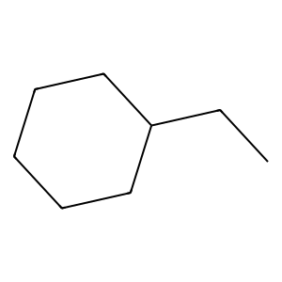 | 50 | 451 | 50 | 451 | 1299
C1CCCCC1CO | 41 | 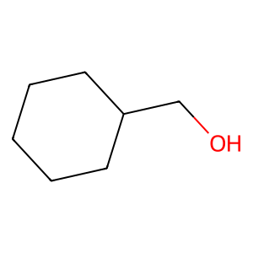 | 7 | 124 | 7 | 124
CCC | 50 | 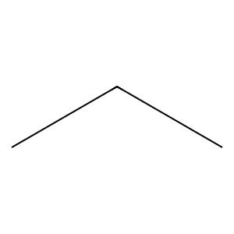 | 5 | 108 | 5 | 108
CCCO | 5 | 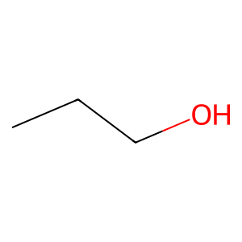 | 3 | 97
CC=O | 50 | 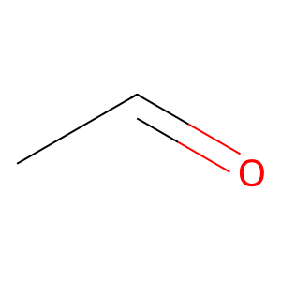 | 8 | 88
CCC1CCCCC1 | 20 | 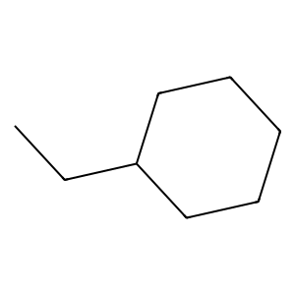 | 33 | 66
CC=O | 50 |  | 45 | 37
C1=CC=CC=C1C1=COCO1 | 60 | 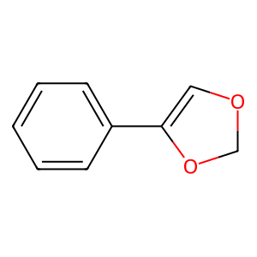 | 49 | 22
CCC | 50 |  | 42 | 19
C=NC=O | 23 | 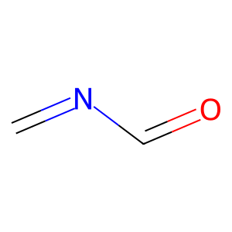 | 13 | 11
CCC1CC1 | 20 | 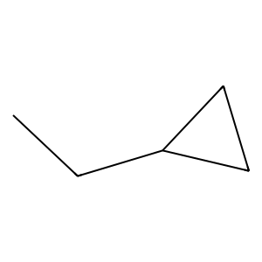 | 18 | 11
C1=CC=CC=C1CC | 33 | 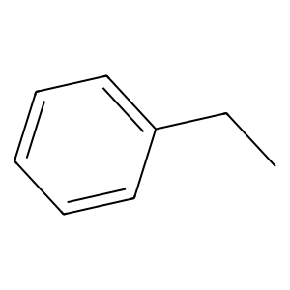 | 1 | 9
C1=CC=CC=C1CN | 33 | 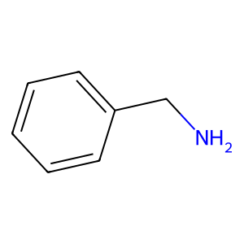 | 20 | 9
CNC1CC1 | 46 | 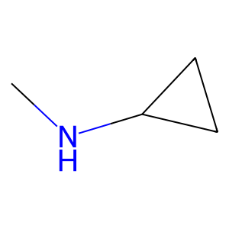 | 46 | 9
C1=CNCCC1C=O | 96 | 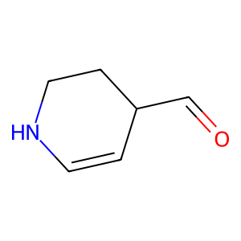 | 58 | 9
C1=CC=CC=C1CCl | 3 | 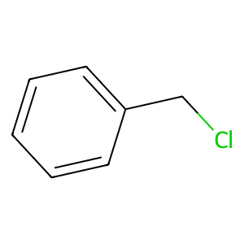 | 25 | 7
CNC1CC1 | 46 |  | 35 | 7
CCCC | 5 | 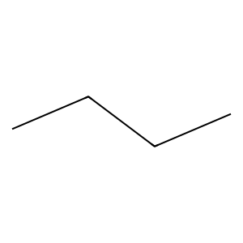 | 79 | 7
CC=O | 50 |  | 10 | 6
CCC1CCCCC1 | 20 |  | 19 | 6
CCC1=CC=NC=C1 | 42 | 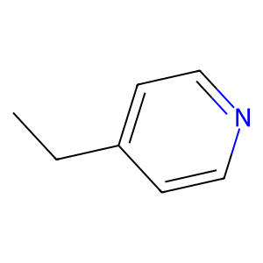 | 30 | 6
CCC | 50 |  | 41 | 6
CCC | 50 |  | 68 | 6
C1=CC=CC=C1CF | 33 | 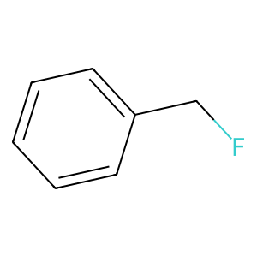 | 2 | 5
C1=CC=CC=C1CBr | 33 | 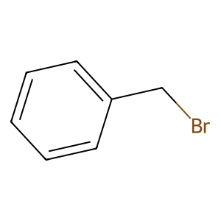 | 22 | 5
C1=CC=CC=C1C1=NSN=C1 | 72 | 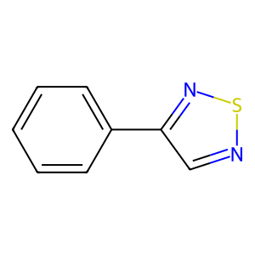 | 44 | 5
CC=O | 50 |  | 51 | 5
CCC1CNC1 | 18 | 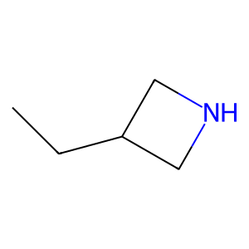 | 6 | 4
CNC1COCCN1 | 15 | 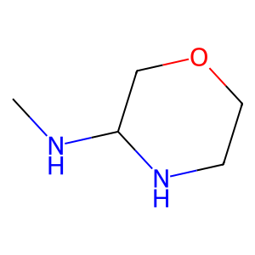 | 11 | 4
CCC | 7 |  | 17 | 4
CCC | 7 |  | 23 | 4
CC=O | 50 |  | 29 | 4
C1=CC=CC=C1CCl | 3 |  | 31 | 4
CC=O | 50 |  | 36 | 4
CCO | 50 | 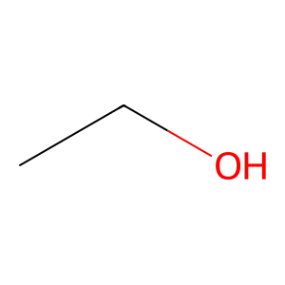 | 39 | 4
COCO | 8 | 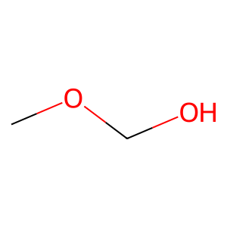 | 47 | 4
CC=O | 50 |  | 65 | 4
CCC1=CC=CC=C1 | 3 | 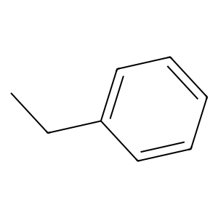 | 77 | 4
CCC1=CC=NC=C1 | 42 |  | 92 | 4
CNCN | 49 | 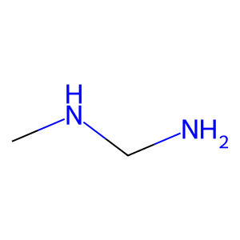 | 4 | 3
COC1=CC=CC=C1 | 3 | 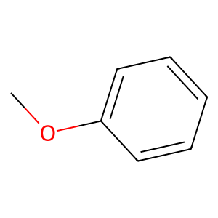 | 9 | 3
CNCN | 49 |  | 15 | 3
CNC1CCNCC1 | 46 | 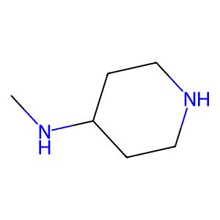 | 21 | 3
CCC#N | 5 | 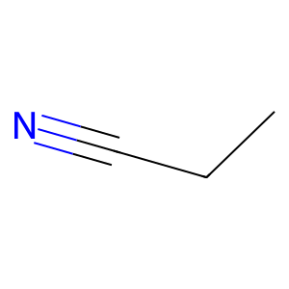 | 28 | 3
C1=COC=CC1CN | 75 | 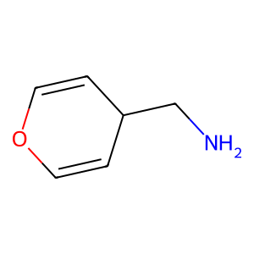 | 40 | 3
C1=CCOC=C1C=O | 87 | 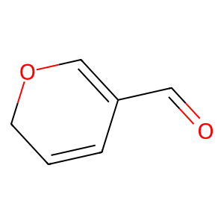 | 43 | 3
C1=CC=CC=C1CF | 3 |  | 53 | 3
C1=CCOC=C1C1=CC=CC=C1 | 28 | 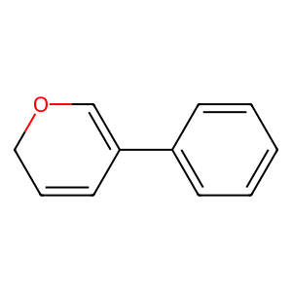 | 55 | 3
COCO | 8 |  | 60 | 3
CNC1=CN=CN=C1 | 101 | 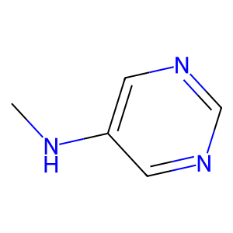 | 66 | 3
CCC | 7 |  | 0 | 2
CCC | 7 |  | 12 | 2
CCC | 7 |  | 14 | 2
CC=O | 50 |  | 16 | 2
C1CCNC1C1CCNCC1 | 64 | 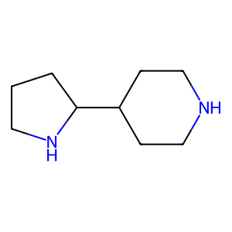 | 24 | 2
COCC | 5 | 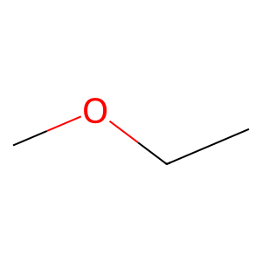 | 26 | 2
CC=O | 50 |  | 27 | 2
CCCC | 5 |  | 32 | 2
C1CCOC1C=O | 86 | 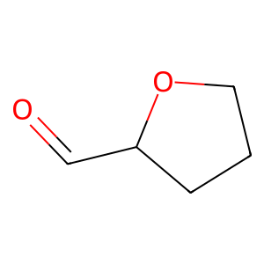 | 34 | 2
C1=CCC=CC1C=O | 58 | 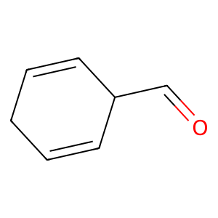 | 37 | 2
C1=CC=CC=C1CO | 3 | 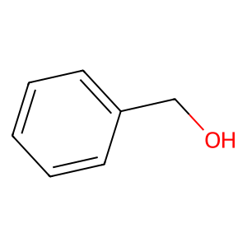 | 38 | 2
C1=CCC=CC1C=O | 58 |  | 48 | 2
CNCN | 49 |  | 56 | 2
CC=O | 50 |  | 59 | 2
CCC | 50 |  | 63 | 2
CCCO | 5 |  | 64 | 2
SSCl | 44 | 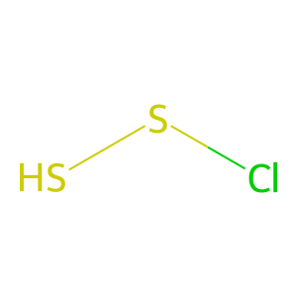 | 67 | 2
CNCC | 49 | 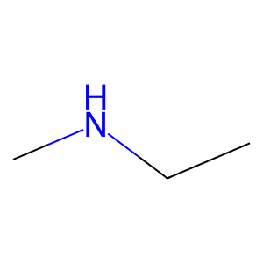 | 76 | 2
CCC | 50 |  | 80 | 2
CCC | 50 |  | 95 | 2
CC=N | 50 | 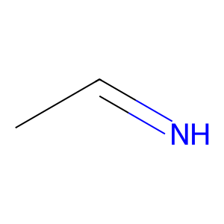 | 96 | 2
CCN | 50 | 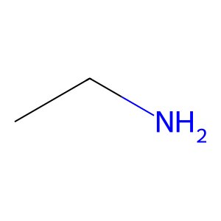 | 99 | 2
C1CCCCC1CC | 35 |  | 52 | 1
CCC1=CC=CC=C1 | 3 |  | 54 | 1
C1CCCC1CO | 35 | 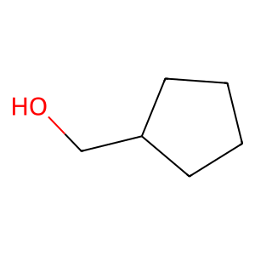 | 57 | 1
C1CCCC1CO | 35 |  | 61 | 1
COCO | 8 |  | 62 | 1
CCC1=CC=CC=C1 | 3 |  | 69 | 1
CCC | 7 |  | 70 | 1
CCC | 7 |  | 71 | 1
CCC | 7 |  | 72 | 1
CC=O | 50 |  | 73 | 1
CCCI | 5 | 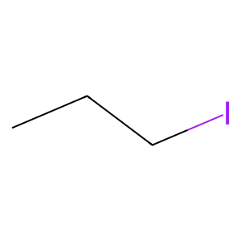 | 74 | 1
C1=CSC=C1CC | 79 | 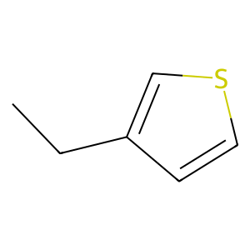 | 75 | 1
CC=O | 50 |  | 78 | 1
C1=CC=CC=C1CCl | 3 |  | 81 | 1
C1=CSC=C1CC | 79 |  | 82 | 1
CCC | 50 |  | 83 | 1
CCC#N | 5 |  | 84 | 1
CCCBr | 5 | 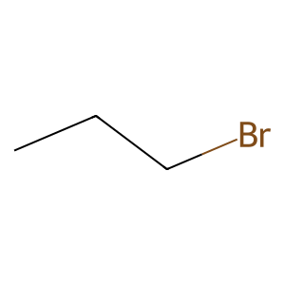 | 85 | 1
CCC | 7 |  | 86 | 1
CCC | 7 |  | 87 | 1
CCC#N | 5 |  | 88 | 1
C1CCNCC1CN | 18 | 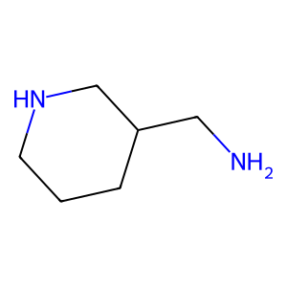 | 89 | 1
CC=O | 50 |  | 90 | 1
CCO | 50 |  | 91 | 1
C1=CC=CC=C1CN | 3 |  | 93 | 1
CCC1=CC=CC=C1 | 3 |  | 94 | 1
CCC | 50 |  | 97 | 1
CCC | 50 |  | 98 | 1
SNS | 44 | 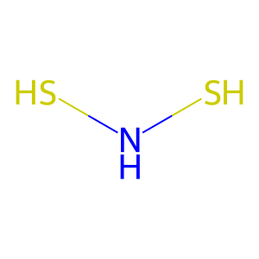 | 100 | 1
C1=CC=CC=C1CC | 33 |  | 101 | 1
C1=NN=CS1CN | 63 | 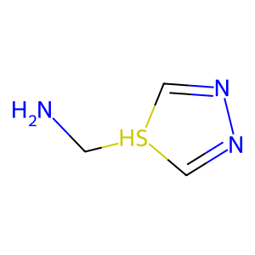 | 102 | 1
C1=CC=CC=C1CC | 33 |  | 103 | 1
CCN | 50
CC=O | 50
CCC1CCCCC1 | 20
CC=O | 50
CC=O | 50
C1=CC=CC=C1CF | 3
CSC1=CC=CC=C1 | 3 | 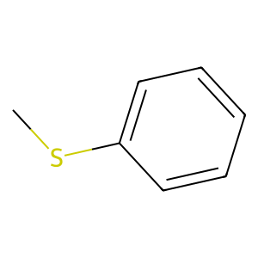
CCN | 50
CC=O | 50
C1=CC=CC=C1CCl | 33
CC=O | 50
CCO | 50
CC=O | 50
CCO | 50
C1=CCNCC1C1=CC=CC=C1 | 12 | 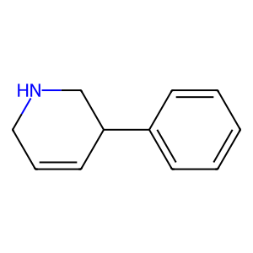
CCC | 50
CCC | 50
CC=O | 50
CCO | 50
CC=O | 50
CCCCl | 5 | 
CCC1=CSC=C1 | 30 | 
CNC1CC1 | 46
COCO | 8
CC=O | 50
C1=CC=CC=C1CO | 3
CCC#N | 5
C1CCCC1CN | 11 | 
COCO | 8
C1=CCOCC1C=O | 17 | 
CCC1=CC=CC=C1 | 3
CCC | 50
CCC | 50
CCC | 50
CCC | 50
CCC | 50
CCCO | 5
CCCO | 5
C1=CC=CC=C1CF | 33
C1=CC=CC=C1CCl | 33
CCN | 50
CC=O | 50
CCC1=CC=CC=C1 | 3
C=NNO | 23 | 
C=NC=O | 23
C1=COCCC1C1=CC=CC=C1 | 32 | 
CC=C | 50 | 
CC=O | 50
CCO | 50
CCCC | 5
CC=O | 50
COCO | 8
COCC | 5
C1COCCN1C=O | 65 | 
CCO | 50
CC=O | 50
CCC1CCCC1 | 20 | 
CC=O | 50
CCO | 50
CCC1=CC=CC=C1 | 3
C1=CC=CC=C1CF | 3
CC=O | 50
CCO | 50
CCO | 50
CC=O | 50
CCO | 50
CCO | 50
POP | 7 | 
POP | 7
C1=CN=CN=C1CC | 67 | 
C1=CN=CN=C1CC | 67
CCCN | 5 | 
C1=CNN=C1CC | 66 | 
C1=CC=CC=C1CF | 3
C1=CN=NC=C1CCl | 98 | 
CCC1=CC=CC=C1 | 3
CCC | 50
CCC | 50
C1CCCCC1CC | 35
CC=O | 50
CCO | 50
CCC1=CNN=C1 | 21 | 
CCC1=CSC=C1 | 30
CCC1=CC=CC=C1 | 3
CCC | 50
CCO | 50
CCN | 50
CCC1=CSC=N1 | 6 | 
CCC | 7
CCC | 7
CCC | 7
CC=O | 50
C1=CC=CC=C1CF | 33
CC=O | 50
CCO | 50
C1=CC=CC=C1CN | 3
CC=O | 50
CNC1CCNC1 | 46 | 
C1=CNC=C1CC | 48 | 
C1=CNC=C1CC | 48
CCC1=CC=CC=C1 | 3
CC=O | 50
CCO | 50
COCO | 8
CCC | 50
CCO | 50
COCO | 8
CCC=O | 5 | 
CCF | 7 | 
CCF | 7
CCF | 7
CCC1CSCCN1 | 95 | 
C1=CC=CC=C1CC | 33
C1CNCN1C=O | 2 | 
CC=O | 50
CCO | 50
C1CNCN1C=O | 2
C1=CC=CC=C1CCl | 33
COCO | 8
CCC1CCCCC1 | 20
CCC | 50
CCC | 50
SCS | 7 | 
CC=O | 50
CCO | 50
NCN | 50 | 
NCN | 50
CCC1=CC=CC=C1 | 3
COCC | 5
CCC | 50
CCN | 50
COCO | 8
CC=O | 50
C1CCCCC1CC | 76
CCC | 50
CC=O | 50
COCO | 8
C1CCCCC1CO | 41
C1CCCCC1CC | 35
CNC1CCSC1 | 93 | 
C1CCSC1CN | 71 | 
COCO | 8
CC=O | 50
CCN | 7
CC=O | 50
CCO | 50
CC=O | 50
CCO | 50
COCO | 8
C1CCNCC1CO | 10 | 
CC=O | 50
CCC1=COC=C1 | 42 | 
COCO | 8
COCO | 8
C1CCNCC1C1CCCCC1 | 10 | 
COCO | 8
CCCN | 5
C1=CC=CC=C1C1=CC=CC=C1 | 26 | 
CCF | 7
CCF | 7
CCF | 7
CCC1=CC=CC=C1 | 3
C1CCCCC1C1COCO1 | 84 | 
CNCN | 49
COCO | 8
CC=O | 50
CCC1=CC=CC=C1 | 3
C1CCNC1CC | 22 | 
C1=CC=CC=C1CCl | 45
C1=CC=CC=C1CC | 3
CCC1CCNCC1 | 18 | 
CCCC | 5
C1=CN=CNC1C=O | 9 | 
CC=O | 50
C1=CC=CC=C1CCl | 33
C1=CC=CC=C1CCl | 33
CC=C | 50
CCC | 50
CCCBr | 5
CNCC | 49
CNCC | 49
C1=CC=CC=C1CN | 33
CCCC | 5
CC=O | 50
CC=O | 50
CCO | 50
C1=CSC=C1C1=CC=CC=C1 | 1 | 
CCC=O | 5
CC=O | 50
CCO | 50
C1=CC=CC=C1CF | 45
C1=CC=CC=C1CF | 45
CCC#N | 5
C1=CC=CC=C1CF | 33
CC=O | 50
C1=CC=CC=C1CF | 3
C1=CC=CC=C1CC | 45
C1=CC=CC=C1CF | 45
CCCO | 5
C1=CC=CC=C1CF | 45
C1=CC=CC=C1CC | 33
C1=CC=CC=C1CO | 33
C1=CC=CC=C1C1=CNC=C1 | 26 | 
CNCN | 49
CC=O | 50
CCC1=CC=CC=C1 | 3
CCC | 50
CCC | 50
NCN | 50
CC=O | 50
CC=O | 50
CCO | 50
CCC | 50
CCC | 50
C1=CC=CC=C1CO | 3
C1=CCCCC1CC | 25 | 
CCC#N | 5
CCC | 50
CCC | 50
CC=O | 50
CCF | 7
CCF | 7
CCF | 7
CC=O | 50
CCO | 50
CCF | 7
CCF | 7
CCF | 7
CCCN | 5
C1=CC=CC=C1CF | 3
COCO | 8
CC=O | 50
CCC | 50
CCC | 50
CCC | 50
CCO | 50
CCC | 50
CCC | 50
CCC | 50
CCC | 50
C1=CCCCC1CO | 25 | 
C1=CCCCC1CC | 25
CCC | 50
CC=O | 50
CCO | 50
CCC | 50
CC=O | 50
CCO | 50
C1=COCCN1C=O | 81 | 
C1=COCCN1C1=CC=NC=C1 | 85 | 
COCO | 8
C1=CC=CC=C1CO | 33
COCO | 8
C1=CC=CC=C1CO | 33
C1=C[NH2+]CC1C[NH3+] | 91 | 
COCC | 5
CC=O | 50
CCC | 50
CC=O | 50
C1=CC=CC=C1CCl | 3
CNCN | 49
SNS | 44
CNC1CNCCN1 | 15 | 
COCO | 8
CCC1=CC=NC=C1 | 42
CCC#N | 5
C1=CNCCC1C=O | 96
C1=CNCCC1C1=CC=CC=C1 | 0 | 
CC=O | 50
CCO | 50
CC=O | 50
C1CNCCN1C=O | 65 | 
CC=O | 50
CCC1=CC=CC=C1 | 3
C1=CC=CC=C1CF | 45
C1=CC=CC=C1CCl | 45
CCF | 7
CCF | 7
CCF | 7
C1=CC=CC=C1CF | 45
COCO | 8
CCC | 50
CC=O | 50
C1=CC=CC=C1CC | 33
CCO | 50
CCF | 7
CCF | 7
CCF | 7
C1=CSC=C1C1=CC=CC=C1 | 1
COCC | 5
C1=CC=CC=C1CF | 45
C1=CC=CC=C1CBr | 45
C1=CC=CC=C1CF | 45
CCC | 7
CCC | 7
CCC | 7
CC=O | 50
CC=O | 50
CCC1=CC=CC=C1 | 3
CC=O | 50
CCO | 50
COCO | 8
CC=O | 50
CCO | 50
C1CCNC1C=O | 22 | 
C1=CC=CC=C1CC | 33
C1=CC=CC=C1CF | 33
C1=CC=CC=C1CC | 33
CCC | 50
CCC | 50
CCC | 50
CCC | 50
CCC | 50
CCC | 50
CCC | 50
CCC | 50
CCC | 50
CCC | 50
C1COCN1C=O | 29 | 
C1=CC=CC=C1CCl | 33
C1=CC=CC=C1CCl | 33
C1COCN1C=O | 29
CNCC | 49
CC=O | 50
CCC1CCNC1 | 18 | 
COCO | 8
COCO | 8
C1=CC=CC=C1CBr | 45
C1=CC=CC=C1CN | 45
C1=CC=CC=C1CBr | 45
COCC | 5
COCO | 8
C1=CC=CC=C1CO | 33
CCC | 50
CCO | 50
CCCN | 5
CCC1=COC=C1 | 42
CCC#N | 5
C1=CC=CC=C1CF | 3
COCO | 8
CC=O | 50
CCO | 50
CNCN | 49
CC=O | 50
C1=CC=CC=C1CN | 33
C1=CC=CC=C1CN | 33
COCO | 8
COCO | 8
CC=O | 50
C1=CC=CC=C1CCl | 3
COCO | 8
CCN | 50
CCCO | 5
C1=CC=CC=C1C1=COCO1 | 60
CCC | 7
CCN | 7
CC=O | 50
C1=CC=CC=C1CO | 3
CC=O | 50
CCO | 50
CNCC | 49
CC=O | 50
CCO | 50
C1CNCCN1CC | 57 | 
C1CNCCN1C=O | 65
C1CNCCN1C=O | 65
C1CCNCC1CC | 18 | 
CC=O | 50
CCC1CCNC1 | 18
C1=CC=CC=C1CC | 33
C1=CC=CC=C1CN | 33
C1=CC=CC=C1CN | 33
C1=CC=CC=C1CC | 33
CCC1=COC=C1 | 42
CCC1CCNCC1 | 18
CCC | 50
CC=O | 50
C1=CC=NC=C1C1=CNC=C1 | 37 | 
CNCC | 49
C1=CNN=C1CN | 55 | 
CCF | 7
CCF | 7
CCF | 7
CCCC | 5
CC=O | 50
C1=CNN=C1CC | 53
C1=CNN=C1CN | 53
C1=CNN=C1CC | 53
CNCN | 49
CCC1=COC=N1 | 6 | 
COCO | 8
CC=O | 50
COCO | 8
COCO | 8
COCO | 8
C1=CC=CC=C1CN | 61
CC=O | 50
CCCl | 50 | 
CC=O | 50
CCCl | 50
COCC | 5
CC=O | 50
CC=S | 50 | 
CCC | 50
CC=O | 50
CCC | 50
CC=O | 50
CCC | 50
CC=O | 50
CCC | 50
CC=O | 50
CCC | 50
CCC | 50
CCO | 50
CCCN | 5
CCC=C | 5 | 
NCN | 50
CC=O | 50
CCC | 50
CC=O | 50
CC1CCNCC1 | 13 | 
C1CCNCC1N | 10 | 
CC1CCNCC1 | 13
C1=CC=CC=C1CO | 3
C1=CC=CC=C1CCl | 3
C1=CC=NC=C1CN | 68 | 
C1=CC=NC=C1C1=CNN=C1 | 37 | 
CCC=C | 5
CC=O | 50
CCCO | 5
COCO | 8
COCO | 8
CCC=C | 5
CC=O | 50
CC=O | 50
CCO | 50
C1=CCC=C1C1=CC=CC=C1 | 28 | 
C1=CCC=C1C1=CC=CC=C1 | 28
C1=CNN=C1CN | 55
CCC1=CC=CC=C1 | 3
CCC1=COC=C1 | 42
CCC1=COC=C1 | 42
CC1CCNCC1 | 13
C1CCNCC1N | 13
C1=CCC=CC1C=O | 58
C1=CC=CC=C1CO | 33
C1=CC=CC=C1CO | 3
C1=CCC=CC1C=O | 58
C1=CC=CC=C1CO | 3
CCCC | 5
CC=O | 50
COCC | 5
CCC=O | 5
C1=CC=NC=C1CF | 80 | 
C1=CC=NC=C1CF | 80
CCCC | 5
CC=O | 50
CCCC | 5
C1=CNC=CC1C=O | 92 | 
C1=CCNCC1C=O | 19 | 
C1=CCNCC1C=O | 19
CC=O | 50
C1=CC=CC=C1CCl | 3
C1=CCNCC1C1=CC=CC=C1 | 4
C1CSCN1CN | 89 | 
C1CSCN1C=O | 29 | 
CNC1CCNCC1 | 46
CC=O | 50
CCO | 50
CCC | 50
CCC | 50
CCC1CCNC1 | 18
CCC | 50
CC=O | 50
C1=CC=CC=C1C1=CC=NC=C1 | 1 | 
C1=CSC=C1CC | 79
CC=O | 50
C1=CC=CC=C1CCl | 3
C1=CSC=C1CN | 79 | 
CC=O | 50
CCO | 50
CC=O | 50
CCF | 50
CCF | 50
COCO | 8
CC=O | 50
CCC1=CC=CC=C1 | 3
COCC | 5
CCC | 7
CCC | 7
CCO | 50
C1CCCC1CO | 41
C1CCCC1C=O | 36 | 
CC=O | 50
CCO | 50
CCN | 50
CC=O | 50
CCO | 50
CC=O | 50
CCO | 50
CCC | 50
CC=O | 50
CCC | 50
CC=O | 50
CCC | 50
CC=O | 50
CCC | 50
CC=O | 50
CCC | 50
CC=O | 50
CCC | 50
CC=O | 50
CCC | 50
CC=O | 50
CCC | 50
CC=O | 50
COCO | 8
CC=O | 50
CCCBr | 5
C1=CC=CC=C1CC | 45
C1=CC=CC=C1CBr | 45
C1=CC=CC=C1CO | 45
C1=CC=CC=C1C1=CC=NC=C1 | 73
C1=CC=CC=C1CBr | 3
CNC1=CNN=C1 | 21 | 
CC=O | 50
CC=O | 50
CC=O | 50
C1CNCN1C=O | 2
CC=O | 50
C1CCNC1C=O | 22
C1CCNC1C=O | 22
COCO | 8
CCC=O | 5
COCO | 8
C1=CC=CC=C1CCl | 45
COCC | 5
CC=O | 50
CCC1=CC=CC=C1 | 3
C1=CSC=C1CN | 79
C1=CC=CC=C1CN | 3
CCC1=CN=CN=C1 | 42 | 
CCC=O | 5
CNC1=CSC=N1 | 100 | 
CNC1=CNC=N1 | 24 | 
CCC1CCNCC1 | 18
CC=O | 50
CCO | 50
CCBr | 50 | 
CCBr | 50
C1=CC=CC=C1CBr | 3
CNNN | 49 | 
CC=O | 50
C1=CC=CC=C1CO | 33
C1=CC=CC=C1CO | 33
CC=C | 50
CCC | 50
C1=CCC=CC1C=O | 58
C1=CCC=CC1C=O | 58
C1=CCC=CC1C1=CC=CC=C1 | 4 | 
CCC#N | 5
SNS | 44
CCC | 50
CCC1=CC=NC=C1 | 42
C1=CNN=C1CN | 66
C1=CC=CC=C1CN | 33
CCCO | 5
CC=O | 50
CCCl | 50
CCCCl | 5
CCCC | 5
C1=CNCNC1C=S | 59 | 
C1=CNCNC1C=O | 59 | 
CC=O | 50
CCO | 50
C1=CC=CC=C1CCl | 33
C1=CC=CC=C1CF | 3
CCC1CCNC1 | 18
COCO | 8
CCC1=CNC=N1 | 24 | 
CCC | 50
CC=O | 50
CCC1=CC=CC=C1 | 3
CCF | 7
CCF | 7
CCF | 7
C1=NN=CN1C1=NCCNC1 | 74 | 
C1CCNCC1C1CCOCC1 | 34 | 
C1CCOCC1C1CCNCC1 | 34 | 
C1=CN=CNC1CC | 38 | 
CNC1CCNC1 | 46
C1=CN=CNC1C=O | 38
CC=O | 50
CCO | 50
CC=O | 50
CCO | 50
CC=O | 50
CCO | 50
CCF | 7
CCF | 7
CCF | 7
CC=O | 50
CCO | 50
CC1CCCCC1 | 35 | 
C1=CCCCC1CC | 25
CC=O | 50
CCC | 50
CCC | 50
CCC | 50
CCC | 50
CC=O | 50
NCN | 50
CCC1=CC=NC=C1 | 42
CCCC | 5
CCC#N | 5
CC1CCCC1 | 35 | 
CC=O | 50
CCC1=CC=CC=C1 | 3
C1=CC=CC=C1C1=CC=CC=C1 | 1
COCO | 8
CC=O | 50
CCO | 50
C1=CC=CC=C1CC | 33
C1=CC=CC=C1CS | 33 | 
C1=CC=CC=C1CBr | 33
C1=CC=CC=C1CCl | 33
C1=CC=CC=C1CC | 45
C1=CC=CC=C1CCl | 45
CCC=O | 5
C1=CC=CC=C1CC | 45
CCC1=CC=CC=C1 | 3
CCC1CCNCC1 | 18
C1=CC=NC=C1CBr | 68 | 
CCC1=CC=CC=C1 | 3
C1=CC=CC=C1C1=CC=CC=C1 | 1
CCC | 50
CC=O | 50
CC=O | 50
C1=CC=CC=C1CCl | 3
C1=CC=CC=C1CC | 3
C1=CC=CC=C1CCl | 3
C1=CN=CNC1C=O | 62
CCC=C | 5
C1CCOCC1C=O | 56 | 
C1CCOCC1C=C | 56 | 
C1CCCCC1CO | 41
CC=C | 50
CC=O | 50
COCO | 8
C1CCCCC1CO | 41
COCC | 5
CC=O | 50
CCC#N | 5
COCO | 8
CCN | 50
CC=S | 50
COCO | 8
COCO | 8
COCO | 8
C1=CC=CC=C1CO | 45
COCO | 8
COCO | 8
COCO | 8
C1=CC=CC=C1CO | 45
C1=CC=CC=C1CO | 45
COCO | 8
COCO | 8
COCC | 5
CC=O | 50
CCO | 50
CCC | 50
CCN | 50
CCN | 50
CC=O | 50
CNCN | 49
CCCO | 5
C1CCOCC1CN | 43 | 
C1CCOCC1CO | 43 | 
C1CCOCC1CO | 43
C1CCOCC1CN | 82
C1CCCCC1CN | 39 | 
C1CCCCC1CN | 39
C1CCCCC1CO | 39
C1CCCCC1CO | 39
C1CCOCC1CO | 41
CCC=O | 5
C1=CC=CC=C1CCl | 33
C1=CC=CC=C1CF | 33
CCC | 7
CCC | 7
CCC | 7
CC=O | 50
CCC1=COC=C1 | 42
C1=CC=CC=C1CC | 33
CC=O | 50
CCO | 50
CCC1=CC=NC=C1 | 42
CCC | 7
CCC | 7
CCCN | 5
CCC1=CC=CC=C1 | 3
COCO | 8
C1COCCN1C=O | 29
CC=O | 50
CCC | 7
CCC | 7
CCC | 7
CCCO | 5
CCF | 7
CCF | 7
CCF | 7
C1=CC=CC=C1CCl | 33
C1=CC=CC=C1CBr | 33
C1=CC=CC=C1CC | 45
C1=CC=CC=C1CC | 45
CCC=O | 5
C1=CC=CC=C1CC | 45
CCC | 50
CC=O | 50
CCC | 50
CC=O | 50
C1=CC=CC=C1CCl | 3
C1=CNN=C1CBr | 66 | 
CCCC | 5
CCCN | 5
COCO | 8
CC=O | 50
CCC1=CSC=C1 | 30
C1=CNC=C1C1=CC=CC=C1 | 1 | 
CCCC | 5
CC=O | 50
CCC | 7
CCC | 7
CCC1=CC=CC=C1 | 3
C1=CNCN=C1CN | 40 | 
C1=CNCN=C1C=O | 40 | 
C1CCOC1CO | 52 | 
POP | 7
POP | 7
POP | 7
POP | 7
C1=CNCN=C1CI | 40 | 
COCO | 8
C1=CN=CN=C1CCl | 78 | 
COCO | 8
COCO | 8
CCC | 50
CCC | 50
COCO | 8
CC=O | 50
CCC1=CC=CC=C1 | 3
CCC1=CC=CC=C1 | 3
CCC#N | 5
CCC#N | 5
CCC1=CC=NC=C1 | 42
C1CNCCNC1CN | 14 | 
CC=O | 50
CNC1CCNC1 | 46
C1CNCCNC1C=O | 14 | 
CCC1=CSN=N1 | 6 | 
CC=C | 50
CCC | 50
CC=O | 50
C1=CC=CC=C1CF | 51
C1=CC=CC=C1CF | 51
C1=CC=CC=C1CF | 51
C1=CC=CC=C1CF | 51
C1=CC=CC=C1CF | 51
CCC | 50
CCC#N | 5
CCC1=CC=CC=C1 | 3
CCC1=COC=C1 | 42
CCC1COCCN1 | 95 | 
COCC | 5
CC=O | 50
COCC | 5
C1=CNC=NC1C=O | 54 | 
C1=CC=CC=C1CF | 3
CCC=O | 5
CCC1=CC=CC=C1 | 3
CCC1=COC=C1 | 42
C1=CNCNC1CN | 77 | 
CCC=O | 5
C1=CNCNC1C=O | 77
C1=CNCNC1CN | 77
C1=CNCNC1C=O | 77
C1=NN=CS1CN | 63
C1=CC=CC=C1CCl | 33
C1=CC=CC=C1CF | 33
CCC | 50
CC=O | 50
CCO | 50
C1=CC=CC=C1CCl | 3
C1=CC=CC=C1CC | 45
CCCO | 5
CCCO | 5
C1=CCCC1C=O | 17 | 
C1=CCCC1CC | 27 | 
CSCS | 5 | 
CC=O | 50
C1=CNCCNC1C=O | 47 | 
C1=CC=CC=C1CCl | 3
C1=CNCCNC1C=O | 47
COCO | 8
CC=O | 50
CCO | 50
C1=CC=NC=C1CC | 68 | 
C1=CCCC1CC | 102
CC=O | 50
CCO | 50
C1CCNCC1CN | 10
C1CCNCC1C=O | 36 | 
CC=O | 50
CCO | 50
CCC1=CSC=C1 | 30
COCO | 8
CC=O | 50
CCCN | 5
C1=COC=C1CC | 103 | 
CCC | 7
CCC | 7
CCC | 7
CC=O | 50
CC=O | 50
COCO | 8
CC=O | 50
C1=CC=CC=C1CF | 33
COCO | 8
CC=O | 50
CCO | 50
C1=CCNC=C1CO | 16 | 
C1=CCNC=C1C=O | 16 | 
CC=O | 50
CCO | 50
CCCC | 5
CCC1=CSC=C1 | 30
COCO | 8
CCC1CO1 | 20 | 
COCC | 5
CC=O | 50
CC=O | 50
CCO | 50
CC=O | 50
CCO | 50
CC=O | 50
CCC1=CC=CC=C1 | 3
CC=O | 50
CCO | 50
COCC | 5
CC=O | 50
CCN | 7
CC=O | 50
COCC | 5
CC=O | 50
COCC | 5
CCC | 50
CCO | 50
C1=CC=CC=C1CCl | 33
C1=CC=CC=C1CCl | 33
COCO | 8
CC=O | 50
CC=O | 50
CCC | 7
CCC | 7
CCC | 7
CNCN | 49
CCC1CCOCC1 | 20 | 
CC=O | 50
CC=O | 50
C1=CC=CC=C1CBr | 3
C1=CC=CC=C1CBr | 3
C1=CC=CC=C1CC | 3
CC=O | 50
CCO | 50
C1CCNC1CO | 22 | 
C1=CC=CC=C1CF | 3
CCF | 50
CCF | 50
CNC1CNCCN1 | 15
CCCC | 5
CCC1CCCC1 | 20
CCC=O | 5
C1=CSC=C1CCl | 30 | 
CCC=C | 5
CC=O | 50
CCO | 50
CCC1=CC=CC=C1 | 3
CCC | 7
CCC | 7
CCC | 7
CC=O | 50
C1=CC=CC=C1CN | 3
COCC | 5
C1CCCCC1CO | 11
CC=O | 50
C1=CC=CC=C1C1=COCO1 | 60
CCC | 50
CCO | 50
C1=CC=CC=C1CO | 33
C1=CC=CC=C1CO | 33
C1=COC=CC1C=O | 92 | 
NSCN | 8 | 
CC=O | 50
CCO | 50
CCC | 50
CC=O | 50
CC=O | 50
CC=O | 50
CCC | 50
CCN | 50
CC=O | 50
C1=CCCCC1CO | 25
C1=CCCCC1CO | 25
C1=CSC=C1CC | 79
C1=CSC=C1CC | 79
CCC1=CC=CC=C1 | 3
CC=O | 50
CCO | 50
C1=CC=NC=C1C1=CC=CC=C1 | 1 | 
C1=CCCC1C=C | 27 | 
C1=CCCC1C=O | 17
C1=CCCCCCCCC1CO | 31 | 
C1=CCCCCCCCC1C=O | 31 | 
C1=CCCCCCCCC1CC | 31 | 
CCC | 50
CCC | 50
C1=CCCCCCCCC1CO | 31
COCO | 8
C1=CC=NC=C1CN | 68
COCO | 8
C1CCNCC1CC | 13
C1CCNCC1CN | 13
C1CCNCC1CN | 13
COCO | 8
C1=CC=CC=C1CO | 45
C1=CC=CC=C1CO | 3
C1=COC=CC1C=O | 92
CCC | 50
CCC | 50
CCC=O | 5
C1=CC=CC=C1CO | 3
COCO | 8
CCC | 50
CC=O | 50
SCS | 7
CNNN | 49
CCC=O | 5
CCC1=CN=CN=C1 | 42
CCN | 50
CC=O | 50
C1CNCN1C=O | 2
C1CNCN1C=O | 2
C1CNCN1C1CCCC1 | 94 | 
C1=CC=NC=C1CN | 68
C1=CC=NC=C1C1=COCCC1 | 97 | 
CCC#C | 5 | 
CC1=CC=CC=C1 | 3 | 
CC1=CC=CC=C1 | 33
C=NC=S | 23 | 
C1=CCCCC1C1=CC=CC=C1 | 32 | 
CNC1=NNC=N1 | 83 | 
C1=CC=CC=C1CF | 33
C1=CC=CC=C1CF | 33
COCO | 8
SCS | 7
CC1CCNCC1 | 13
C1CCNCC1N | 13
CCF | 7
CCF | 7
CCF | 7
C1CCNCC1C=O | 36
C1=CCNC1C=O | 19 | 
C1=CC=CC=C1CO | 3
C1=CCNC1C=O | 19
C1CCNCC1C=O | 36
C1CCNCC1NO | 10 | 
CCC | 50
CCC | 50
C1=CCCCC1C=O | 58 | 
CCC | 50
CC=O | 50
CCO | 50
C1=CCCCC1CC | 25
COCO | 8
CCO | 50
COCO | 8
COCO | 8
COCO | 8
C1=CC=CC=C1CO | 33
CCN | 50
CCF | 50
CCF | 50
CCF | 7
CCF | 7
CCF | 7
C1=CC=CC=C1CC | 33
CCC#N | 5
C1=CC=CC=C1CC | 33
CCC | 50
CCC | 50
CC=O | 50
CCC | 7
CCC | 7
CCC | 7
CCC1=NN=CO1 | 6 | 
CCC | 50
CCC | 50
SSCl | 44
C1CCCC1C=O | 11
C1=CC=CC=C1CO | 3
CC1=CC=CC=C1 | 3
CC1=CC=CC=C1 | 33
CNCN | 49
CCC | 50
CCC | 50
C1=CC=CC=C1CC | 3
CCC | 50
CCCl | 50
CCCC | 5
C1=CC=CC=C1CN | 3
CNNN | 49
CC=S | 50
C1=CC=CC=C1CCl | 3
C1=CC=CC=C1CCl | 3
C1=CC=CC=C1CBr | 3
CNCC | 49
CC=O | 50
C1=CNN=C1CN | 55
NC1CCNCC1 | 13 | 
C1CCNCC1C | 10 | 
C1=CC=CC=C1C1=CC=CC=C1 | 1
NC1CCNCC1 | 13
SCS | 7
CCF | 7
CCF | 7
CCF | 7
CCC | 50
CC=O | 50
C1=CC=CC=C1CCl | 33
C1=CC=CC=C1CCl | 33
CCCC | 5
CC=O | 50
C1=CNC=C1C1=CC=CC=C1 | 1
CCC | 50
CCC | 50
CCCO | 5
CCC1=CC=NC=C1 | 42
CCC#C | 5
C1=CC=CC=C1C1=CCCCC1 | 90 | 
CC=O | 50
CCO | 50
C1=CC=CC=C1CO | 33
C1=CCC=CC1C=O | 58
C1=CC=CC=C1CO | 45
C1=CC=CC=C1CCl | 45
C1=CC=CC=C1CO | 45
C1=CCC=CC1C=O | 58
C1=CC=CC=C1CCl | 45
C1=CC=CC=C1CCl | 45
C1=CC=CC=C1CBr | 45
C1=CC=CC=C1CCl | 45
NOCO | 8 | 
NCN | 50
CC=O | 50
CCO | 50
CCC1=CC=CC=C1 | 3
COCO | 8
C1=CC=CC=C1CC | 3
CCC1=CC=CC=C1 | 3
COCO | 8
CCCN | 5
CCCl | 50
CCCl | 50
CCC | 50
CC=O | 50
C1=CN=CNC1C=O | 9
CCC1=CC=CC=C1 | 3
C1=CN=CNC1C1=CC=CC=C1 | 9 | 
COCC | 5
CC=O | 50
CCC1=CC=CC=C1 | 3
C1=CNC=CC1C=O | 92
C1=CC=CC=C1CN | 3
CC=O | 50
CCCO | 5
CC=O | 50
CCO | 50
CCO | 7
CCC1=CC=NC=C1 | 42
POP | 7
POP | 7
C1CCNC1CN | 64 | 
C1=CC=CC=C1CF | 3
C1=CNCNC1CC | 88 | 
POP | 50
C1=CNCNC1C=O | 47
C1=CNCNC1C=O | 47
COCO | 8
CCC | 50
CC=O | 50
CCO | 50
COCO | 8
CCC#N | 5
COCO | 8
CCC | 50
CC=O | 50
CCC | 50
CCC | 50
CC=O | 50
CCO | 50
C1=CCOCC1C=O | 70
CNNN | 49
CCF | 7
CCF | 7
CCF | 50
CCF | 50
COCO | 8
COCO | 8
C1=CCC=CC1C=O | 99
COCO | 8
COCO | 8
C1=CCC=CC1C=O | 99
C1CNCCOC1CN | 69 | 
CCCN | 5
COCC | 5
COCBr | 5 | 
CCC | 7
CCC | 7
CCC | 7
CC=O | 50
C=NC1CCCC1 | 11 | 
CCCN | 5
C1=CCNC1C=O | 19
C1=CCNC1C=O | 19
C1=CCNC1C1=CC=CC=C1 | 4 | 
COCO | 8
CC=O | 50
CC=O | 50
CNC1CC1 | 46
COCO | 8
CCC | 50
CCC | 50
C1=CCCCC1C=O | 17
C1=CC=CC=C1CCl | 3
C1=CNC=CNC1C1=CC=CC=C1 | 0 | 
COCO | 8
CC=O | 50
CCF | 7
CCF | 7
CCF | 7
CCF | 7
CCF | 7
CCF | 7
CCF | 7
CCF | 7
CCF | 7
CCF | 7
CCF | 7
C1=CC=CC=C1CN | 33
C1=CC=CC=C1CCl | 33
CNC1=CNN=C1 | 21
COCO | 8
CC=O | 50
C1=CC=CC=C1CCl | 3
C1=CCNCC1C1=CSC=C1 | 12 | 
CC=O | 50
CCO | 50
CCC | 7
CCC | 7
CCC | 7
CC=O | 50
CCC1=CC=CC=C1 | 3
CCN | 50
CC=O | 50
CC=O | 50
CCF | 7
CCF | 7
CCF | 7
CCC | 50
CC=O | 50
CCC | 50
CC=O | 50
CC=O | 50
CCF | 7
CCF | 7
CCF | 7
CCF | 7
CCF | 7
CCF | 7
CCC | 50
CCC | 50
C1=CC=NC=C1CCl | 68 | 
CCC=O | 5
CCC1=CC=CC=C1 | 3

