Fragments Clusters
SMILES | Cluster | Image | TOT FRAGS | TOP CLUSTER ID | TOP CLUSTER NUM | % ON THE TOT
C1CCCCC1CC | 12 | 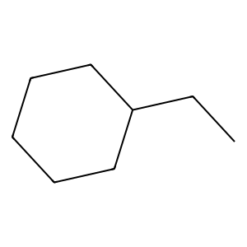 | 1299 | 2 | 461 | 35.488837567 | --------------------- | ---------->
C1CCCCC1CO | 12 | 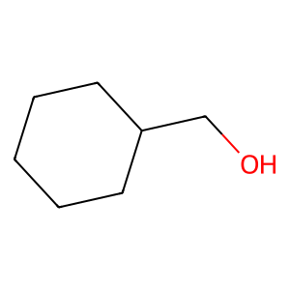 |  | 6 | 167 | 12.85604311 | --------------------- | ---------->
CCC | 2 | 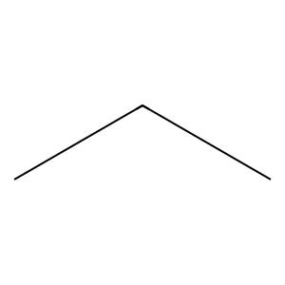 |  | 21 | 139 | 10.700538876 | --------------------- | ---------->
CCCO | 35 | 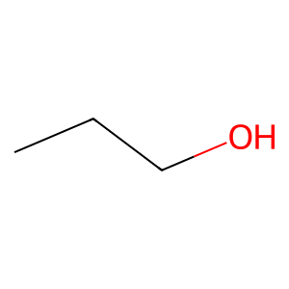 |  | 13 | 103 | 7.9291762895 | --------------------- | ---------->
CC=O | 2 | 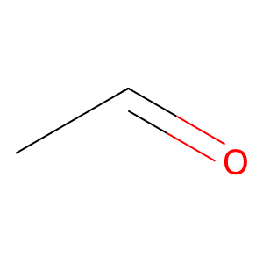 |  | 35 | 97 | 7.467282525 | --------------------- | ---------->
CCC1CCCCC1 | 35 | 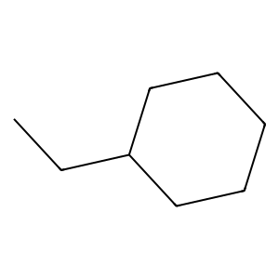 |  | 3 | 78 | 6.0046189376 | --------------------- | ---------->
CC=O | 2 |  |  | 15 | 37 | 2.8483448807
C1=CC=CC=C1C1=COCO1 | 13 | 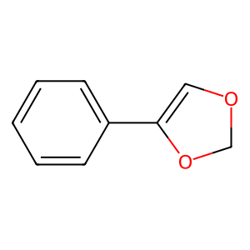 |  | 0 | 27
CCC | 2 |  |  | 8 | 27
C=NC=O | 21 | 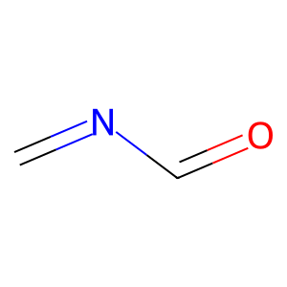 |  | 9 | 17
CCC1CC1 | 35 | 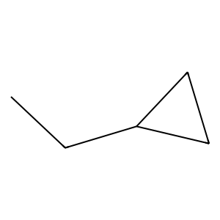 |  | 12 | 14
C1=CC=CC=C1CC | 3 | 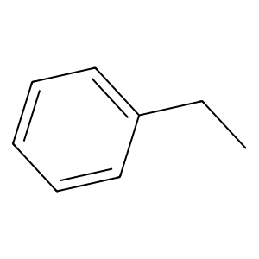 |  | 14 | 13
C1=CC=CC=C1CN | 3 | 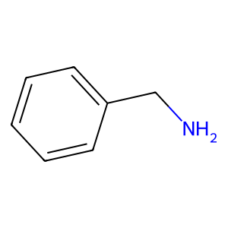 |  | 43 | 11
CNC1CC1 | 8 | 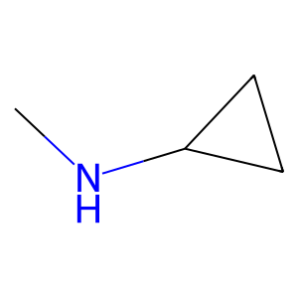 |  | 1 | 9
C1=CNCCC1C=O | 16 | 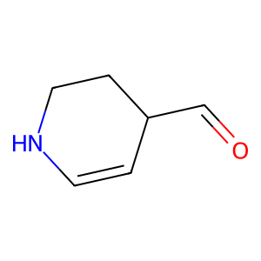 |  | 22 | 7
C1=CC=CC=C1CCl | 13 | 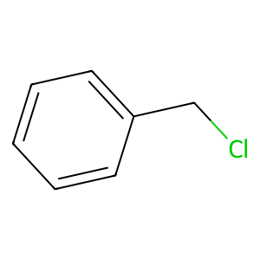 |  | 38 | 6
CNC1CC1 | 8 |  |  | 7 | 5
CCCC | 35 | 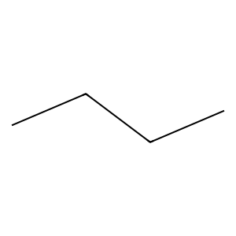 |  | 17 | 5
CC=O | 2 |  |  | 20 | 5
CCC1CCCCC1 | 35 |  |  | 23 | 5
CCC1=CC=NC=C1 | 15 | 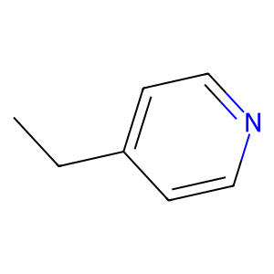 |  | 28 | 5
CCC | 2 |  |  | 5 | 4
CCC | 2 |  |  | 16 | 4
C1=CC=CC=C1CF | 3 | 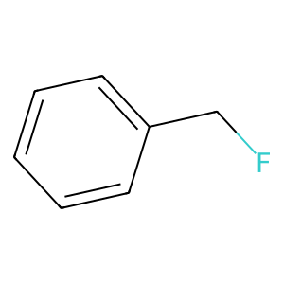 |  | 29 | 4
C1=CC=CC=C1CBr | 3 | 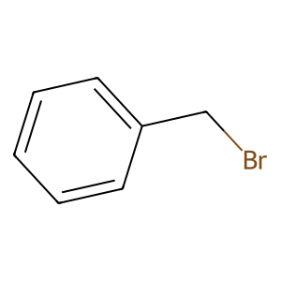 |  | 41 | 4
C1=CC=CC=C1C1=NSN=C1 | 10 | 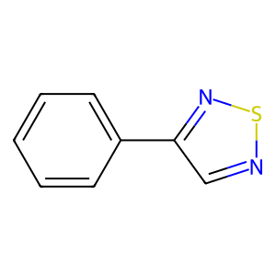 |  | 4 | 3
CC=O | 2 |  |  | 10 | 3
CCC1CNC1 | 8 | 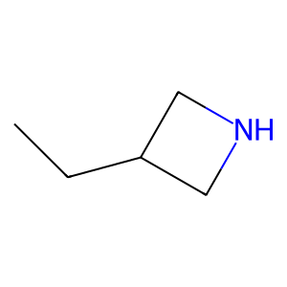 |  | 11 | 3
CNC1COCCN1 | 8 | 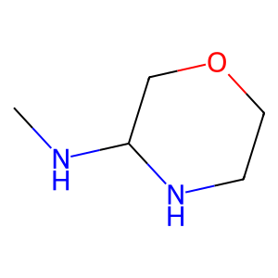 |  | 18 | 3
CCC | 6 |  |  | 19 | 3
CCC | 6 |  |  | 30 | 3
CC=O | 2 |  |  | 34 | 3
C1=CC=CC=C1CCl | 13 |  |  | 40 | 3
CC=O | 2 |  |  | 44 | 3
CCO | 2 | 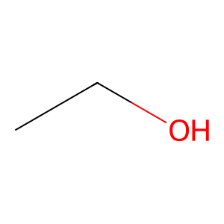 |  | 24 | 2
COCO | 21 | 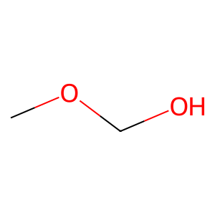 |  | 32 | 2
CC=O | 2 |  |  | 33 | 2
CCC1=CC=CC=C1 | 13 | 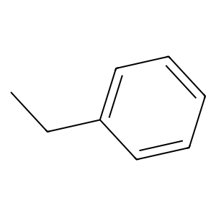 |  | 36 | 2
CCC1=CC=NC=C1 | 15 |  |  | 39 | 2
CNCN | 21 | 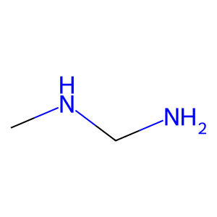 |  | 25 | 1
COC1=CC=CC=C1 | 13 | 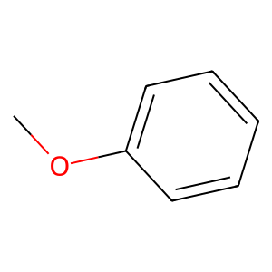 |  | 26 | 1
CNCN | 21 |  |  | 27 | 1
CNC1CCNCC1 | 8 | 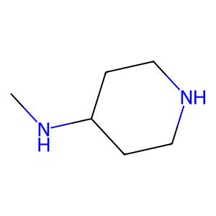 |  | 31 | 1
CCC#N | 35 | 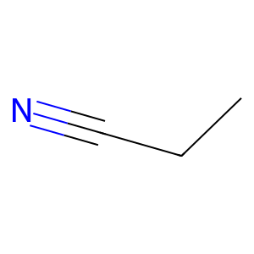 |  | 37 | 1
C1=COC=CC1CN | 42 | 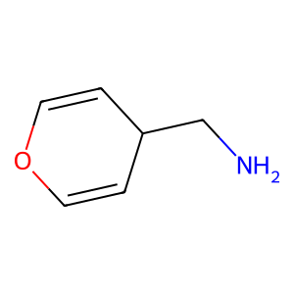 |  | 42 | 1
C1=CCOC=C1C=O | 45 | 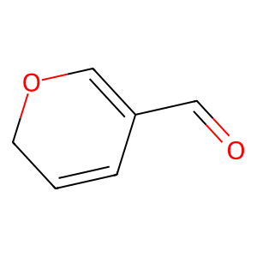 |  | 45 | 1
C1=CC=CC=C1CF | 13
C1=CCOC=C1C1=CC=CC=C1 | 44 | 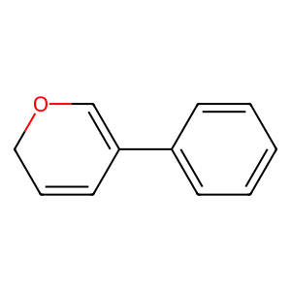
COCO | 21
CNC1=CN=CN=C1 | 17 | 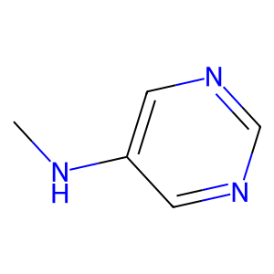
CCC | 6
CCC | 6
CCC | 6
CC=O | 2
C1CCNC1C1CCNCC1 | 8 | 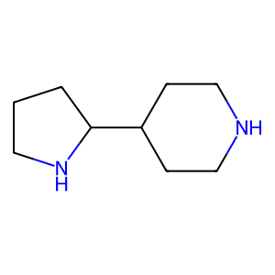
COCC | 21 | 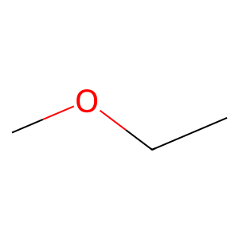
CC=O | 2
CCCC | 35
C1CCOC1C=O | 18 | 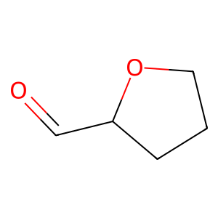
C1=CCC=CC1C=O | 0 | 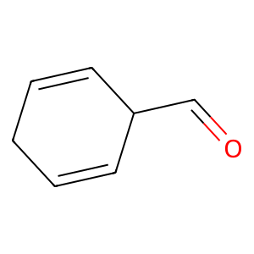
C1=CC=CC=C1CO | 13 | 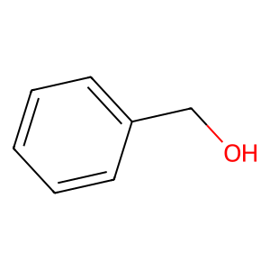
C1=CCC=CC1C=O | 0
CNCN | 21
CC=O | 2
CCC | 2
CCCO | 35
SSCl | 6 | 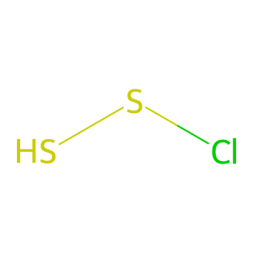
CNCC | 21 | 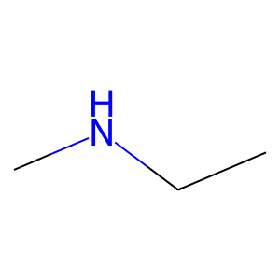
CCC | 2
CCC | 2
CC=N | 2 | 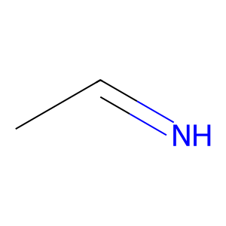
CCN | 2 | 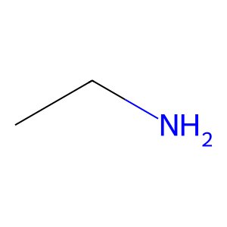
C1CCCCC1CC | 2
CCC1=CC=CC=C1 | 13
C1CCCC1CO | 2 | 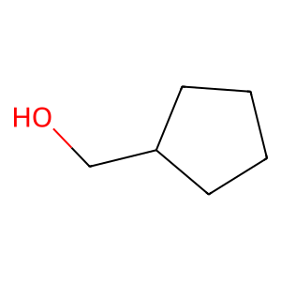
C1CCCC1CO | 2
COCO | 21
CCC1=CC=CC=C1 | 13
CCC | 6
CCC | 6
CCC | 6
CC=O | 2
CCCI | 35 | 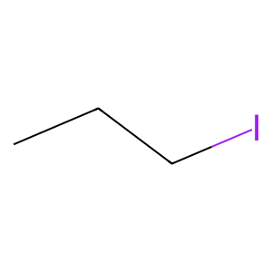
C1=CSC=C1CC | 3 | 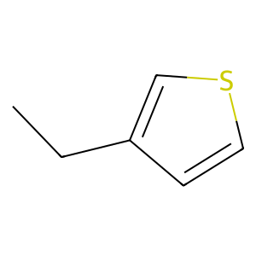
CC=O | 2
C1=CC=CC=C1CCl | 13
C1=CSC=C1CC | 3
CCC | 2
CCC#N | 35
CCCBr | 35 | 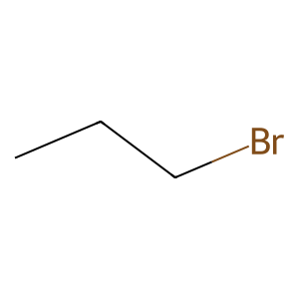
CCC | 6
CCC | 6
CCC#N | 35
C1CCNCC1CN | 8 | 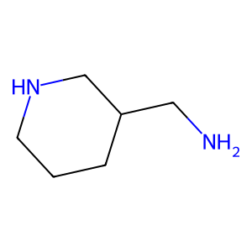
CC=O | 2
CCO | 2
C1=CC=CC=C1CN | 13
CCC1=CC=CC=C1 | 13
CCC | 2
CCC | 2
SNS | 6 | 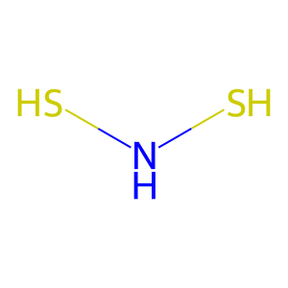
C1=CC=CC=C1CC | 3
C1=NN=CS1CN | 21 | 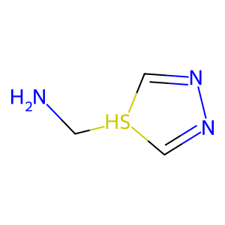
C1=CC=CC=C1CC | 3
CCN | 2
CC=O | 2
CCC1CCCCC1 | 35
CC=O | 2
CC=O | 2
C1=CC=CC=C1CF | 13
CSC1=CC=CC=C1 | 13 | 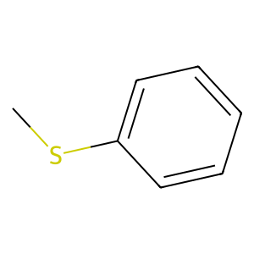
CCN | 2
CC=O | 2
C1=CC=CC=C1CCl | 3
CC=O | 2
CCO | 2
CC=O | 2
CCO | 2
C1=CCNCC1C1=CC=CC=C1 | 24 | 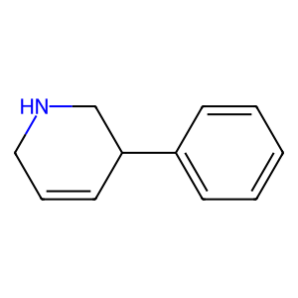
CCC | 2
CCC | 2
CC=O | 2
CCO | 2
CC=O | 2
CCCCl | 35 | 
CCC1=CSC=C1 | 15 | 
CNC1CC1 | 8
COCO | 21
CC=O | 2
C1=CC=CC=C1CO | 13
CCC#N | 35
C1CCCC1CN | 20 | 
COCO | 21
C1=CCOCC1C=O | 14 | 
CCC1=CC=CC=C1 | 13
CCC | 2
CCC | 2
CCC | 2
CCC | 2
CCC | 2
CCCO | 35
CCCO | 35
C1=CC=CC=C1CF | 3
C1=CC=CC=C1CCl | 3
CCN | 2
CC=O | 2
CCC1=CC=CC=C1 | 13
C=NNO | 21 | 
C=NC=O | 21
C1=COCCC1C1=CC=CC=C1 | 13 | 
CC=C | 2 | 
CC=O | 2
CCO | 2
CCCC | 35
CC=O | 2
COCO | 21
COCC | 21
C1COCCN1C=O | 14 | 
CCO | 2
CC=O | 2
CCC1CCCC1 | 35 | 
CC=O | 2
CCO | 2
CCC1=CC=CC=C1 | 13
C1=CC=CC=C1CF | 13
CC=O | 2
CCO | 2
CCO | 2
CC=O | 2
CCO | 2
CCO | 2
POP | 6 | 
POP | 6
C1=CN=CN=C1CC | 3 | 
C1=CN=CN=C1CC | 3
CCCN | 35 | 
C1=CNN=C1CC | 38 | 
C1=CC=CC=C1CF | 13
C1=CN=NC=C1CCl | 15 | 
CCC1=CC=CC=C1 | 13
CCC | 2
CCC | 2
C1CCCCC1CC | 2
CC=O | 2
CCO | 2
CCC1=CNN=C1 | 38 | 
CCC1=CSC=C1 | 15
CCC1=CC=CC=C1 | 13
CCC | 2
CCO | 2
CCN | 2
CCC1=CSC=N1 | 15 | 
CCC | 6
CCC | 6
CCC | 6
CC=O | 2
C1=CC=CC=C1CF | 3
CC=O | 2
CCO | 2
C1=CC=CC=C1CN | 13
CC=O | 2
CNC1CCNC1 | 8 | 
C1=CNC=C1CC | 7 | 
C1=CNC=C1CC | 7
CCC1=CC=CC=C1 | 13
CC=O | 2
CCO | 2
COCO | 21
CCC | 2
CCO | 2
COCO | 21
CCC=O | 35 | 
CCF | 6 | 
CCF | 6
CCF | 6
CCC1CSCCN1 | 35 | 
C1=CC=CC=C1CC | 3
C1CNCN1C=O | 0 | 
CC=O | 2
CCO | 2
C1CNCN1C=O | 0
C1=CC=CC=C1CCl | 3
COCO | 21
CCC1CCCCC1 | 35
CCC | 2
CCC | 2
SCS | 6 | 
CC=O | 2
CCO | 2
NCN | 2 | 
NCN | 2
CCC1=CC=CC=C1 | 13
COCC | 21
CCC | 2
CCN | 2
COCO | 21
CC=O | 2
C1CCCCC1CC | 12
CCC | 2
CC=O | 2
COCO | 21
C1CCCCC1CO | 12
C1CCCCC1CC | 2
CNC1CCSC1 | 5 | 
C1CCSC1CN | 5 | 
COCO | 21
CC=O | 2
CCN | 6
CC=O | 2
CCO | 2
CC=O | 2
CCO | 2
COCO | 21
C1CCNCC1CO | 1 | 
CC=O | 2
CCC1=COC=C1 | 15 | 
COCO | 21
COCO | 21
C1CCNCC1C1CCCCC1 | 1 | 
COCO | 21
CCCN | 35
C1=CC=CC=C1C1=CC=CC=C1 | 10 | 
CCF | 6
CCF | 6
CCF | 6
CCC1=CC=CC=C1 | 13
C1CCCCC1C1COCO1 | 20 | 
CNCN | 21
COCO | 21
CC=O | 2
CCC1=CC=CC=C1 | 13
C1CCNC1CC | 9 | 
C1=CC=CC=C1CCl | 6
C1=CC=CC=C1CC | 13
CCC1CCNCC1 | 8 | 
CCCC | 35
C1=CN=CNC1C=O | 11 | 
CC=O | 2
C1=CC=CC=C1CCl | 3
C1=CC=CC=C1CCl | 3
CC=C | 2
CCC | 2
CCCBr | 35
CNCC | 21
CNCC | 21
C1=CC=CC=C1CN | 3
CCCC | 35
CC=O | 2
CC=O | 2
CCO | 2
C1=CSC=C1C1=CC=CC=C1 | 43 | 
CCC=O | 35
CC=O | 2
CCO | 2
C1=CC=CC=C1CF | 6
C1=CC=CC=C1CF | 6
CCC#N | 35
C1=CC=CC=C1CF | 3
CC=O | 2
C1=CC=CC=C1CF | 13
C1=CC=CC=C1CC | 6
C1=CC=CC=C1CF | 6
CCCO | 35
C1=CC=CC=C1CF | 6
C1=CC=CC=C1CC | 3
C1=CC=CC=C1CO | 3
C1=CC=CC=C1C1=CNC=C1 | 10 | 
CNCN | 21
CC=O | 2
CCC1=CC=CC=C1 | 13
CCC | 2
CCC | 2
NCN | 2
CC=O | 2
CC=O | 2
CCO | 2
CCC | 2
CCC | 2
C1=CC=CC=C1CO | 13
C1=CCCCC1CC | 12 | 
CCC#N | 35
CCC | 2
CCC | 2
CC=O | 2
CCF | 6
CCF | 6
CCF | 6
CC=O | 2
CCO | 2
CCF | 6
CCF | 6
CCF | 6
CCCN | 35
C1=CC=CC=C1CF | 13
COCO | 21
CC=O | 2
CCC | 2
CCC | 2
CCC | 2
CCO | 2
CCC | 2
CCC | 2
CCC | 2
CCC | 2
C1=CCCCC1CO | 12 | 
C1=CCCCC1CC | 12
CCC | 2
CC=O | 2
CCO | 2
CCC | 2
CC=O | 2
CCO | 2
C1=COCCN1C=O | 14 | 
C1=COCCN1C1=CC=NC=C1 | 25 | 
COCO | 21
C1=CC=CC=C1CO | 3
COCO | 21
C1=CC=CC=C1CO | 3
C1=C[NH2+]CC1C[NH3+] | 2 | 
COCC | 21
CC=O | 2
CCC | 2
CC=O | 2
C1=CC=CC=C1CCl | 13
CNCN | 21
SNS | 6
CNC1CNCCN1 | 8 | 
COCO | 21
CCC1=CC=NC=C1 | 15
CCC#N | 35
C1=CNCCC1C=O | 16
C1=CNCCC1C1=CC=CC=C1 | 36 | 
CC=O | 2
CCO | 2
CC=O | 2
C1CNCCN1C=O | 14 | 
CC=O | 2
CCC1=CC=CC=C1 | 13
C1=CC=CC=C1CF | 6
C1=CC=CC=C1CCl | 6
CCF | 6
CCF | 6
CCF | 6
C1=CC=CC=C1CF | 6
COCO | 21
CCC | 2
CC=O | 2
C1=CC=CC=C1CC | 3
CCO | 2
CCF | 6
CCF | 6
CCF | 6
C1=CSC=C1C1=CC=CC=C1 | 43
COCC | 21
C1=CC=CC=C1CF | 6
C1=CC=CC=C1CBr | 6
C1=CC=CC=C1CF | 6
CCC | 6
CCC | 6
CCC | 6
CC=O | 2
CC=O | 2
CCC1=CC=CC=C1 | 13
CC=O | 2
CCO | 2
COCO | 21
CC=O | 2
CCO | 2
C1CCNC1C=O | 9 | 
C1=CC=CC=C1CC | 3
C1=CC=CC=C1CF | 3
C1=CC=CC=C1CC | 3
CCC | 2
CCC | 2
CCC | 2
CCC | 2
CCC | 2
CCC | 2
CCC | 2
CCC | 2
CCC | 2
CCC | 2
C1COCN1C=O | 0 | 
C1=CC=CC=C1CCl | 3
C1=CC=CC=C1CCl | 3
C1COCN1C=O | 0
CNCC | 21
CC=O | 2
CCC1CCNC1 | 8 | 
COCO | 21
COCO | 21
C1=CC=CC=C1CBr | 6
C1=CC=CC=C1CN | 6
C1=CC=CC=C1CBr | 6
COCC | 21
COCO | 21
C1=CC=CC=C1CO | 3
CCC | 2
CCO | 2
CCCN | 35
CCC1=COC=C1 | 15
CCC#N | 35
C1=CC=CC=C1CF | 13
COCO | 21
CC=O | 2
CCO | 2
CNCN | 21
CC=O | 2
C1=CC=CC=C1CN | 3
C1=CC=CC=C1CN | 3
COCO | 21
COCO | 21
CC=O | 2
C1=CC=CC=C1CCl | 13
COCO | 21
CCN | 2
CCCO | 35
C1=CC=CC=C1C1=COCO1 | 13
CCC | 6
CCN | 6
CC=O | 2
C1=CC=CC=C1CO | 13
CC=O | 2
CCO | 2
CNCC | 21
CC=O | 2
CCO | 2
C1CNCCN1CC | 9 | 
C1CNCCN1C=O | 14
C1CNCCN1C=O | 14
C1CCNCC1CC | 8 | 
CC=O | 2
CCC1CCNC1 | 8
C1=CC=CC=C1CC | 3
C1=CC=CC=C1CN | 3
C1=CC=CC=C1CN | 3
C1=CC=CC=C1CC | 3
CCC1=COC=C1 | 15
CCC1CCNCC1 | 8
CCC | 2
CC=O | 2
C1=CC=NC=C1C1=CNC=C1 | 43 | 
CNCC | 21
C1=CNN=C1CN | 34 | 
CCF | 6
CCF | 6
CCF | 6
CCCC | 35
CC=O | 2
C1=CNN=C1CC | 7
C1=CNN=C1CN | 7
C1=CNN=C1CC | 7
CNCN | 21
CCC1=COC=N1 | 15 | 
COCO | 21
CC=O | 2
COCO | 21
COCO | 21
COCO | 21
C1=CC=CC=C1CN | 26
CC=O | 2
CCCl | 2 | 
CC=O | 2
CCCl | 2
COCC | 21
CC=O | 2
CC=S | 2 | 
CCC | 2
CC=O | 2
CCC | 2
CC=O | 2
CCC | 2
CC=O | 2
CCC | 2
CC=O | 2
CCC | 2
CCC | 2
CCO | 2
CCCN | 35
CCC=C | 35 | 
NCN | 2
CC=O | 2
CCC | 2
CC=O | 2
CC1CCNCC1 | 9 | 
C1CCNCC1N | 1 | 
CC1CCNCC1 | 9
C1=CC=CC=C1CO | 13
C1=CC=CC=C1CCl | 13
C1=CC=NC=C1CN | 15 | 
C1=CC=NC=C1C1=CNN=C1 | 43 | 
CCC=C | 35
CC=O | 2
CCCO | 35
COCO | 21
COCO | 21
CCC=C | 35
CC=O | 2
CC=O | 2
CCO | 2
C1=CCC=C1C1=CC=CC=C1 | 44 | 
C1=CCC=C1C1=CC=CC=C1 | 44
C1=CNN=C1CN | 34
CCC1=CC=CC=C1 | 13
CCC1=COC=C1 | 15
CCC1=COC=C1 | 15
CC1CCNCC1 | 9
C1CCNCC1N | 9
C1=CCC=CC1C=O | 0
C1=CC=CC=C1CO | 3
C1=CC=CC=C1CO | 13
C1=CCC=CC1C=O | 0
C1=CC=CC=C1CO | 13
CCCC | 35
CC=O | 2
COCC | 21
CCC=O | 35
C1=CC=NC=C1CF | 3 | 
C1=CC=NC=C1CF | 3
CCCC | 35
CC=O | 2
CCCC | 35
C1=CNC=CC1C=O | 14 | 
C1=CCNCC1C=O | 0 | 
C1=CCNCC1C=O | 0
CC=O | 2
C1=CC=CC=C1CCl | 13
C1=CCNCC1C1=CC=CC=C1 | 19
C1CSCN1CN | 31 | 
C1CSCN1C=O | 0 | 
CNC1CCNCC1 | 8
CC=O | 2
CCO | 2
CCC | 2
CCC | 2
CCC1CCNC1 | 8
CCC | 2
CC=O | 2
C1=CC=CC=C1C1=CC=NC=C1 | 43 | 
C1=CSC=C1CC | 3
CC=O | 2
C1=CC=CC=C1CCl | 13
C1=CSC=C1CN | 3 | 
CC=O | 2
CCO | 2
CC=O | 2
CCF | 2
CCF | 2
COCO | 21
CC=O | 2
CCC1=CC=CC=C1 | 13
COCC | 21
CCC | 6
CCC | 6
CCO | 2
C1CCCC1CO | 12
C1CCCC1C=O | 0 | 
CC=O | 2
CCO | 2
CCN | 2
CC=O | 2
CCO | 2
CC=O | 2
CCO | 2
CCC | 2
CC=O | 2
CCC | 2
CC=O | 2
CCC | 2
CC=O | 2
CCC | 2
CC=O | 2
CCC | 2
CC=O | 2
CCC | 2
CC=O | 2
CCC | 2
CC=O | 2
CCC | 2
CC=O | 2
COCO | 21
CC=O | 2
CCCBr | 35
C1=CC=CC=C1CC | 6
C1=CC=CC=C1CBr | 6
C1=CC=CC=C1CO | 6
C1=CC=CC=C1C1=CC=NC=C1 | 6
C1=CC=CC=C1CBr | 13
CNC1=CNN=C1 | 38 | 
CC=O | 2
CC=O | 2
CC=O | 2
C1CNCN1C=O | 8
CC=O | 2
C1CCNC1C=O | 9
C1CCNC1C=O | 9
COCO | 21
CCC=O | 35
COCO | 21
C1=CC=CC=C1CCl | 6
COCC | 21
CC=O | 2
CCC1=CC=CC=C1 | 13
C1=CSC=C1CN | 3
C1=CC=CC=C1CN | 13
CCC1=CN=CN=C1 | 15 | 
CCC=O | 35
CNC1=CSC=N1 | 17 | 
CNC1=CNC=N1 | 17 | 
CCC1CCNCC1 | 8
CC=O | 2
CCO | 2
CCBr | 2 | 
CCBr | 2
C1=CC=CC=C1CBr | 13
CNNN | 21 | 
CC=O | 2
C1=CC=CC=C1CO | 3
C1=CC=CC=C1CO | 3
CC=C | 2
CCC | 2
C1=CCC=CC1C=O | 0
C1=CCC=CC1C=O | 0
C1=CCC=CC1C1=CC=CC=C1 | 19 | 
CCC#N | 35
SNS | 6
CCC | 2
CCC1=CC=NC=C1 | 15
C1=CNN=C1CN | 38
C1=CC=CC=C1CN | 3
CCCO | 35
CC=O | 2
CCCl | 2
CCCCl | 35
CCCC | 35
C1=CNCNC1C=S | 16 | 
C1=CNCNC1C=O | 16 | 
CC=O | 2
CCO | 2
C1=CC=CC=C1CCl | 3
C1=CC=CC=C1CF | 13
CCC1CCNC1 | 8
COCO | 21
CCC1=CNC=N1 | 17 | 
CCC | 2
CC=O | 2
CCC1=CC=CC=C1 | 13
CCF | 6
CCF | 6
CCF | 6
C1=NN=CN1C1=NCCNC1 | 27 | 
C1CCNCC1C1CCOCC1 | 5 | 
C1CCOCC1C1CCNCC1 | 5 | 
C1=CN=CNC1CC | 4 | 
CNC1CCNC1 | 8
C1=CN=CNC1C=O | 4
CC=O | 2
CCO | 2
CC=O | 2
CCO | 2
CC=O | 2
CCO | 2
CCF | 6
CCF | 6
CCF | 6
CC=O | 2
CCO | 2
CC1CCCCC1 | 2 | 
C1=CCCCC1CC | 12
CC=O | 2
CCC | 2
CCC | 2
CCC | 2
CCC | 2
CC=O | 2
NCN | 2
CCC1=CC=NC=C1 | 15
CCCC | 35
CCC#N | 35
CC1CCCC1 | 2 | 
CC=O | 2
CCC1=CC=CC=C1 | 13
C1=CC=CC=C1C1=CC=CC=C1 | 43
COCO | 21
CC=O | 2
CCO | 2
C1=CC=CC=C1CC | 3
C1=CC=CC=C1CS | 3 | 
C1=CC=CC=C1CBr | 3
C1=CC=CC=C1CCl | 3
C1=CC=CC=C1CC | 6
C1=CC=CC=C1CCl | 6
CCC=O | 35
C1=CC=CC=C1CC | 6
CCC1=CC=CC=C1 | 13
CCC1CCNCC1 | 8
C1=CC=NC=C1CBr | 15 | 
CCC1=CC=CC=C1 | 13
C1=CC=CC=C1C1=CC=CC=C1 | 43
CCC | 2
CC=O | 2
CC=O | 2
C1=CC=CC=C1CCl | 13
C1=CC=CC=C1CC | 13
C1=CC=CC=C1CCl | 13
C1=CN=CNC1C=O | 18
CCC=C | 35
C1CCOCC1C=O | 30 | 
C1CCOCC1C=C | 30 | 
C1CCCCC1CO | 12
CC=C | 2
CC=O | 2
COCO | 21
C1CCCCC1CO | 12
COCC | 21
CC=O | 2
CCC#N | 35
COCO | 21
CCN | 2
CC=S | 2
COCO | 21
COCO | 21
COCO | 21
C1=CC=CC=C1CO | 6
COCO | 21
COCO | 21
COCO | 21
C1=CC=CC=C1CO | 6
C1=CC=CC=C1CO | 6
COCO | 21
COCO | 21
COCC | 21
CC=O | 2
CCO | 2
CCC | 2
CCN | 2
CCN | 2
CC=O | 2
CNCN | 21
CCCO | 35
C1CCOCC1CN | 22 | 
C1CCOCC1CO | 22 | 
C1CCOCC1CO | 22
C1CCOCC1CN | 32
C1CCCCC1CN | 22 | 
C1CCCCC1CN | 22
C1CCCCC1CO | 22
C1CCCCC1CO | 22
C1CCOCC1CO | 30
CCC=O | 35
C1=CC=CC=C1CCl | 3
C1=CC=CC=C1CF | 3
CCC | 6
CCC | 6
CCC | 6
CC=O | 2
CCC1=COC=C1 | 15
C1=CC=CC=C1CC | 3
CC=O | 2
CCO | 2
CCC1=CC=NC=C1 | 15
CCC | 6
CCC | 6
CCCN | 35
CCC1=CC=CC=C1 | 13
COCO | 21
C1COCCN1C=O | 0
CC=O | 2
CCC | 6
CCC | 6
CCC | 6
CCCO | 35
CCF | 6
CCF | 6
CCF | 6
C1=CC=CC=C1CCl | 3
C1=CC=CC=C1CBr | 3
C1=CC=CC=C1CC | 6
C1=CC=CC=C1CC | 6
CCC=O | 35
C1=CC=CC=C1CC | 6
CCC | 2
CC=O | 2
CCC | 2
CC=O | 2
C1=CC=CC=C1CCl | 13
C1=CNN=C1CBr | 38 | 
CCCC | 35
CCCN | 35
COCO | 21
CC=O | 2
CCC1=CSC=C1 | 15
C1=CNC=C1C1=CC=CC=C1 | 43 | 
CCCC | 35
CC=O | 2
CCC | 6
CCC | 6
CCC1=CC=CC=C1 | 13
C1=CNCN=C1CN | 40 | 
C1=CNCN=C1C=O | 40 | 
C1CCOC1CO | 32 | 
POP | 6
POP | 6
POP | 6
POP | 6
C1=CNCN=C1CI | 40 | 
COCO | 21
C1=CN=CN=C1CCl | 15 | 
COCO | 21
COCO | 21
CCC | 2
CCC | 2
COCO | 21
CC=O | 2
CCC1=CC=CC=C1 | 13
CCC1=CC=CC=C1 | 13
CCC#N | 35
CCC#N | 35
CCC1=CC=NC=C1 | 15
C1CNCCNC1CN | 1 | 
CC=O | 2
CNC1CCNC1 | 8
C1CNCCNC1C=O | 1 | 
CCC1=CSN=N1 | 15 | 
CC=C | 2
CCC | 2
CC=O | 2
C1=CC=CC=C1CF | 23
C1=CC=CC=C1CF | 23
C1=CC=CC=C1CF | 23
C1=CC=CC=C1CF | 23
C1=CC=CC=C1CF | 23
CCC | 2
CCC#N | 35
CCC1=CC=CC=C1 | 13
CCC1=COC=C1 | 15
CCC1COCCN1 | 35 | 
COCC | 21
CC=O | 2
COCC | 21
C1=CNC=NC1C=O | 4 | 
C1=CC=CC=C1CF | 13
CCC=O | 35
CCC1=CC=CC=C1 | 13
CCC1=COC=C1 | 15
C1=CNCNC1CN | 29 | 
CCC=O | 35
C1=CNCNC1C=O | 29
C1=CNCNC1CN | 29
C1=CNCNC1C=O | 29
C1=NN=CS1CN | 21
C1=CC=CC=C1CCl | 3
C1=CC=CC=C1CF | 3
CCC | 2
CC=O | 2
CCO | 2
C1=CC=CC=C1CCl | 13
C1=CC=CC=C1CC | 6
CCCO | 35
CCCO | 35
C1=CCCC1C=O | 14 | 
C1=CCCC1CC | 2 | 
CSCS | 21 | 
CC=O | 2
C1=CNCCNC1C=O | 28 | 
C1=CC=CC=C1CCl | 13
C1=CNCCNC1C=O | 28
COCO | 21
CC=O | 2
CCO | 2
C1=CC=NC=C1CC | 15 | 
C1=CCCC1CC | 35
CC=O | 2
CCO | 2
C1CCNCC1CN | 1
C1CCNCC1C=O | 0 | 
CC=O | 2
CCO | 2
CCC1=CSC=C1 | 15
COCO | 21
CC=O | 2
CCCN | 35
C1=COC=C1CC | 3 | 
CCC | 6
CCC | 6
CCC | 6
CC=O | 2
CC=O | 2
COCO | 21
CC=O | 2
C1=CC=CC=C1CF | 3
COCO | 21
CC=O | 2
CCO | 2
C1=CCNC=C1CO | 33 | 
C1=CCNC=C1C=O | 33 | 
CC=O | 2
CCO | 2
CCCC | 35
CCC1=CSC=C1 | 15
COCO | 21
CCC1CO1 | 35 | 
COCC | 21
CC=O | 2
CC=O | 2
CCO | 2
CC=O | 2
CCO | 2
CC=O | 2
CCC1=CC=CC=C1 | 13
CC=O | 2
CCO | 2
COCC | 21
CC=O | 2
CCN | 6
CC=O | 2
COCC | 21
CC=O | 2
COCC | 21
CCC | 2
CCO | 2
C1=CC=CC=C1CCl | 3
C1=CC=CC=C1CCl | 3
COCO | 21
CC=O | 2
CC=O | 2
CCC | 6
CCC | 6
CCC | 6
CNCN | 21
CCC1CCOCC1 | 35 | 
CC=O | 2
CC=O | 2
C1=CC=CC=C1CBr | 13
C1=CC=CC=C1CBr | 13
C1=CC=CC=C1CC | 13
CC=O | 2
CCO | 2
C1CCNC1CO | 9 | 
C1=CC=CC=C1CF | 13
CCF | 2
CCF | 2
CNC1CNCCN1 | 8
CCCC | 35
CCC1CCCC1 | 35
CCC=O | 35
C1=CSC=C1CCl | 15 | 
CCC=C | 35
CC=O | 2
CCO | 2
CCC1=CC=CC=C1 | 13
CCC | 6
CCC | 6
CCC | 6
CC=O | 2
C1=CC=CC=C1CN | 13
COCC | 21
C1CCCCC1CO | 20
CC=O | 2
C1=CC=CC=C1C1=COCO1 | 13
CCC | 2
CCO | 2
C1=CC=CC=C1CO | 3
C1=CC=CC=C1CO | 3
C1=COC=CC1C=O | 14 | 
NSCN | 21 | 
CC=O | 2
CCO | 2
CCC | 2
CC=O | 2
CC=O | 2
CC=O | 2
CCC | 2
CCN | 2
CC=O | 2
C1=CCCCC1CO | 12
C1=CCCCC1CO | 12
C1=CSC=C1CC | 3
C1=CSC=C1CC | 3
CCC1=CC=CC=C1 | 13
CC=O | 2
CCO | 2
C1=CC=NC=C1C1=CC=CC=C1 | 43 | 
C1=CCCC1C=C | 2 | 
C1=CCCC1C=O | 14
C1=CCCCCCCCC1CO | 41 | 
C1=CCCCCCCCC1C=O | 41 | 
C1=CCCCCCCCC1CC | 41 | 
CCC | 2
CCC | 2
C1=CCCCCCCCC1CO | 41
COCO | 21
C1=CC=NC=C1CN | 15
COCO | 21
C1CCNCC1CC | 9
C1CCNCC1CN | 9
C1CCNCC1CN | 9
COCO | 21
C1=CC=CC=C1CO | 6
C1=CC=CC=C1CO | 13
C1=COC=CC1C=O | 14
CCC | 2
CCC | 2
CCC=O | 35
C1=CC=CC=C1CO | 13
COCO | 21
CCC | 2
CC=O | 2
SCS | 6
CNNN | 21
CCC=O | 35
CCC1=CN=CN=C1 | 15
CCN | 2
CC=O | 2
C1CNCN1C=O | 0
C1CNCN1C=O | 0
C1CNCN1C1CCCC1 | 1 | 
C1=CC=NC=C1CN | 15
C1=CC=NC=C1C1=COCCC1 | 37 | 
CCC#C | 35 | 
CC1=CC=CC=C1 | 13 | 
CC1=CC=CC=C1 | 3
C=NC=S | 21 | 
C1=CCCCC1C1=CC=CC=C1 | 13 | 
CNC1=NNC=N1 | 17 | 
C1=CC=CC=C1CF | 3
C1=CC=CC=C1CF | 3
COCO | 21
SCS | 6
CC1CCNCC1 | 9
C1CCNCC1N | 9
CCF | 6
CCF | 6
CCF | 6
C1CCNCC1C=O | 0
C1=CCNC1C=O | 0 | 
C1=CC=CC=C1CO | 13
C1=CCNC1C=O | 0
C1CCNCC1C=O | 0
C1CCNCC1NO | 1 | 
CCC | 2
CCC | 2
C1=CCCCC1C=O | 0 | 
CCC | 2
CC=O | 2
CCO | 2
C1=CCCCC1CC | 12
COCO | 21
CCO | 2
COCO | 21
COCO | 21
COCO | 21
C1=CC=CC=C1CO | 3
CCN | 2
CCF | 2
CCF | 2
CCF | 6
CCF | 6
CCF | 6
C1=CC=CC=C1CC | 3
CCC#N | 35
C1=CC=CC=C1CC | 3
CCC | 2
CCC | 2
CC=O | 2
CCC | 6
CCC | 6
CCC | 6
CCC1=NN=CO1 | 15 | 
CCC | 2
CCC | 2
SSCl | 6
C1CCCC1C=O | 20
C1=CC=CC=C1CO | 13
CC1=CC=CC=C1 | 13
CC1=CC=CC=C1 | 3
CNCN | 21
CCC | 2
CCC | 2
C1=CC=CC=C1CC | 13
CCC | 2
CCCl | 2
CCCC | 35
C1=CC=CC=C1CN | 13
CNNN | 21
CC=S | 2
C1=CC=CC=C1CCl | 13
C1=CC=CC=C1CCl | 13
C1=CC=CC=C1CBr | 13
CNCC | 21
CC=O | 2
C1=CNN=C1CN | 34
NC1CCNCC1 | 9 | 
C1CCNCC1C | 1 | 
C1=CC=CC=C1C1=CC=CC=C1 | 43
NC1CCNCC1 | 9
SCS | 6
CCF | 6
CCF | 6
CCF | 6
CCC | 2
CC=O | 2
C1=CC=CC=C1CCl | 3
C1=CC=CC=C1CCl | 3
CCCC | 35
CC=O | 2
C1=CNC=C1C1=CC=CC=C1 | 43
CCC | 2
CCC | 2
CCCO | 35
CCC1=CC=NC=C1 | 15
CCC#C | 35
C1=CC=CC=C1C1=CCCCC1 | 13 | 
CC=O | 2
CCO | 2
C1=CC=CC=C1CO | 3
C1=CCC=CC1C=O | 0
C1=CC=CC=C1CO | 6
C1=CC=CC=C1CCl | 6
C1=CC=CC=C1CO | 6
C1=CCC=CC1C=O | 0
C1=CC=CC=C1CCl | 6
C1=CC=CC=C1CCl | 6
C1=CC=CC=C1CBr | 6
C1=CC=CC=C1CCl | 6
NOCO | 21 | 
NCN | 2
CC=O | 2
CCO | 2
CCC1=CC=CC=C1 | 13
COCO | 21
C1=CC=CC=C1CC | 13
CCC1=CC=CC=C1 | 13
COCO | 21
CCCN | 35
CCCl | 2
CCCl | 2
CCC | 2
CC=O | 2
C1=CN=CNC1C=O | 11
CCC1=CC=CC=C1 | 13
C1=CN=CNC1C1=CC=CC=C1 | 11 | 
COCC | 21
CC=O | 2
CCC1=CC=CC=C1 | 13
C1=CNC=CC1C=O | 14
C1=CC=CC=C1CN | 13
CC=O | 2
CCCO | 35
CC=O | 2
CCO | 2
CCO | 6
CCC1=CC=NC=C1 | 15
POP | 6
POP | 6
C1CCNC1CN | 8 | 
C1=CC=CC=C1CF | 13
C1=CNCNC1CC | 28 | 
POP | 2
C1=CNCNC1C=O | 28
C1=CNCNC1C=O | 28
COCO | 21
CCC | 2
CC=O | 2
CCO | 2
COCO | 21
CCC#N | 35
COCO | 21
CCC | 2
CC=O | 2
CCC | 2
CCC | 2
CC=O | 2
CCO | 2
C1=CCOCC1C=O | 18
CNNN | 21
CCF | 6
CCF | 6
CCF | 2
CCF | 2
COCO | 21
COCO | 21
C1=CCC=CC1C=O | 39
COCO | 21
COCO | 21
C1=CCC=CC1C=O | 39
C1CNCCOC1CN | 8 | 
CCCN | 35
COCC | 21
COCBr | 21 | 
CCC | 6
CCC | 6
CCC | 6
CC=O | 2
C=NC1CCCC1 | 20 | 
CCCN | 35
C1=CCNC1C=O | 0
C1=CCNC1C=O | 0
C1=CCNC1C1=CC=CC=C1 | 19 | 
COCO | 21
CC=O | 2
CC=O | 2
CNC1CC1 | 8
COCO | 21
CCC | 2
CCC | 2
C1=CCCCC1C=O | 14
C1=CC=CC=C1CCl | 13
C1=CNC=CNC1C1=CC=CC=C1 | 36 | 
COCO | 21
CC=O | 2
CCF | 6
CCF | 6
CCF | 6
CCF | 6
CCF | 6
CCF | 6
CCF | 6
CCF | 6
CCF | 6
CCF | 6
CCF | 6
C1=CC=CC=C1CN | 3
C1=CC=CC=C1CCl | 3
CNC1=CNN=C1 | 38
COCO | 21
CC=O | 2
C1=CC=CC=C1CCl | 13
C1=CCNCC1C1=CSC=C1 | 24 | 
CC=O | 2
CCO | 2
CCC | 6
CCC | 6
CCC | 6
CC=O | 2
CCC1=CC=CC=C1 | 13
CCN | 2
CC=O | 2
CC=O | 2
CCF | 6
CCF | 6
CCF | 6
CCC | 2
CC=O | 2
CCC | 2
CC=O | 2
CC=O | 2
CCF | 6
CCF | 6
CCF | 6
CCF | 6
CCF | 6
CCF | 6
CCC | 2
CCC | 2
C1=CC=NC=C1CCl | 15 | 
CCC=O | 35
CCC1=CC=CC=C1 | 13

