SumConsolidation
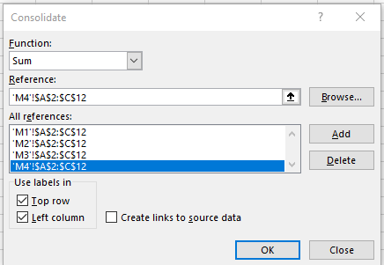
back
 | Mileage | Sales
John | 22 | 1775
Mathew | 9 | 1753
Mark | 11 | 2046
James | 15 | 1874
Simon | 21 | 2102
Luke | 23 | 1936
Peter | 27 | 1445
Paul | 21 | 2530
Darragh | 24 | 2841
Lisa | 26 | 2246

AverageConsolidation
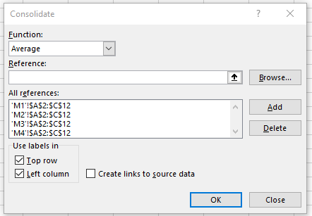
back
 | Mileage | Sales
John | 5.5 | 443.75
Mathew | 2.25 | 438.25
Mark | 2.75 | 511.5
James | 3.75 | 468.5
Simon | 5.25 | 525.5
Luke | 5.75 | 484
Peter | 6.75 | 361.25
Paul | 5.25 | 632.5
Darragh | 6 | 710.25
Lisa | 6.5 | 561.5

CountConsolidation
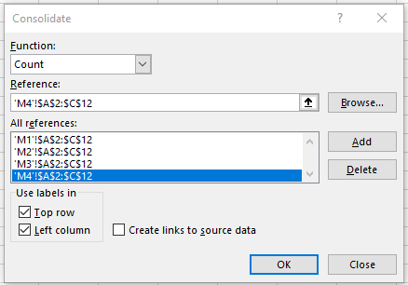
back
 | Mileage | Sales
John | 4 | 4
Mathew | 4 | 4
Mark | 4 | 4
James | 4 | 4
Simon | 4 | 4
Luke | 4 | 4
Peter | 4 | 4
Paul | 4 | 4
Darragh | 4 | 4
Lisa | 4 | 4

LinkConsolidation
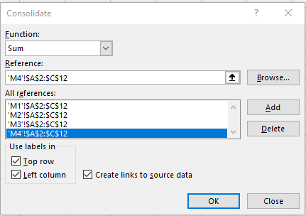
back
 | Mileage | Sales
John | 22 | 1775
Mathew | 9 | 1753
Mark | 11 | 2046
James | 15 | 1874
Simon | 21 | 2102
Luke | 23 | 1936
Peter | 27 | 1445
Paul | 21 | 2530
Darragh | 24 | 2841
Lisa | 26 | 2246

