Filament php
A | Install Laravel https://laravel.com/docs/12.x
 | composer global require laravel/installer
 | laravel new example-app

 | cd example-app
 | npm install && npm run build
 | composer run dev

 | Instal Filament PHP https://filamentphp.com/docs/3.x/panels/installation
 | composer require filament/filament:"^3.3" -W
 | php artisan filament:install --panels
 | php artisan vendor:publish --tag=filament-stubs

 | Install Larevel Blueprint https://blueprint.laravelshift.com/docs/installation/
 | composer require -W --dev laravel-shift/blueprint
 | php artisan blueprint:new

 | edit file draft.yaml

 |  | models:
 |  | Post:
 |  | title: string:400
 |  | content: longtext
 |  | published_at: nullable timestamp

 |  | controllers:
 |  | # ...

 | lalu jalankan :
 |  | php artisan blueprint:build

 | lalu lakukan migrate
 |  | php artisan migrate:fresh --seed

 |  | php artisan make:filament-resource Post --generate

 | buka http://127.0.0.1:8000/admin
 |  | user : test@example.com pass : password

 | Agar saat create Post, kembali ke menu awal tambahkan ini :
 |  | buka app\Filament\Resources\PostResource\Pages\CreatePost.php lalu edit menjadi :

 |  | class CreatePost extends CreateRecord
 |  | {
 |  |  | protected static string $resource = PostResource::class;

 |  |  | //customize redirect after create
 |  |  | public function getRedirectUrl(): string
 |  |  | {
 |  |  | return $this->getResource()::getUrl('index');
 |  |  | }
 |  | }

 | atau dengan cara edit Stub Filament di : stubs\filament\ResourcePage.stub

 |  | class {{ resourcePageClass }} extends {{ baseResourcePageClass }}
 |  | {
 |  | protected static string $resource = {{ resourceClass }}::class;

 |  | //customize redirect after create
 |  | public function getRedirectUrl(): string
 |  | {
 |  | return $this->getResource()::getUrl('index');
 |  | }
 |  | }

 | Edit file stubs\filament\ResouceEditPage.stub

 |  | class {{ resourcePageClass }} extends {{ baseResourcePageClass }}
 |  | {
 |  | protected static string $resource = {{ resourceClass }}::class;

 |  | protected function getHeaderActions(): array
 |  | {
 |  | return [
 |  | {{ actions }}
 |  | ];
 |  | }

 |  | //customize redirect after create
 |  | public function getRedirectUrl(): string
 |  | {
 |  | return $this->getResource()::getUrl('index');
 |  | }
 |  | }

 | Cara tambahkan Tombol delete diTable List :
 | Edit file stubs\filament\Resource.stub

 |  | public static function table(Table $table): Table
 |  | {
 |  | return $table
 |  | ->columns([
 |  | {{ tableColumns }}
 |  | ])
 |  | ->filters([
 |  | {{ tableFilters }}
 |  | ])
 |  | ->actions([
 |  | {{ tableActions }}
 |  | Tables\Actions\DeleteAction::make()
 |  | ])
 |  | ->bulkActions([
 |  | Tables\Actions\BulkActionGroup::make([
 |  | {{ tableBulkActions }}
 |  | ]),
 |  | ]);
 |  | }

 | Jika ingin hide tombol Create & Create Another di Menu Entry Post, edit file Stubs\Filament\ResourcesPage.stub

 |  | class {{ resourcePageClass }} extends {{ baseResourcePageClass }}
 |  | {
 |  | protected static string $resource = {{ resourceClass }}::class;
 |  | protected static bool $canCreateAnother = false;

 |  | //customize redirect after create
 |  | public function getRedirectUrl(): string
 |  | {
 |  | return $this->getResource()::getUrl('index');
 |  | }

B | Install Plugin Filament Breeze. https://filamentphp.com/plugins/jeffgreco-breezy#two-factor-authentication

 |  | composer require jeffgreco13/filament-breezy
 |  | php artisan breezy:install

 | Cara Show menu My Profile di Dashboard,
 |  | edit file app\Providers\Filament\AdminPanelProvider.php

 |  | use Jeffgreco13\FilamentBreezy\BreezyCore;
 |  | public function panel(Panel $panel): Panel
 |  | {
 |  | return $panel
 |  | // ... other configurations
 |  | ->plugins(
 |  | BreezyCore::make()
 |  |  | ->myProfile(
 |  |  | shouldRegisterUserMenu: true, // Sets the 'account' link in the panel User Menu (default = true)
 |  |  | userMenuLabel: 'My Profile', // Customizes the 'account' link label in the panel User Menu (default = null)
 |  |  | shouldRegisterNavigation: true, // Adds a main navigation item for the My Profile page (default = false)
 |  |  | navigationGroup: 'Settings', // Sets the navigation group for the My Profile page (default = null)
 |  |  | hasAvatars: false, // Enables the avatar upload form component (default = false)
 |  |  | slug: 'my-profile' // Sets the slug for the profile page (default = 'my-profile')
 |  |  | )
 |  | );

 | Untuk Enable 2FA
 |  | Edit file app\Models\User.php

 |  | use Jeffgreco13\FilamentBreezy\Traits\TwoFactorAuthenticatable;

 |  | class User extends Authenticatable
 |  | {
 |  | use HasApiTokens, HasFactory, Notifiable, TwoFactorAuthenticatable;
 |  | // ...

 |  | }

 |  | Lalu Edit file app\Providers\Filament\AdminPanelProvider.php

 |  | public function panel(Panel $panel): Panel
 |  | {
 |  | return $panel
 |  | // ... other configurations
 |  | ->plugins(
 |  | BreezyCore::make()
 |  |  | ->myProfile(
 |  |  | shouldRegisterUserMenu: true, // Sets the 'account' link in the panel User Menu (default = true)
 |  |  | userMenuLabel: 'My Profile', // Customizes the 'account' link label in the panel User Menu (default = null)
 |  |  | shouldRegisterNavigation: true, // Adds a main navigation item for the My Profile page (default = false)
 |  |  | navigationGroup: 'Settings', // Sets the navigation group for the My Profile page (default = null)
 |  |  | hasAvatars: false, // Enables the avatar upload form component (default = false)
 |  |  | slug: 'my-profile' // Sets the slug for the profile page (default = 'my-profile')
 |  |  | )
 |  |  | ->enableTwoFactorAuthentication(
 |  |  | force: false, // force the user to enable 2FA before they can use the application (default = false)
 |  |  | ),
 |  | );

 | Jika mau di profile page ada gambar Avatar
 |  | edit file app\Models\User.php

 |  | use Illuminate\Support\Facades\Storage;
 |  | use Filament\Models\Contracts\FilamentUser;
 |  | use Filament\Models\Contracts\HasAvatar;

 |  | class User extends Authenticatable implements FilamentUser, HasAvatar
 |  | {
 |  |  | // ...

 |  | public function getFilamentAvatarUrl(): ?string
 |  | {
 |  |  | return $this->avatar_url ? Storage::url($this->avatar_url) : null ;
 |  | }
 |  | }

 | lalu edit file app\Providers\Filament\AdminPanelProvider.php

 |  | use Filament\Forms\Components\FileUpload;

 |  | class AdminPanelProvider extends PanelProvider
 |  | {
 |  | public function panel(Panel $panel): Panel
 |  | {

 |  | ->plugins([
 |  | FilamentShieldPlugin::make(), // Register the BreezyCore plugin for user management and authentication
 |  | BreezyCore::make()
 |  | ->myProfile(
 |  | shouldRegisterUserMenu: true, // Sets the 'account' link in the panel User Menu (default = true)
 |  | userMenuLabel: 'My Profile', // Customizes the 'account' link label in the panel User Menu (default = null)
 |  | shouldRegisterNavigation: true, // Adds a main navigation item for the My Profile page (default = false)
 |  | navigationGroup: 'Settings', // Sets the navigation group for the My Profile page (default = null)
 |  | hasAvatars: false, // Enables the avatar upload form component (default = false)
 |  | slug: 'my-profile' // Sets the slug for the profile page (default = 'my-profile')
 |  | )
 |  | ->avatarUploadComponent(fn($fileUpload) => $fileUpload->disableLabel())
 |  | // OR, replace with your own component
 |  | ->avatarUploadComponent(fn() => FileUpload::make('avatar_url')->disk('public'))
 |  | ->enableTwoFactorAuthentication(
 |  | force: false, // force the user to enable 2FA before they can use the application (default = false)
 |  | ),
 |  | ]);

 |  | }
 |  | }

 | Lalu add cloumn to Table
 |  | php artisan make:migration add_avatar_url_column_to_users_table

 | lalu edit file migration : database\migrations\2025_05_31_170056_add_avatar_url_column_to_users_table.php

 |  | public function up(): void
 |  | {
 |  | Schema::table('users', function (Blueprint $table) {
 |  | $table->string('avatar_url')->nullable();
 |  | });
 |  | }

 |  | public function down(): void
 |  | {
 |  | Schema::table('users', function (Blueprint $table) {
 |  | $table->dropColumn('avatar_url');
 |  | });
 |  | }

 | Lalu edit file app\Models\User.php

 |  | protected $fillable = [
 |  | ...
 |  | 'avatar_url',
 |  | ...
 |  | ];

 | Lalu jalankan migrate
 |  | php artisan migrate atau php artisan migrate:fresh --seed

 | Lalu edit file app\Providers\Filament\AdminPanelProvider.php

 |  | ->plugins([
 |  | BreezyCore::make()
 |  | ->myProfile(
 |  | shouldRegisterUserMenu: true, // Sets the 'account' link in the panel User Menu (default = true)
 |  | userMenuLabel: 'My Profile', // Customizes the 'account' link label in the panel User Menu (default = null)
 |  | shouldRegisterNavigation: true, // Adds a main navigation item for the My Profile page (default = false)
 |  | navigationGroup: 'Settings', // Sets the navigation group for the My Profile page (default = null)
 |  | hasAvatars: true, // Enables the avatar upload form component (default = false)
 |  | slug: 'my-profile' // Sets the slug for the profile page (default = 'my-profile')
 |  | )
 |  | ->avatarUploadComponent(fn($fileUpload) => $fileUpload->disableLabel())
 |  | // OR, replace with your own component
 |  | ->avatarUploadComponent(fn() => FileUpload::make('avatar_url')->disk('profile-photos'))
 |  | ->enableTwoFactorAuthentication(
 |  | force: false, // force the user to enable 2FA before they can use the application (default = false)
 |  | ),
 |  | ]);

 | Jika mau user bisa akses panel
 |  | edit file app\Models\User.php

 |  | use Filament\Models\Contracts\FilamentUser;
 |  | use Filament\Panel;
 |  | use Illuminate\Foundation\Auth\User as Authenticatable;

 |  | class User extends Authenticatable implements FilamentUser, HasAvatar
 |  | {
 |  | // ...

 |  | public function canAccessPanel(Panel $panel): bool
 |  | {
 |  |  | return true; // karena masih developmen kita return tru dulu, apabila sudah prod un comment code dibawah ini
 |  |  | // return str_ends_with($this->email, '@yourdomain.com') && $this->hasVerifiedEmail();
 |  | }
 |  | }

C | Install Filament Shield. https://filamentphp.com/plugins/bezhansalleh-shield

 |  | composer require bezhansalleh/filament-shield
 |  | php artisan vendor:publish --tag="filament-shield-config"

 | tambahkan hasRole di file app\Models\User.php

 |  | use Spatie\Permission\Traits\HasRoles;

 |  | class User extends Authenticatable
 |  | {
 |  | use HasRoles, HasFactory, Notifiable, TwoFactorAuthenticatable;
 |  | }

 | lalu jalankan command ini, lalu pilih yes
 |  | php artisan shield:setup

 | lalu install shield di panel mana yg kita mau
 |  | php artisan shield:install admin // Replace 'admin' with your panel ID

 | atau tambahkan secara manual di file app\Providers\Filament\AdminPanelProvider.php

 |  | public function panel(Panel $panel): Panel
 |  | {
 |  | return $panel
 |  | // ... other configurations
 |  | ->plugins([
 |  | FilamentShieldPlugin::make(), // Register the BreezyCore plugin for user management and authentication
 |  | BreezyCore::make()
 |  |  | ->myProfile(
 |  |  | shouldRegisterUserMenu: true, // Sets the 'account' link in the panel User Menu (default = true)
 |  |  | userMenuLabel: 'My Profile', // Customizes the 'account' link label in the panel User Menu (default = null)
 |  |  | shouldRegisterNavigation: true, // Adds a main navigation item for the My Profile page (default = false)
 |  |  | navigationGroup: 'Settings', // Sets the navigation group for the My Profile page (default = null)
 |  |  | hasAvatars: false, // Enables the avatar upload form component (default = false)
 |  |  | slug: 'my-profile' // Sets the slug for the profile page (default = 'my-profile')
 |  |  | )
 |  |  | ->enableTwoFactorAuthentication(
 |  |  | force: false, // force the user to enable 2FA before they can use the application (default = false)
 |  |  | ),
 |  | ]);

 | Lalu jalankan command ini :
 |  | php artisan shield:generate --all

 | lalu buat role super_admin melalui menu Roles

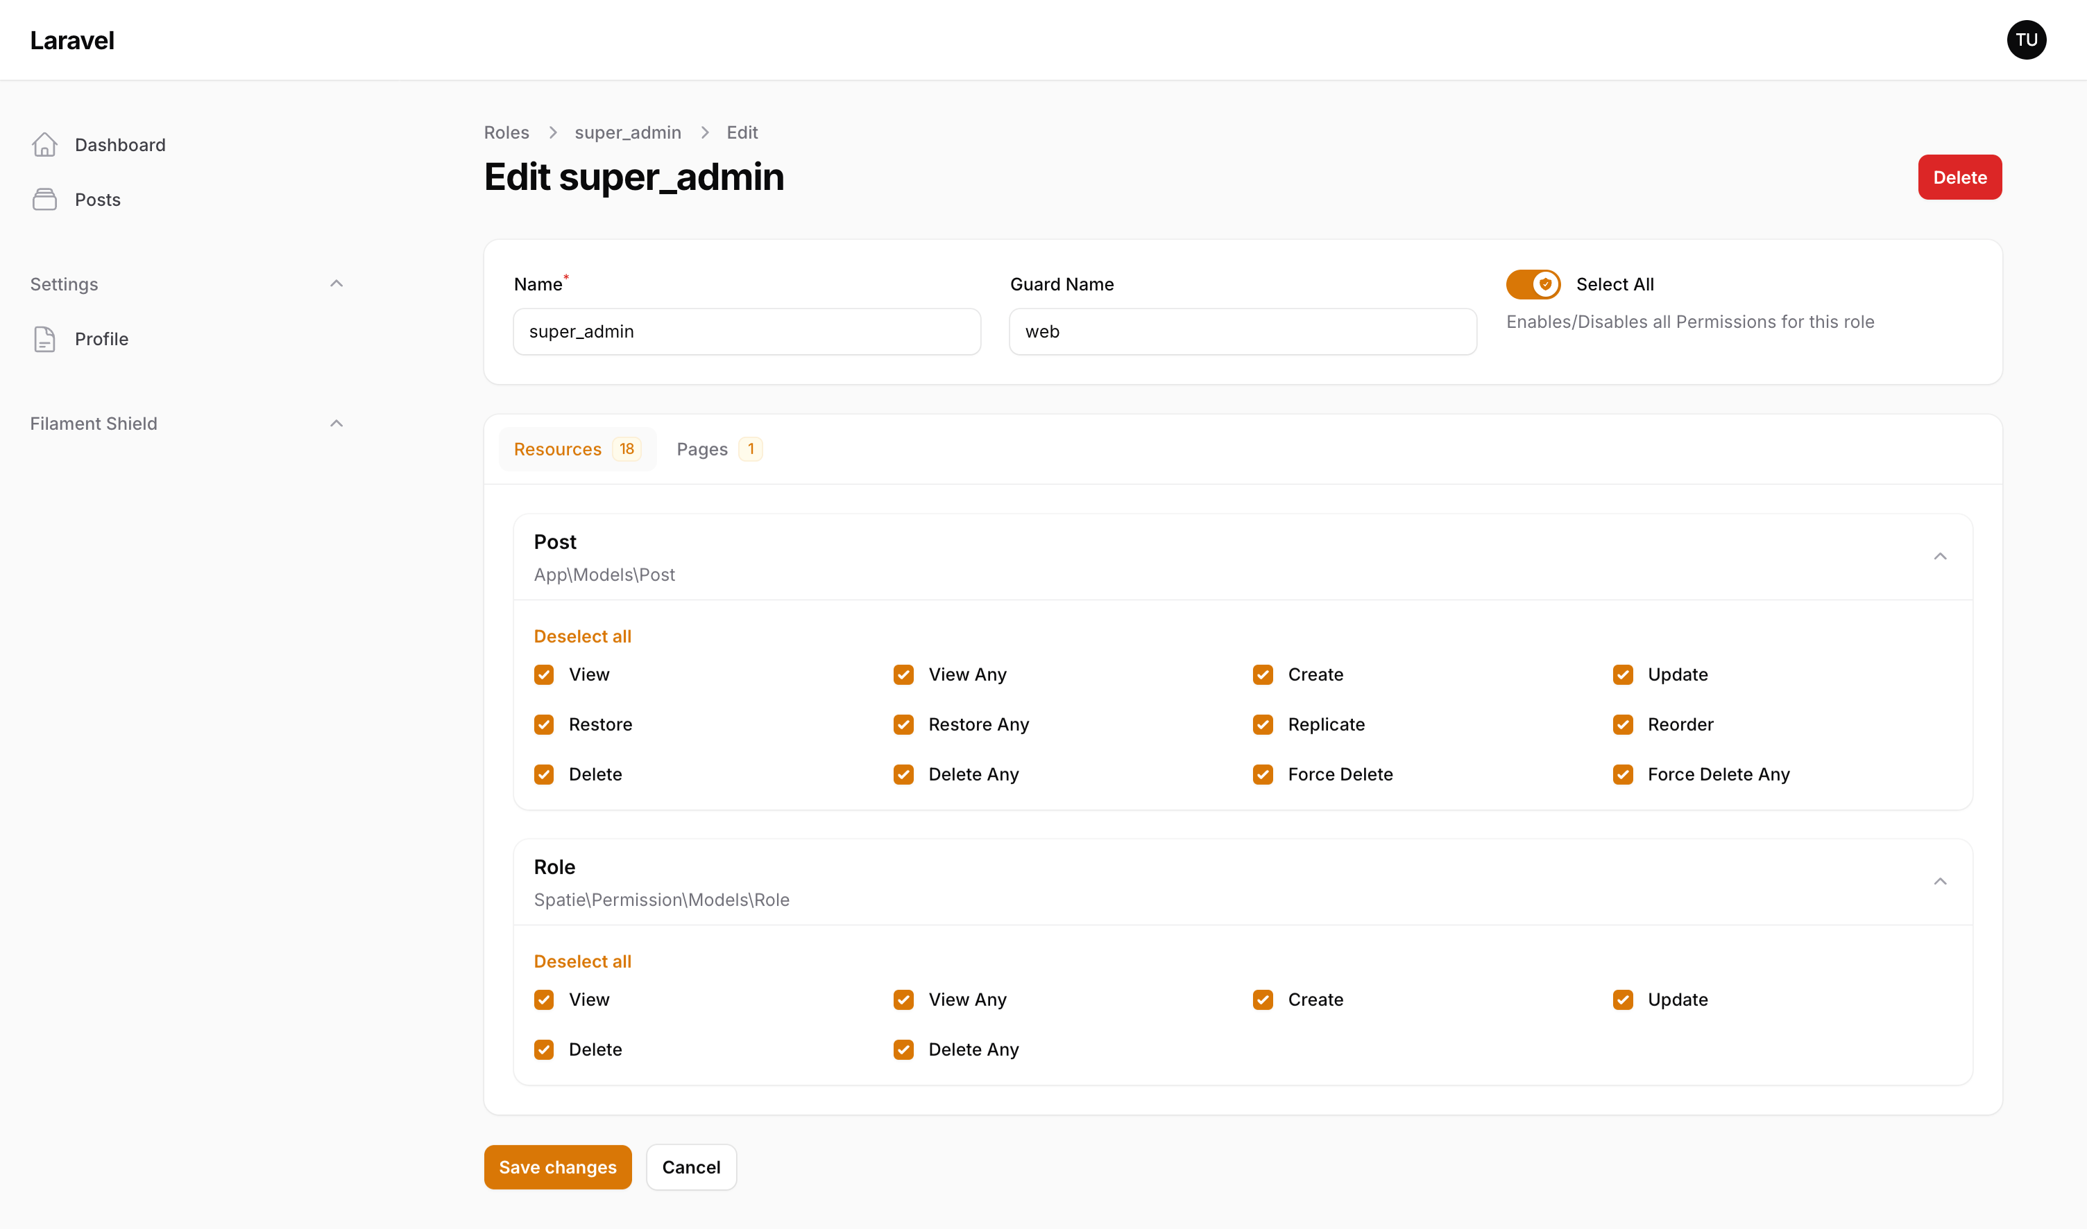

 | Jika Menu Roles tidak muncul, coba assign user ke role Super_admin, jalankan command ini lalu pilih user nya
 |  | php artisan shield:super-admin
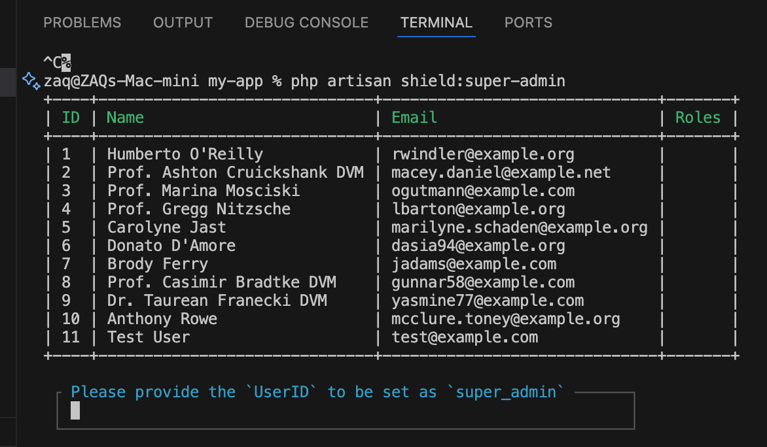

D | Install Spatie Media Library. https://filamentphp.com/plugins/filament-spatie-media-library

 |  | composer require filament/spatie-laravel-media-library-plugin:"^3.2" -W
 |  | php artisan vendor:publish --provider="Spatie\MediaLibrary\MediaLibraryServiceProvider" --tag="medialibrary-migrations"
 |  | php artisan migrate

 | Edit file app\Models\Post.php

 |  | use Spatie\MediaLibrary\HasMedia;
 |  | use Spatie\MediaLibrary\InteractsWithMedia;
 |  | use Spatie\Image\Enums\Fit;
 |  | use Spatie\MediaLibrary\MediaCollections\Models\Media;

 |  | class Post extends Model implements HasMedia
 |  | {
 |  | use HasFactory, InteractsWithMedia;
 |  | }

 |  | public function registerMediaConversions(?Media $media = null): void
 |  | {
 |  | $this
 |  | ->addMediaConversion('preview')
 |  | ->fit(Fit::Contain, 300, 300)
 |  | ->nonQueued();
 |  | }

 | Lalu edit file app\Filament\Resources\PostResource.php

 |  | use Filament\Forms\Components\SpatieMediaLibraryFileUpload;

 |  | public static function form(Form $form): Form
 |  | {
 |  | return $form
 |  | ->schema([
 |  | Forms\Components\TextInput::make('title')
 |  | ->required(),
 |  | Forms\Components\Textarea::make('content')
 |  | ->required()
 |  | ->columnSpanFull(),
 |  | Forms\Components\DateTimePicker::make('published_at'),
 |  | SpatieMediaLibraryFileUpload::make('cover'),
 |  | ]);
 |  | }

Kaido-kit
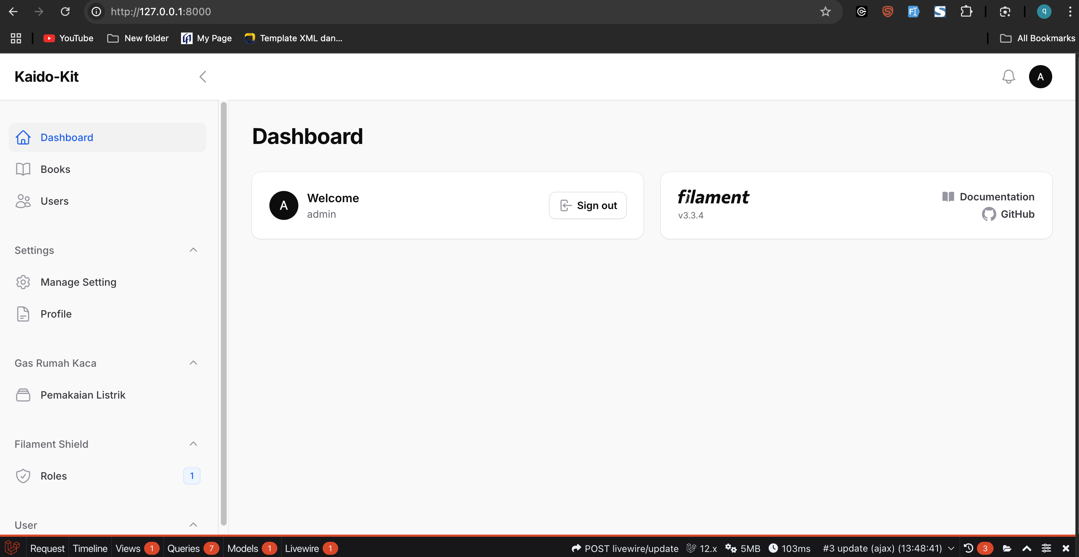
A | INSTALL KAIDO KIT

 | composer create-project siubie/kaido-kit my-app
 | cd my-app
 | composer install
 | npm install
 | cp .env.example .env
 | php artisan key:generate

 | Configure your database in .env

 | DB_CONNECTION=mysql
 | DB_HOST=127.0.0.1
 | DB_PORT=3306
 | DB_DATABASE=kaido_kit
 | DB_USERNAME=root
 | DB_PASSWORD=

 | Configure your google sign in cliend id and secret (optional)

 | #google auth
 | GOOGLE_CLIENT_ID=
 | GOOGLE_CLIENT_SECRET=
 | GOOGLE_REDIRECT_URI=http://localhost:8000/admin/oauth/callback/google

 | Configure your resend for email sending (optional)

 | #resend
 | MAIL_MAILER=resend
 | MAIL_HOST=127.0.0.1
 | MAIL_PORT=2525
 | MAIL_USERNAME=null
 | MAIL_PASSWORD=null
 | MAIL_ENCRYPTION=null
 | RESEND_API_KEY=
 | MAIL_FROM_ADDRESS="admin@domain.com"
 | MAIL_FROM_NAME="${APP_NAME}"

 | Migrate your database

 | php artisan migrate --seed

 | Serve the Application

 | npm run build
 | composer run dev Atau php artisan serve

B | MEMBUAT CRUD
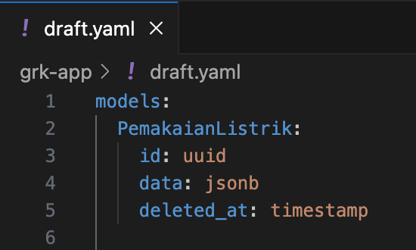
 | Edit file draft.yaml

 |  | models:
 |  | PemakaianListrik:
 |  | id: uuid
 |  | data: jsonb
 |  | deleted_at: timestamp

 | Jalankan command ini

 |  | php artisan blueprint:build

 | edit file Migration

 |  | public function up(): void
 |  | {
 |  | Schema::create('pemakaian_listriks', function (Blueprint $table) {
 |  | $table->uuid('id');
 |  | $table->jsonb('data');
 |  | $table->timestamp('deleted_at')->nullable(); // Optional: for soft deletes
 |  | $table->timestamps();
 |  | });
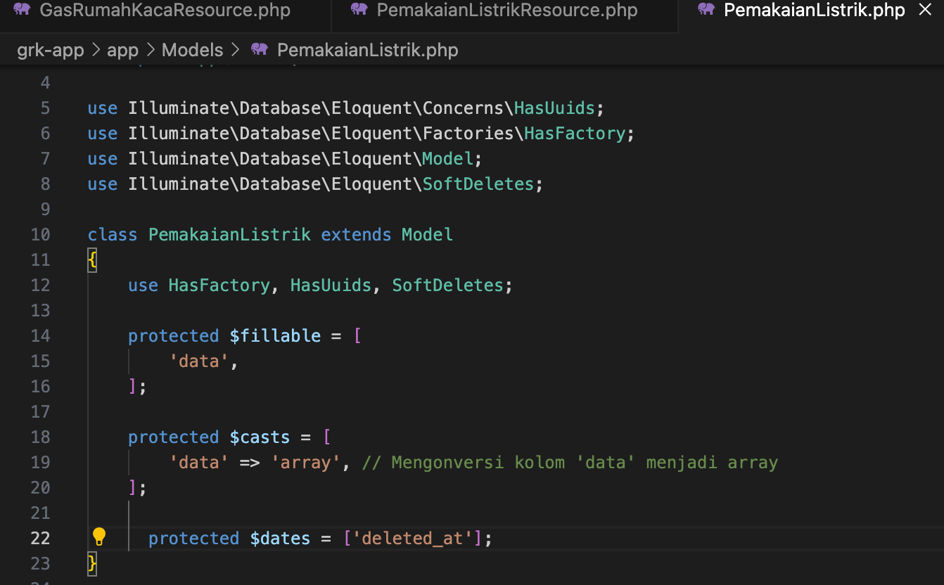
 |  | }

 | edit file app\Models\PemakaianListrik.php

 |  | use Illuminate\Database\Eloquent\SoftDeletes;

 |  | use HasFactory, HasUuids, SoftDeletes;

 |  | protected $casts = [
 |  | 'data' => 'array', // Mengonversi kolom 'data' menjadi array
 |  | ];

 |  | protected $dates = ['deleted_at'];

 | lalu jalankan command ini untuk membuat Resource secara otomatis

 |  | php artisan make:filament-resource PemakaianListrik --generate

 | Jalankan migrasi database kembali untuk specific file migration

 |  | php artisan migrate --path=database/migrations/2025_06_01_125437_create_pemakaian_listriks_table.php

 |  | php artisan serve

 | Edit file app\Filament\Resources\PemakaianListrikResource.php

 |  | protected static ?string $navigationGroup = 'Gas Rumah Kaca';
 |  | protected static ?string $navigationLabel = 'Pemakaian Listrik';

 |  | public static function form(Form $form): Form
 |  | {
 |  | return $form
 |  | ->schema([
 |  | Forms\Components\Section::make('Data')
 |  | ->statePath('data')
 |  | ->schema([
 |  | Forms\Components\Select::make('lokasi')
 |  | ->label('Lokasi')
 |  | ->searchable()
 |  | ->options([
 |  | 'J1' => 'J1 - Jakarta 1',
 |  | 'J2' => 'J2 - Jakarta 2',
 |  | 'C1' => 'C1 - Cikarang',
 |  | 'S1' => 'S1 - Semarang',
 |  | ])
 |  | ->required(),
 |  | // // Contoh Select dengan mengambil data dari database
 |  | // Forms\Components\Select::make('lokasi')
 |  | // ->label('Lokasi')
 |  | // ->searchable()
 |  | // ->options(function () {
 |  | // return DB::table('warehouses')
 |  | // ->select('id', 'name', 'description')
 |  | // ->limit(5)
 |  | // ->get()
 |  | // ->mapWithKeys(fn ($item) => [$item->name => "{$item->name} - {$item->description}"])
 |  | // ->toArray();
 |  | // })
 |  | // ->getSearchResultsUsing(function (string $search) {
 |  | // return DB::table('warehouses')
 |  | // ->select('id', 'name', 'description')
 |  | // ->where('name', 'like', "%{$search}%")
 |  | // ->limit(5)
 |  | // ->get()
 |  | // ->mapWithKeys(fn ($item) => [$item->name => "{$item->name} - {$item->description}"])
 |  | // ->toArray();
 |  | // })
 |  | // ->getOptionLabelUsing(function ($value) {
 |  | // return DB::table('warehouses')->where('id', $value)->value('name');
 |  | // })
 |  | // ->required(),
 |  | Forms\Components\DatePicker::make('tanggal')
 |  | ->label('Tanggal')
 |  | ->default(now())
 |  | ->required(),

 |  | Forms\Components\TextInput::make('nama_gedung')
 |  | ->label('Nama Gedung / Kantor')
 |  | ->required(),

 |  | Forms\Components\Select::make('skema_pembayaran')
 |  | ->options([
 |  | 'pasca_bayar' => 'Pasca Bayar',
 |  | 'pra_bayar' => 'Pra Bayar',
 |  | ])
 |  | ->required(),
 |  | Forms\Components\TextInput::make('scope')
 |  | ->label('Scope')
 |  | ->required(),
 |  | Forms\Components\TextInput::make('kwh')
 |  | ->label('KWH')
 |  | ->integer()
 |  | ->required(),
 |  | ])
 |  | ->columns(2),
 |  | ]);

 |  | }

 |  | public static function table(Table $table): Table
 |  | {
 |  | return $table
 |  | ->columns([
 |  | Tables\Columns\TextColumn::make('id')
 |  | ->label('ID')
 |  | ->searchable(),

 |  | Tables\Columns\TextColumn::make('data')
 |  | ->label('Lokasi')
 |  | ->getStateUsing(function ($record) {
 |  | // Periksa apakah data sudah berupa array
 |  | $data = is_array($record->data) ? $record->data : json_decode($record->data, true);

 |  | // Kembalikan nilai 'lokasi' atau 'N/A' jika tidak ada
 |  | return $data['lokasi'] ?? 'N/A';
 |  | }),
 |  | Tables\Columns\TextColumn::make('tanggal')
 |  | ->label('Tanggal')
 |  | ->getStateUsing(function ($record) {
 |  | // Periksa apakah data sudah berupa array
 |  | $data = is_array($record->data) ? $record->data : json_decode($record->data, true);

 |  | // Kembalikan nilai 'lokasi' atau 'N/A' jika tidak ada
 |  | return $data['tanggal'] ?? 'N/A';
 |  | }),

 |  | ])
 |  | ->filters([
 |  | //
 |  | ])
 |  | ->actions([
 |  | Tables\Actions\EditAction::make(),
 |  | Tables\Actions\DeleteAction::make(),

 |  | ])
 |  | ->bulkActions([
 |  | Tables\Actions\BulkActionGroup::make([
 |  | Tables\Actions\DeleteBulkAction::make(),
 |  | ]),
 |  | ]);
 |  | }

C | Setting Roles and Permission

 | Next step is to setup the RBAC, first generate the role and permission

 | php artisan shield:generate --all

 | It will ask which panel do you want to generate permission/policies for choose the admin panel.

 | Setup the super admin using this command

 | php artisan shield:super-admin
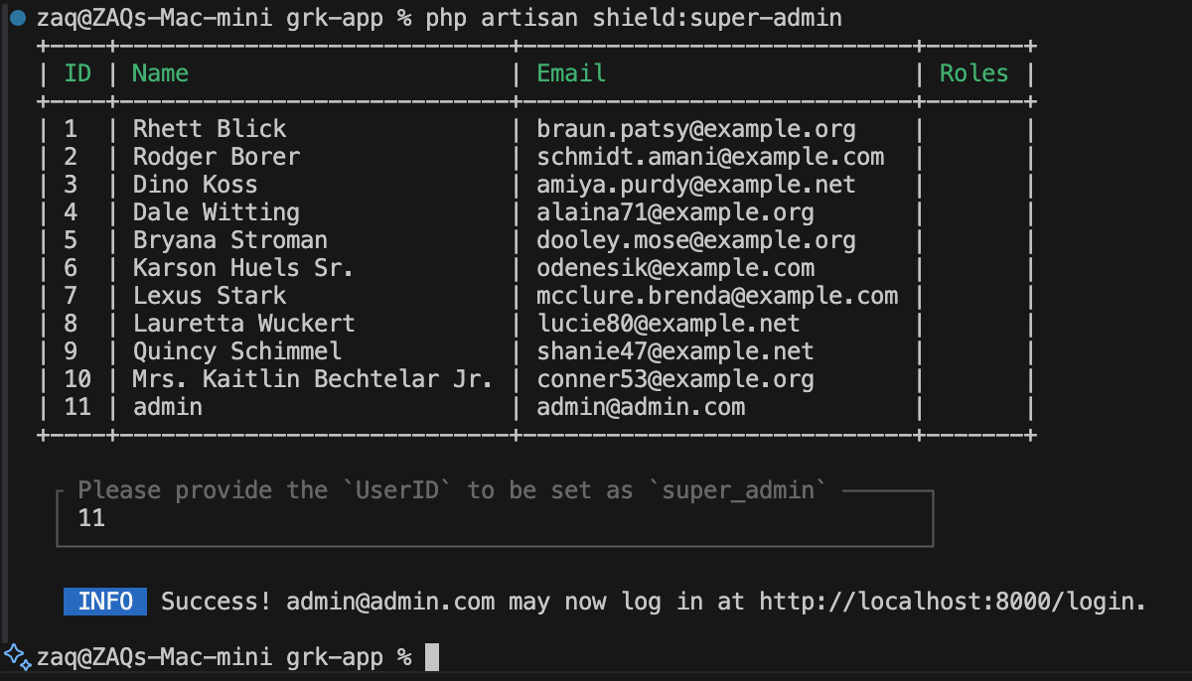

 | php artisan serve

