Foglio1
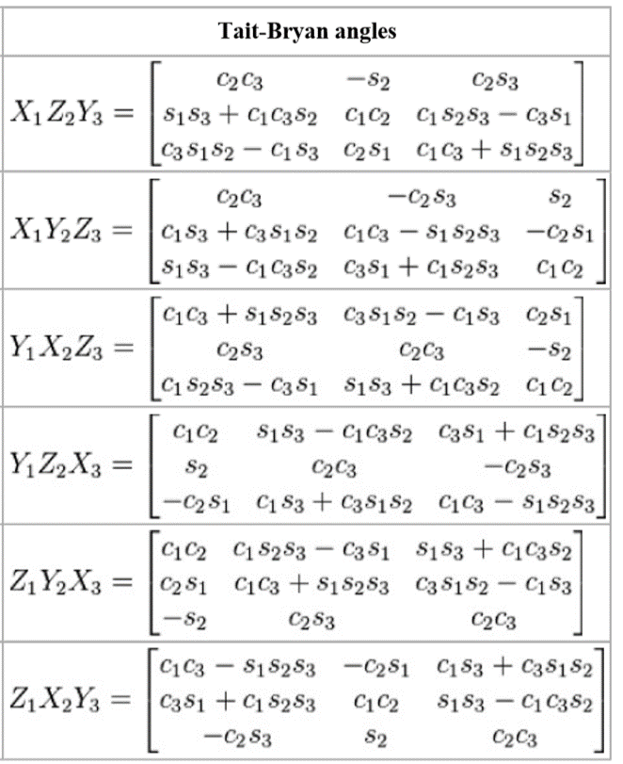

 | c2=0 | s3=0

0 | -s2 | 0 | res.X=atan2(M31,M21)
c1c3s2 | 0 | -c3s1 | res.Z=-pi * sign(M12)
c3s1s2 | 0 | c1c3 | res.Y=0

0 | 0 | s2 | res.Z=0
c3s1s2 | c1c3 | 0 | res.Y=pi * sign(M13)
-c1c3s2 | c3s1 | 0 | res.X=atan2(M21,-m31)

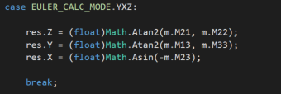
c1c3 | c3s1s2 | 0 | res.Z=0
0 | 0 | -s2 | res.X=-pi * sign(M23)
-c3s1 | c1c3s2 | 0 | res.Y=atan2(M12,M32)

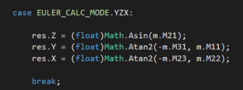

0 | -c1c3s2 | c3s1s2 | res.X=0
s2 | 0 | 0 | res.Z=pi * sign(M21)
0 | c3s1 | c1c3 | res.Y=atan2(M13,-M12)

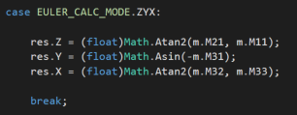

0 | -c3s1 | c1c3s2 | res.X=0
0 | c1c3 | c3s1s2 | res.Y=-PI*sign(M31)
-s2 | 0 | 0 | res.Z=atan2(M23,M13)

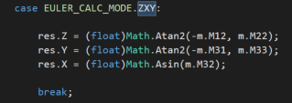
c1c3 | 0 | c3s1s2 | res.Y=0
c3s1 | 0 | -c1c3s2 | res.X=pi*sign(M32)
0 | s2 | 0 | res.Z=atan2(M13,-M23)

