Folha1
Request HTTP

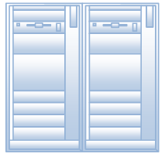

Response HTTP

Clientes HTTP
Servidores HTTP

