LOC_Boxplot
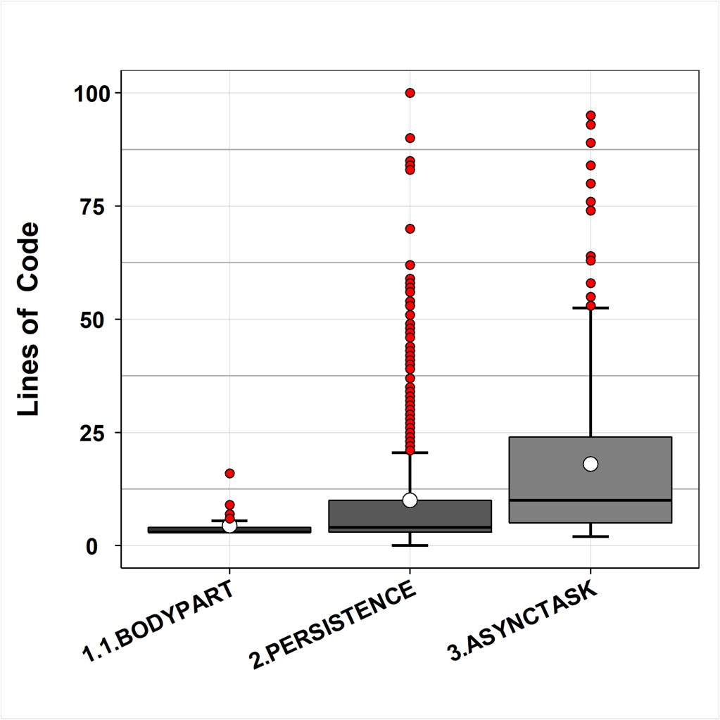

Outliers
Ordem de Coleta | Dados | Grupos
1 | 100 | 2.PERSISTENCE
2 | 95 | 3.ASYNCTASK
3 | 93 | 3.ASYNCTASK
4 | 90 | 2.PERSISTENCE
5 | 89 | 3.ASYNCTASK
6 | 85 | 2.PERSISTENCE
7 | 84 | 2.PERSISTENCE
8 | 84 | 3.ASYNCTASK
9 | 83 | 2.PERSISTENCE
10 | 80 | 3.ASYNCTASK
11 | 76 | 3.ASYNCTASK
12 | 74 | 3.ASYNCTASK
13 | 70 | 2.PERSISTENCE
14 | 64 | 3.ASYNCTASK
15 | 63 | 3.ASYNCTASK
16 | 62 | 2.PERSISTENCE
17 | 59 | 2.PERSISTENCE
18 | 58 | 3.ASYNCTASK
19 | 58 | 2.PERSISTENCE
20 | 57 | 2.PERSISTENCE
21 | 56 | 2.PERSISTENCE
22 | 56 | 2.PERSISTENCE
23 | 56 | 2.PERSISTENCE
24 | 56 | 2.PERSISTENCE
25 | 55 | 3.ASYNCTASK
26 | 54 | 2.PERSISTENCE
27 | 53 | 2.PERSISTENCE
28 | 53 | 3.ASYNCTASK
29 | 53 | 3.ASYNCTASK
30 | 53 | 3.ASYNCTASK
32 | 51 | 2.PERSISTENCE
33 | 51 | 2.PERSISTENCE
36 | 49 | 3.ASYNCTASK
37 | 49 | 3.ASYNCTASK
38 | 49 | 2.PERSISTENCE
39 | 49 | 2.PERSISTENCE
40 | 48 | 2.PERSISTENCE
41 | 47 | 3.ASYNCTASK
42 | 47 | 2.PERSISTENCE
43 | 47 | 2.PERSISTENCE
44 | 46 | 3.ASYNCTASK
45 | 46 | 3.ASYNCTASK
46 | 46 | 2.PERSISTENCE
48 | 44 | 2.PERSISTENCE
49 | 43 | 3.ASYNCTASK
50 | 43 | 3.ASYNCTASK
51 | 43 | 3.ASYNCTASK
52 | 43 | 2.PERSISTENCE
53 | 42 | 3.ASYNCTASK
54 | 42 | 3.ASYNCTASK
55 | 42 | 2.PERSISTENCE
56 | 42 | 2.PERSISTENCE
57 | 41 | 3.ASYNCTASK
58 | 41 | 2.PERSISTENCE
59 | 41 | 2.PERSISTENCE
60 | 41 | 2.PERSISTENCE
61 | 40 | 2.PERSISTENCE
62 | 40 | 3.ASYNCTASK
63 | 40 | 2.PERSISTENCE
64 | 39 | 3.ASYNCTASK
65 | 39 | 3.ASYNCTASK
66 | 39 | 3.ASYNCTASK
67 | 39 | 2.PERSISTENCE
69 | 37 | 2.PERSISTENCE
70 | 37 | 2.PERSISTENCE
71 | 37 | 2.PERSISTENCE
72 | 37 | 2.PERSISTENCE
73 | 37 | 2.PERSISTENCE
74 | 37 | 3.ASYNCTASK
75 | 37 | 3.ASYNCTASK
76 | 37 | 2.PERSISTENCE
78 | 35 | 2.PERSISTENCE
79 | 35 | 2.PERSISTENCE
80 | 35 | 3.ASYNCTASK
81 | 35 | 2.PERSISTENCE
82 | 34 | 2.PERSISTENCE
83 | 34 | 2.PERSISTENCE
84 | 34 | 2.PERSISTENCE
85 | 33 | 2.PERSISTENCE
86 | 33 | 3.ASYNCTASK
87 | 33 | 3.ASYNCTASK
88 | 33 | 3.ASYNCTASK
89 | 33 | 2.PERSISTENCE
90 | 33 | 2.PERSISTENCE
91 | 32 | 2.PERSISTENCE
92 | 32 | 3.ASYNCTASK
93 | 32 | 3.ASYNCTASK
94 | 32 | 3.ASYNCTASK
95 | 32 | 2.PERSISTENCE
96 | 32 | 2.PERSISTENCE
97 | 31 | 2.PERSISTENCE
98 | 31 | 2.PERSISTENCE
99 | 30 | 3.ASYNCTASK
100 | 30 | 3.ASYNCTASK
101 | 30 | 2.PERSISTENCE
102 | 30 | 2.PERSISTENCE
103 | 29 | 2.PERSISTENCE
104 | 29 | 3.ASYNCTASK
105 | 29 | 3.ASYNCTASK
106 | 29 | 3.ASYNCTASK
107 | 29 | 2.PERSISTENCE
108 | 29 | 2.PERSISTENCE
109 | 28 | 2.PERSISTENCE
110 | 27 | 2.PERSISTENCE
111 | 27 | 3.ASYNCTASK
112 | 27 | 3.ASYNCTASK
113 | 27 | 3.ASYNCTASK
114 | 27 | 2.PERSISTENCE
115 | 27 | 2.PERSISTENCE
116 | 27 | 2.PERSISTENCE
117 | 26 | 3.ASYNCTASK
118 | 26 | 2.PERSISTENCE
119 | 25 | 2.PERSISTENCE
120 | 24 | 2.PERSISTENCE
121 | 24 | 2.PERSISTENCE
122 | 24 | 3.ASYNCTASK
123 | 24 | 3.ASYNCTASK
124 | 24 | 3.ASYNCTASK
125 | 24 | 2.PERSISTENCE
126 | 24 | 2.PERSISTENCE
127 | 23 | 2.PERSISTENCE
128 | 23 | 3.ASYNCTASK
129 | 23 | 3.ASYNCTASK
130 | 23 | 2.PERSISTENCE
131 | 23 | 2.PERSISTENCE
132 | 22 | 2.PERSISTENCE
133 | 22 | 2.PERSISTENCE
134 | 22 | 2.PERSISTENCE
135 | 22 | 2.PERSISTENCE
136 | 21 | 2.PERSISTENCE
137 | 21 | 2.PERSISTENCE
138 | 21 | 3.ASYNCTASK
139 | 21 | 3.ASYNCTASK
140 | 21 | 3.ASYNCTASK
141 | 21 | 3.ASYNCTASK
142 | 21 | 2.PERSISTENCE
143 | 21 | 2.PERSISTENCE
176 | 16 | 1.1.BODYPART
177 | 16 | 2.PERSISTENCE
178 | 16 | 2.PERSISTENCE
179 | 16 | 3.ASYNCTASK
180 | 16 | 2.PERSISTENCE
181 | 16 | 2.PERSISTENCE
182 | 16 | 2.PERSISTENCE
183 | 16 | 2.PERSISTENCE
184 | 16 | 2.PERSISTENCE
274 | 9 | 1.1.BODYPART
275 | 9 | 1.1.BODYPART
276 | 9 | 1.1.BODYPART
277 | 9 | 2.PERSISTENCE
278 | 9 | 3.ASYNCTASK
279 | 9 | 3.ASYNCTASK
280 | 9 | 3.ASYNCTASK
281 | 9 | 3.ASYNCTASK
282 | 9 | 3.ASYNCTASK
283 | 9 | 3.ASYNCTASK
284 | 9 | 3.ASYNCTASK
285 | 9 | 3.ASYNCTASK
286 | 9 | 3.ASYNCTASK
287 | 9 | 3.ASYNCTASK
288 | 9 | 3.ASYNCTASK
289 | 9 | 3.ASYNCTASK
290 | 9 | 3.ASYNCTASK
291 | 9 | 3.ASYNCTASK
292 | 9 | 3.ASYNCTASK
293 | 9 | 2.PERSISTENCE
294 | 9 | 2.PERSISTENCE
295 | 9 | 2.PERSISTENCE
296 | 9 | 2.PERSISTENCE
297 | 9 | 2.PERSISTENCE
298 | 9 | 2.PERSISTENCE
299 | 9 | 2.PERSISTENCE
300 | 9 | 2.PERSISTENCE
301 | 9 | 2.PERSISTENCE
302 | 9 | 2.PERSISTENCE
303 | 9 | 2.PERSISTENCE
304 | 9 | 2.PERSISTENCE
305 | 9 | 2.PERSISTENCE
306 | 9 | 2.PERSISTENCE
307 | 9 | 2.PERSISTENCE
342 | 7 | 2.PERSISTENCE
343 | 7 | 2.PERSISTENCE
344 | 7 | 1.1.BODYPART
345 | 7 | 2.PERSISTENCE
346 | 7 | 2.PERSISTENCE
347 | 7 | 2.PERSISTENCE
348 | 7 | 2.PERSISTENCE
349 | 7 | 3.ASYNCTASK
350 | 7 | 3.ASYNCTASK
351 | 7 | 3.ASYNCTASK
352 | 7 | 2.PERSISTENCE
353 | 7 | 2.PERSISTENCE
354 | 7 | 2.PERSISTENCE
355 | 7 | 2.PERSISTENCE
356 | 7 | 2.PERSISTENCE
357 | 7 | 2.PERSISTENCE
358 | 7 | 2.PERSISTENCE
359 | 7 | 3.ASYNCTASK
360 | 7 | 3.ASYNCTASK
361 | 7 | 2.PERSISTENCE
362 | 7 | 2.PERSISTENCE
363 | 7 | 2.PERSISTENCE
364 | 7 | 2.PERSISTENCE
365 | 7 | 2.PERSISTENCE
366 | 7 | 2.PERSISTENCE
367 | 7 | 2.PERSISTENCE
368 | 7 | 2.PERSISTENCE
369 | 7 | 2.PERSISTENCE
370 | 7 | 2.PERSISTENCE
371 | 6 | 1.1.BODYPART
372 | 6 | 2.PERSISTENCE
373 | 6 | 2.PERSISTENCE
374 | 6 | 3.ASYNCTASK
375 | 6 | 3.ASYNCTASK
376 | 6 | 3.ASYNCTASK
377 | 6 | 3.ASYNCTASK
378 | 6 | 3.ASYNCTASK
379 | 6 | 3.ASYNCTASK
380 | 6 | 3.ASYNCTASK
381 | 6 | 3.ASYNCTASK
382 | 6 | 2.PERSISTENCE
383 | 6 | 2.PERSISTENCE
384 | 6 | 2.PERSISTENCE
385 | 6 | 2.PERSISTENCE
386 | 6 | 2.PERSISTENCE
387 | 6 | 2.PERSISTENCE
388 | 6 | 2.PERSISTENCE
389 | 6 | 2.PERSISTENCE
390 | 6 | 2.PERSISTENCE
391 | 6 | 2.PERSISTENCE
392 | 6 | 2.PERSISTENCE
393 | 6 | 2.PERSISTENCE
394 | 6 | 2.PERSISTENCE
395 | 6 | 2.PERSISTENCE

Resumo Descritivo
Grupos | 1.1.BODYPART | 2.PERSISTENCE | 3.ASYNCTASK
Minimo | 3 | 0 | 2
Limite Inferior | 3 | 0 | 2
1° Quartil | 3 | 3 | 5
Média | 4.4286 | 9.9743 | 18
Pseudo Mediana | 3 | 4 | 10
3° Quartil | 4 | 10 | 24
Limite Superior | 5.5 | 20.5 | 52.5
Máximo | 16 | 100 | 95

CC_Boxplot
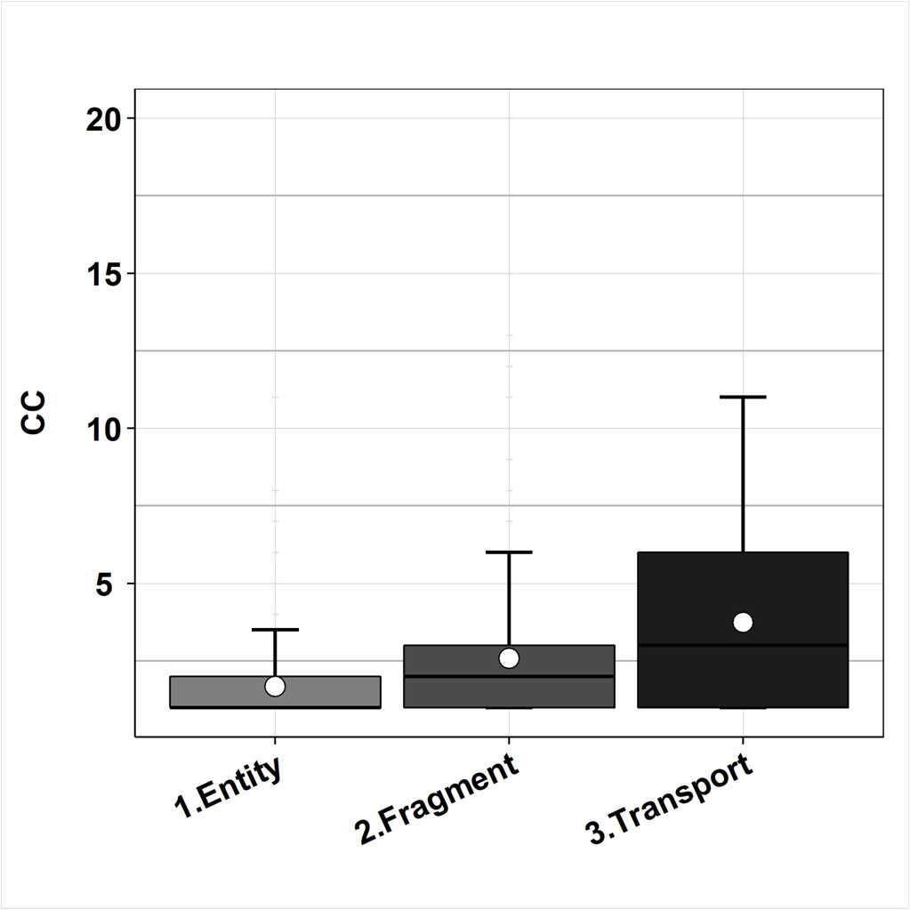

Outliers
Ordem de Coleta | Dados | Grupos
1 | 11 | 3.Transport
2 | 10 | 3.Transport
3 | 9 | 3.Transport
4 | 7 | 3.Transport
5 | 7 | 3.Transport
6 | 6 | 3.Transport
7 | 6 | 3.Transport
8 | 5 | 3.Transport
9 | 5 | 3.Transport
10 | 5 | 3.Transport
11 | 4 | 3.Transport
12 | 4 | 3.Transport
28 | 20 | 2.Fragment
29 | 15 | 2.Fragment
30 | 13 | 2.Fragment
31 | 12 | 2.Fragment
32 | 12 | 2.Fragment
33 | 12 | 2.Fragment
34 | 12 | 2.Fragment
35 | 12 | 2.Fragment
36 | 11 | 2.Fragment
37 | 10 | 2.Fragment
38 | 10 | 2.Fragment
39 | 10 | 2.Fragment
40 | 9 | 2.Fragment
41 | 9 | 2.Fragment
42 | 8 | 2.Fragment
43 | 8 | 2.Fragment
44 | 8 | 2.Fragment
45 | 8 | 2.Fragment
46 | 8 | 2.Fragment
47 | 7 | 2.Fragment
48 | 7 | 2.Fragment
49 | 6 | 2.Fragment
50 | 6 | 2.Fragment
51 | 6 | 2.Fragment
52 | 6 | 2.Fragment
53 | 6 | 2.Fragment
54 | 5 | 2.Fragment
55 | 5 | 2.Fragment
56 | 5 | 2.Fragment
57 | 5 | 2.Fragment
58 | 5 | 2.Fragment
59 | 5 | 2.Fragment
60 | 5 | 2.Fragment
61 | 5 | 2.Fragment
62 | 5 | 2.Fragment
63 | 5 | 2.Fragment
64 | 5 | 2.Fragment
65 | 5 | 2.Fragment
66 | 5 | 2.Fragment
67 | 4 | 2.Fragment
68 | 4 | 2.Fragment
69 | 4 | 2.Fragment
70 | 4 | 2.Fragment
71 | 4 | 2.Fragment
72 | 4 | 2.Fragment
73 | 4 | 2.Fragment
74 | 4 | 2.Fragment
75 | 4 | 2.Fragment
76 | 4 | 2.Fragment
77 | 4 | 2.Fragment
78 | 4 | 2.Fragment
79 | 4 | 2.Fragment
80 | 4 | 2.Fragment
81 | 4 | 2.Fragment
82 | 4 | 2.Fragment
83 | 4 | 2.Fragment
84 | 4 | 2.Fragment
85 | 4 | 2.Fragment
86 | 4 | 2.Fragment
87 | 4 | 2.Fragment
88 | 4 | 2.Fragment
89 | 4 | 2.Fragment
443 | 4 | 1.Entity
453 | 5 | 1.Entity
491 | 7 | 1.Entity
507 | 4 | 1.Entity
509 | 5 | 1.Entity
514 | 8 | 1.Entity
517 | 4 | 1.Entity
522 | 4 | 1.Entity
525 | 11 | 1.Entity
528 | 4 | 1.Entity
533 | 5 | 1.Entity
534 | 5 | 1.Entity
543 | 5 | 1.Entity
544 | 6 | 1.Entity
546 | 5 | 1.Entity
548 | 8 | 1.Entity
549 | 8 | 1.Entity
550 | 4 | 1.Entity
551 | 5 | 1.Entity

Resumo Descritivo
Grupos | 1.Entity | 2.Fragment | 3.Transport
Minimo | 1 | 1 | 1
Limite Inferior | 1 | 1 | 1
1° Quartil | 1 | 1 | 1
Média | 1.682 | 2.5863 | 3.7407
Pseudo Mediana | 1 | 2 | 3
3° Quartil | 2 | 3 | 6
Limite Superior | 3.5 | 6 | 11
Máximo | 11 | 20 | 11

Efferent_Boxplot
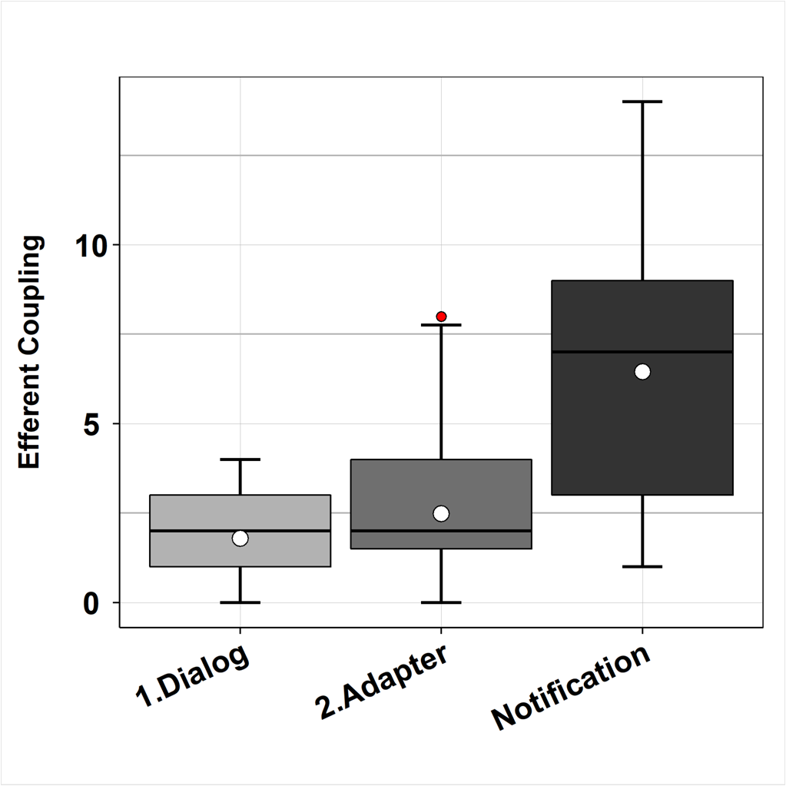

Outliers
Ordem de Coleta | Dados | Grupos
1 | 8 | Notification
34 | 8 | 2.Adapter

Resumo Descritivo
Grupos | 1.Dialog | 2.Adapter | Notification
Minimo | 0 | 0 | 1
Limite Inferior | 0 | 0 | 1
1° Quartil | 1 | 1.5 | 3
Média | 1.7949 | 2.4848 | 6.4545
Pseudo Mediana | 2 | 2 | 7
3° Quartil | 3 | 4 | 9
Limite Superior | 4 | 7.75 | 14
Máximo | 4 | 8 | 14

