bomba
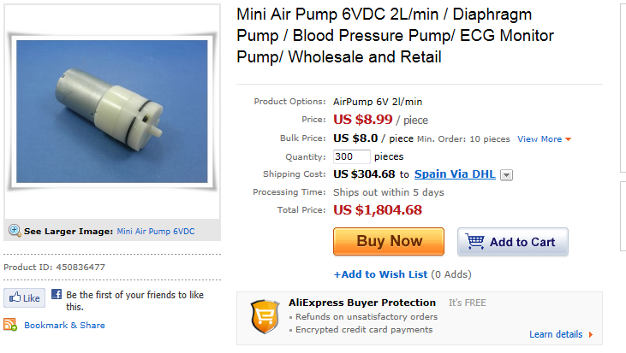
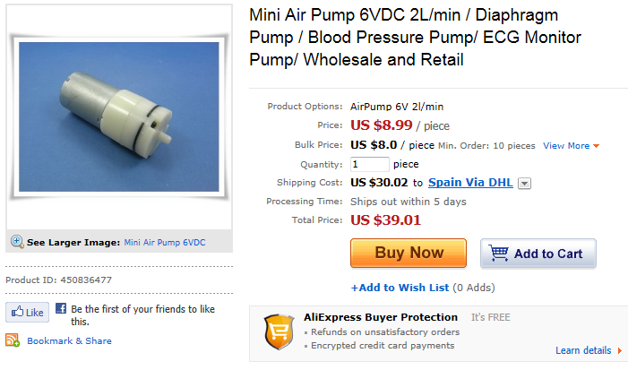
http://www.aliexpress.com/product-fm/450836477-Mini-Air-Pump-6VDC-2L-min-Diaphragm-Pump-Blood-Pressure-Pump-ECG-Monitor-Pump-Wholesale-and-wholesalers.html

arduino
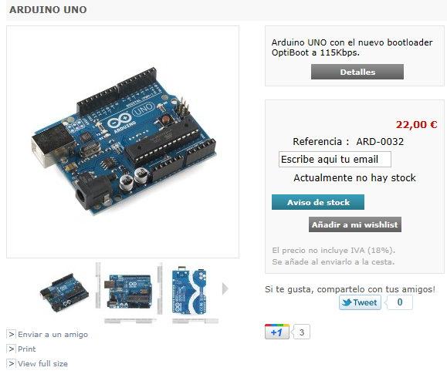
http://www.bricogeek.com/shop/arduino/305-arduino-uno.html

ATMega328
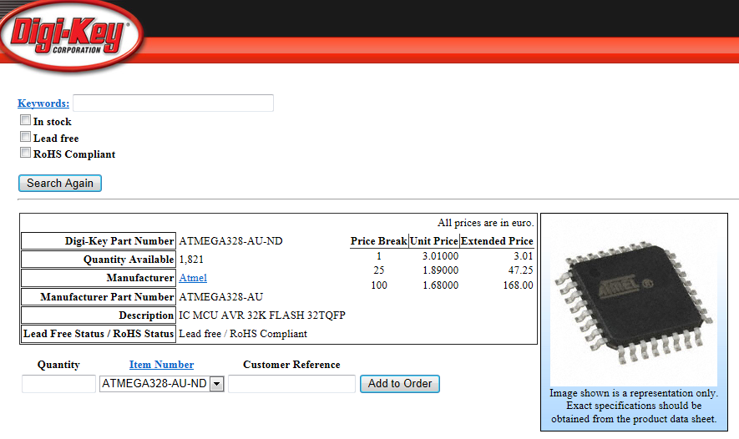
http://search.digikey.com/es/en/products/ATMEGA328-AU/ATMEGA328-AU-ND/2271029

LCD nokia 5110
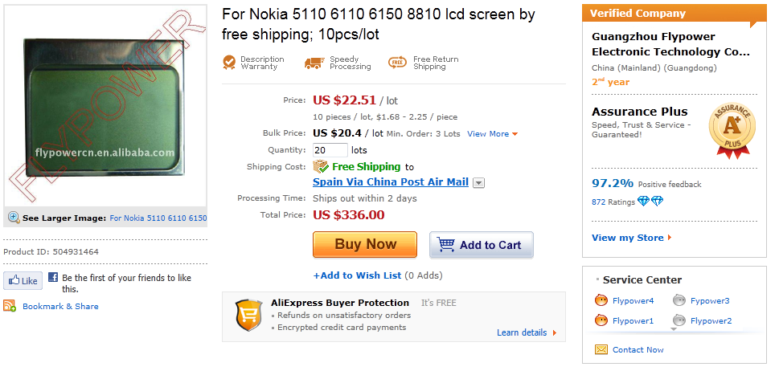
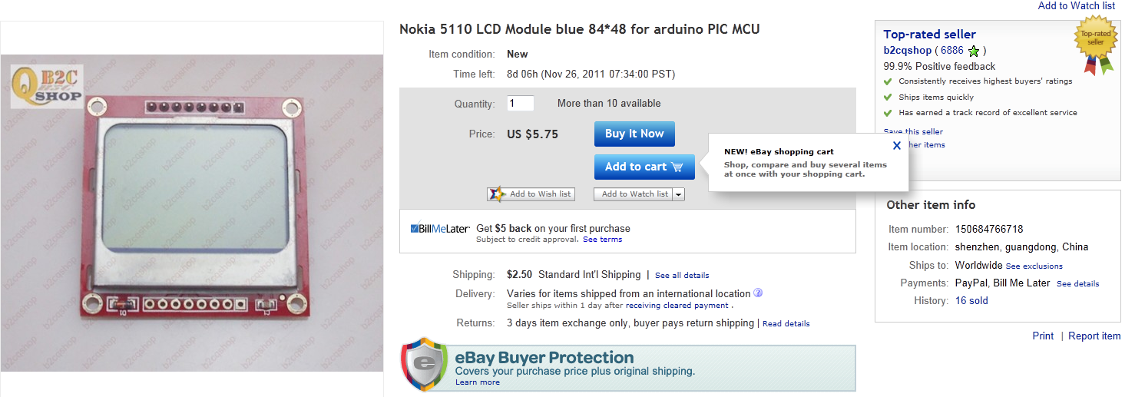
http://www.aliexpress.com/product-gs/504931464-For-Nokia-5110-6110-6150-8810-lcd-screen-by-free-shipping-10pcs-lot-wholesalers.html
http://www.ebay.com/itm/Nokia-5110-LCD-Module-blue-84-48-arduino-PIC-MCU-/150684766718?pt=LH_DefaultDomain_0&hash=item23158311fe

fonendoscopio
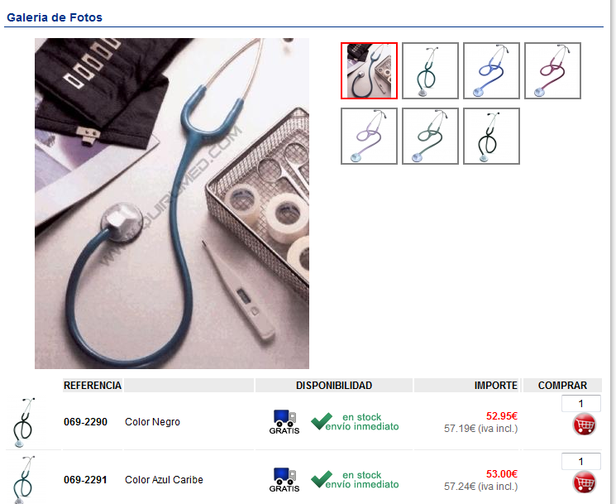
http://www.quirumed.com/es/Catalogo/articulo/10262

tensiometro
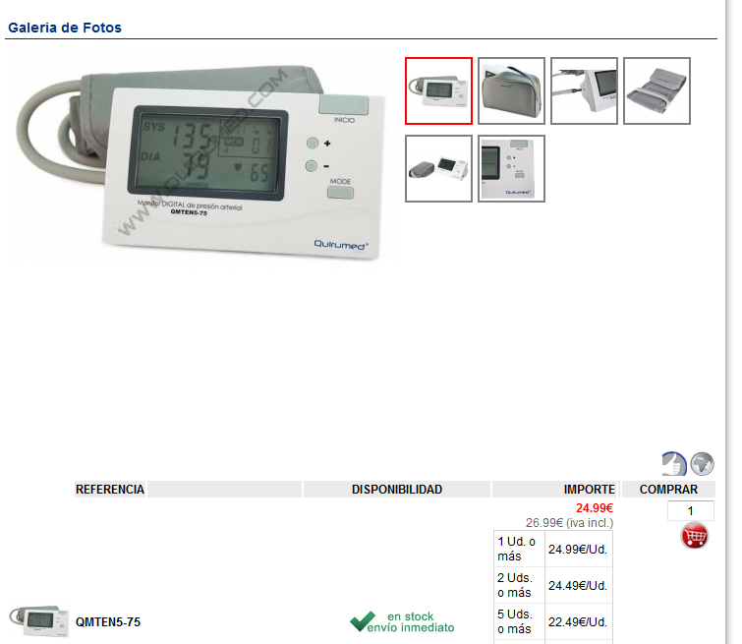
http://www.quirumed.com/es/Catalogo/articulo/41988

