pcb77
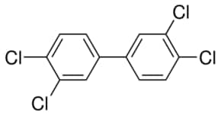
group | A | B | C | n
ACCl | 19.86 | 2.31E-02 | 0 | 4
ACH | 9.929 | 1.74E-02 | 0 | 6
>C= | -10.93 | 6.24E-02 | -1.41E-04 | 2

