pcb77
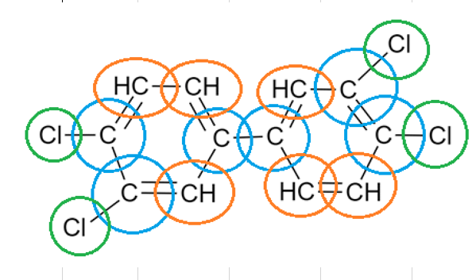
Group | delta mu | delta N | Ocurrencia
=CH- aromatic | 0.05 | 0 | 6
=C< aromatic | -0.12 | 0 | 6
-Cl attached to =C< | 0.15 | 0.025 | 4

