GCVOL60
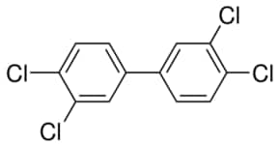
group | A | B | C | n
ACCl | 19.86 | 2.31E-02 | 0 | 4
ACH | 9.929 | 1.74E-02 | 0 | 6
>C= | -10.93 | 6.24E-02 | -1.41E-04 | 2

SastriRao
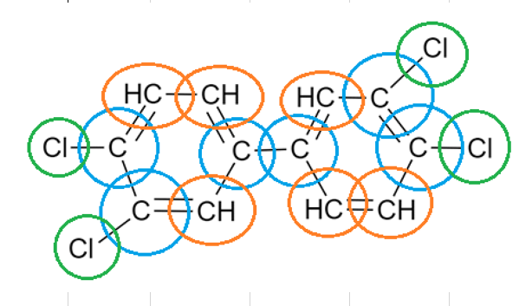
Group | delta mu | delta N | Ocurrencia
=CH- aromatic | 0.05 | 0 | 6
=C< aromatic | -0.12 | 0 | 6
-Cl attached to =C< | 0.15 | 0.025 | 4

Group estructure_old
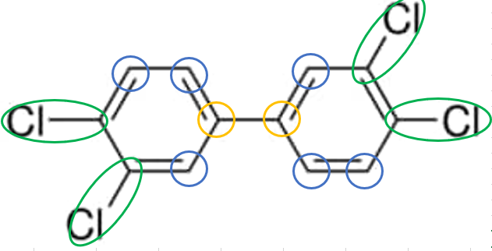
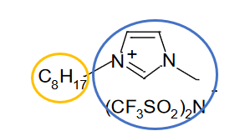
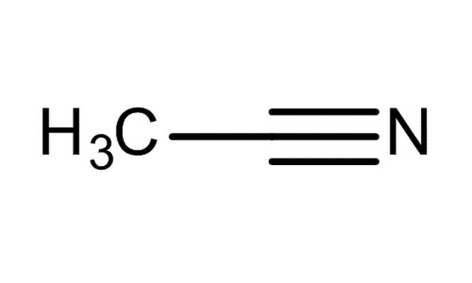
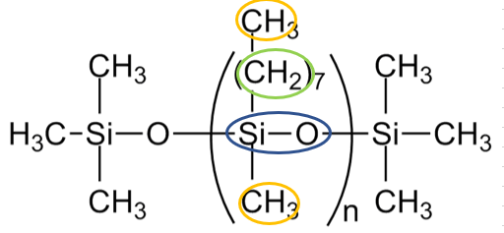
pcb77 |  |  |  |  | water |  |  |  |  | omim tf2N |  |  |  |  | acn |  |  |  |  | pdms
main | group | R | Q | v | main | group | R | Q | v | main | group | R | Q | v | main | group | R | Q | v | main | group | R | Q | v
3 | ACH | 0.5313 | 0.4 | 6 | 7 | H2O | 0.92 | 1.4 | 1 | 1 | CH3 | 0.9011 | 0.8480 | 1 | 19 | CH3CN | 1.8701 | 1.7240 | 1 | 1 | CH3 | 0.9011 | 0.8480 | 2
3 | AC | 0.3653 | 0.12 | 2 |  |  |  |  |  | 1 | CH2 | 0.6744 | 0.5400 | 7 |  |  |  |  |  | 1 | CH2 | 0.6744 | 0.5400 | 7
25 | ACCl | 1.1562 | 0.844 | 4 |  |  |  |  |  | 31 | [MIM[Tf2N] | 8.3145 | 7.3920 | 1 |  |  |  |  |  | 43 | SiO | 1.1040 | 0.4660 | 1

