Group estructure
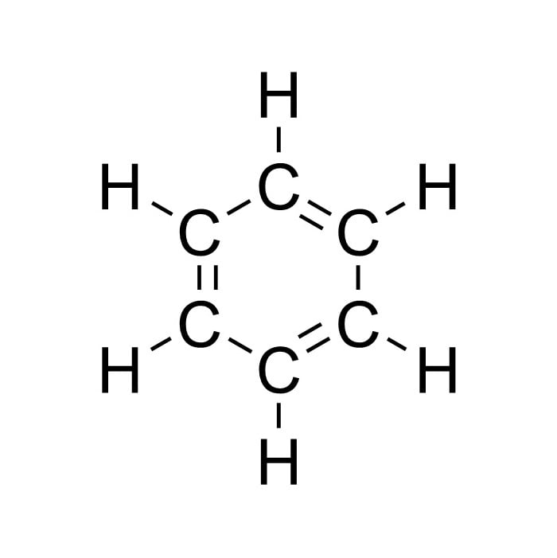
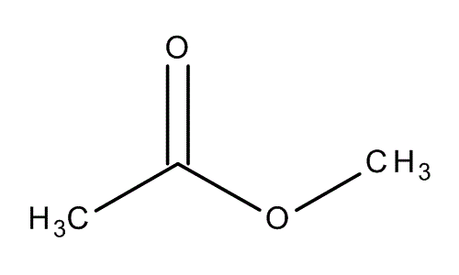
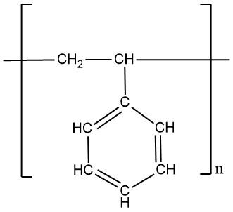
Benzene |  |  |  |  |  | Methyl Acetate |  |  |  |  |  | Polystyrene
group | 1# | 2# | R | Q | v | group | 1# | 2# | R | Q | v | group | 1# | 2# | R | Q | v
ACH | 3 | 9 | 0.5313 | 0.4 | 6 | CH3 | 1 | 1 | 0.9011 | 0.848 | 1 | CH2 | 1 | 2 | 0.6744 | 0.54 | 1
 |  |  |  |  |  | CH3COO | 11 | 21 | 1.9031 | 1.728 | 1 | ACH | 3 | 9 | 0.5313 | 0.4 | 5
 |  |  |  |  |  |  |  |  |  |  |  | ACCH | 4 | 3 | 0.8121 | 0.48 | 1

