CCD_1
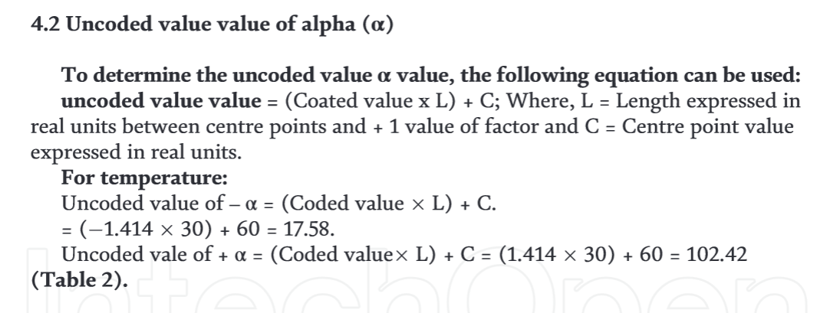
Central Composite Design (Ratotate) of the best DES
 |  |  |  |  |  |  | Number of factor (k) | 3
 |  |  |  |  |  |  | Full factorial run (2^k) | 8
 | Levels |  |  |  |  |  | Alpha | 1.6817928305
Factors | -α | -1 | 0 | 1 | +α |  | Number of centre points (n_0) | 3
Extractant-Dispersant Ratio (EDR) | 0.36 | 0.72 | 1.25 | 1.78 | 2.14 | 0.89 | Axial run (2*k) | 6
Sample Volume (SV) | 4.46 | 6.30 | 9.00 | 11.70 | 13.54 | 4.54 | Total runs | 17
Extractant Mixture Volume (EMV) | 373.18 | 380.00 | 390.00 | 400.00 | 406.82 | 16.82
Extractant volujme (uL) | 98.5 | 159.1 | 216.7 | 256.1 | 277.3

 | Coded Factors |  |  | Factors
 | EDR (A) | SV (B) | EMV (C) | EDR (A) | SV (B) | EMV (C)
 | -1 | -1 | -1 | 0.72 | 6.30 | 380
 | 1 | -1 | -1 | 1.78 | 6.30 | 380
 | -1 | 1 | -1 | 0.72 | 11.70 | 380
 | 1 | 1 | -1 | 1.78 | 11.70 | 380
 | -1 | -1 | 1 | 0.72 | 6.30 | 400
 | 1 | -1 | 1 | 1.78 | 6.30 | 400
 | -1 | 1 | 1 | 0.72 | 11.70 | 400
 | 1 | 1 | 1 | 1.78 | 11.70 | 400
 | -α | 0 | 0 | 0.36 | 9.00 | 390
 | +α | 0 | 0 | 2.14 | 9.00 | 390
 | 0 | -α | 0 | 1.25 | 4.46 | 390
 | 0 | +α | 0 | 1.25 | 13.54 | 390
 | 0 | 0 | -α | 1.25 | 9.00 | 373
 | 0 | 0 | +α | 1.25 | 9.00 | 407
 | 0 | 0 | 0 | 1.25 | 9.00 | 390
 | 0 | 0 | 0 | 1.25 | 9.00 | 390
 | 0 | 0 | 0 | 1.25 | 9.00 | 390

CCD_2
Central Composite Design (Ratotate) of the best DES
 |  |  |  |  |  |  | Number of factor (k) | 3
 |  |  |  |  |  |  | Full factorial run (2^k) | 8
 | Levels |  |  |  |  |  | Alpha | 1.6817928305
Factors | -α | -1 | 0 | 1 | +α |  | Number of centre points (n_0) | 5
Extractant-Dispersant Ratio (EDR) | 0.36 | 0.72 | 1.25 | 1.78 | 2.14 | 0.89 | Axial run (2*k) | 6
Sample Volume (SV) | 4.46 | 6.30 | 9.00 | 11.70 | 13.54 | 4.54 | Total runs | 19
Dispersant volume (DV) | 115.00 | 190.00 | 300.00 | 410.00 | 485.00 | 185.00
Extractant volujme (uL) | 30.4 | 79.5 | 166.7 | 262.5 | 330.6

 | Factors |  |  | Factors
 | EDR (A) | SV (B) | DV (C) | EDR (A) | SV (B) | DV (C)
Factorial runs (Block 1) | -1 | -1 | -1 | 0.72 | 6.30 | 190
 | -1 | 1 | 1 | 0.72 | 11.70 | 410
 | 1 | -1 | 1 | 1.78 | 6.30 | 410
 | 1 | 1 | -1 | 1.78 | 11.70 | 190
 | 0 | 0 | 0 | 1.25 | 9.00 | 300
 | 0 | 0 | 0 | 1.25 | 9.00 | 300
Factorial runs (Block 2) | -1 | -1 | 1 | 0.72 | 6.30 | 410
 | -1 | 1 | -1 | 0.72 | 11.70 | 190
 | 1 | -1 | -1 | 1.78 | 6.30 | 190
 | 1 | 1 | 1 | 1.78 | 11.70 | 410
 | 0 | 0 | 0 | 1.25 | 9.00 | 300
 | 0 | 0 | 0 | 1.25 | 9.00 | 300
Axial runs (Block 3) | -α | 0 | 0 | 0.36 | 9.00 | 300
 | +α | 0 | 0 | 2.14 | 9.00 | 300
 | 0 | -α | 0 | 1.25 | 4.46 | 300
 | 0 | +α | 0 | 1.25 | 13.54 | 300
 | 0 | 0 | -α | 1.25 | 9.00 | 115
 | 0 | 0 | +α | 1.25 | 9.00 | 485
 | 0 | 0 | 0 | 1.25 | 9.00 | 300
 | 0 | 0 | 0 | 1.25 | 9.00 | 300
 |  |  |  |  | 180.00

 |  | 0.72 | 6.88
 |  | 0.72 | 6.88
 |  | 1.78 | 6.88
 |  | 1.78 | 6.88
 |  | 0.72 | 11.12
 |  | 0.72 | 11.12
 |  | 1.78 | 11.12
 |  | 1.78 | 11.12
 |  | 1.25 | 9
 |  | 1.25 | 9
 |  | 0.5 | 9
 |  | 2 | 9
 |  | 1.25 | 6
 |  | 1.25 | 12
 |  | 1.25 | 9
 |  | 1.25 | 9

CCD_3
Central Composite Design (Ratotate) of the best DES
 |  |  |  |  |  |  |  | Number of factor (k) | 3
 |  |  |  |  |  |  |  | Full factorial run (2^k) | 8
 | Levels |  |  |  |  |  |  | Alpha | 1.6817928305
Factors | -α | -1 | 0 | 1 | +α |  |  | Number of centre points (n_0) | 5
Extractant-Dispersant Ratio (EDR) | 0.36 | 0.72 | 1.25 | 1.78 | 2.14 | 0.89 |  | Axial run (2*k) | 6
Sample Volume (SV) | 4.46 | 6.30 | 9.00 | 11.70 | 13.54 | 4.54 |  | Total runs | 19
Dispersant volume (DV) | 115.00 | 190.00 | 300.00 | 410.00 | 485.00 | 185.00
Extractant volujme (uL) | 30.4 | 79.5 | 166.7 | 262.5 | 330.6

 | Factors |  |  | Factors
 | EDR (A) | SV (B) | DV (C) | EDR (A) | SV (B) | DV (C) | DES vol
 | -1 | -1 | -1 | 0.72 | 6.30 | 190 | 79.5
 | 1 | -1 | -1 | 1.78 | 6.30 | 190 | 121.7
 | -1 | 1 | -1 | 0.72 | 11.70 | 190 | 79.5
 | 1 | 1 | -1 | 1.78 | 11.70 | 190 | 121.7
 | -1 | -1 | 1 | 0.72 | 6.30 | 410 | 171.6
 | 1 | -1 | 1 | 1.78 | 6.30 | 410 | 262.5
 | -1 | 1 | 1 | 0.72 | 11.70 | 410 | 171.6
 | 1 | 1 | 1 | 1.78 | 11.70 | 410 | 262.5
 | -α | 0 | 0 | 0.36 | 9.00 | 300 | 79.2
 | +α | 0 | 0 | 2.14 | 9.00 | 300 | 204.5
 | 0 | -α | 0 | 1.25 | 4.46 | 300 | 166.7
 | 0 | +α | 0 | 1.25 | 13.54 | 300 | 166.7
 | 0 | 0 | -α | 1.25 | 9.00 | 115 | 63.9
 | 0 | 0 | +α | 1.25 | 9.00 | 485 | 269.4
 | 0 | 0 | 0 | 1.25 | 9.00 | 300 | 166.7
 | 0 | 0 | 0 | 1.25 | 9.00 | 300 | 166.7
 | 0 | 0 | 0 | 1.25 | 9.00 | 300 | 166.7
 | 0 | 0 | 0 | 1.25 | 9.00 | 300 | 166.7
 | 0 | 0 | 0 | 1.25 | 9.00 | 300 | 166.7

 |  | 0.72 | 6.88
 |  | 0.72 | 6.88
 |  | 1.78 | 6.88
 |  | 1.78 | 6.88
 |  | 0.72 | 11.12
 |  | 0.72 | 11.12
 |  | 1.78 | 11.12
 |  | 1.78 | 11.12
 |  | 1.25 | 9
 |  | 1.25 | 9
 |  | 0.5 | 9
 |  | 2 | 9
 |  | 1.25 | 6
 |  | 1.25 | 12
 |  | 1.25 | 9
 |  | 1.25 | 9

