Sheet1
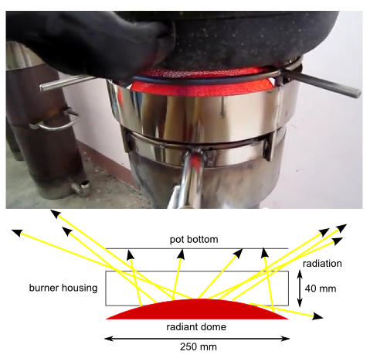
Upper Bound of Radiation Contribution on Improved Gasifier Cookstove
Prepared 3/10/2012 by Marc Pare
Reviewed and Revised by Crispin Pemberton-Pigott 3/11
Released 3/17/2012 |  |  |  | Crispin's Comments

Dimensions
radius_pot | mm | 125
radius_dome | mm | 125
gap height | mm | 40

Area of mesh
percent metal |  | 0.1 | * Generous | Reasonable
A | mm^2 | 49087.385212
A_mesh | mm^2 | 4908.7385212
 | m^2 | 0.0049087385212

Radiation
stefan boltzmann (σ) | W/(m^2-K^4) | 5.67E-08
emissivity (ε) |  | 1 | * Using 1 as an upper bound; it doesn't have much effect on the final result | There is a high probability that the mesh gets soot-covered initially and is black, but it burns off when hot. Burning particles are quite emissive. Let's try 0.9 for the mesh 'region'
T_mesh | K | 1023 | * Belonio: flame temp max is 610 | He has no ability to measure it. Assume CO flame at 1100 C and mesh temp of 750 C (max) as it is medium red
T_pot | K | 333 |  | Assume pot temp of 60 C average during test (20-> 100).

q | [W/m^2] | 61401.936945
Q | W | 301.40605316
 | kW | 0.30140605316 |  | Radiated energy = 268 W, believable

Power to boil water in 1L, 222s scenario
Spec Heat Water | kcal/kg-C | 1
Temp Difference | C | 74
Density Water | kg/m^3 | 1000
Volume Water | L | 1
 | m^3 | 0.001
Energy required | kcal | 74
 | kJ | 310.06
Water evaporated | g | 25 |  | Boiling off some water is inevitable. Add 25 cc lost to evaporation (conservative)
Latent heat of Evap | J | 2,257
Heat absorbed by pot | J | 366,485
Time | s | 222
Power | W | 1,651
 | kW | 1.65

Percent of heat contributed to cooking by Radiation from a red hot mesh dome under the centre. |  | 18.26% |  | That is believable too.

Bonus View Factor Calculation

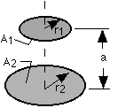
View Factor
r_1 | mm | 125 | * Use relationship for two co-axial disks of different radius
r_2 | mm | 125
a | mm | 40
R_1 |  | 3.125
R_2 |  | 3.125
X |  | 2.1024
F_1-2 |  | 0.727
 |  |  | http://www.engr.uky.edu/rtl/Catalog/sectionc/C-41.html
Percent of heat contributed to cooking by Radiation from a red hot mesh dome under the centre. |  | 13.28%

