Macro Instructions
Macro Instructions

1 - General

This excel file contains MACROS. Therefore, if prompted, click on "Enable Content" button to enable macros.

If the security warning appears after enabling content, follow directions below.

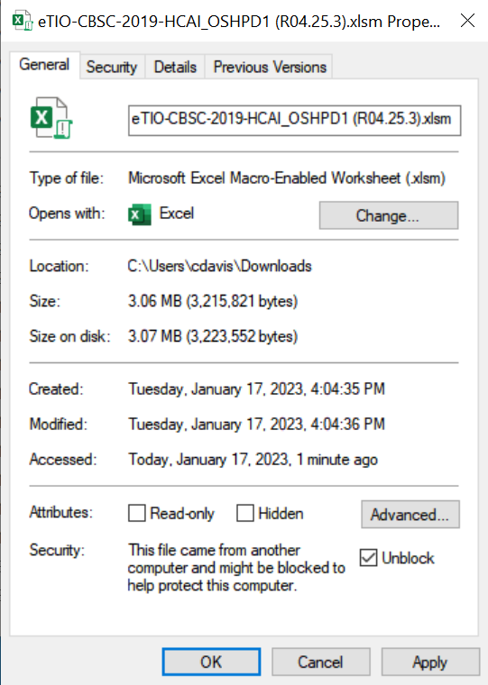

Close the Excel eTIO spreadsheet, right click on the file and you will see the property box to the left. To use the file you must check "Unblock" and then hit "OK".

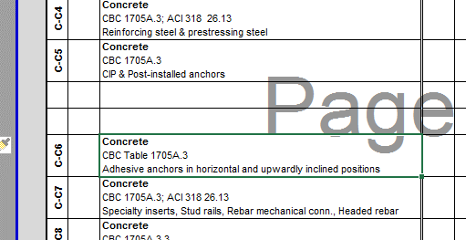
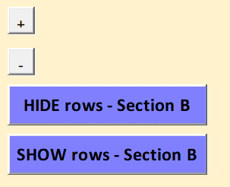
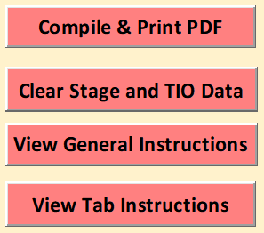
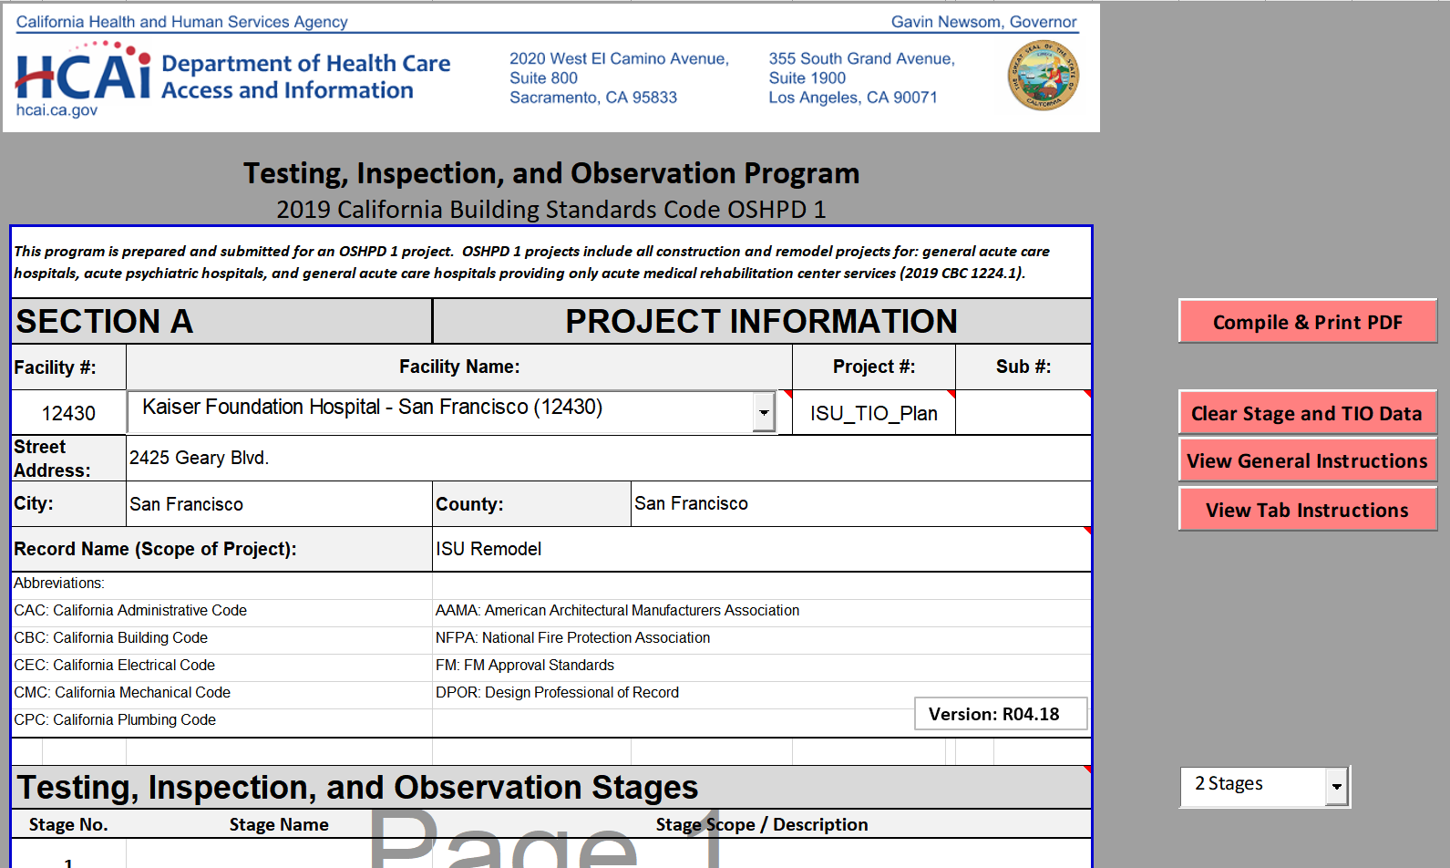
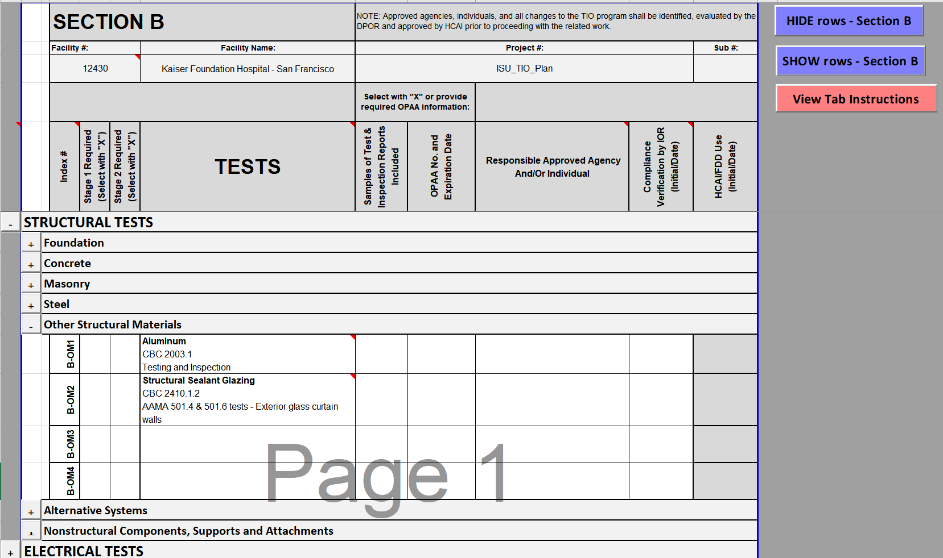
2 - Tab A
4 - Adding Custom Tests and Inspections
3 - Tabs B, C, D, and E
Use drop down to select Facility. As you type, the list will automatically filter. To change the Facility, you must first delete the current Facility name to remove the filter and display the full list.
Use drop down to select the number of TIO Stages for your project.
Clicking this button will create a PDF for your phased project. A section for each phase will be generated for Tabs B, C, and D. The PDF will save in the same location as your Excel file and will automatically open using your systems default PDF viewer.
Clicking this button will clear all data except for the Facility and Project info entered on Tab A.
Adding (or deleting) custom test or inspection rows between the pre-written rows is allowed. Use excel "insert row" function. All buttons still function after adding/deleting rows.
Clicking this button shows all Tests or Inspections for a specific section (i.e. Structural Tests).
Clicking this button hides all Tests or Inspections for a specific section (i.e. Structural Tests), regardless if items are marked as required.
Clicking this button hides all Tests or Inspections on the selected Tab except for items marked as required.
Clicking this button shows all Tests or Inspections on the selected Tab.
Clicking this button will open a PDF with instructions for the Testing, Inspection and Observation Program.
Clicking this button will open a PDF with instructions on filling out Section A.
Clicking this button will open a PDF with instructions on filling out the current section.

TIO Flow Chart
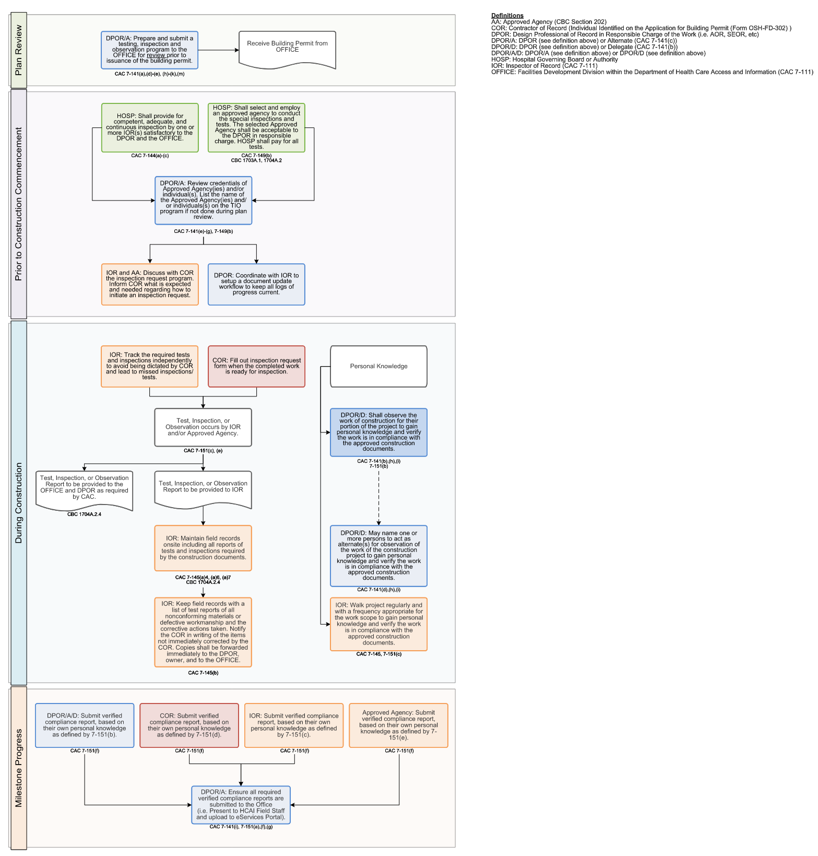

A-Project Info
Testing, Inspection, and Observation Program
2019 California Building Standards Code OSHPD 1
This program is prepared and submitted for an OSHPD 1 project. OSHPD 1 projects include all construction and remodel projects for: general acute care hospitals, acute psychiatric hospitals, and general acute care hospitals providing only acute medical rehabilitation center services (2019 CBC 1224.1).
SECTION A |  | PROJECT INFORMATION
Facility #: | Facility Name: |  |  | Project #:
12476 | UCSF Medical Center |  |  | I210012-38-02
Street Address: | 505 Parnassus Avenue
City: | San Francisco | County: | San Francisco
Record Name (Scope of Project): |  | INC 2 - Foundation and Underground Utilities
Abbreviations:
CAC: California Administrative Code |  | AAMA: American Architectural Manufacturers Association
CBC: California Building Code |  | NFPA: National Fire Protection Association
CEC: California Electrical Code |  | FM: FM Approval Standards
Version: R04.26
CMC: California Mechanical Code |  | DPOR: Design Professional of Record
CPC: California Plumbing Code

Testing, Inspection, and Observation Stages
Stage No. | Stage Name | Stage Scope / Description
1 | Piers | Drilled pier excavation, reinforcing & concrete placement to ultimate cutoff elevation prior to mass excavation (See identifier & sequence map for reference Mark#)
2 | Mass Ex | Mass excavation & removal of sacrificial rebar cages
3 | Initial Pier/Column Cap | Initial Pier/Column Cap reinforcement prior to placement of concrete (See identifier & sequence map for reference Mark#)
4 | Initial Wall Cap | Inital Wall Cap reinforcement prior to plcement of concrete (See identifier & sequence map for reference Mark#)
5 | B1L Waterproofing | B1L Waterproofing & Vapor Barrier (Including EG75 WP grout over piles at elevator pits, see structural dwgs for thickness) (See identifier & sequence map for reference area)
6 | B1L Utilities | B1L Underslab Plumbing (Includes Slab & Wall Drainage) & Electrical, Grounding & Bonding Through foundation elements (See identifier & sequence map for reference Area)
7 | B1L Column Cap, Wall Cap & Deep Grade Beam | B1L Column Caps, Wall Caps, and Deep Grade Beams reinforcement and concrete (See identifier & sequence map for reference Mark#)
8 | Initial Deep Grade Beam | Initial Grade Beam below slab-on-grade (deep grade beam) excavation & reinforcement prior to placement of concrete (See identifier & sequence map for reference Mark#)
9 | Elevator Pit Slabs | Waterproofing, Reinforcement & placement of concrete
10 | Elevator Pit Walls | Waterproofing, Reinforcement & placement of concrete
11 | Initial Slab on Grade | Initial SOG & Grade Beams within SOG (Shallow Grade Beam) reinforcement prior to placement of concrete (See identifier & sequence map for reference Area)
12 | Initial Concrete Perimeter Wall | Initial Perimeter Retaining Wall, including waterproofing, prior to placement of concrete (See identifier & sequence map for reference Mark#)
13 | Initial Shear Wall | Initial Shear Wall prior to placement of concrete (See identifier & sequence map for reference Mark#)
14 | Pier & Wall Caps & Deep Grade Beams | Waterproofing, Subslab drainage reinforcement & concrete for deep grade beams and all remaining pier and wall caps. (See identifier & sequence map for reference Mark#, and Special Inspector RMA Scope Clarification Exhibit)
15 | Utility Racks | Fabrication of basement above-ceiling utility racks. (Installation in future Increment)
16 | Area A Underslab Utilities | Underslab Plumbing (Includes Slab & Wall Drainage) & Electrical, Grounding & Bonding Through foundation elements (See identifier & sequence map for reference Area)
17 | Not Used | Not Used
18 | Slab on Grades & Shallow Grade Beams | SOG & Grade Beams within SOG (Shallow Grade Beams) dampproofing reinforcement & concrete (See identifier & sequence map for reference Area)
19 | Perimeter Concrete Walls | Perimeter Retaining Walls reinforcement, concrete & waterproofing MEP sleeves or firestop penetrations (See identifier & sequence map for reference Mark#)
20 | Shear Walls | Shear Walls reinforcement & concrete (See identifier & sequence map for reference Mark#)
21 | Not Used | Not Used
22 | Tieback cover | Tieback cover (include substrate prep, tieback cover inst, WP memb inst around tieback cover)
23 | Not Used | Not Used
24 | Concrete Tank Floors | Initial Concrete tank floor
25 | Interior Tank Shear Walls | Initial interior concrete tank shear walls
26 | Stub Columns | Installation of Structural Steel Stub Columns
27 | Trestle SOG infills | Complete Trestle pipe pile SOG infills & UG elec completion at a singular pile location (Q4 2025)
28 | Interior Shear Walls | Complete Interior shear walls that connect to L1 steel (2026)
29 | SOG, Chiller Room, & Tank Wall leave-outs | Completion of leave-outs as listed (2026)
30 | Not Used | Not Used
31 | Not Used | Not Used
32 | Not Used | Not Used
33 | Tower Crane 1 SOG infills | Complete Tower Crane 1 concrete infill at pipe pile (2028)
34 | Temp Switchgear Conduit Grout | Complete Temp switchgear conduit grouting after gear removal (2028)
35 | Not Used | Not Used
36 | Area B Underslab Utilities | Underslab Plumbing (Includes Slab & Wall Drainage) & Electrical, Grounding & Bonding Through foundation elements (See identifier & sequence map for reference Area)
37 | Not Used | Not Used
38 | Area C Underslab Utilities | Underslab Plumbing (Includes Slab & Wall Drainage) & Electrical, Grounding & Bonding Through foundation elements (See identifier & sequence map for reference Area)
39 | Not Used | Not Used
40 | Area D Underslab Utilities | Underslab Plumbing (Includes Slab & Wall Drainage) & Electrical, Grounding & Bonding Through foundation elements (See identifier & sequence map for reference Area)
41 | Column Base Plates | Column Base Plates attached to Inc 3 Columns (shop fabrication & erection)
42 | Construction Final | All scope not captured in other stages
DESIGN PROFESSIONAL OF RECORD RESPONSIBILITY
The administration of the work of construction, including this TIO, shall be under the responsible charge of an architect and structural engineer. When a structural engineer is not substantially involved, the architect shall be solely responsible. Where neither structural nor architectural elements are substantially involved, a mechanical or electrical engineer registered in the branch of engineering most applicable to the project may be in responsible charge. (CAC 7-141(a))

Note: HCAI plan review staff must provide verification that the TIO program has been "Reviewed" prior to plan approval to confirm the applicability of the tests and inspections identified in the TIO program for work scope, building systems, and the construction materials shown in the design drawings. Field staff will issue subsequent "TIO Program Approval".

The "TIO Program Approval" from HCAI field staff must be obtained and included with the notice of start of construction required by CAC Section 7-137(a)4) and 7-145(a)5.A)

Construction shall not commence until the health facility has obtained from HCAI "TIO Program Approval". (CAC Section 7-135(a)3)

