SOIL_parameters
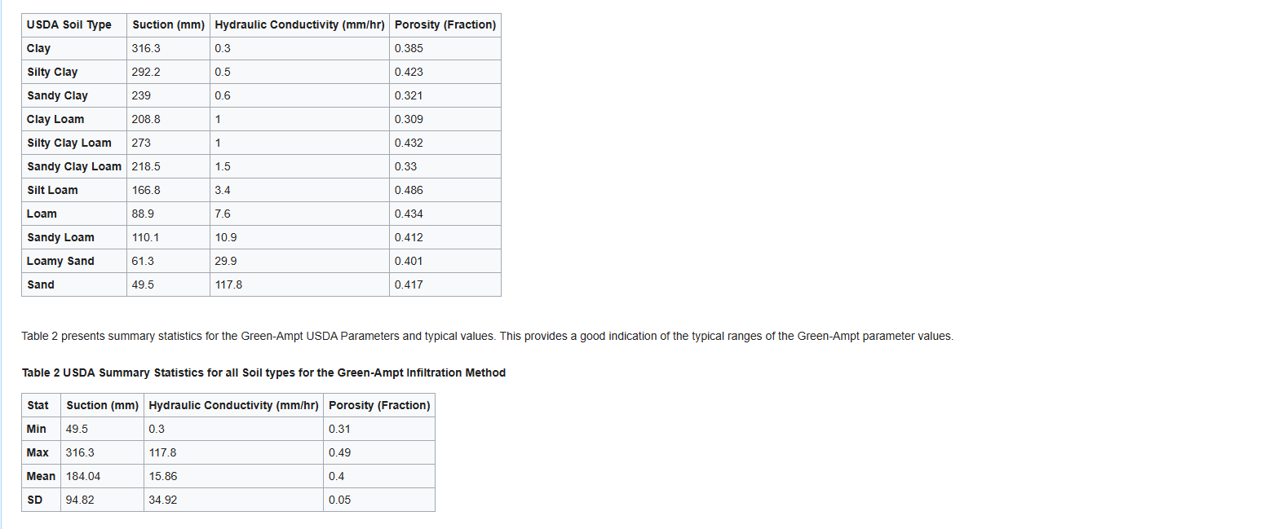
HydroPol2D - Soil Parameters
Soil_type | Index | ksat (mm/h) | ψ (mm) | I0 (mm) | θsat (cm3.cm-3) | θi (cm3.cm-3) | k (1/h) | Sy [-] | kgsat (mm/h) | hsoil (mm/h)
Clay | 1 | 0.3 | 316.3 | 10 | 0.385 | 0.00001 | 0.00005 | 0.05 | 180 | 1
Silty Clay | 2 | 0.5 | 292.2 | 10 | 0.423 | 0.0001 | 0.00005 | 0.05 | 180 | 1
Sandy Clay | 3 | 0.6 | 239 | 10 | 0.321 | 0.0001 | 0.00005 | 0.05 | 180 | 1
Clay Loam | 4 | 1 | 208.8 | 10 | 0.309 | 0.0001 | 0.00005 | 0.05 | 180 | 1
Silty Clay Loam | 5 | 1 | 273 | 10 | 0.432 | 0.0001 | 0.00005 | 0.05 | 180 | 1
Sandy Clay Loam | 6 | 1.5 | 218.5 | 10 | 0.33 | 0.0001 | 0.00005 | 0.05 | 180 | 1
Silty Loam | 7 | 3.4 | 166.8 | 10 | 0.486 | 0.0001 | 0.00005 | 0.05 | 180 | 1
Loam | 8 | 7.6 | 88.9 | 10 | 0.434 | 0.0001 | 0.00005 | 0.05 | 180 | 1
Sandy Loam | 9 | 10.9 | 110.1 | 10 | 0.412 | 0.0001 | 0.00005 | 0.05 | 180 | 1
Silt | 10 | 14.9 | 40 | 10 | 0.408 | 0.0001 | 0.00005 | 0.05 | 180 | 1
Loamy Sand | 11 | 29.9 | 29.9 | 10 | 0.401 | 0.0001 | 0.00005 | 0.05 | 180 | 1
Sand | 12 | 117.8 | 49.5 | 10 | 0.417 | 0.0001 | 0.00005 | 0.05 | 180 | 1

