Parameters
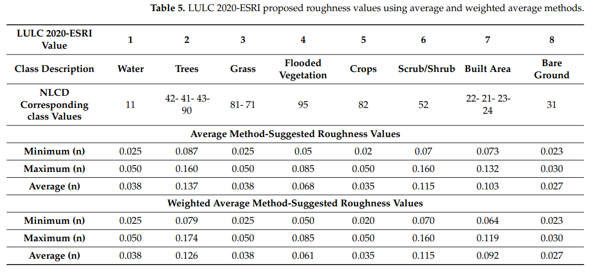
Readme | HydroPol2D Parameter Estimation Ranges
 |  | LULC-Based Paramters |  |  |  |  |  |  |  |  |  |  |  |  |  |  | SOIL-Based Parameters
Number of LULC Classifications | 7 | Class | Type | Hydrodynamic Modeling |  |  |  | Water Quality Modeling
 |  |  |  | nmin (sm-1/3) | nmax (sm-1/3) | h0,min (mm) | h0,max (mm) | C1,min (kg/ha) | C1,max (kg/ha) | C2,min (1/day) | C2,max (1/day) | C3,min (mm/h)C4/h | C3,max (mm/h)C4/h | C4,min (-) | C4,max (-) | Class | Type | ksat,min (mm/hr) | ksat,max (mm/hr) | Δθmin (-) | Δθmax (-) | ψmin (mm) | ψmax (mm)
Number of SOIL Classifications | 3 | 1 | 1 | 0.01 | 0.1 | 0 | 10 | 0 | 0 | 0 | 0 | 0 | 0 | 0 | 0 | 1 | Left | 0 | 25 | 0.0001 | 0.8 | 0 | 200
 |  | 2 | 2 | 0.15 | 0.15 | 0 | 0 | 0 | 0 | 0 | 0 | 0 | 0 | 0 | 0 | 2 | Channel | 0 | 0 | 0.0001 | 0.0001 | 0 | 0
 |  | 3 | 3 | 0.01 | 0.1 | 0 | 10 | 0 | 0 | 0 | 0 | 0 | 0 | 0 | 0 |  | Right | 0 | 25 | 0.0001 | 0.8 | 0 | 200
 |  | 4 | 4
 |  | 5 | 5
 |  | 6 | 6
 |  | 7 | 7

