Sheet1
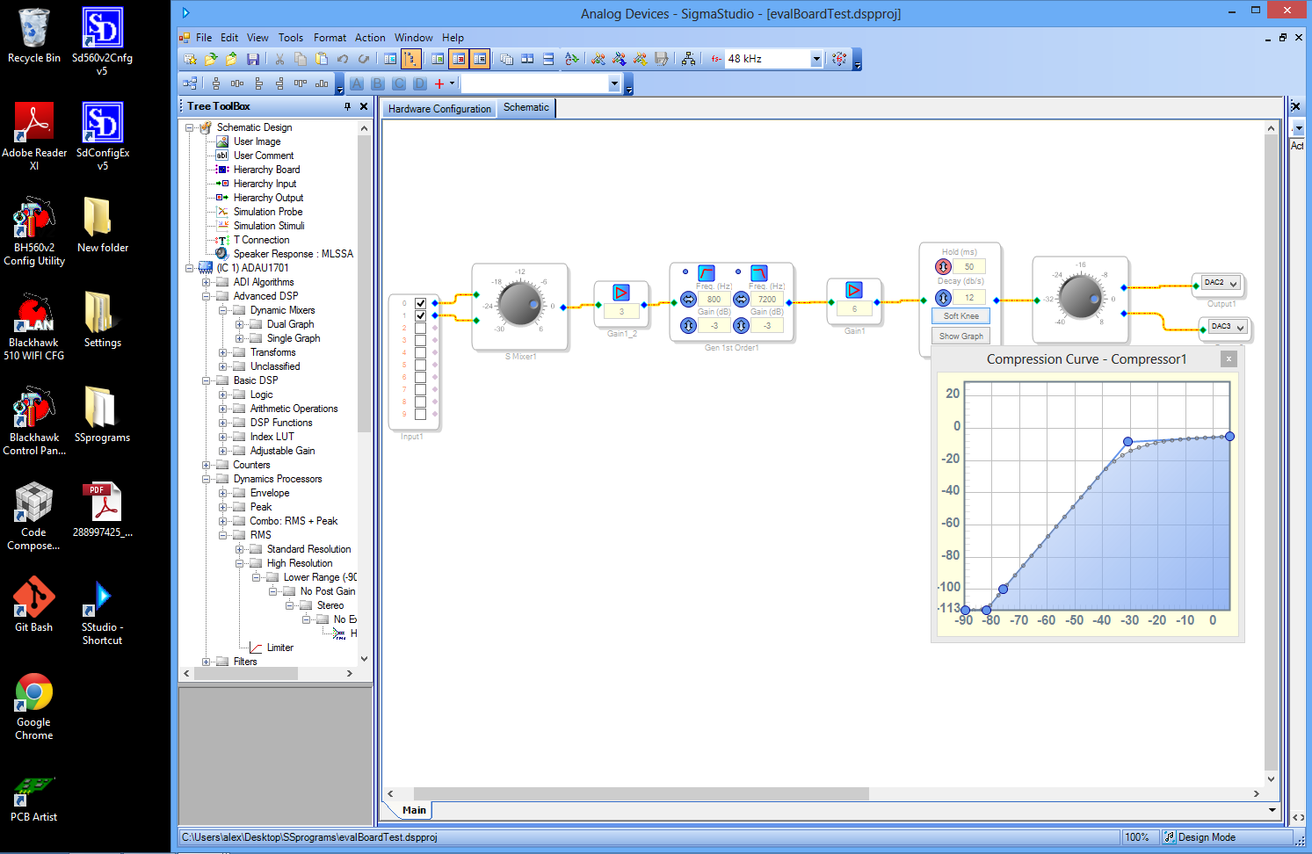
Eval board | loaded with program: EvalBoardProgramFile f = 2.5 kHz
Vinpk | Voutpk
0.02 | 0.73
0.05 | 1.072
0.1 | 1.25
0.15 | 1.31
0.2 | 1.37
0.25 | 1.432
0.3 | 1.42
0.35 | 1.5
0.4 | 1.49
0.45 | 1.51
0.5 | 1.55
0.55 | 1.55
0.6 | 1.53
0.64 | 1.57
0.69 | 1.6
0.74 | 1.61
0.79 | 1.6
0.84 | 1.59
0.89 | 1.69
0.94 | 1.78
0.99 | 1.87
1.04 | 1.97
1.09 | 2.06
1.14 | 2.15
1.19 | 2.24
1.24 | 2.33
1.29 | 2.44
1.34 | 2.53
1.38 | 2.63
1.43 | 2.65
1.48 | 2.66
1.6 | 2.68
1.65 | 2.68

