Test 1
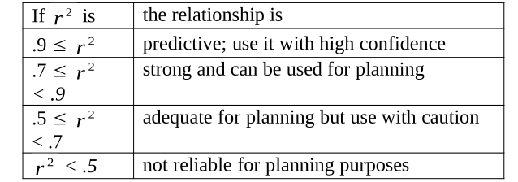
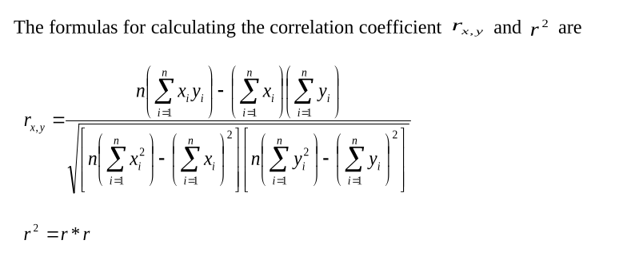
 | n | x | y | x^2 | x*y | y^2
 | 1 | 130 | 186 | 16900 | 24180 | 34596
 | 2 | 650 | 699 | 422500 | 454350 | 488601
 | 3 | 99 | 132 | 9801 | 13068 | 17424
 | 4 | 150 | 272 | 22500 | 40800 | 73984
 | 5 | 128 | 291 | 16384 | 37248 | 84681
 | 6 | 302 | 331 | 91204 | 99962 | 109561
 | 7 | 95 | 199 | 9025 | 18905 | 39601
 | 8 | 945 | 1890 | 893025 | 1786050 | 3572100
 | 9 | 368 | 788 | 135424 | 289984 | 620944
 | 10 | 961 | 1601 | 923521 | 1538561 | 2563201
 | SUM | 3828 | 6389 | 2540284 | 4303108 | 7604693
 |  | Xavg | Yavg
 |  | 382.8 | 638.9

 | x*y SUM | x average | y average | (x*y SUM)-(10*Xavg*Yavg)
 |  | 382.8 | 638.9 | -2445709.2
 | x^2 SUM | x average^2 |  | (x^2 SUM)-(10*xavg^2)
 | 2540284 | 146535.84 |  | 1074925.6
B1= | -2.2752357931

 | Yvg | B1 | xavg
 | 638.9 | 1.727932426 | 382.8
B0= | -22.552532673
 |  |  |  |  | SUM x*y | SUM x | SUM y |  | 10*(SUM x*y)-(SUM x)(SUM y)
 |  |  |  |  | 4303108 | 3828 | 6389 |  | 18573988
B0= | -22.55253267 |  |  |  | SUM x^2 | (SUM x)^2 | SUM y^2 | (SUM y)^2
B1= | 1.727932426 |  |  |  | 2540284 | 14653584 | 7604693 | 40819321
xk= | 386 |  |  |  | 10*(SUM x^2)-((SUM x)^2) | 10*(SUM y^2)-( (SUM y)^2) | 10749256 * 35227609 | √3.78671E+14
Yk= | 644.42938377 |  |  |  | 10749256 | 35227609 | 378670587408904 | 19459460.101
 |  |  |  |  | Rxy= | 0.9544965741
 |  |  |  |  | R^2 | 0.91106370998

