Sheet1
PCA for the 4 datasets

Dataset | Number of colors | Intial spectral data range, step | Number of spectral components | PCA with 99% variance | Sampled spectral data/step | Number of spectral components | PCA with 99% variance | PCA with 95% variance | comments | Range 400-700 nm, 10 nm | PCA with 99% variance | PCA with 95% variance
munsell380_780_1_glossy | 1600 | 380-780 nm; 10 nm | 401 | 205 | 380-780, 10nm | 40 | 21 | 11 |  | 31 | 17 | 9
mire Pigments | 64 | 380 nm – 780, 2nm | 201 | N/A too few dimensions | 380-780, 10nm | 40 | 16 | 9 | For this one the number of pathces is too small to do the PCA when not sampling the data. | 31 | 13 | 8
Gjovik dataset | 2864 | 400-999 nm, 1 nm | 599 | 304 | 400-990,10 nm | 59 | 38 | 15 | the range is different, but if I am taking only 400-800, the value is just 23 | 31 | 19 | 9
Textile Huge | 4828 | 380-730, 10 nm | N/a | N/a | 380-730, 10 nm | 36 | 14 | 8 | the data are already sampled with a step of 10 nm | 31 | 13 | 8

Munsell |  |  |  |  |  |  |  |  | Gjovik (Patches)
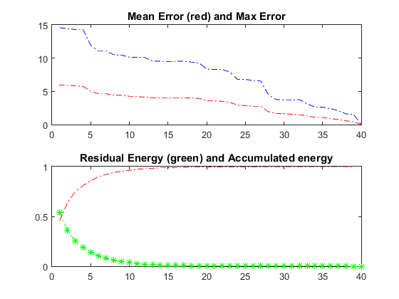
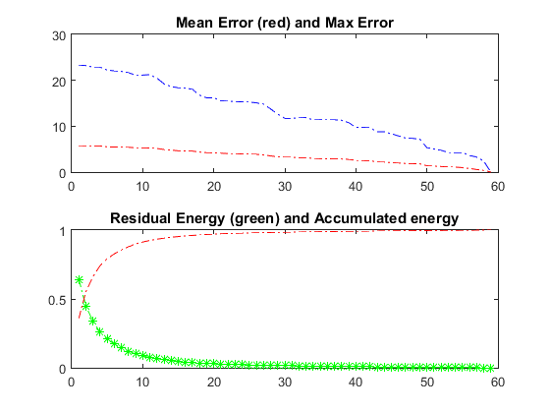

munsell380_780_1_glossy |  |  |  |  |  |  |  | Gjovik

Plots: | Mire |  |  |  |  |  |  | Gjovik

Mire |  |  |  |  |  |  |  |  | Textile
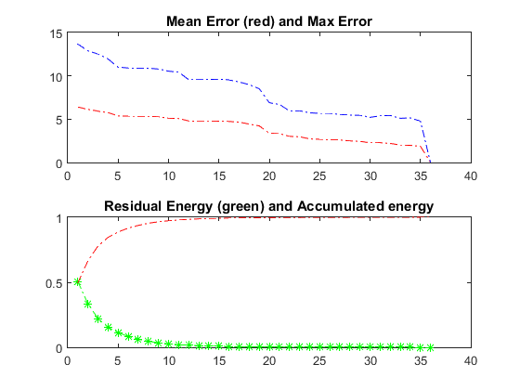

mire Pigments |  |  |  |  |  |  |  | Textile

 | Munsell
 |  |  |  |  |  |  |  | Textile

