Folha1
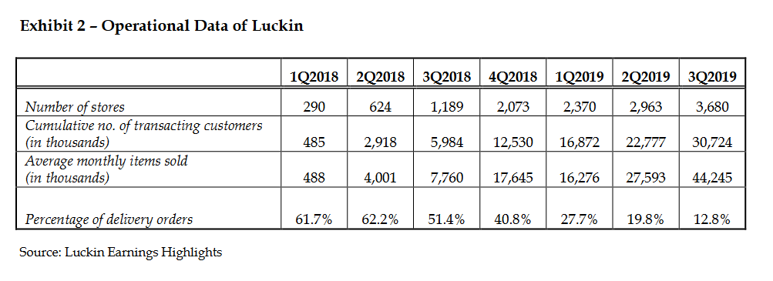
 |  |  |  |  |  |  |  |  |  |  | Net Profit Margin = (Net Profit / Total Revenue) x 100%
Financial Analysis of Luckin Coffee

Revenue Growth

 | 2017Q4 | 2018Q1 | 2018Q2 | 2018Q3 | 2018Q4 | 2019Q1 | 2019Q2 | 2019Q3
Revenue (¥ mill)
% Change |  | 4233.33 | 834.62 | 98.19 | 93.27 | 2.81 | 89.99 | 69.57 |  |  |  |  |  |  |  |  |  | 2018Q1 |  | 1.01
Average Total Assets |  |  |  |  | 3485.1 | 2900.7 | 8160.8 | 8029 |  |  |  |  |  |  |  |  |  | 2018Q2 |  | 1.37
Tot shareholders’ equity |  |  |  |  | 2350.7 | 1820.9 | 6821.9 | 6434 |  |  |  |  |  |  |  |  |  | 2018Q3 |  | 1.30
Net income | -56.4 | -132.2 | -333 | -484.9 | -669 | -551.8 | -681.3 | -531.9 |  |  |  |  |  |  |  |  |  | 2018Q4 |  | 1.41
Total Current Assets |  |  |  |  | 2428.7 | 1782.5 | 6800.1 | 6354.5 |  |  |  |  |  |  |  |  |  | 2019Q1 |  | 0.96
Cash |  |  |  |  | 1631 | 1159 | 4005.7 | 4535.6 |  |  |  |  |  |  |  |  |  | 2019Q2 |  | 1.21
Accounts receivable |  |  |  |  | 4.6 | 7.5 | 7 | 22.5 |  |  |  |  |  |  |  |  |  | 2019Q3 |  | 1.44
Inventories |  |  |  |  | 150 | 189 | 231.7 | 213.2
Total Current Liabilities |  |  |  |  | 780.9 | 848.3 | 1209.3 | 1502.1 |  |  |  |  |  |  | 2017Q4 | 2018Q1 | 2018Q2 | 2018Q3 | 2018Q4 | 2019Q1 | 2019Q2 | 2019Q3
 |  |  |  |  |  |  | entrou 11k capital |  |  |  |  |  |  | Expenses | 56.5 | 138.1 | 465 | 726.4 | 1109.2 | 1005.6 | 1598.8 | 2132.5
 |  |  |  |  |  |  |  |  |  |  |  |  |  | Revenue | 0.3 | 13 | 121.5 | 240.8 | 465.4 | 478.5 | 909.1 | 1541.6
DuPont Analysis |  |  |  |  |  |  |  |  |  |  |  |  |  | Ratio(Revenue / Expenses) | 0.01 | 0.09 | 0.26 | 0.33 | 0.42 | 0.48 | 0.57 | 0.72
 |  |  |  |  |  |  | Net Profit Margin |  |  |  |  |  |  | Items sold | - | 488 | 4001 | 7760 | 17645 | 16276 | 27593 | 44245
 |  |  |  |  |  |  | 2018Q4 | 2019Q1 | 2019Q2 | 2019Q3 |  |  |  | Customers | - | 485 | 2918 | 5984 | 12530 | 16872 | 22777 | 30724
 |  |  |  |  |  |  | -1.44 | -1.15 | -0.75 | -0.35 |  |  |  | Ratio(Items / Customer) |  | 1.01 | 1.37 | 1.30 | 1.41 | 0.96 | 1.21 | 1.44
 |  |  |  |  |  |  |  |  |  |  | Highest Value: | 3680
 |  |  |  |  |  |  |  |  |  |  | Lowest Value: | 290
 | ROE |  |  |  |  |  | Asset Turnover |  |  |  | Increase: | 3390 |  | Initial Value (%): | 61.7
 | 2018Q4 | 2019Q1 | 2019Q2 | 2019Q3 |  |  | 2018Q4 | 2019Q1 | 2019Q2 | 2019Q3 | Ratio: | 11.69 |  | Final Value (%): | 12.8
 | -0.13 | -0.12 | -0.07 | -0.05 |  |  | 0.13 | 0.16 | 0.11 | 0.19 | Growth of number of stores: | 1168.97 |  | Variance of Percentage of delivery orders (%): | -48.9 | -> | Due to the fact that the number of pickup stores decreased a lot whereas the others increased exponentially
 |  |  |  |  |  |  |  |  |  |  | Highest Value: | 30724
 |  |  |  |  |  |  |  |  |  |  | Lowest Value: | 485
 |  |  |  |  |  |  | Financial Leverage |  |  |  | Increase: | 30239
 |  |  |  |  |  |  | 2018Q4 | 2019Q1 | 2019Q2 | 2019Q3 | Ratio: | 62.35
 |  | Counter marketable securities as inventory |  |  |  |  | 0.67 | 0.63 | 0.84 | 0.80 | Growth of number of Cumulative Costumers: | 6234.85 |  | Category | Ratio | 2018Q4 | 2019Q1 | 2019Q2 | 2019Q3
 |  |  |  |  |  |  |  |  |  |  | Highest Value: | 44245 |  | Profitability | Return on sales | -1.44 | -1.15 | -0.75 | -0.35
 |  |  |  |  |  |  |  |  |  |  | Lowest Value: | 488 |  |  | Return on assets | -0.28 | -0.31 | -0.10 | -0.08
 |  |  |  |  |  |  | Liquidity Ratios |  |  |  | Increase: | 43757 |  |  | Return on equity | -0.28 | -0.30 | -0.10 | -0.08
 |  |  |  |  |  |  | 2018Q4 | 2019Q1 | 2019Q2 | 2019Q3 | Ratio: | 89.67 |  | Efficency | Asset turnover | 0.13 | 0.16 | 0.11 | 0.19
 |  |  |  |  |  | Current Ratio | 3.11 | 2.10 | 5.62 | 4.23 | Growth of number of Average Monthly Items Sold: | 8966.60 |  |  | Avg collection period | 3.61 | 5.72 | 2.81 | 5.33
 |  |  |  |  |  | Quick ratio | 2.92 | 1.88 | 5.43 | 4.09 |  |  |  | Liquidity | Current Ratio | 3.11 | 2.10 | 5.62 | 4.23
 |  |  |  |  |  |  |  |  |  |  |  | Total assets: | Total liabilities: |  | Quick ratio | 2.92 | 1.88 | 5.43 | 4.09
 |  |  |  |  |  |  |  |  |  |  | 31-dec-2017 | 337 | 388.3 |  | Cash Ratio | 2.09 | 1.37 | 3.31 | 3.02
 |  |  |  |  |  |  |  |  |  |  | 31-dec-2018 | 3485.1 | 1134.3 | Leverage | Equity to assets | 0.67 | 0.63 | 0.84 | 0.80
 |  |  |  |  |  |  |  |  |  |  | 31-Mar-2019 | 2900.7 | 1079.8 |  | Debt to equity | 0.33 | 0.47 | 0.18 | 0.23
 |  |  |  |  |  |  |  |  |  |  | 30-Jun-2019 | 2286633 | 1338.9
 |  |  |  |  |  |  |  |  |  |  | 30-sept-2019 | 8029 | 1595.1

