Energy_item
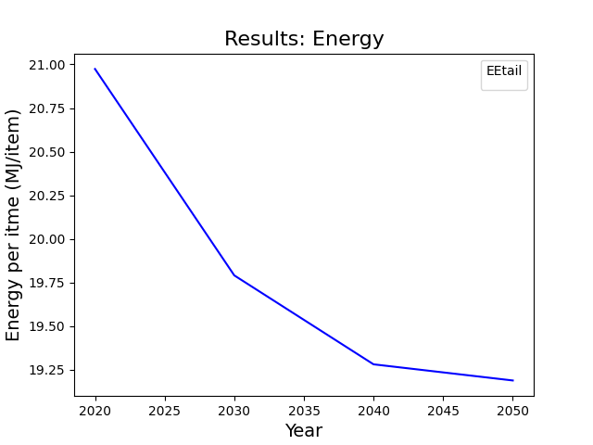
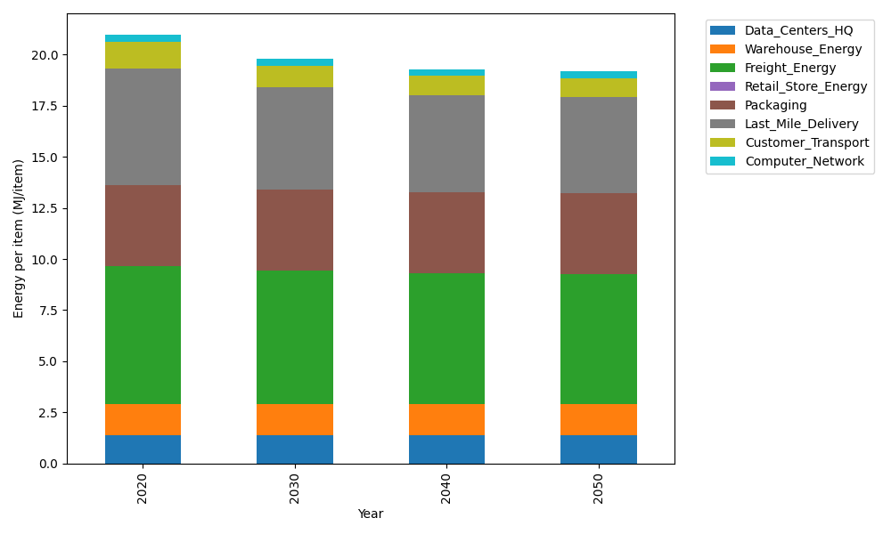
Years | Data_Centers_HQ | Warehouse_Energy | Freight_Energy | Retail_Store_Energy | Packaging | Last_Mile_Delivery | Customer_Transport | Computer_Network | Total
2020 | 1.3707219138 | 1.548 | 6.735407932 | 0 | 3.966722758 | 5.6858626695 | 1.3404990049 | 0.32656171373 | 20.973775992
2030 | 1.3707219138 | 1.548 | 6.5010823464 | 0 | 3.966722758 | 5.0335000939 | 1.044423316 | 0.32656171373 | 19.791012142
2040 | 1.3707219138 | 1.548 | 6.381894594 | 0 | 3.966722758 | 4.7386207178 | 0.94892969442 | 0.32656171373 | 19.281451392
2050 | 1.3707219138 | 1.548 | 6.3579172501 | 0 | 3.966722758 | 4.6866604946 | 0.932314004 | 0.32656171373 | 19.188898134

CO2_item
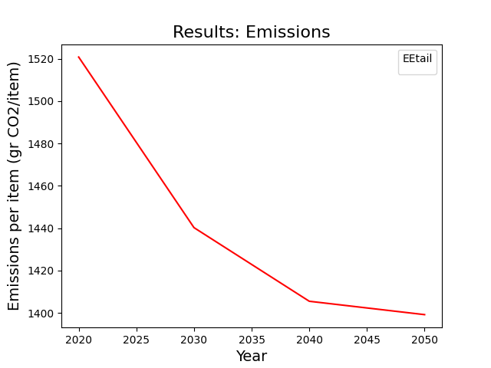
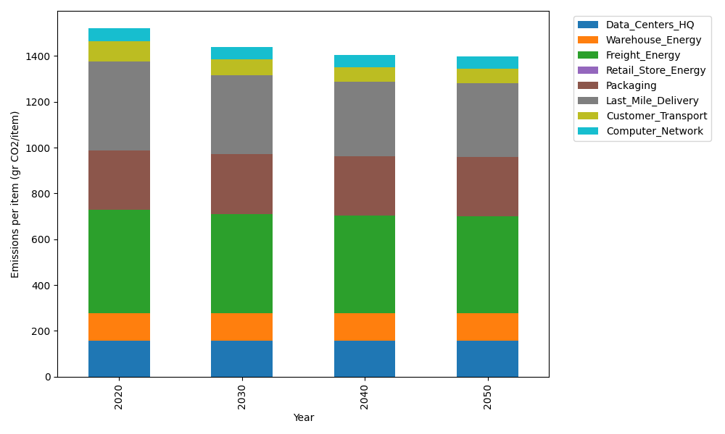
Years | Data_Centers_HQ | Warehouse_Energy | Freight_Energy | Retail_Store_Energy | Packaging | Last_Mile_Delivery | Customer_Transport | Computer_Network | Total
2020 | 157.73612384 | 118.6161301 | 450.8094485 | 0 | 259.06707291 | 390.2953988 | 89.202521556 | 55.083386689 | 1520.8100824
2030 | 157.73612384 | 118.6161301 | 434.72460734 | 0 | 259.06707291 | 345.51519104 | 69.50038233 | 55.083386689 | 1440.2428942
2040 | 157.73612384 | 118.6161301 | 426.5431872 | 0 | 259.06707291 | 325.2737483 | 63.145829434 | 55.083386689 | 1405.4654785
2050 | 157.73612384 | 118.6161301 | 424.89730731 | 0 | 259.06707291 | 321.70703605 | 62.040150521 | 55.083386689 | 1399.1472074

