Energy_item
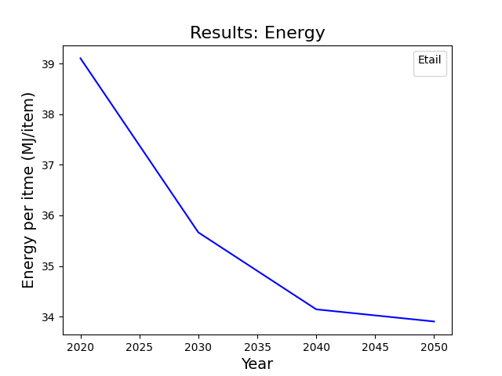
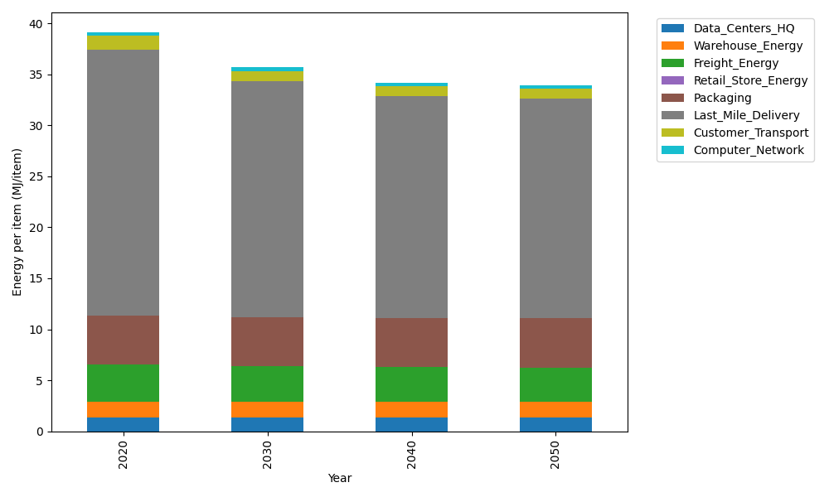
Years | Data_Centers_HQ | Warehouse_Energy | Freight_Energy | Retail_Store_Energy | Packaging | Last_Mile_Delivery | Customer_Transport | Computer_Network | Total
2020 | 1.3707219138 | 1.548 | 3.6015987919 | 0 | 4.8467995113 | 26.067725961 | 1.3455278395 | 0.32656171373 | 39.106935732
2030 | 1.3707219138 | 1.548 | 3.4432443839 | 0 | 4.8467995113 | 23.083468305 | 1.0450926474 | 0.32656171373 | 35.663888475
2040 | 1.3707219138 | 1.548 | 3.3626987366 | 0 | 4.8467995113 | 21.737248637 | 0.95049019267 | 0.32656171373 | 34.142520705
2050 | 1.3707219138 | 1.548 | 3.3464951364 | 0 | 4.8467995113 | 21.532380451 | 0.93147870718 | 0.32656171373 | 33.902437434

CO2_item
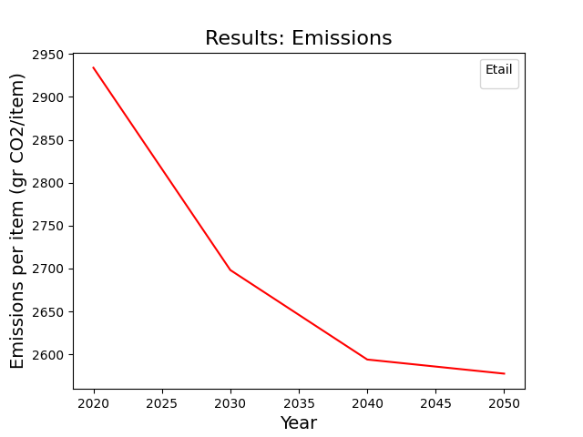
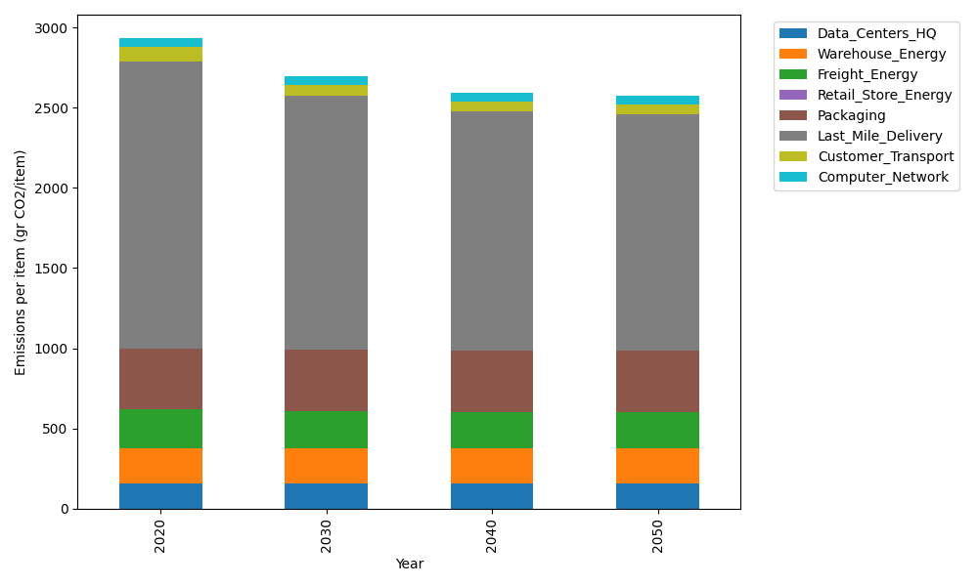
Years | Data_Centers_HQ | Warehouse_Energy | Freight_Energy | Retail_Store_Energy | Packaging | Last_Mile_Delivery | Customer_Transport | Computer_Network | Total
2020 | 157.73612384 | 220.80520494 | 241.45999671 | 0 | 379.96504026 | 1789.3702489 | 89.537161659 | 55.083386689 | 2933.957163
2030 | 157.73612384 | 220.80520494 | 230.59005482 | 0 | 379.96504026 | 1584.5214687 | 69.544922496 | 55.083386689 | 2698.2462017
2040 | 157.73612384 | 220.80520494 | 225.06114964 | 0 | 379.96504026 | 1492.1127397 | 63.249671644 | 55.083386689 | 2594.0133167
2050 | 157.73612384 | 220.80520494 | 223.94888384 | 0 | 379.96504026 | 1478.0499466 | 61.984566308 | 55.083386689 | 2577.5731525

