Energy_item
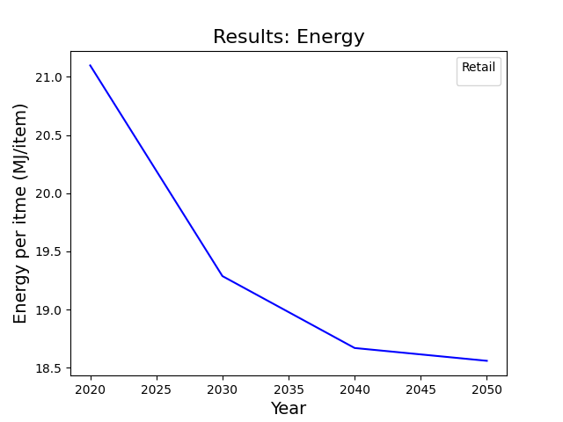
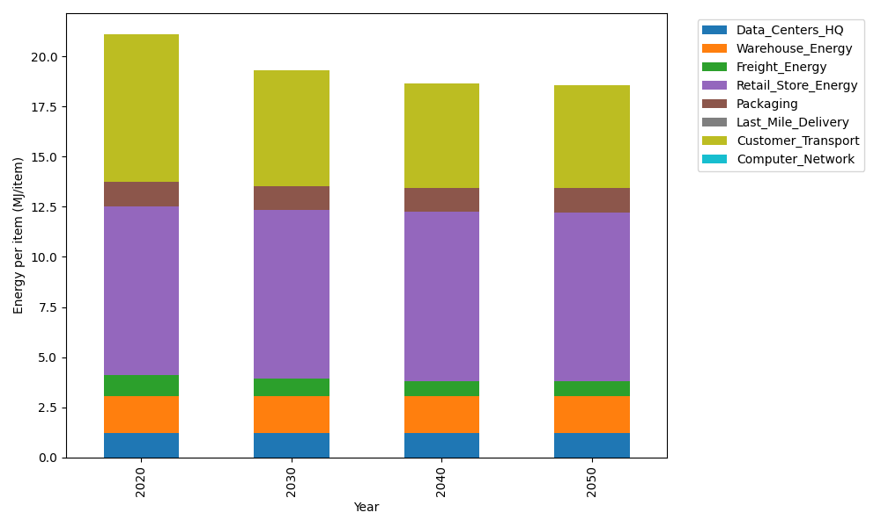
Years | Data_Centers_HQ | Warehouse_Energy | Freight_Energy | Retail_Store_Energy | Packaging | Last_Mile_Delivery | Customer_Transport | Computer_Network | Total
2020 | 1.2172633253 | 1.84 | 1.0385491076 | 8.415 | 1.2147367196 | 0 | 7.3727445271 | 0 | 21.09829368
2030 | 1.2172633253 | 1.84 | 0.8556484596 | 8.415 | 1.2147367196 | 0 | 5.7443282378 | 0 | 19.286976742
2040 | 1.2172633253 | 1.84 | 0.76261757235 | 8.415 | 1.2147367196 | 0 | 5.2191133193 | 0 | 18.668730937
2050 | 1.2172633253 | 1.84 | 0.74390228043 | 8.415 | 1.2147367196 | 0 | 5.127727022 | 0 | 18.558629347

CO2_item
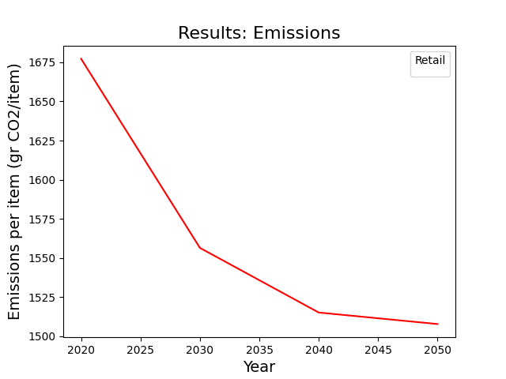
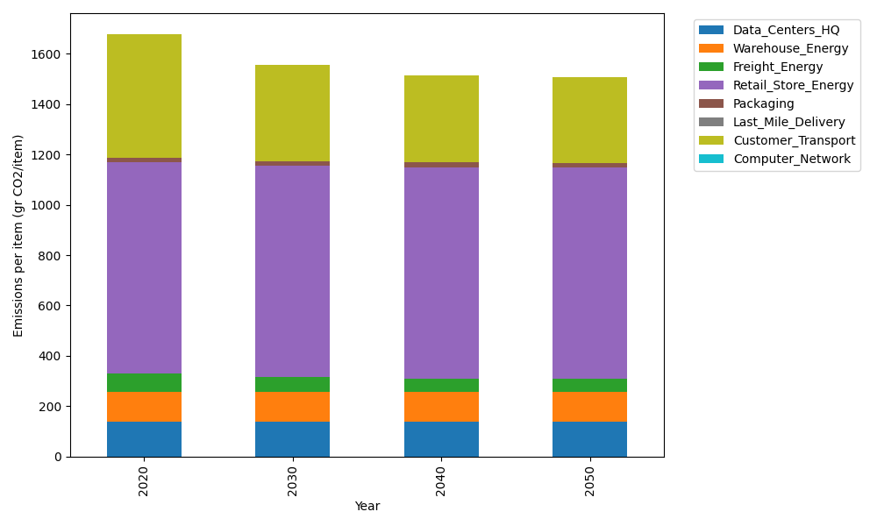
Years | Data_Centers_HQ | Warehouse_Energy | Freight_Energy | Retail_Store_Energy | Packaging | Last_Mile_Delivery | Customer_Transport | Computer_Network | Total
2020 | 137.48834654 | 120.73500736 | 71.289259288 | 839.18807354 | 17.990768952 | 0 | 490.61386856 | 0 | 1677.3053242
2030 | 137.48834654 | 120.73500736 | 58.734386703 | 839.18807354 | 17.990768952 | 0 | 382.25210282 | 0 | 1556.3886859
2040 | 137.48834654 | 120.73500736 | 52.348455605 | 839.18807354 | 17.990768952 | 0 | 347.30206189 | 0 | 1515.0527139
2050 | 137.48834654 | 120.73500736 | 51.063779427 | 839.18807354 | 17.990768952 | 0 | 341.22082786 | 0 | 1507.6868037

