Energy_item
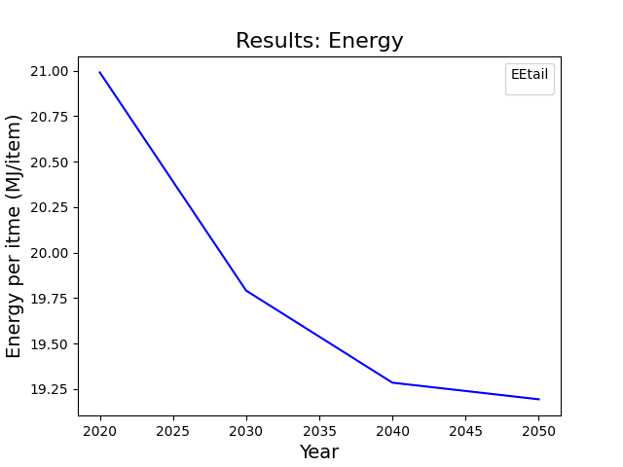
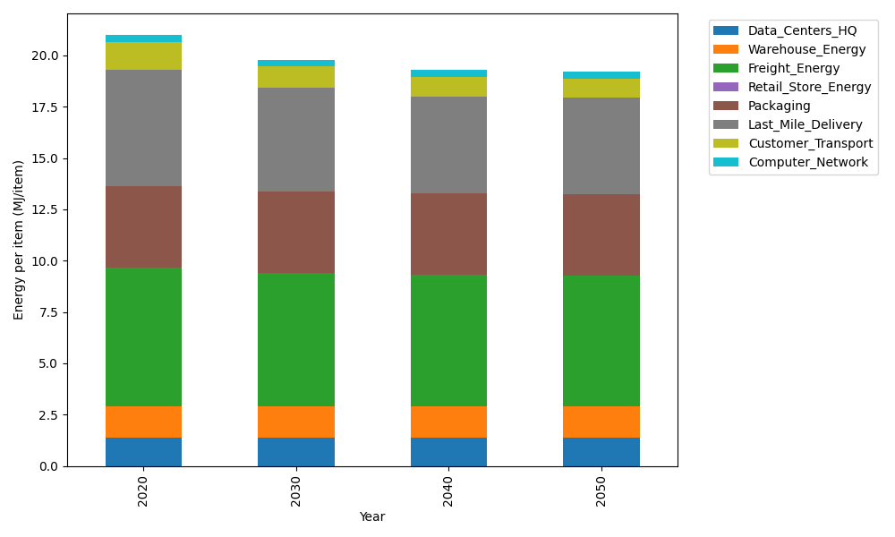
Years | Data_Centers_HQ | Warehouse_Energy | Freight_Energy | Retail_Store_Energy | Packaging | Last_Mile_Delivery | Customer_Transport | Computer_Network | Total
2020 | 1.3707219138 | 1.548 | 6.735407932 | 0 | 3.966722758 | 5.6893433361 | 1.3531607694 | 0.32656171373 | 20.989918423
2030 | 1.3707219138 | 1.548 | 6.5010823464 | 0 | 3.966722758 | 5.0347228786 | 1.0430894651 | 0.32656171373 | 19.790901076
2040 | 1.3707219138 | 1.548 | 6.381894594 | 0 | 3.966722758 | 4.7402992013 | 0.95056623957 | 0.32656171373 | 19.28476642
2050 | 1.3707219138 | 1.548 | 6.3579172501 | 0 | 3.966722758 | 4.6931501705 | 0.93052824791 | 0.32656171373 | 19.193602054

CO2_item
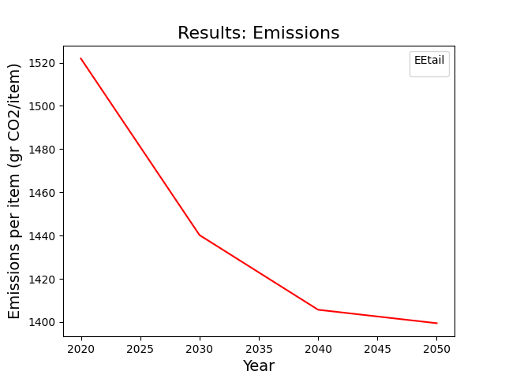
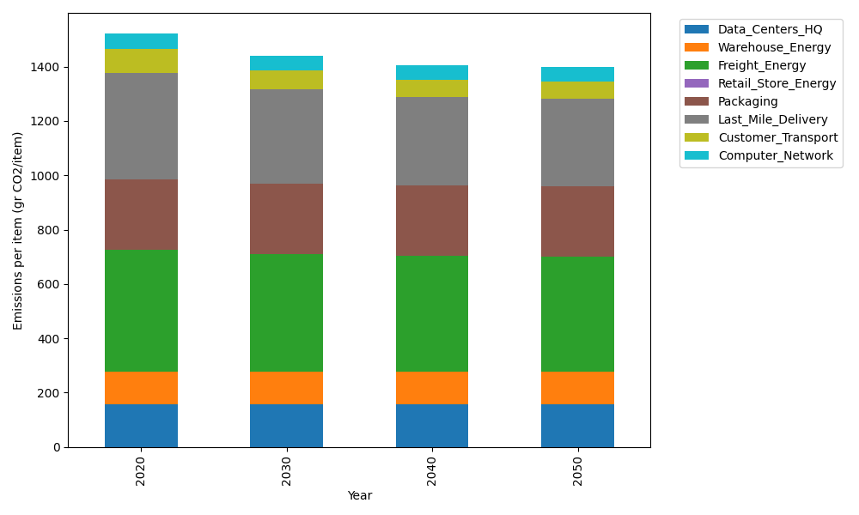
Years | Data_Centers_HQ | Warehouse_Energy | Freight_Energy | Retail_Store_Energy | Packaging | Last_Mile_Delivery | Customer_Transport | Computer_Network | Total
2020 | 157.73612384 | 118.6161301 | 450.8094485 | 0 | 259.06707291 | 390.53432264 | 90.045089372 | 55.083386689 | 1521.8915741
2030 | 157.73612384 | 118.6161301 | 434.72460734 | 0 | 259.06707291 | 345.59912681 | 69.411622202 | 55.083386689 | 1440.2380699
2040 | 157.73612384 | 118.6161301 | 426.5431872 | 0 | 259.06707291 | 325.38896465 | 63.254732129 | 55.083386689 | 1405.6895975
2050 | 157.73612384 | 118.6161301 | 424.89730731 | 0 | 259.06707291 | 322.1525077 | 61.921318694 | 55.083386689 | 1399.4738472

