Energy_item
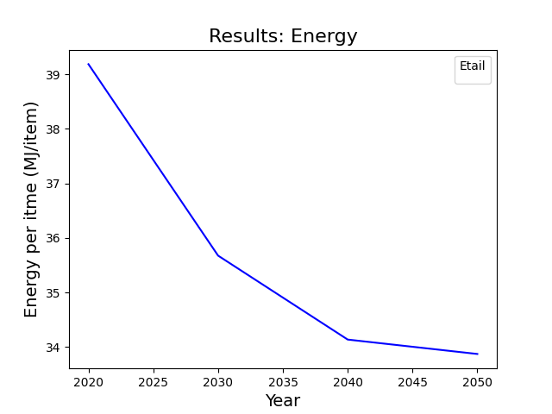
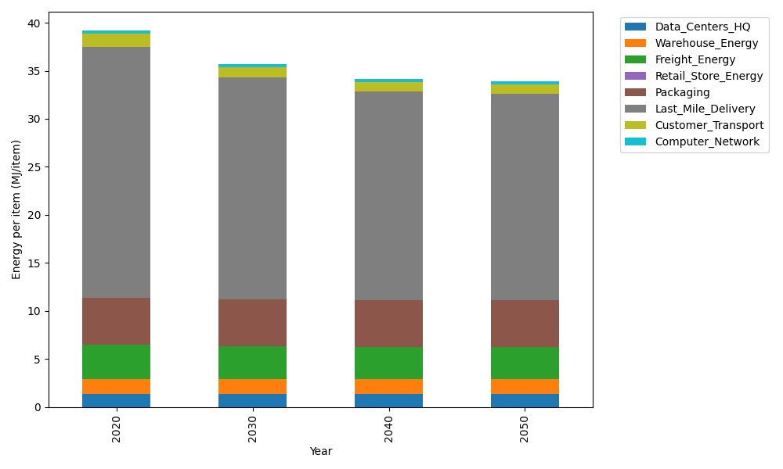
Years | Data_Centers_HQ | Warehouse_Energy | Freight_Energy | Retail_Store_Energy | Packaging | Last_Mile_Delivery | Customer_Transport | Computer_Network | Total
2020 | 1.3707219138 | 1.548 | 3.6015987919 | 0 | 4.8467995113 | 26.140140374 | 1.3501003054 | 0.32656171373 | 39.18392261
2030 | 1.3707219138 | 1.548 | 3.4432443839 | 0 | 4.8467995113 | 23.096045997 | 1.043690755 | 0.32656171373 | 35.675064275
2040 | 1.3707219138 | 1.548 | 3.3626987366 | 0 | 4.8467995113 | 21.731213725 | 0.95035437408 | 0.32656171373 | 34.136349975
2050 | 1.3707219138 | 1.548 | 3.3464951364 | 0 | 4.8467995113 | 21.499872713 | 0.93397584397 | 0.32656171373 | 33.872426833

CO2_item
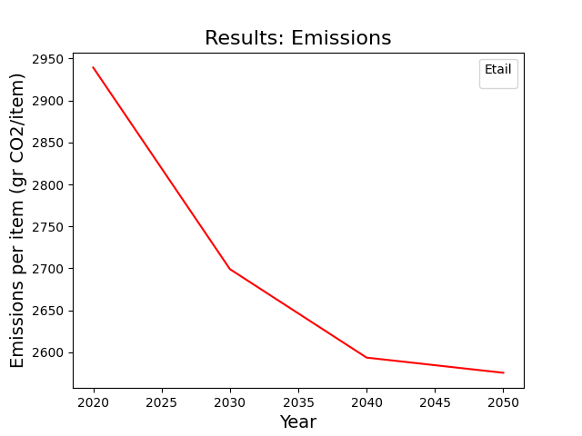
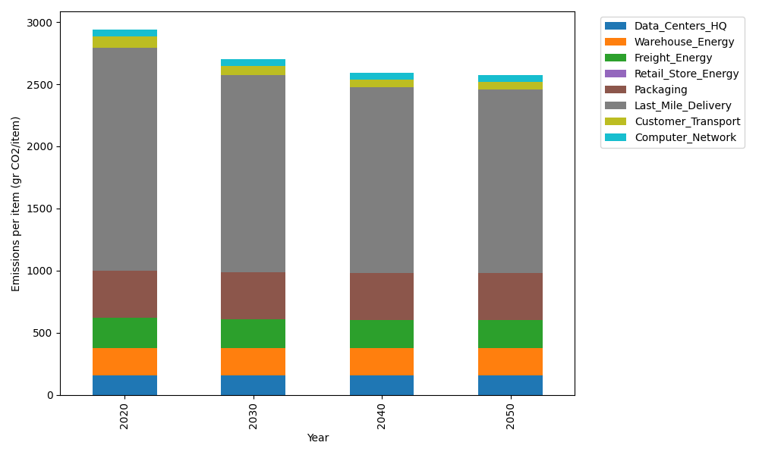
Years | Data_Centers_HQ | Warehouse_Energy | Freight_Energy | Retail_Store_Energy | Packaging | Last_Mile_Delivery | Customer_Transport | Computer_Network | Total
2020 | 157.73612384 | 220.80520494 | 241.45999671 | 0 | 379.96504026 | 1794.3410006 | 89.841433041 | 55.083386689 | 2939.2321861
2030 | 157.73612384 | 220.80520494 | 230.59005482 | 0 | 379.96504026 | 1585.3848408 | 69.451634596 | 55.083386689 | 2699.016286
2040 | 157.73612384 | 220.80520494 | 225.06114964 | 0 | 379.96504026 | 1491.6984845 | 63.240633695 | 55.083386689 | 2593.5900236
2050 | 157.73612384 | 220.80520494 | 223.94888384 | 0 | 379.96504026 | 1475.8185138 | 62.150736441 | 55.083386689 | 2575.5078898

