Energy_item
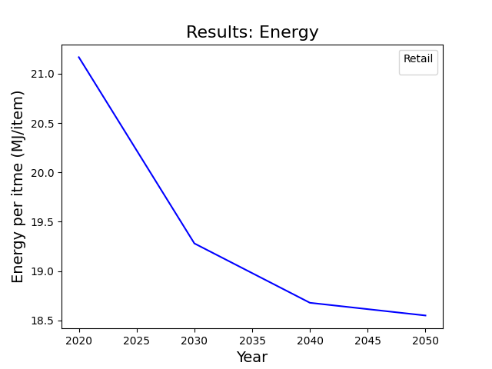
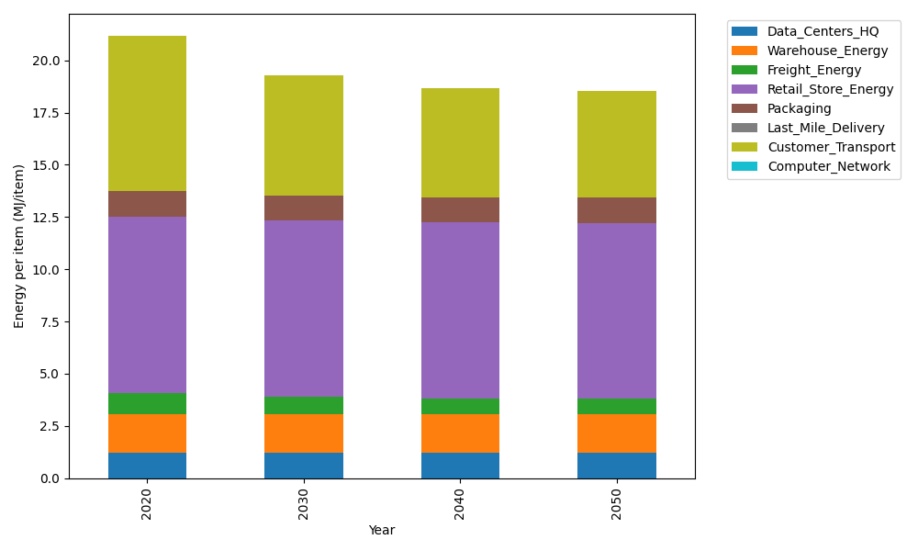
Years | Data_Centers_HQ | Warehouse_Energy | Freight_Energy | Retail_Store_Energy | Packaging | Last_Mile_Delivery | Customer_Transport | Computer_Network | Total
2020 | 1.2172633253 | 1.84 | 1.0385491076 | 8.415 | 1.2147367196 | 0 | 7.4423842317 | 0 | 21.167933384
2030 | 1.2172633253 | 1.84 | 0.8556484596 | 8.415 | 1.2147367196 | 0 | 5.7369920578 | 0 | 19.279640562
2040 | 1.2172633253 | 1.84 | 0.76261757235 | 8.415 | 1.2147367196 | 0 | 5.2281143176 | 0 | 18.677731935
2050 | 1.2172633253 | 1.84 | 0.74390228043 | 8.415 | 1.2147367196 | 0 | 5.1179053635 | 0 | 18.548807689

CO2_item
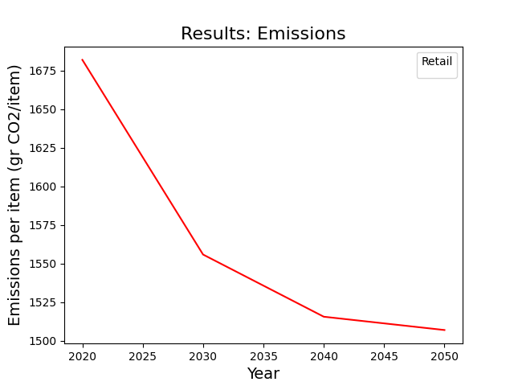
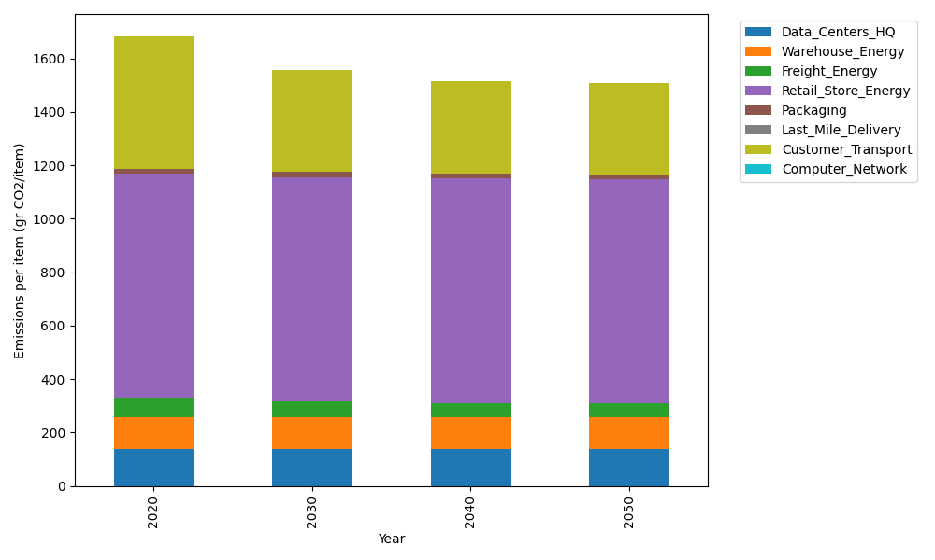
Years | Data_Centers_HQ | Warehouse_Energy | Freight_Energy | Retail_Store_Energy | Packaging | Last_Mile_Delivery | Customer_Transport | Computer_Network | Total
2020 | 137.48834654 | 120.73500736 | 71.289259288 | 839.18807354 | 17.990768952 | 0 | 495.24799155 | 0 | 1681.9394472
2030 | 137.48834654 | 120.73500736 | 58.734386703 | 839.18807354 | 17.990768952 | 0 | 381.76392211 | 0 | 1555.9005052
2040 | 137.48834654 | 120.73500736 | 52.348455605 | 839.18807354 | 17.990768952 | 0 | 347.90102671 | 0 | 1515.6516787
2050 | 137.48834654 | 120.73500736 | 51.063779427 | 839.18807354 | 17.990768952 | 0 | 340.56725281 | 0 | 1507.0332286

