Energy_item
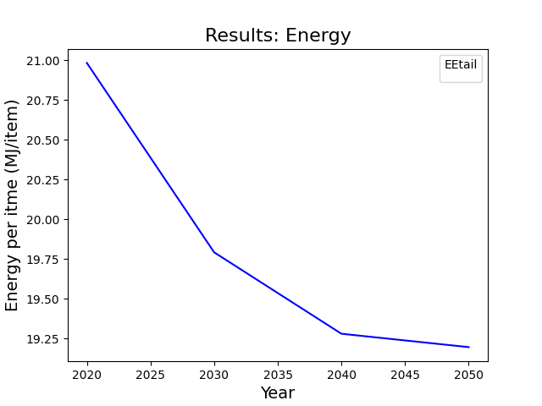
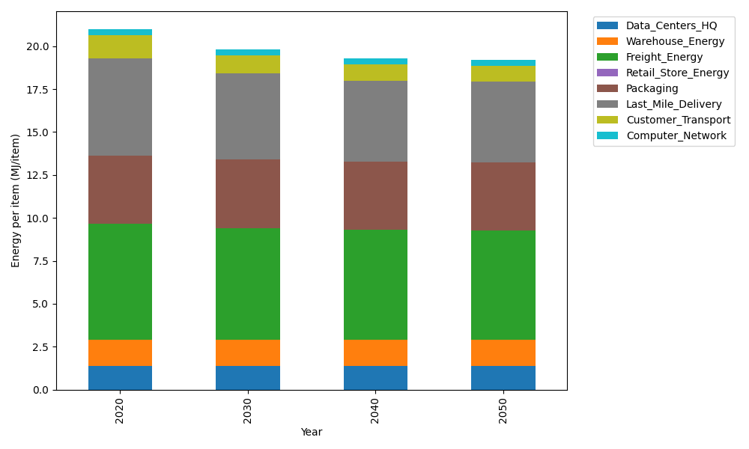
Years | Data_Centers_HQ | Warehouse_Energy | Freight_Energy | Retail_Store_Energy | Packaging | Last_Mile_Delivery | Customer_Transport | Computer_Network | Total
2020 | 1.3707219138 | 1.548 | 6.735407932 | 0 | 3.966722758 | 5.6841642774 | 1.352782512 | 0.32656171373 | 20.984361107
2030 | 1.3707219138 | 1.548 | 6.5010823464 | 0 | 3.966722758 | 5.032812687 | 1.0458502082 | 0.32656171373 | 19.791751627
2040 | 1.3707219138 | 1.548 | 6.381894594 | 0 | 3.966722758 | 4.7360715214 | 0.94895115216 | 0.32656171373 | 19.278923653
2050 | 1.3707219138 | 1.548 | 6.3579172501 | 0 | 3.966722758 | 4.6935850322 | 0.93114302485 | 0.32656171373 | 19.194651693

CO2_item
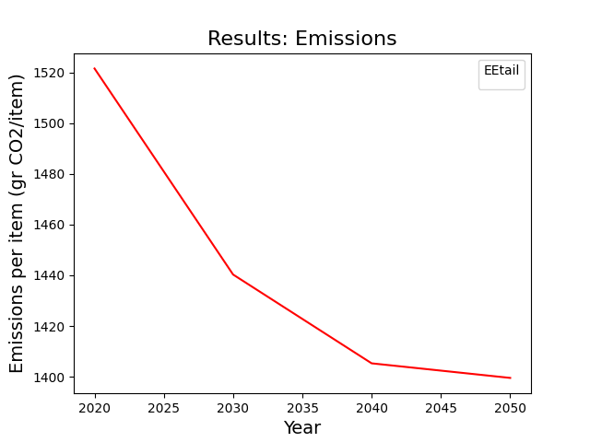
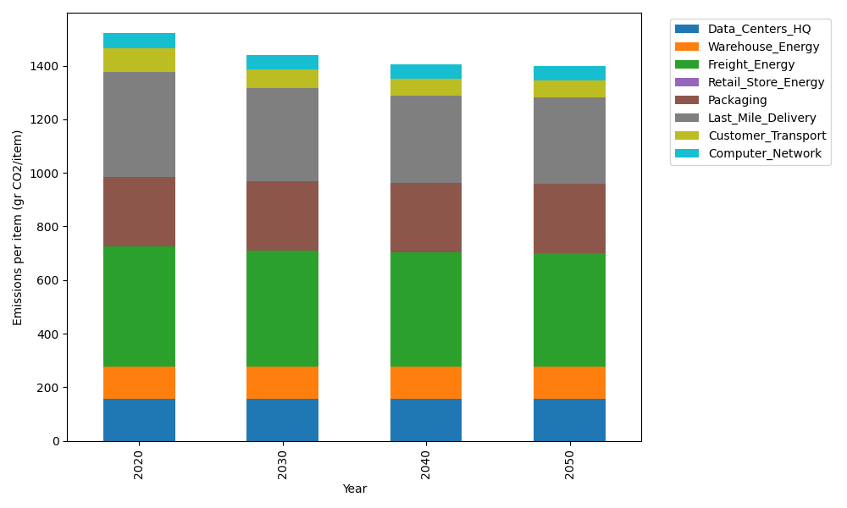
Years | Data_Centers_HQ | Warehouse_Energy | Freight_Energy | Retail_Store_Energy | Packaging | Last_Mile_Delivery | Customer_Transport | Computer_Network | Total
2020 | 157.73612384 | 118.6161301 | 450.8094485 | 0 | 259.06707291 | 390.17881585 | 90.019918513 | 55.083386689 | 1521.5108964
2030 | 157.73612384 | 118.6161301 | 434.72460734 | 0 | 259.06707291 | 345.46800528 | 69.595333825 | 55.083386689 | 1440.29066
2040 | 157.73612384 | 118.6161301 | 426.5431872 | 0 | 259.06707291 | 325.09876348 | 63.147257324 | 55.083386689 | 1405.2919215
2050 | 157.73612384 | 118.6161301 | 424.89730731 | 0 | 259.06707291 | 322.18235797 | 61.962228574 | 55.083386689 | 1399.5446074

