Energy_item
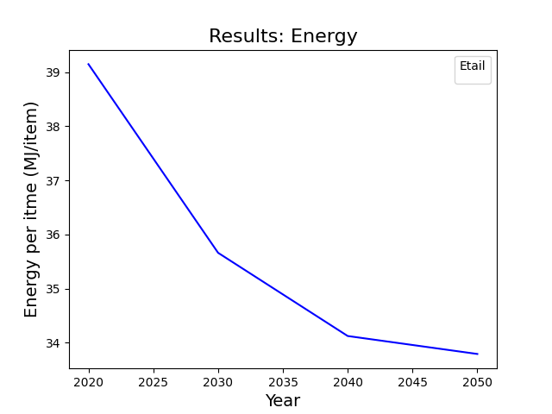
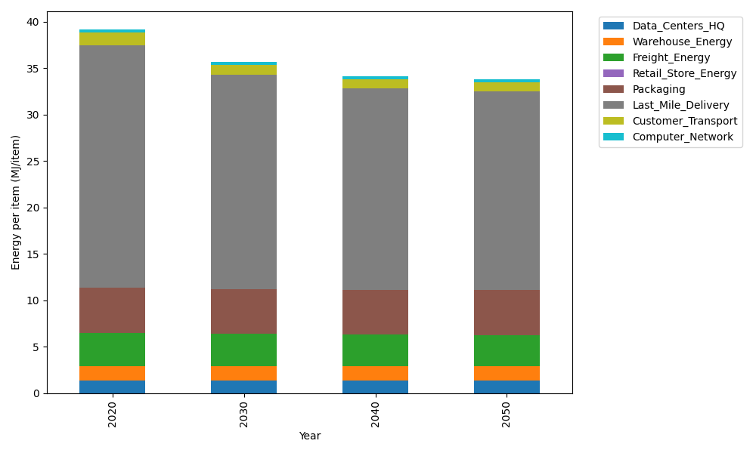
Years | Data_Centers_HQ | Warehouse_Energy | Freight_Energy | Retail_Store_Energy | Packaging | Last_Mile_Delivery | Customer_Transport | Computer_Network | Total
2020 | 1.3707219138 | 1.548 | 3.6015987919 | 0 | 4.8467995113 | 26.104718262 | 1.3519704098 | 0.32656171373 | 39.150370602
2030 | 1.3707219138 | 1.548 | 3.4432443839 | 0 | 4.8467995113 | 23.080847678 | 1.0446887208 | 0.32656171373 | 35.660863922
2040 | 1.3707219138 | 1.548 | 3.3626987366 | 0 | 4.8467995113 | 21.714687853 | 0.95192805989 | 0.32656171373 | 34.121397788
2050 | 1.3707219138 | 1.548 | 3.3464951364 | 0 | 4.8467995113 | 21.418033142 | 0.93252076091 | 0.32656171373 | 33.789132178

CO2_item
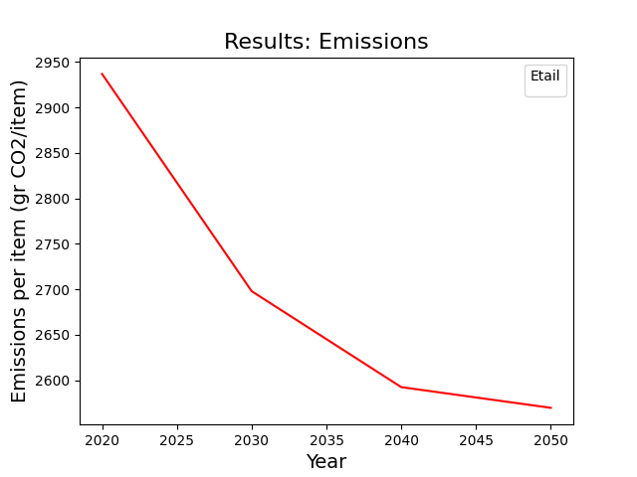
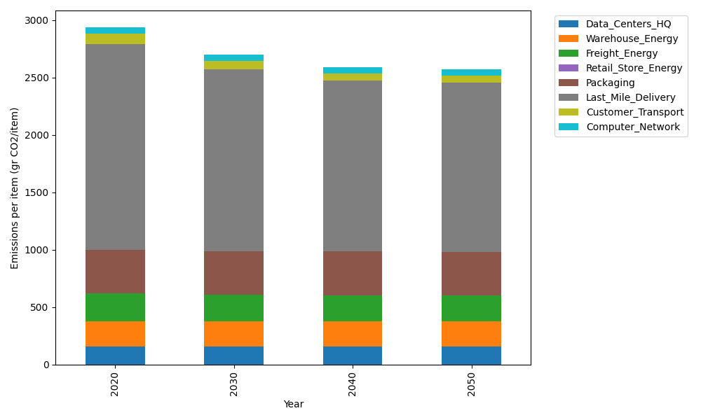
Years | Data_Centers_HQ | Warehouse_Energy | Freight_Energy | Retail_Store_Energy | Packaging | Last_Mile_Delivery | Customer_Transport | Computer_Network | Total
2020 | 157.73612384 | 220.80520494 | 241.45999671 | 0 | 379.96504026 | 1791.9095161 | 89.965877764 | 55.083386689 | 2936.9251463
2030 | 157.73612384 | 220.80520494 | 230.59005482 | 0 | 379.96504026 | 1584.3415807 | 69.518043503 | 55.083386689 | 2698.0394347
2040 | 157.73612384 | 220.80520494 | 225.06114964 | 0 | 379.96504026 | 1490.5640969 | 63.345353462 | 55.083386689 | 2592.5603558
2050 | 157.73612384 | 220.80520494 | 223.94888384 | 0 | 379.96504026 | 1470.2007896 | 62.053909008 | 55.083386689 | 2569.7933382

