Energy_item
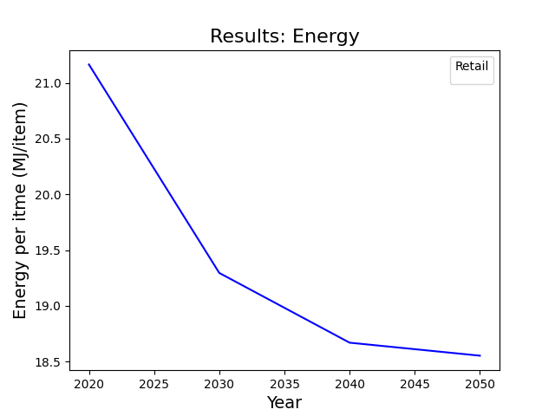
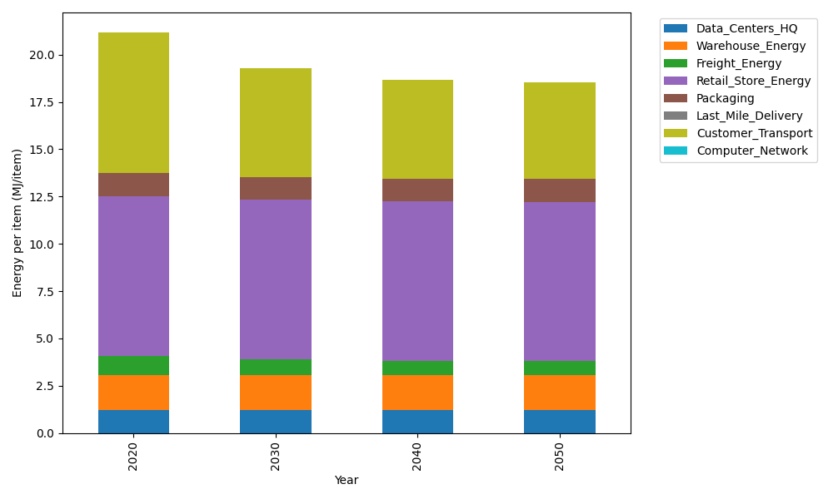
Years | Data_Centers_HQ | Warehouse_Energy | Freight_Energy | Retail_Store_Energy | Packaging | Last_Mile_Delivery | Customer_Transport | Computer_Network | Total
2020 | 1.2172633253 | 1.84 | 1.0385491076 | 8.415 | 1.2147367196 | 0 | 7.4403038162 | 0 | 21.165852969
2030 | 1.2172633253 | 1.84 | 0.8556484596 | 8.415 | 1.2147367196 | 0 | 5.752176145 | 0 | 19.29482465
2040 | 1.2172633253 | 1.84 | 0.76261757235 | 8.415 | 1.2147367196 | 0 | 5.2192313369 | 0 | 18.668848954
2050 | 1.2172633253 | 1.84 | 0.74390228043 | 8.415 | 1.2147367196 | 0 | 5.1212866367 | 0 | 18.552188962

CO2_item
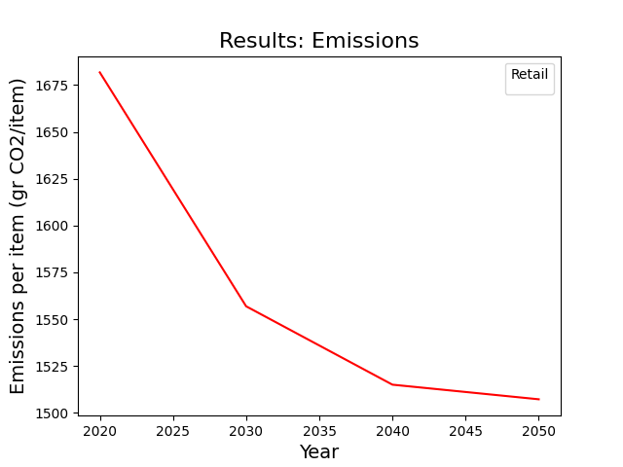
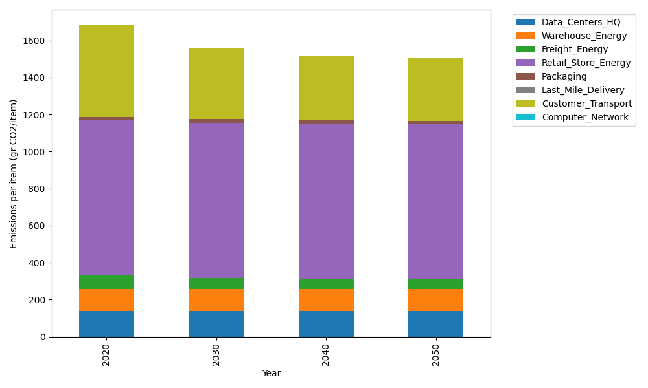
Years | Data_Centers_HQ | Warehouse_Energy | Freight_Energy | Retail_Store_Energy | Packaging | Last_Mile_Delivery | Customer_Transport | Computer_Network | Total
2020 | 137.48834654 | 120.73500736 | 71.289259288 | 839.18807354 | 17.990768952 | 0 | 495.10955182 | 0 | 1681.8010075
2030 | 137.48834654 | 120.73500736 | 58.734386703 | 839.18807354 | 17.990768952 | 0 | 382.77433604 | 0 | 1556.9109191
2040 | 137.48834654 | 120.73500736 | 52.348455605 | 839.18807354 | 17.990768952 | 0 | 347.30991528 | 0 | 1515.0605673
2050 | 137.48834654 | 120.73500736 | 51.063779427 | 839.18807354 | 17.990768952 | 0 | 340.79225716 | 0 | 1507.258233

