Energy_item
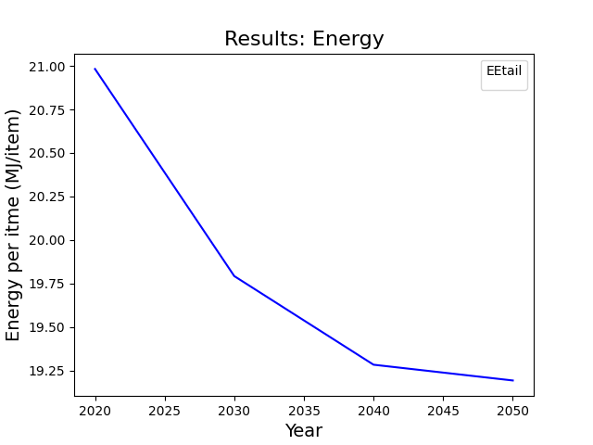
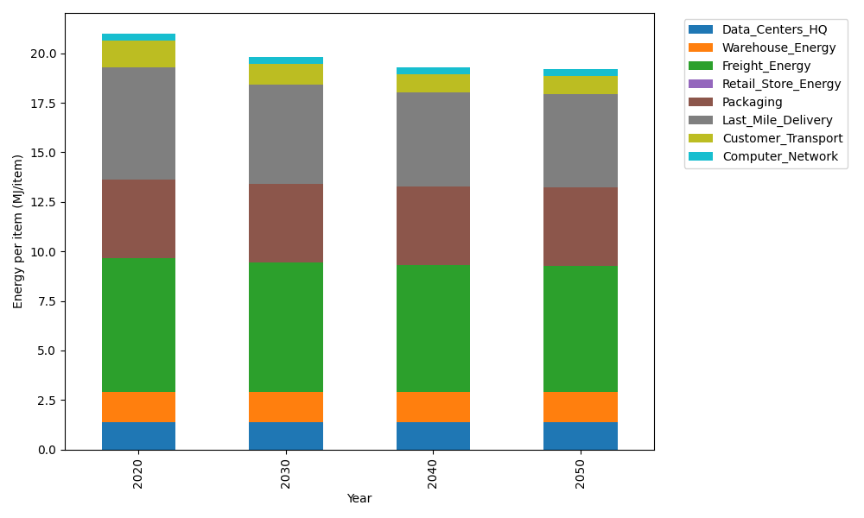
Years | Data_Centers_HQ | Warehouse_Energy | Freight_Energy | Retail_Store_Energy | Packaging | Last_Mile_Delivery | Customer_Transport | Computer_Network | Total
2020 | 1.3707219138 | 1.548 | 6.735407932 | 0 | 3.966722758 | 5.6831124899 | 1.3521049027 | 0.32656171373 | 20.98263171
2030 | 1.3707219138 | 1.548 | 6.5010823464 | 0 | 3.966722758 | 5.0329331588 | 1.046400374 | 0.32656171373 | 19.792422265
2040 | 1.3707219138 | 1.548 | 6.381894594 | 0 | 3.966722758 | 4.7362764353 | 0.95305512074 | 0.32656171373 | 19.283232536
2050 | 1.3707219138 | 1.548 | 6.3579172501 | 0 | 3.966722758 | 4.6896055353 | 0.93310625445 | 0.32656171373 | 19.192635425

CO2_item
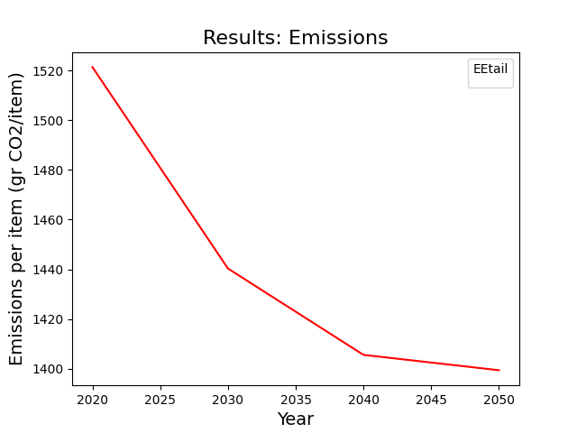
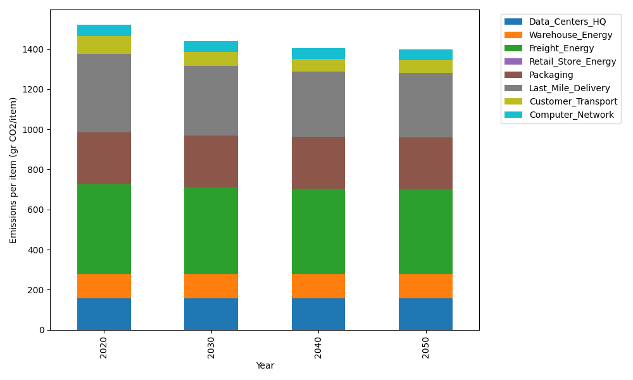
Years | Data_Centers_HQ | Warehouse_Energy | Freight_Energy | Retail_Store_Energy | Packaging | Last_Mile_Delivery | Customer_Transport | Computer_Network | Total
2020 | 157.73612384 | 118.6161301 | 450.8094485 | 0 | 259.06707291 | 390.10661786 | 89.974827498 | 55.083386689 | 1521.3936074
2030 | 157.73612384 | 118.6161301 | 434.72460734 | 0 | 259.06707291 | 345.47627485 | 69.631944206 | 55.083386689 | 1440.3355399
2040 | 157.73612384 | 118.6161301 | 426.5431872 | 0 | 259.06707291 | 325.11282942 | 63.420352898 | 55.083386689 | 1405.5790831
2050 | 157.73612384 | 118.6161301 | 424.89730731 | 0 | 259.06707291 | 321.90919285 | 62.092870245 | 55.083386689 | 1399.4020839

