Energy_item
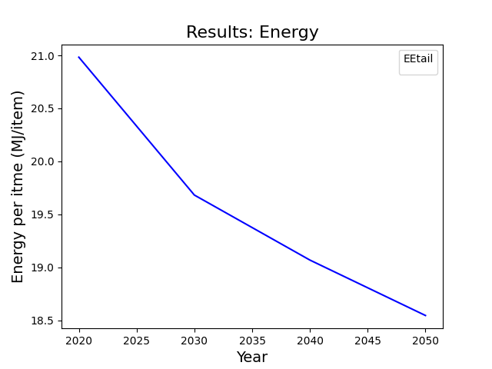
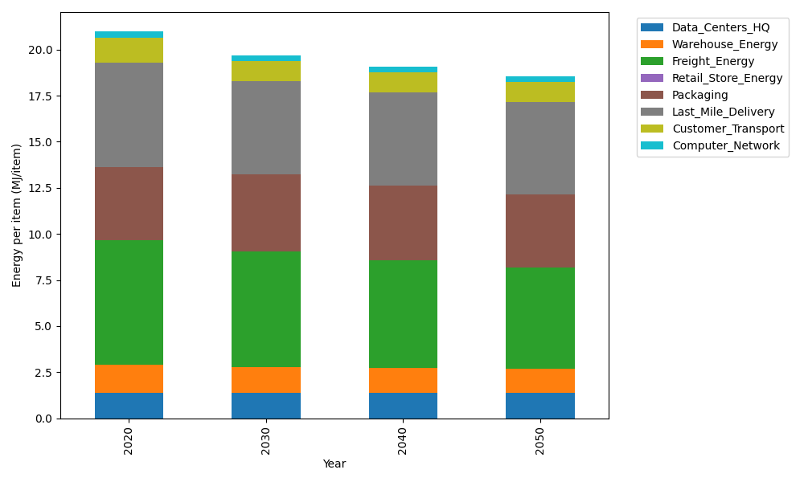
Years | Data_Centers_HQ | Warehouse_Energy | Freight_Energy | Retail_Store_Energy | Packaging | Last_Mile_Delivery | Customer_Transport | Computer_Network | Total
2020 | 1.3707219138 | 1.548 | 6.735407932 | 0 | 3.966722758 | 5.6831124899 | 1.3521049027 | 0.32656171373 | 20.98263171
2030 | 1.3707219138 | 1.42416 | 6.2708003614 | 0 | 4.1650588959 | 5.0496390518 | 1.0756478156 | 0.32656171373 | 19.682589752
2040 | 1.3707219138 | 1.36224 | 5.8216417589 | 0 | 4.0460572131 | 5.08122674 | 1.0610407749 | 0.32656171373 | 19.069490114
2050 | 1.3707219138 | 1.30032 | 5.5087251501 | 0 | 3.966722758 | 5.0214782691 | 1.0523702582 | 0.32656171373 | 18.546900063

CO2_item
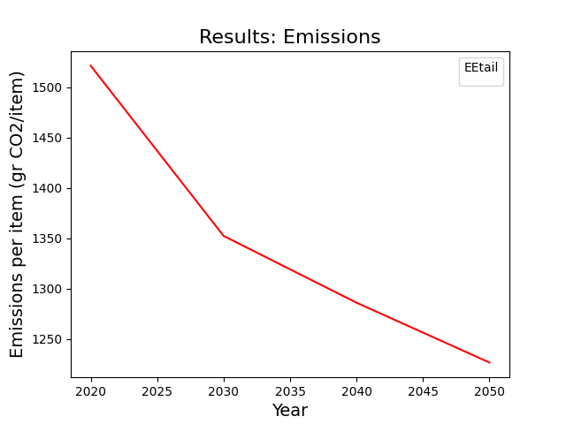
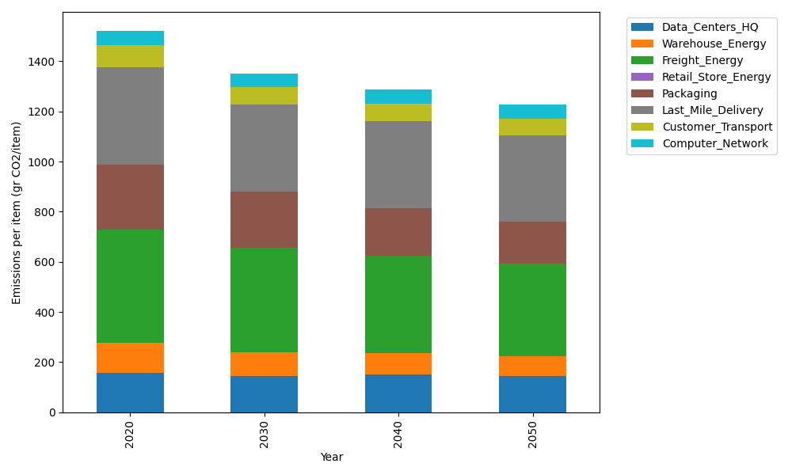
Years | Data_Centers_HQ | Warehouse_Energy | Freight_Energy | Retail_Store_Energy | Packaging | Last_Mile_Delivery | Customer_Transport | Computer_Network | Total
2020 | 157.73612384 | 118.6161301 | 450.8094485 | 0 | 259.06707291 | 390.10661786 | 89.713900499 | 55.083386689 | 1521.1326804
2030 | 145.41670516 | 92.52058148 | 419.37319798 | 0 | 222.7976827 | 346.38038348 | 70.783675773 | 55.083386689 | 1352.3556133
2040 | 151.5764145 | 84.217452373 | 389.25425391 | 0 | 189.11896322 | 348.33786863 | 68.551539122 | 55.083386689 | 1286.1398784
2050 | 145.41670516 | 78.286645868 | 368.29884939 | 0 | 168.39359739 | 344.03506443 | 67.3190755 | 55.083386689 | 1226.8333244

