Energy_item
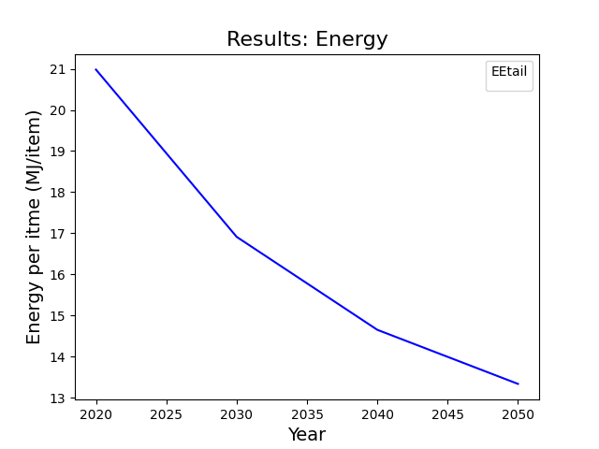
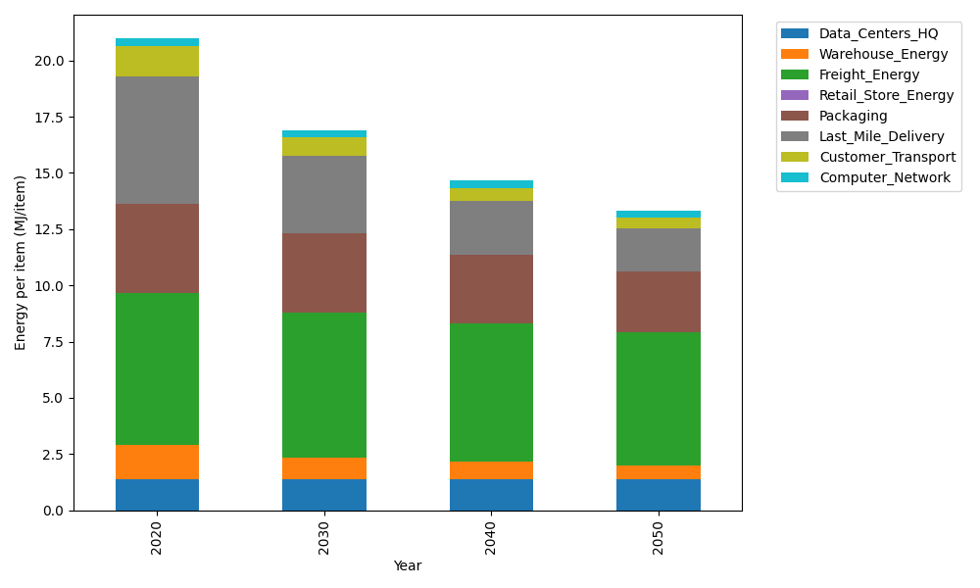
Years | Data_Centers_HQ | Warehouse_Energy | Freight_Energy | Retail_Store_Energy | Packaging | Last_Mile_Delivery | Customer_Transport | Computer_Network | Total
2020 | 1.3707219138 | 1.548 | 6.735407932 | 0 | 3.966722758 | 5.6831124899 | 1.3521049027 | 0.32656171373 | 20.98263171
2030 | 1.3707219138 | 0.99072 | 6.4176788593 | 0 | 3.5303832546 | 3.4650645607 | 0.81129369143 | 0.32656171373 | 16.912423994
2040 | 1.3707219138 | 0.774 | 6.1632514191 | 0 | 3.0543765236 | 2.4014944353 | 0.55952216843 | 0.32656171373 | 14.649928174
2050 | 1.3707219138 | 0.60372 | 5.9604575099 | 0 | 2.6973714754 | 1.9241089133 | 0.45087426272 | 0.32656171373 | 13.333815789

CO2_item
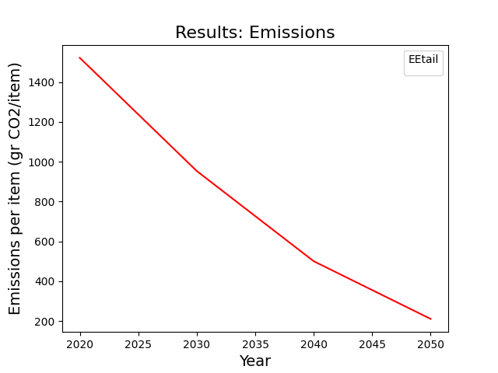
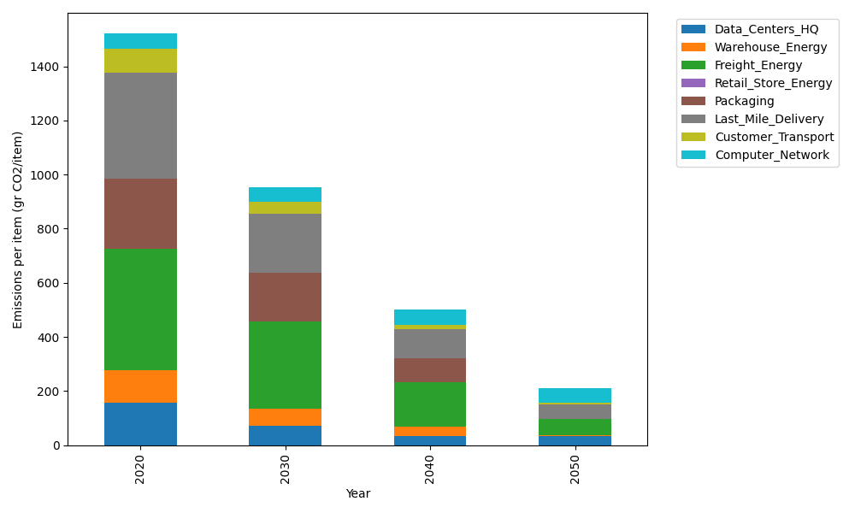
Years | Data_Centers_HQ | Warehouse_Energy | Freight_Energy | Retail_Store_Energy | Packaging | Last_Mile_Delivery | Customer_Transport | Computer_Network | Total
2020 | 157.73612384 | 118.6161301 | 450.8094485 | 0 | 259.06707291 | 390.10661786 | 89.974827498 | 55.083386689 | 1521.3936074
2030 | 71.737141217 | 61.680387654 | 324.21177464 | 0 | 178.75628031 | 218.82464043 | 43.189554178 | 55.083386689 | 953.48316512
2040 | 34.541937055 | 35.584839031 | 162.04754112 | 0 | 88.082804789 | 107.97418883 | 17.499506087 | 55.083386689 | 500.81420361
2050 | 34.541937055 | 2.3723226021 | 60.897579035 | 0 | 0 | 54.151510284 | 4.2004335242 | 55.083386689 | 211.24716919

