Energy_item
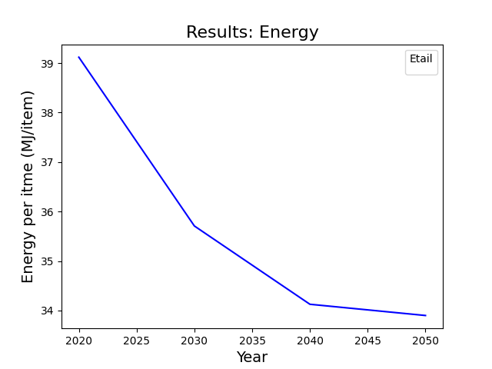
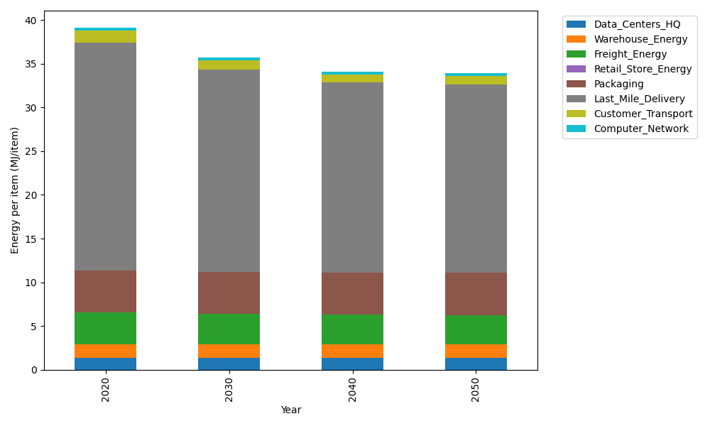
Years | Data_Centers_HQ | Warehouse_Energy | Freight_Energy | Retail_Store_Energy | Packaging | Last_Mile_Delivery | Customer_Transport | Computer_Network | Total
2020 | 1.3707219138 | 1.548 | 3.6015987919 | 0 | 4.8467995113 | 26.08033479 | 1.3441933612 | 0.32656171373 | 39.118210081
2030 | 1.3707219138 | 1.548 | 3.4432443839 | 0 | 4.8467995113 | 23.128087298 | 1.0449803038 | 0.32656171373 | 35.708395124
2040 | 1.3707219138 | 1.548 | 3.3626987366 | 0 | 4.8467995113 | 21.721285593 | 0.95052953624 | 0.32656171373 | 34.126597005
2050 | 1.3707219138 | 1.548 | 3.3464951364 | 0 | 4.8467995113 | 21.530402535 | 0.93082198392 | 0.32656171373 | 33.899802794

CO2_item
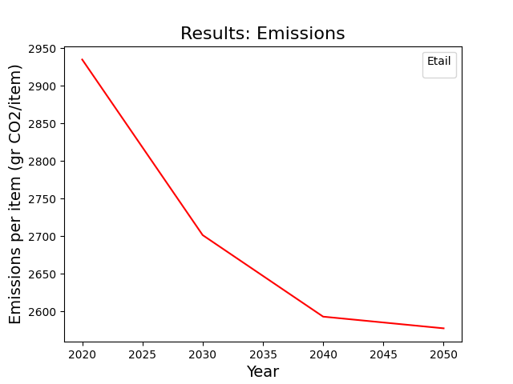
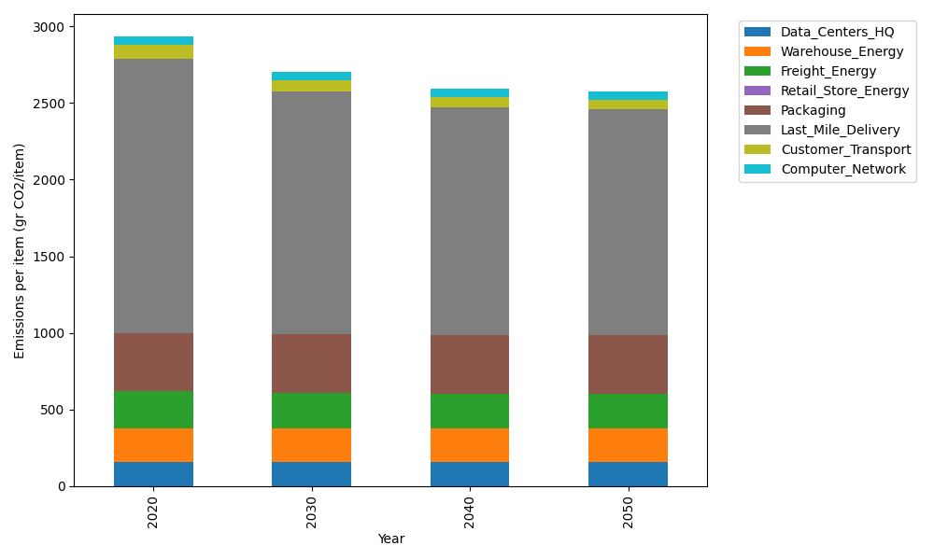
Years | Data_Centers_HQ | Warehouse_Energy | Freight_Energy | Retail_Store_Energy | Packaging | Last_Mile_Delivery | Customer_Transport | Computer_Network | Total
2020 | 157.73612384 | 220.80520494 | 241.45999671 | 0 | 379.96504026 | 1790.2357583 | 89.448359778 | 55.083386689 | 2934.7338705
2030 | 157.73612384 | 220.80520494 | 230.59005482 | 0 | 379.96504026 | 1587.5842559 | 69.537446675 | 55.083386689 | 2701.3015131
2040 | 157.73612384 | 220.80520494 | 225.06114964 | 0 | 379.96504026 | 1491.0169864 | 63.252289733 | 55.083386689 | 2592.9201816
2050 | 157.73612384 | 220.80520494 | 223.94888384 | 0 | 379.96504026 | 1477.9141763 | 61.940865141 | 55.083386689 | 2577.393681

