Energy_item
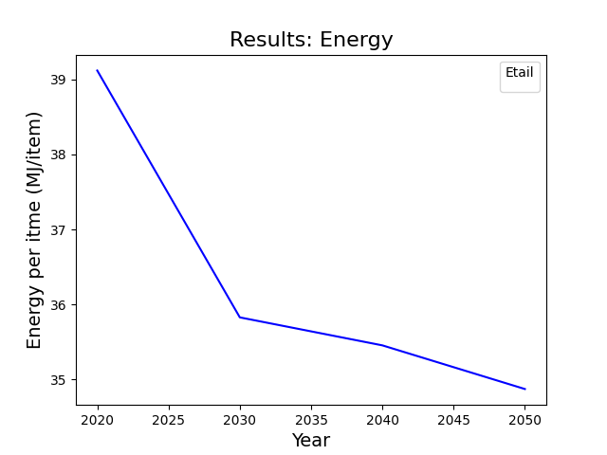
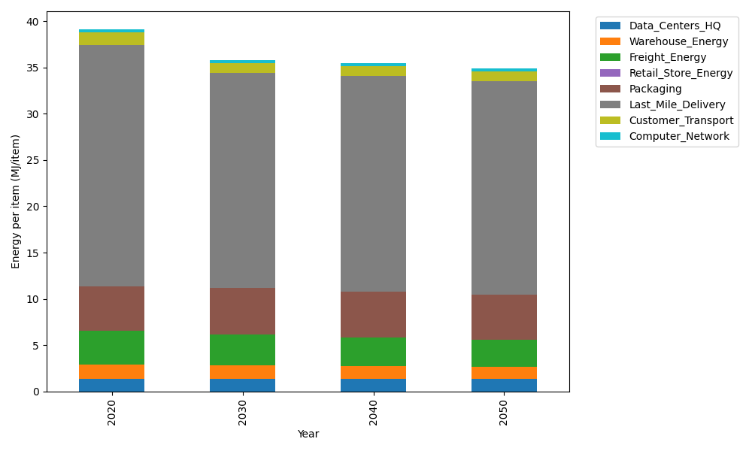
Years | Data_Centers_HQ | Warehouse_Energy | Freight_Energy | Retail_Store_Energy | Packaging | Last_Mile_Delivery | Customer_Transport | Computer_Network | Total
2020 | 1.3707219138 | 1.548 | 3.6015987919 | 0 | 4.8467995113 | 26.08033479 | 1.3441933612 | 0.32656171373 | 39.118210081
2030 | 1.3707219138 | 1.42416 | 3.338168378 | 0 | 5.0891394869 | 23.204856716 | 1.0741880537 | 0.32656171373 | 35.827796262
2040 | 1.3707219138 | 1.36224 | 3.0899287345 | 0 | 4.9437355016 | 23.303280264 | 1.0582290297 | 0.32656171373 | 35.454697158
2050 | 1.3707219138 | 1.30032 | 2.9244487234 | 0 | 4.8467995113 | 23.054060227 | 1.049794026 | 0.32656171373 | 34.872706116

CO2_item
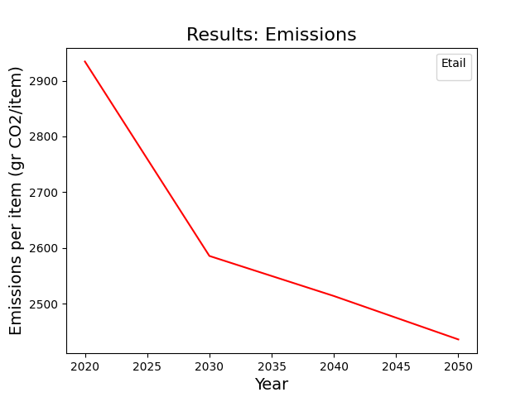
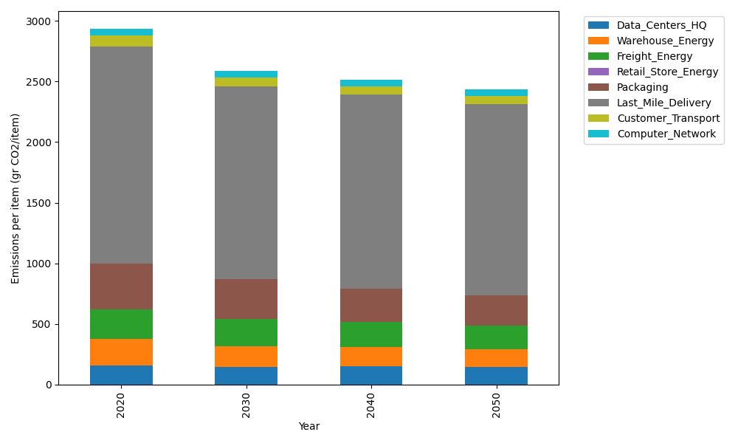
Years | Data_Centers_HQ | Warehouse_Energy | Freight_Energy | Retail_Store_Energy | Packaging | Last_Mile_Delivery | Customer_Transport | Computer_Network | Total
2020 | 157.73612384 | 220.80520494 | 241.45999671 | 0 | 379.96504026 | 1790.2357583 | 89.188959534 | 55.083386689 | 2934.4744702
2030 | 145.41670516 | 172.22805986 | 223.59549926 | 0 | 326.76993463 | 1591.7389511 | 70.687615227 | 55.083386689 | 2585.520152
2040 | 151.5764145 | 156.77169551 | 206.90689694 | 0 | 277.37447939 | 1597.5305561 | 68.369878375 | 55.083386689 | 2513.6133075
2050 | 145.41670516 | 145.73143526 | 195.8036545 | 0 | 246.97727617 | 1579.4960509 | 67.154276497 | 55.083386689 | 2435.6627852

