Energy_item
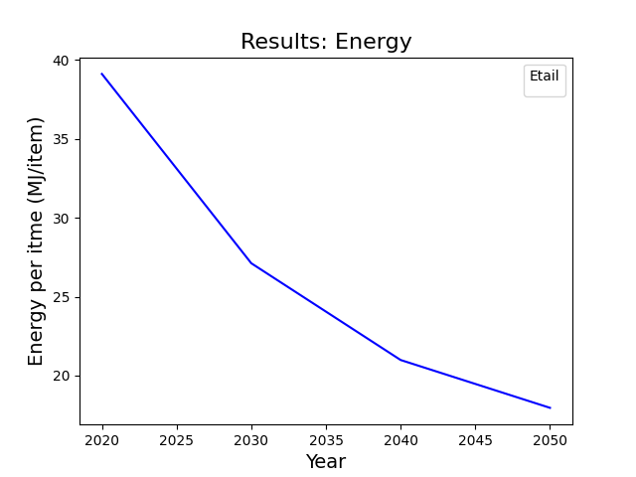
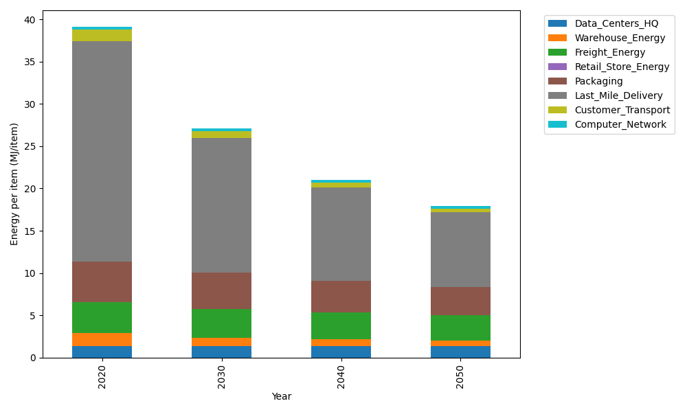
Years | Data_Centers_HQ | Warehouse_Energy | Freight_Energy | Retail_Store_Energy | Packaging | Last_Mile_Delivery | Customer_Transport | Computer_Network | Total
2020 | 1.3707219138 | 1.548 | 3.6015987919 | 0 | 4.8467995113 | 26.08033479 | 1.3441933612 | 0.32656171373 | 39.118210081
2030 | 1.3707219138 | 0.99072 | 3.386881312 | 0 | 4.3136515651 | 15.923182988 | 0.81019268453 | 0.32656171373 | 27.121912177
2040 | 1.3707219138 | 0.774 | 3.2149423128 | 0 | 3.7320356237 | 11.013619494 | 0.55803944147 | 0.32656171373 | 20.9899205
2050 | 1.3707219138 | 0.60372 | 3.0778966319 | 0 | 3.2958236677 | 8.833757789 | 0.44977050976 | 0.32656171373 | 17.958252226

CO2_item
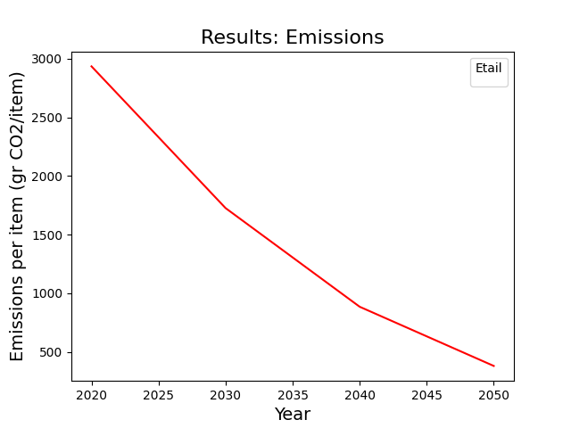
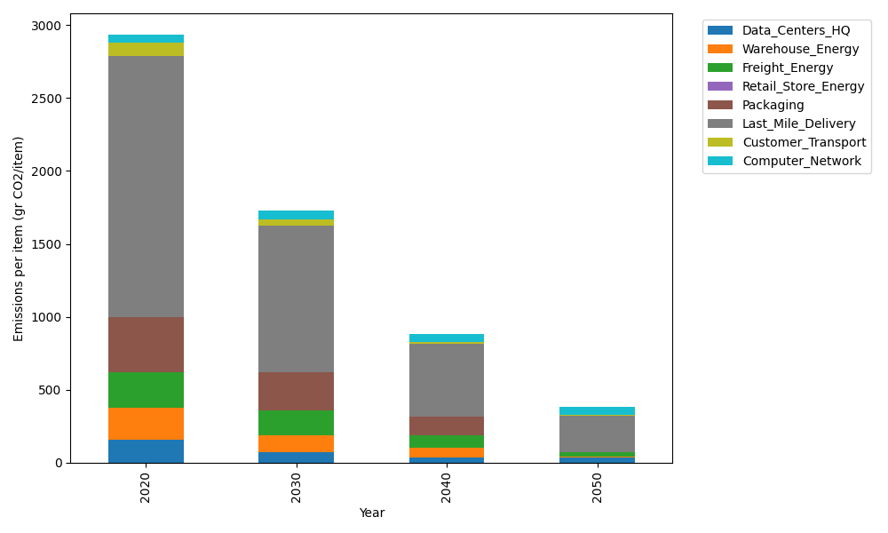
Years | Data_Centers_HQ | Warehouse_Energy | Freight_Energy | Retail_Store_Energy | Packaging | Last_Mile_Delivery | Customer_Transport | Computer_Network | Total
2020 | 157.73612384 | 220.80520494 | 241.45999671 | 0 | 379.96504026 | 1790.2357583 | 89.448359778 | 55.083386689 | 2934.7338705
2030 | 71.737141217 | 114.81870657 | 173.3495309 | 0 | 262.17587778 | 1005.5757204 | 43.130941622 | 55.083386689 | 1725.8713052
2040 | 34.541937055 | 66.241561483 | 87.017851531 | 0 | 129.18811369 | 495.18608644 | 17.453132608 | 55.083386689 | 884.71206949
2050 | 34.541937055 | 4.4161040989 | 33.197523233 | 0 | 0 | 248.61447418 | 4.1901507441 | 55.083386689 | 380.043576

