Energy_item
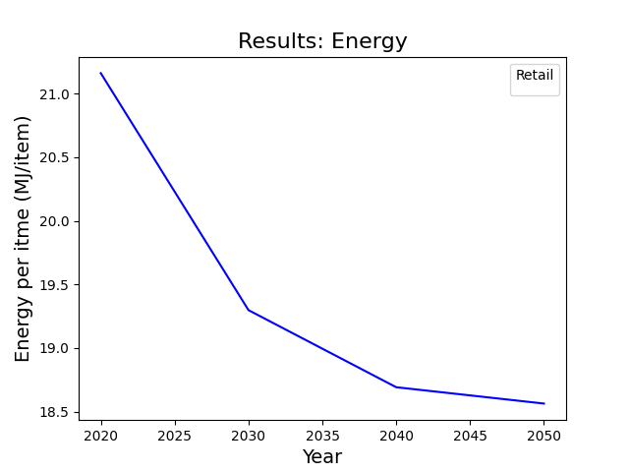
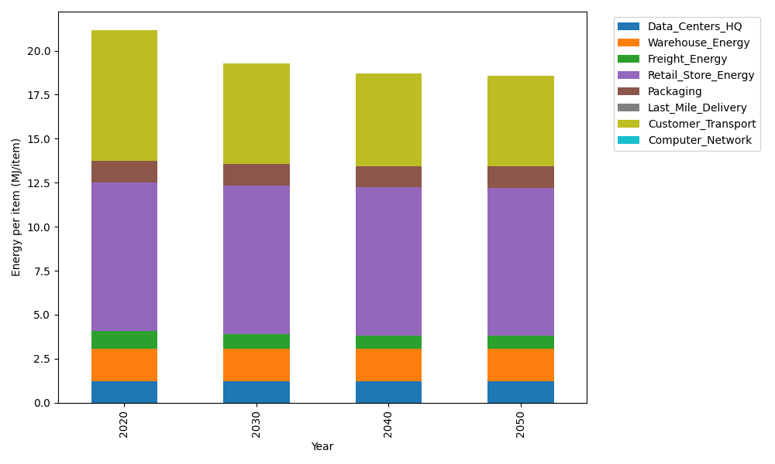
Years | Data_Centers_HQ | Warehouse_Energy | Freight_Energy | Retail_Store_Energy | Packaging | Last_Mile_Delivery | Customer_Transport | Computer_Network | Total
2020 | 1.2172633253 | 1.84 | 1.0385491076 | 8.415 | 1.2147367196 | 0 | 7.4365769649 | 0 | 21.162126117
2030 | 1.2172633253 | 1.84 | 0.8556484596 | 8.415 | 1.2147367196 | 0 | 5.7552020571 | 0 | 19.297850562
2040 | 1.2172633253 | 1.84 | 0.76261757235 | 8.415 | 1.2147367196 | 0 | 5.241803164 | 0 | 18.691420781
2050 | 1.2172633253 | 1.84 | 0.74390228043 | 8.415 | 1.2147367196 | 0 | 5.1320843995 | 0 | 18.562986725

CO2_item
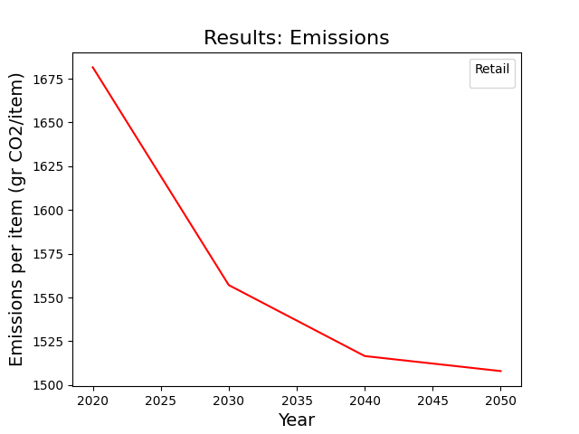
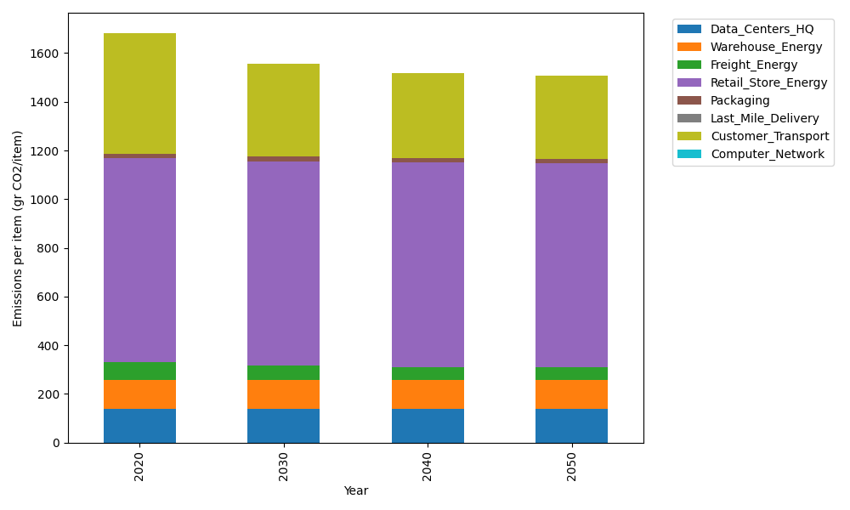
Years | Data_Centers_HQ | Warehouse_Energy | Freight_Energy | Retail_Store_Energy | Packaging | Last_Mile_Delivery | Customer_Transport | Computer_Network | Total
2020 | 137.48834654 | 120.73500736 | 71.289259288 | 839.18807354 | 17.990768952 | 0 | 494.86155124 | 0 | 1681.5530069
2030 | 137.48834654 | 120.73500736 | 58.734386703 | 839.18807354 | 17.990768952 | 0 | 382.97569313 | 0 | 1557.1122762
2040 | 137.48834654 | 120.73500736 | 52.348455605 | 839.18807354 | 17.990768952 | 0 | 348.81194094 | 0 | 1516.5625929
2050 | 137.48834654 | 120.73500736 | 51.063779427 | 839.18807354 | 17.990768952 | 0 | 341.51078635 | 0 | 1507.9767622

