Energy_item
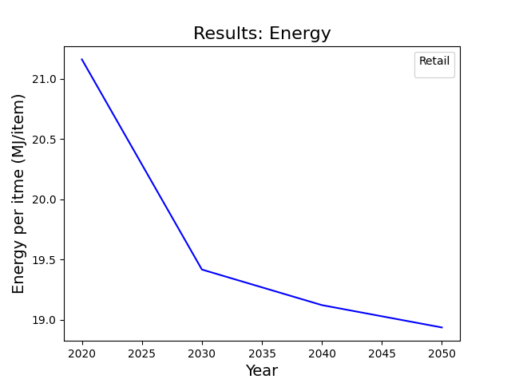
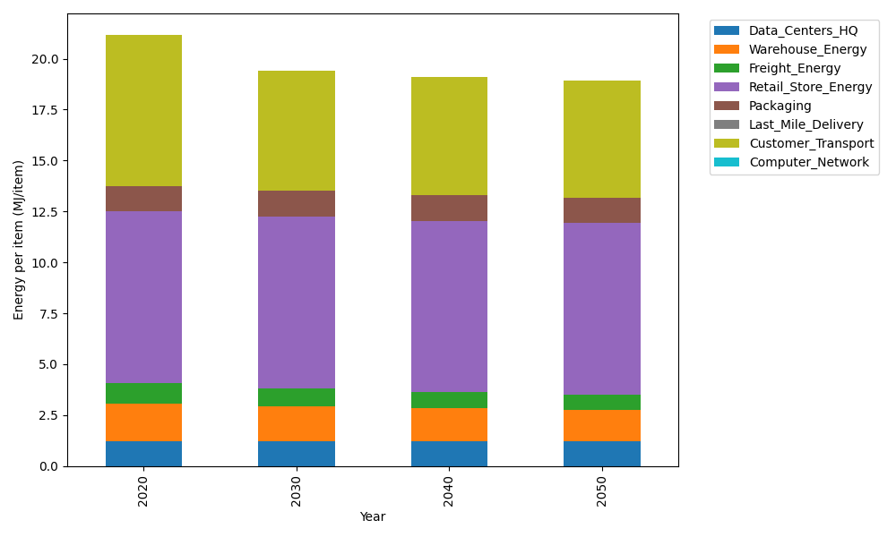
Years | Data_Centers_HQ | Warehouse_Energy | Freight_Energy | Retail_Store_Energy | Packaging | Last_Mile_Delivery | Customer_Transport | Computer_Network | Total
2020 | 1.2172633253 | 1.84 | 1.0385491076 | 8.415 | 1.2147367196 | 0 | 7.4365769649 | 0 | 21.162126117
2030 | 1.2172633253 | 1.6928 | 0.90033941375 | 8.415 | 1.2754735556 | 0 | 5.916062986 | 0 | 19.416939281
2040 | 1.2172633253 | 1.6192 | 0.79528182107 | 8.415 | 1.239031454 | 0 | 5.835724262 | 0 | 19.121500862
2050 | 1.2172633253 | 1.5456 | 0.75522328002 | 8.415 | 1.2147367196 | 0 | 5.78803642 | 0 | 18.935859745

CO2_item
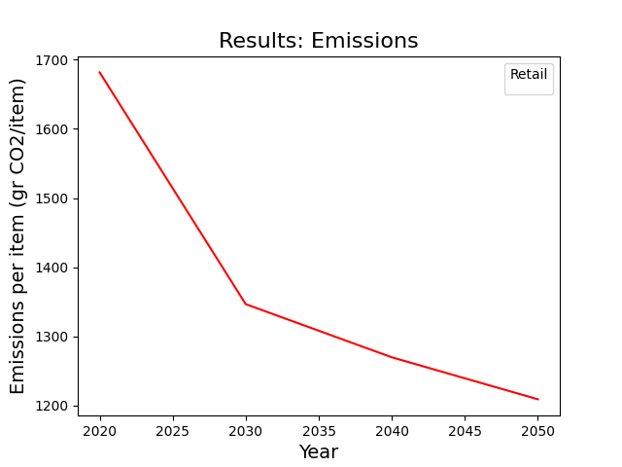
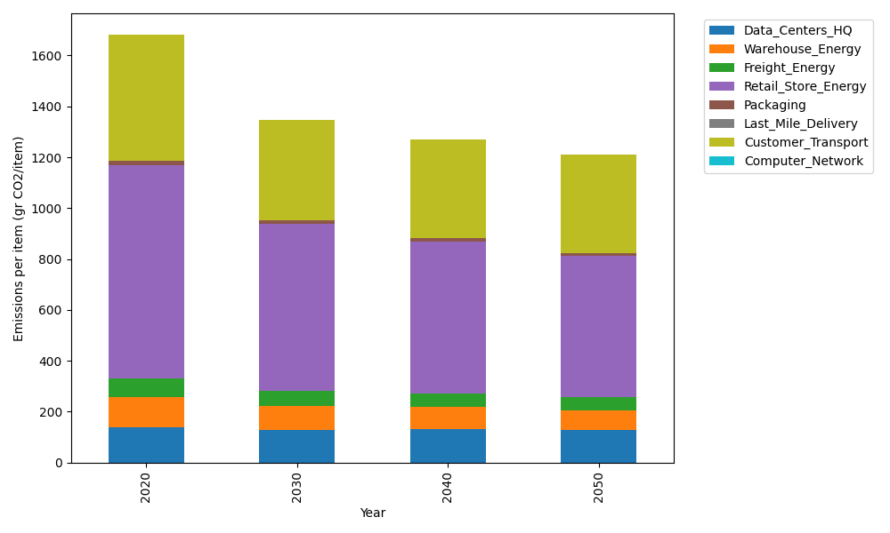
Years | Data_Centers_HQ | Warehouse_Energy | Freight_Energy | Retail_Store_Energy | Packaging | Last_Mile_Delivery | Customer_Transport | Computer_Network | Total
2020 | 137.48834654 | 120.73500736 | 71.289259288 | 839.18807354 | 17.990768952 | 0 | 494.86155124 | 0 | 1681.5530069
2030 | 126.90585612 | 94.173305739 | 61.758852108 | 654.56669736 | 15.472061299 | 0 | 393.68006548 | 0 | 1346.5568381
2040 | 132.19710133 | 85.721855224 | 54.525123051 | 595.82353221 | 13.133261335 | 0 | 388.33398411 | 0 | 1269.7348573
2050 | 126.90585612 | 79.685104856 | 51.747574652 | 553.86412854 | 11.693999819 | 0 | 385.16063169 | 0 | 1209.0572957

